Pivot Tables
Total Sales Revenue for each Category of Menu Items

Row Labels | Sales2
Breakfast | $1,286.19
Burger | $21,639.01
Chicken | $12,393.50
Fries | $2,510.20
Pasta | $9,223.05
Salad | $1,147.41
Sandwich | $8,241.95
Shakes | $1,082.38
Sides | $2,876.98
Wraps | $1,225.62
Grand Total | $61,626.29

orders placed each day

Total Orders
5370

 | Total
02-01-2023 | 67
03-01-2023 | 66
04-01-2023 | 52
05-01-2023 | 54
06-01-2023 | 64
09-01-2023 | 62
10-01-2023 | 65
11-01-2023 | 52
12-01-2023 | 55
13-01-2023 | 48
16-01-2023 | 67
17-01-2023 | 55
18-01-2023 | 51
19-01-2023 | 56
20-01-2023 | 64
23-01-2023 | 69
24-01-2023 | 63
25-01-2023 | 44
26-01-2023 | 55
27-01-2023 | 66
30-01-2023 | 65
31-01-2023 | 54
01-01-2023 | 69
07-01-2023 | 58
08-01-2023 | 72
14-01-2023 | 62
15-01-2023 | 62
21-01-2023 | 51
22-01-2023 | 68
28-01-2023 | 51
29-01-2023 | 58
01-02-2023 | 87
02-02-2023 | 63
03-02-2023 | 62
06-02-2023 | 66
07-02-2023 | 61
08-02-2023 | 53
09-02-2023 | 54
10-02-2023 | 59
13-02-2023 | 71
14-02-2023 | 57
15-02-2023 | 55
16-02-2023 | 49
17-02-2023 | 61
20-02-2023 | 73
21-02-2023 | 56
22-02-2023 | 37
23-02-2023 | 54
24-02-2023 | 58
27-02-2023 | 71
...
Row Labels | Total Orders
January
Weekday
2023-01-02 | 67
2023-01-03 | 66
2023-01-04 | 52
2023-01-05 | 54
2023-01-06 | 64
2023-01-09 | 62
2023-01-10 | 65
2023-01-11 | 52
2023-01-12 | 55
2023-01-13 | 48
2023-01-16 | 67
2023-01-17 | 55
2023-01-18 | 51
2023-01-19 | 56
2023-01-20 | 64
2023-01-23 | 69
2023-01-24 | 63
2023-01-25 | 44
2023-01-26 | 55
2023-01-27 | 66
2023-01-30 | 65
2023-01-31 | 54
Weekend
2023-01-01 | 69
2023-01-07 | 58
2023-01-08 | 72
2023-01-14 | 62
2023-01-15 | 62
2023-01-21 | 51
2023-01-22 | 68
2023-01-28 | 51
2023-01-29 | 58
February
Weekday
2023-02-01 | 87
2023-02-02 | 63
2023-02-03 | 62
2023-02-06 | 66
2023-02-07 | 61
2023-02-08 | 53
2023-02-09 | 54
2023-02-10 | 59
2023-02-13 | 71
2023-02-14 | 57
2023-02-15 | 55
2023-02-16 | 49
2023-02-17 | 61
2023-02-20 | 73
2023-02-21 | 56
2023-02-22 | 37
2023-02-23 | 54
2023-02-24 | 58
2023-02-27 | 71
2023-02-28 | 59
Weekend
2023-02-04 | 57
2023-02-05 | 60
2023-02-11 | 69
2023-02-12 | 58
2023-02-18 | 61
2023-02-19 | 56
2023-02-25 | 63
2023-02-26 | 55
March
Weekday
2023-03-01 | 49
2023-03-02 | 58
2023-03-03 | 53
2023-03-06 | 66
2023-03-07 | 58
2023-03-08 | 62
2023-03-09 | 56
2023-03-10 | 59
2023-03-13 | 71
2023-03-14 | 56
2023-03-15 | 49
2023-03-16 | 66
2023-03-17 | 71
2023-03-20 | 66
2023-03-21 | 56
2023-03-22 | 37
2023-03-23 | 61
2023-03-24 | 60
2023-03-27 | 71
2023-03-28 | 60
2023-03-29 | 54
2023-03-30 | 62
2023-03-31 | 62
Weekend
2023-03-04 | 59
2023-03-05 | 64
2023-03-11 | 62
2023-03-12 | 51
2023-03-18 | 62
2023-03-19 | 58
2023-03-25 | 56
2023-03-26 | 65
Grand Total | 5370

Most Frequently Ordered Item

Row Labels | Count of order_details_id
Side Salad | 631 |  |  |  |  | Side Salad | 631
Big Mac | 623 |  |  |  |  | Big Mac | 623
Bulgogi Burger | 592 |  |  |  |  | Bulgogi Burger | 592
French Fries (Large) | 586 |  |  |  |  | French Fries (Large) | 586
Quarter Pounder with Cheese | 584 |  |  |  |  | Quarter Pounder with Cheese | 584
Side Salad
Grand Total | 3016

$61,626.29
Total Revenue by Menu Items

Sales
$61,626.29

Row Labels | Sales
Meatball Marinara | $4,261.26
Angus Third Pounder | $3,995.00
Quarter Pounder with Cheese | $3,965.36
Bulgogi Burger | $3,842.08
Big Mac | $3,731.77
Teriyaki Chicken Sandwich | $3,384.35
Spaghetti Bolognese | $2,956.30
Bacon Clubhouse Burger | $2,495.43
McLobster Roll | $2,417.58
Chicken Parm Sandwich | $2,222.29
Chicken McNuggets (10-piece) | $2,150.41
Chicken McNuggets (6-piece) | $2,114.79
Sweet and Sour Chicken McNuggets (6-piece) | $2,060.91
Veggie Deluxe | $2,016.59
Chicken Alfredo Pasta | $2,005.49
Spicy Chicken McWrap | $1,801.39
French Fries (Large) | $1,693.54
Filet-O-Fish | $1,585.49
Guacamole Chicken Burger | $1,437.60
Mozzarella Sticks | $1,408.29
Breakfast Burrito | $1,286.19
Side Salad | $1,255.69
Grilled Chicken Caesar Salad | $1,147.41
Chocolate Shake (Large) | $1,082.38
McChicken | $881.65
Steak & Cheese McWrap | $857.85
McPlant | $834.11
Double Cheeseburger | $822.25
Cheesy Bacon Fries | $816.66
McDouble | $515.41
Chicken Snack Wrap | $367.77
Apple Slices | $213.00
Grand Total | $61,626.29

Revenue of each Category over Months

Sales | Column Labels
Row Labels | January | February | March | Grand Total
Breakfast | $471.51 | $396.18 | $418.50 | $1,286.19
Burger | $7,444.05 | $6,941.28 | $7,253.68 | $21,639.01
Chicken | $4,135.35 | $3,960.28 | $4,297.87 | $12,393.50
Fries | $862.38 | $757.14 | $890.68 | $2,510.20
Pasta | $3,071.35 | $2,998.44 | $3,153.26 | $9,223.05
Salad | $367.83 | $351.36 | $428.22 | $1,147.41
Sandwich | $2,699.51 | $2,589.67 | $2,952.77 | $8,241.95
Shakes | $388.70 | $313.95 | $379.73 | $1,082.38
Sides | $1,015.05 | $899.54 | $962.39 | $2,876.98
Wraps | $368.99 | $470.71 | $385.92 | $1,225.62
Grand Total | $20,824.72 | $19,678.55 | $21,123.02 | $61,626.29

Average number of Items Per Order

 | Morning | Day | Evening | Night
10 | 5
11 | 630
12 |  | 1672
13 |  | 1575
14 |  | 968
15 |  | 751
16 |  |  | 1054
17 |  |  | 1370
18 |  |  | 1307
19 |  |  | 1085
20 |  |  |  | 889
21 |  |  |  | 608
22 |  |  |  | 309
23 |  |  |  | 11
Average items per order
2.28

Order Volume Variation by Time of Day

Count of order_details_id | Column Labels
Row Labels | Morning | Day | Evening | Night | Grand Total
10 | 5 |  |  |  | 5
11 | 630 |  |  |  | 630
12 |  | 1672 |  |  | 1672
13 |  | 1575 |  |  | 1575
14 |  | 968 |  |  | 968
15 |  | 751 |  |  | 751
16 |  |  | 1054 |  | 1054
17 |  |  | 1370 |  | 1370
18 |  |  | 1307 |  | 1307
19 |  |  | 1085 |  | 1085
20 |  |  |  | 889 | 889
21 |  |  |  | 608 | 608
22 |  |  |  | 309 | 309
23 |  |  |  | 11 | 11
Grand Total | 635 | 4966 | 4816 | 1817 | 12234

Row Labels | Count of order_details_id
10 | 5
11 | 630
12 | 1672
13 | 1575
14 | 968
15 | 751
16 | 1054
17 | 1370
18 | 1307
19 | 1085
20 | 889
21 | 608
22 | 309
23 | 11
Grand Total | 12234

 | Sales Trends Across Weekdays and Weekends

 | Total
Monday | $10,152.77
Tuesday | $9,046.91
Wednesday | $7,625.56
Thursday | $8,450.05
Friday | $9,200.46
Saturday | $8,241.10
Sunday | $8,909.44
Row Labels | Sales
Weekday
Monday | $10,152.77
Tuesday | $9,046.91
Wednesday | $7,625.56
Thursday | $8,450.05
Friday | $9,200.46
Weekend
Saturday | $8,241.10
Sunday | $8,909.44
Grand Total | $61,626.29

Top 5 menu items by Sales

Sales2 | Column Labels
Row Labels | January | February | March | Grand Total
Meatball Marinara | $1,393.45 | $1,384.46 | $1,483.35 | $4,261.26
Angus Third Pounder | $1,502.12 | $1,278.40 | $1,214.48 | $3,995.00
Quarter Pounder with Cheese | $1,337.63 | $1,358.00 | $1,269.73 | $3,965.36
Bulgogi Burger | $1,194.16 | $1,265.55 | $1,382.37 | $3,842.08
Big Mac | $1,233.94 | $1,120.13 | $1,377.70 | $3,731.77
Grand Total | $6,661.30 | $6,406.54 | $6,727.63 | $19,795.47

Dashboard
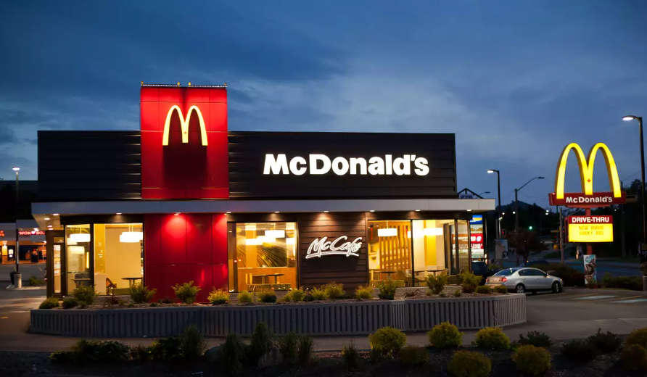
Sales Performance Dashboard
$61,626.29
Revenue
5370
Total Orders
2.28
Average Items per Order

Sales Revenue for Food Category
 | Total
Breakfast | $1,286.19
Burger | $21,639.01
Chicken | $12,393.50
Fries | $2,510.20
Pasta | $9,223.05
Salad | $1,147.41
Sandwich | $8,241.95
Shakes | $1,082.38
Sides | $2,876.98
Wraps | $1,225.62
Top 5 Items Sales Comparison by Months
 | January | February | March
Meatball Marinara | $1,393.45 | $1,384.46 | $1,483.35
Angus Third Pounder | $1,502.12 | $1,278.40 | $1,214.48
Quarter Pounder with Cheese | $1,337.63 | $1,358.00 | $1,269.73
Bulgogi Burger | $1,194.16 | $1,265.55 | $1,382.37
Big Mac | $1,233.94 | $1,120.13 | $1,377.70
Order Volume Variation by Time of Day
 | Morning | Day | Evening | Night
10 | 5
11 | 630
12 |  | 1672
13 |  | 1575
14 |  | 968
15 |  | 751
16 |  |  | 1054
17 |  |  | 1370
18 |  |  | 1307
19 |  |  | 1085
20 |  |  |  | 889
21 |  |  |  | 608
22 |  |  |  | 309
23 |  |  |  | 11

Category Revenue by Months
 | January | February | March
Breakfast | $471.51 | $396.18 | $418.50
Burger | $7,444.05 | $6,941.28 | $7,253.68
Chicken | $4,135.35 | $3,960.28 | $4,297.87
Fries | $862.38 | $757.14 | $890.68
Pasta | $3,071.35 | $2,998.44 | $3,153.26
Salad | $367.83 | $351.36 | $428.22
Sandwich | $2,699.51 | $2,589.67 | $2,952.77
Shakes | $388.70 | $313.95 | $379.73
Sides | $1,015.05 | $899.54 | $962.39
Wraps | $368.99 | $470.71 | $385.92
Sales Trends Across Weekdays & Weekends
 | Total
Monday | $10,152.77
Tuesday | $9,046.91
Wednesday | $7,625.56
Thursday | $8,450.05
Friday | $9,200.46
Saturday | $8,241.10
Sunday | $8,909.44

