Sheet2
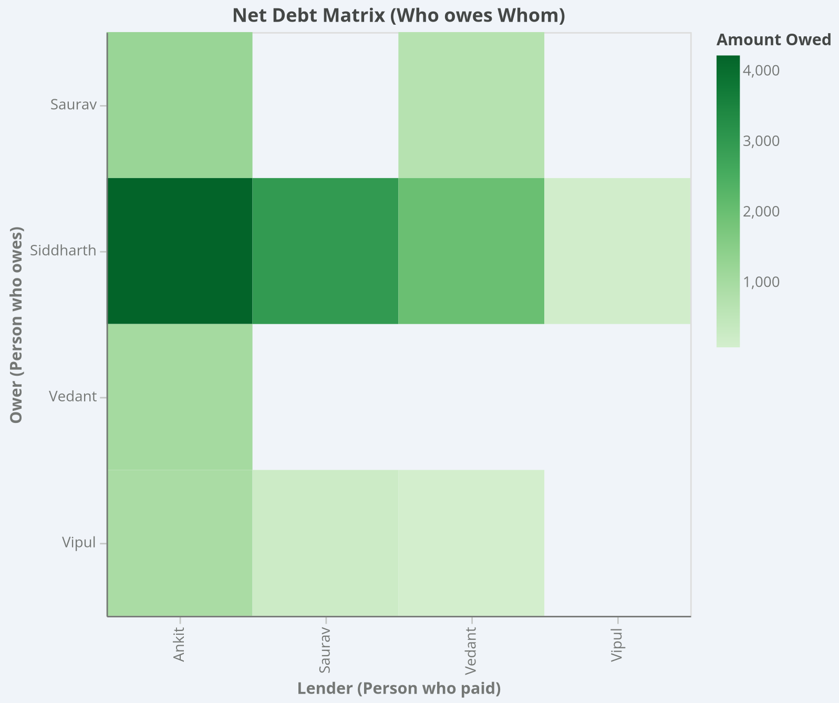
Siddharth needs to pay: Ankit (4,222.50), Saurav (2,978.98), Vedant (2,004.07), and Vipul (130.13).
Saurav needs to pay: Ankit (1,230.02) and Vedant (696.17).
Vedant needs to pay: Ankit (1,019.52).
Vipul needs to pay: Ankit (936.53), Saurav (224.60), and Vedant (82.02).

Ower \ Lender | Ankit | Saurav | Siddharth | Vedant | Vipul | Total
Ankit | - | 0 | 0 | 0 | 0 | 0
Saurav | 1,230.02 | - | 0 | 696.17 | 0 | 1,926.19
Siddharth | 4,222.50 | 2,978.98 | - | 2,004.07 | 130.13 | 9,335.68
Vedant | 1,019.52 | 0 | 0 | - | 0 | 1,019.52
Vipul | 936.53 | 224.6 | 0 | 82.02 | - | 1243.15

