NCAA T-Shirt
NCAA T-SHIRT VENDOR
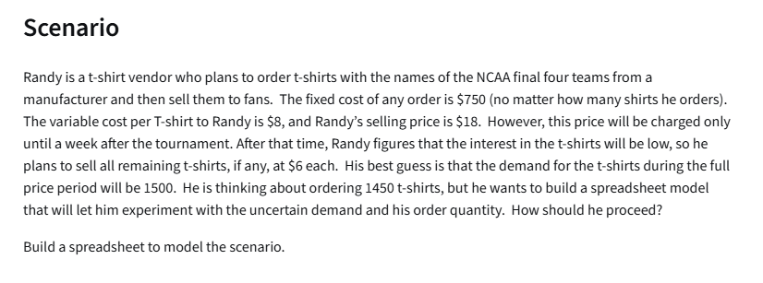
Givens:
Costs:
Fixed: | $750.00
Variable: | $8.00 | per shirt
Revenue:
Full Price: | $18.00 | per shirt
Reduced Price: | $6.00 | per shirt

Number of Shirts Ordered: | 1450
Demand: | 1500
Number of Shirts Sold(FP): | 1450 | =MIN(B12:B13)
Number of Shirts Sold (Reduced): | 0 | =MAX(B12-B13,0)

Total Cost: | $12,350 | =B5+B12*B6
Total Revenue: | $26,100 | =B14*B8+B15*B9
Total Profit: | $13,750 | =B20-B19

the 19th hole
Price VS Demand
Month | Price | Demand (00s)
1 | 450 | 45
2 | 300 | 103
3 | 440 | 49
4 | 360 | 86
5 | 290 | 125
6 | 450 | 52
7 | 340 | 87
8 | 370 | 68
9 | 500 | 45
10 | 490 | 44
11 | 430 | 58
12 | 390 | 68

Linear: y = mx+b |  | Power: y = ax^b |  | Exponential: y = ae^(bx)
Intercept (b): | 211.31 | Constant a: | 5871064 | Constant (a): | 466.51
Slope (m): | -0.3546 | Exponent b: | -1.908 | Exponent (b): | -0.005

Predictions Based on Models |  |  |  |  | Absolute Percent Error
Price (x) | Linear | Power | Exponential | Demand (00s) | Linear | Power | Exponential
450 | 51.7 | 50.9 | 49.2 | 45 | 15.0% | 13.0% | 9.3%
300 | 104.9 | 110.2 | 104.1 | 103 | 1.9% | 7.0% | 1.1%
440 | 55.3 | 53.1 | 51.7 | 49 | 12.8% | 8.3% | 5.5%
360 | 83.7 | 77.9 | 77.1 | 86 | 2.7% | 9.5% | 10.3%
290 | 108.5 | 117.6 | 109.4 | 125 | 13.2% | 5.9% | 12.5%
450 | 51.7 | 50.9 | 49.2 | 52 | 0.5% | 2.2% | 5.4%
340 | 90.7 | 86.8 | 85.2 | 87 | 4.3% | 0.2% | 2.0%
370 | 80.1 | 73.9 | 73.4 | 68 | 17.8% | 8.7% | 7.9%
500 | 34.0 | 41.6 | 38.3 | 45 | 24.4% | 7.6% | 14.9%
490 | 37.6 | 43.2 | 40.3 | 44 | 14.6% | 1.7% | 8.5%
430 | 58.8 | 55.5 | 54.3 | 58 | 1.4% | 4.4% | 6.3%
390 | 73.0 | 66.8 | 66.4 | 68 | 7.4% | 1.7% | 2.4%
 |  |  |  |  | 9.7% | 5.9% | 7.2% | <-- use the model with the smallest error

Model the Business:
Unit Cost: | € 250.0 | per set of clubs |  |  | Price | Profit
Sale Price: | € 500.0 | <--multiple of 10 |  |  |  | € 1,039,973
Demand (00s): | 42 | <--from power model | =D17*B38^D18 |  | € 260 | € 144,860
Actual demands: | 4160 |  | =B39*100 |  | € 270 | € 269,591
 |  |  |  |  | € 280 | € 377,277
Cost: | € 1,039,973 |  | =B37*B40 |  | € 290 | € 470,459
Revenue: | € 2,079,945.96 |  | =B40*B38 |  | € 300 | € 551,238
Profit: | € 1,039,973 |  | =B43-B42 |  | € 310 | € 621,370
 |  |  |  |  | € 320 | € 682,321
 |  |  |  |  | € 330 | € 735,330
 |  |  |  |  | € 340 | € 781,443
 |  |  |  |  | € 350 | € 821,552
 |  |  |  |  | € 360 | € 856,415
 |  |  |  |  | € 370 | € 886,685
 |  |  |  |  | € 380 | € 912,921
 |  |  |  |  | € 390 | € 935,607
 |  |  |  |  | € 400 | € 955,163
 |  |  |  |  | € 410 | € 971,953
 |  |  |  |  | € 420 | € 986,293
 |  |  |  |  | € 430 | € 998,462
 |  |  |  |  | € 440 | € 1,008,702
 |  |  |  |  | € 450 | € 1,017,226
 |  |  |  |  | € 460 | € 1,024,222
 |  |  |  |  | € 470 | € 1,029,857
 |  |  |  |  | € 480 | € 1,034,276
 |  |  |  |  | € 490 | € 1,037,609
 |  |  |  |  | € 500 | € 1,039,973
 |  |  |  |  | € 510 | € 1,041,469
 |  |  |  |  | € 520 | € 1,042,188 |  | a) sell at a price of 530 EUR for a profit of 1042213 EUR
 |  |  |  |  | € 530 | € 1,042,213
 |  |  |  |  | € 540 | € 1,041,616
 |  |  |  |  | € 550 | € 1,040,462
 |  |  |  |  | € 560 | € 1,038,809
 |  |  |  |  | € 570 | € 1,036,711
 |  |  |  |  | € 580 | € 1,034,213
 |  |  |  |  | € 590 | € 1,031,360
 |  |  |  |  | € 600 | € 1,028,187
 |  |  |  |  | € 700 | € 985,104
 |  |  |  |  | € 800 | € 933,220
 |  |  |  |  | € 900 | € 880,918
 |  |  |  |  | € 1,000 | € 831,339
 |  |  |  |  | € 1,100 | € 785,522
 |  |  |  |  | € 1,200 | € 743,640
 |  |  |  |  | € 1,300 | € 705,508
 |  |  |  |  | € 1,400 | € 670,814
 |  |  |  |  | € 1,500 | € 639,212
 |  |  |  |  | € 1,600 | € 610,365
 |  |  |  |  | € 1,700 | € 583,967
 |  |  |  |  | € 1,800 | € 559,743
 |  |  |  |  | € 1,900 | € 537,451
 |  |  |  |  | € 2,000 | € 516,880
 |  |  |  |  | € 2,100 | € 497,845

 |  |  |  |  |  | Unit Cost
 |  |  |  |  | € 1,039,973 | 250 | 300 | 350 | 400 | 450 | 500 | 550 | 600
 |  |  |  | Price | € 260 | € 1,039,972.98 | € 1,039,972.98 | € 1,039,972.98 | € 1,039,972.98 | € 1,039,972.98 | € 1,039,972.98 | € 1,039,972.98 | € 1,039,972.98
 |  |  |  |  | € 270 | € 1,039,972.98 | € 1,039,972.98 | € 1,039,972.98 | € 1,039,972.98 | € 1,039,972.98 | € 1,039,972.98 | € 1,039,972.98 | € 1,039,972.98
 |  |  |  |  | € 280 | € 1,039,972.98 | € 1,039,972.98 | € 1,039,972.98 | € 1,039,972.98 | € 1,039,972.98 | € 1,039,972.98 | € 1,039,972.98 | € 1,039,972.98
 |  |  |  |  | € 290 | € 1,039,972.98 | € 1,039,972.98 | € 1,039,972.98 | € 1,039,972.98 | € 1,039,972.98 | € 1,039,972.98 | € 1,039,972.98 | € 1,039,972.98
 |  |  |  |  | € 300 | € 1,039,972.98 | € 1,039,972.98 | € 1,039,972.98 | € 1,039,972.98 | € 1,039,972.98 | € 1,039,972.98 | € 1,039,972.98 | € 1,039,972.98
 |  |  |  |  | € 310 | € 1,039,972.98 | € 1,039,972.98 | € 1,039,972.98 | € 1,039,972.98 | € 1,039,972.98 | € 1,039,972.98 | € 1,039,972.98 | € 1,039,972.98
 |  |  |  |  | € 320 | € 1,039,972.98 | € 1,039,972.98 | € 1,039,972.98 | € 1,039,972.98 | € 1,039,972.98 | € 1,039,972.98 | € 1,039,972.98 | € 1,039,972.98
 |  |  |  |  | € 330 | € 1,039,972.98 | € 1,039,972.98 | € 1,039,972.98 | € 1,039,972.98 | € 1,039,972.98 | € 1,039,972.98 | € 1,039,972.98 | € 1,039,972.98
 |  |  |  |  | € 340 | € 1,039,972.98 | € 1,039,972.98 | € 1,039,972.98 | € 1,039,972.98 | € 1,039,972.98 | € 1,039,972.98 | € 1,039,972.98 | € 1,039,972.98
 |  |  |  |  | € 350 | € 1,039,972.98 | € 1,039,972.98 | € 1,039,972.98 | € 1,039,972.98 | € 1,039,972.98 | € 1,039,972.98 | € 1,039,972.98 | € 1,039,972.98
 |  |  |  |  | € 360 | € 1,039,972.98 | € 1,039,972.98 | € 1,039,972.98 | € 1,039,972.98 | € 1,039,972.98 | € 1,039,972.98 | € 1,039,972.98 | € 1,039,972.98
 |  |  |  |  | € 370 | € 1,039,972.98 | € 1,039,972.98 | € 1,039,972.98 | € 1,039,972.98 | € 1,039,972.98 | € 1,039,972.98 | € 1,039,972.98 | € 1,039,972.98
 |  |  |  |  | € 380 | € 1,039,972.98 | € 1,039,972.98 | € 1,039,972.98 | € 1,039,972.98 | € 1,039,972.98 | € 1,039,972.98 | € 1,039,972.98 | € 1,039,972.98
 |  |  |  |  | € 390 | € 1,039,972.98 | € 1,039,972.98 | € 1,039,972.98 | € 1,039,972.98 | € 1,039,972.98 | € 1,039,972.98 | € 1,039,972.98 | € 1,039,972.98
 |  |  |  |  | € 400 | € 1,039,972.98 | € 1,039,972.98 | € 1,039,972.98 | € 1,039,972.98 | € 1,039,972.98 | € 1,039,972.98 | € 1,039,972.98 | € 1,039,972.98
 |  |  |  |  | € 410 | € 1,039,972.98 | € 1,039,972.98 | € 1,039,972.98 | € 1,039,972.98 | € 1,039,972.98 | € 1,039,972.98 | € 1,039,972.98 | € 1,039,972.98
 |  |  |  |  | € 420 | € 1,039,972.98 | € 1,039,972.98 | € 1,039,972.98 | € 1,039,972.98 | € 1,039,972.98 | € 1,039,972.98 | € 1,039,972.98 | € 1,039,972.98
 |  |  |  |  | € 430 | € 1,039,972.98 | € 1,039,972.98 | € 1,039,972.98 | € 1,039,972.98 | € 1,039,972.98 | € 1,039,972.98 | € 1,039,972.98 | € 1,039,972.98
 |  |  |  |  | € 440 | € 1,039,972.98 | € 1,039,972.98 | € 1,039,972.98 | € 1,039,972.98 | € 1,039,972.98 | € 1,039,972.98 | € 1,039,972.98 | € 1,039,972.98
 |  |  |  |  | € 450 | € 1,039,972.98 | € 1,039,972.98 | € 1,039,972.98 | € 1,039,972.98 | € 1,039,972.98 | € 1,039,972.98 | € 1,039,972.98 | € 1,039,972.98
 |  |  |  |  | € 460 | € 1,039,972.98 | € 1,039,972.98 | € 1,039,972.98 | € 1,039,972.98 | € 1,039,972.98 | € 1,039,972.98 | € 1,039,972.98 | € 1,039,972.98
 |  |  |  |  | € 470 | € 1,039,972.98 | € 1,039,972.98 | € 1,039,972.98 | € 1,039,972.98 | € 1,039,972.98 | € 1,039,972.98 | € 1,039,972.98 | € 1,039,972.98
 |  |  |  |  | € 480 | € 1,039,972.98 | € 1,039,972.98 | € 1,039,972.98 | € 1,039,972.98 | € 1,039,972.98 | € 1,039,972.98 | € 1,039,972.98 | € 1,039,972.98
 |  |  |  |  | € 490 | € 1,039,972.98 | € 1,039,972.98 | € 1,039,972.98 | € 1,039,972.98 | € 1,039,972.98 | € 1,039,972.98 | € 1,039,972.98 | € 1,039,972.98
 |  |  |  |  | € 500 | € 1,039,972.98 | € 1,039,972.98 | € 1,039,972.98 | € 1,039,972.98 | € 1,039,972.98 | € 1,039,972.98 | € 1,039,972.98 | € 1,039,972.98
 |  |  |  |  | € 510 | € 1,039,972.98 | € 1,039,972.98 | € 1,039,972.98 | € 1,039,972.98 | € 1,039,972.98 | € 1,039,972.98 | € 1,039,972.98 | € 1,039,972.98
 |  |  |  |  | € 520 | € 1,039,972.98 | € 1,039,972.98 | € 1,039,972.98 | € 1,039,972.98 | € 1,039,972.98 | € 1,039,972.98 | € 1,039,972.98 | € 1,039,972.98
 |  |  |  |  | € 530 | € 1,039,972.98 | € 1,039,972.98 | € 1,039,972.98 | € 1,039,972.98 | € 1,039,972.98 | € 1,039,972.98 | € 1,039,972.98 | € 1,039,972.98
 |  |  |  |  | € 540 | € 1,039,972.98 | € 1,039,972.98 | € 1,039,972.98 | € 1,039,972.98 | € 1,039,972.98 | € 1,039,972.98 | € 1,039,972.98 | € 1,039,972.98
 |  |  |  |  | € 550 | € 1,039,972.98 | € 1,039,972.98 | € 1,039,972.98 | € 1,039,972.98 | € 1,039,972.98 | € 1,039,972.98 | € 1,039,972.98 | € 1,039,972.98
 |  |  |  |  | € 560 | € 1,039,972.98 | € 1,039,972.98 | € 1,039,972.98 | € 1,039,972.98 | € 1,039,972.98 | € 1,039,972.98 | € 1,039,972.98 | € 1,039,972.98
 |  |  |  |  | € 570 | € 1,039,972.98 | € 1,039,972.98 | € 1,039,972.98 | € 1,039,972.98 | € 1,039,972.98 | € 1,039,972.98 | € 1,039,972.98 | € 1,039,972.98
 |  |  |  |  | € 580 | € 1,039,972.98 | € 1,039,972.98 | € 1,039,972.98 | € 1,039,972.98 | € 1,039,972.98 | € 1,039,972.98 | € 1,039,972.98 | € 1,039,972.98
 |  |  |  |  | € 590 | € 1,039,972.98 | € 1,039,972.98 | € 1,039,972.98 | € 1,039,972.98 | € 1,039,972.98 | € 1,039,972.98 | € 1,039,972.98 | € 1,039,972.98
 |  |  |  |  | € 600 | € 1,039,972.98 | € 1,039,972.98 | € 1,039,972.98 | € 1,039,972.98 | € 1,039,972.98 | € 1,039,972.98 | € 1,039,972.98 | € 1,039,972.98
 |  |  |  |  | € 700 | € 1,039,972.98 | € 1,039,972.98 | € 1,039,972.98 | € 1,039,972.98 | € 1,039,972.98 | € 1,039,972.98 | € 1,039,972.98 | € 1,039,972.98
 |  |  |  |  | € 800 | € 1,039,972.98 | € 1,039,972.98 | € 1,039,972.98 | € 1,039,972.98 | € 1,039,972.98 | € 1,039,972.98 | € 1,039,972.98 | € 1,039,972.98
 |  |  |  |  | € 900 | € 1,039,972.98 | € 1,039,972.98 | € 1,039,972.98 | € 1,039,972.98 | € 1,039,972.98 | € 1,039,972.98 | € 1,039,972.98 | € 1,039,972.98
 |  |  |  |  | € 1,000 | € 1,039,972.98 | € 1,039,972.98 | € 1,039,972.98 | € 1,039,972.98 | € 1,039,972.98 | € 1,039,972.98 | € 1,039,972.98 | € 1,039,972.98
 |  |  |  |  | € 1,100 | € 1,039,972.98 | € 1,039,972.98 | € 1,039,972.98 | € 1,039,972.98 | € 1,039,972.98 | € 1,039,972.98 | € 1,039,972.98 | € 1,039,972.98
 |  |  |  |  | € 1,200 | € 1,039,972.98 | € 1,039,972.98 | € 1,039,972.98 | € 1,039,972.98 | € 1,039,972.98 | € 1,039,972.98 | € 1,039,972.98 | € 1,039,972.98
 |  |  |  |  | € 1,300 | € 1,039,972.98 | € 1,039,972.98 | € 1,039,972.98 | € 1,039,972.98 | € 1,039,972.98 | € 1,039,972.98 | € 1,039,972.98 | € 1,039,972.98
 |  |  |  |  | € 1,400 | € 1,039,972.98 | € 1,039,972.98 | € 1,039,972.98 | € 1,039,972.98 | € 1,039,972.98 | € 1,039,972.98 | € 1,039,972.98 | € 1,039,972.98
 |  |  |  |  | € 1,500 | € 1,039,972.98 | € 1,039,972.98 | € 1,039,972.98 | € 1,039,972.98 | € 1,039,972.98 | € 1,039,972.98 | € 1,039,972.98 | € 1,039,972.98
 |  |  |  |  | € 1,600 | € 1,039,972.98 | € 1,039,972.98 | € 1,039,972.98 | € 1,039,972.98 | € 1,039,972.98 | € 1,039,972.98 | € 1,039,972.98 | € 1,039,972.98
 |  |  |  |  | € 1,700 | € 1,039,972.98 | € 1,039,972.98 | € 1,039,972.98 | € 1,039,972.98 | € 1,039,972.98 | € 1,039,972.98 | € 1,039,972.98 | € 1,039,972.98
 |  |  |  |  | € 1,800 | € 1,039,972.98 | € 1,039,972.98 | € 1,039,972.98 | € 1,039,972.98 | € 1,039,972.98 | € 1,039,972.98 | € 1,039,972.98 | € 1,039,972.98
 |  |  |  |  | € 1,900 | € 1,039,972.98 | € 1,039,972.98 | € 1,039,972.98 | € 1,039,972.98 | € 1,039,972.98 | € 1,039,972.98 | € 1,039,972.98 | € 1,039,972.98
 |  |  |  |  | € 2,000 | € 1,039,972.98 | € 1,039,972.98 | € 1,039,972.98 | € 1,039,972.98 | € 1,039,972.98 | € 1,039,972.98 | € 1,039,972.98 | € 1,039,972.98
 |  |  |  |  | € 2,100 | € 1,039,972.98 | € 1,039,972.98 | € 1,039,972.98 | € 1,039,972.98 | € 1,039,972.98 | € 1,039,972.98 | € 1,039,972.98 | € 1,039,972.98

NPV value
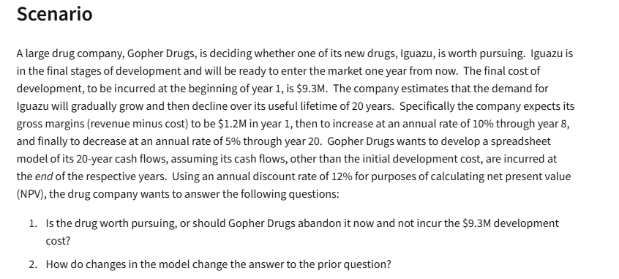
Gopher Drugs:
 |  |  | Cash Flow
Development Cost | 9.3 | million | End of Year | Gross Margin ($M):
Lifetime: | 20 | years | 1 | € 1.20 | =B5
Year 1 Margin: | 1.2 | millions | 2 | € 1.32 | =IF(E5<=$B$6,F4+F4*$B$7,F4-F4*$B$8) | € 1.32
Inc through year: | 8 |  | 3 | € 1.45 | =IF(E6<=$B$6,F5+F5*$B$7,F5-F5*$B$8) | € 1.45
Rate of increase: | 10% |  | 4 | € 1.60 | =IF(E7<=$B$6,F6+F6*$B$7,F6-F6*$B$8) | € 1.60
Rate of decrease: | 5% |  | 5 | € 1.76 | =IF(E8<=$B$6,F7+F7*$B$7,F7-F7*$B$8) | € 1.76
Discount Rate: | 12% |  | 6 | € 1.93 | =IF(E9<=$B$6,F8+F8*$B$7,F8-F8*$B$8) | € 1.93
 |  |  | 7 | € 2.13 | =IF(E10<=$B$6,F9+F9*$B$7,F9-F9*$B$8) | € 2.13
(Net) Present Value: | € 12.60 | =NPV(B9,F4:F23) | 8 | € 2.34 | =IF(E11<=$B$6,F10+F10*$B$7,F10-F10*$B$8) | € 2.34
Development Cost: | € 9.30 |  | 9 | € 2.22 | =IF(E12<=$B$6,F11+F11*$B$7,F11-F11*$B$8) | € 2.22
Net Present Value: | € 3.30 | million | 10 | € 2.11 | =IF(E13<=$B$6,F12+F12*$B$7,F12-F12*$B$8) | € 2.11
 |  |  | 11 | € 2.00 | =IF(E14<=$B$6,F13+F13*$B$7,F13-F13*$B$8) | € 2.00
 |  |  | 12 | € 1.90 | =IF(E15<=$B$6,F14+F14*$B$7,F14-F14*$B$8) | € 1.90
 |  |  | 13 | € 1.81 | =IF(E16<=$B$6,F15+F15*$B$7,F15-F15*$B$8) | € 1.81
 |  |  | 14 | € 1.72 | =IF(E17<=$B$6,F16+F16*$B$7,F16-F16*$B$8) | € 1.72
 |  |  | 15 | € 1.63 | =IF(E18<=$B$6,F17+F17*$B$7,F17-F17*$B$8) | € 1.63
 |  |  | 16 | € 1.55 | =IF(E19<=$B$6,F18+F18*$B$7,F18-F18*$B$8) | € 1.55
 |  |  | 17 | € 1.47 | =IF(E20<=$B$6,F19+F19*$B$7,F19-F19*$B$8) | € 1.47
 |  |  | 18 | € 1.40 | =IF(E21<=$B$6,F20+F20*$B$7,F20-F20*$B$8) | € 1.40
 |  |  | 19 | € 1.33 | =IF(E22<=$B$6,F21+F21*$B$7,F21-F21*$B$8) | € 1.33
 |  |  | 20 | € 1.26 | =IF(E23<=$B$6,F22+F22*$B$7,F22-F22*$B$8) | € 1.26

Assesment |  |  | Cash Flow
Investment: | 150 | thousands | End of Year | Cash Inflow (thousands)
Inflows years: | 5 |  | 1 | 30
Discount Rate: | 15% |  | 2 | 65
 |  |  | 3 | 80
(Net) Present Value: | € 198.064 |  | 4 | 75
Net Present Value: | € 48.06 |  | 5 | 55

Microsoft
Microsoft - grow year by year
 | Exponential: | y=ae^bx |  |  | Average % growth: | 4.60%
 | Constant (a): | 158193 |  |  | Mean absolute percentage error (MAPE): | 4.84%
 | Exponent(b): | 0.043
 |  |  |  |  | Absolute Persent Error
Year | Year Nr. | Average of Seasonally Adjusted Sales (USD) | Percentage growth: | Exponent Function:
1992 | 1 | 150781.17 |  | 165144 | 9.53%
1993 | 2 | 161696.25 | 7.24% | 172400 | 6.62%
1994 | 3 | 175688.83 | 8.65% | 179975 | 2.44%
1995 | 4 | 185437.25 | 5.55% | 187882 | 1.32%
1996 | 5 | 196728.17 | 6.09% | 196137 | 0.30%
1997 | 6 | 206334.08 | 4.88% | 204755 | 0.77%
1998 | 7 | 215657.67 | 4.52% | 213752 | 0.88%
1999 | 8 | 233872 | 8.45% | 223144 | 4.59%
2000 | 9 | 248748.25 | 6.36% | 232948 | 6.35%
2001 | 10 | 255663.75 | 2.78% | 243183 | 4.88%
2002 | 11 | 261272.42 | 2.19% | 253868 | 2.83%
2003 | 12 | 272232.5 | 4.19% | 265023 | 2.65%
2004 | 13 | 288987.5 | 6.15% | 276667 | 4.26%
2005 | 14 | 307826.08 | 6.52% | 288824 | 6.17%
2006 | 15 | 323823.08 | 5.20% | 301514 | 6.89%
2007 | 16 | 334008 | 3.15% | 314762 | 5.76%
2008 | 17 | 328780.33 | -1.57% | 328592 | 0.06%
2009 | 18 | 303288.92 | -7.75% | 343029 | 13.10%
2010 | 19 | 323964.17 | 6.82% | 358101 | 10.54%
2011 | 20 | 349717.75 | 7.95% | 373835 | 6.90%
2012 | 21 |  |  | 390261
2013 | 22 |  |  | 407408
2014 | 23 |  |  | 425309
2015 | 24 |  |  | 443996
2016 | 25 |  |  | 463504
2017 | 26 |  |  | 483870
2018 | 27 |  |  | 505130
2019 | 28 |  |  | 527324
2020 | 29 |  |  | 550494
2021 | 30 |  |  | 574681
2022 | 31 |  |  | 599932
2023 | 32 |  |  | 626291
2024 | 33 |  |  | 653809
2025 | 34 |  |  | 682536
2026 | 35 |  |  | 712526
2027 | 36 |  |  | 743832
2028 | 37 |  |  | 776515
2029 | 38 |  |  | 810633
2030 | 39 |  |  | 846251
2031 | 40 |  |  | 883433
2032 | 41 |  |  | 922250
2033 | 42 |  |  | 962771
2034 | 43 |  |  | 1005073
2035 | 44 |  |  | 1049234
2036 | 45 |  |  | 1095335
2037 | 46 |  |  | 1143462
2038 | 47 |  |  | 1193703
2039 | 48 |  |  | 1246152
2040 | 49 |  |  | 1300905
2041 | 50 |  |  | 1358065
2042 | 51 |  |  | 1417735
2043 | 52 |  |  | 1480027
2044 | 53 |  |  | 1545057
2045 | 54 |  |  | 1612943
2046 | 55 |  |  | 1683812
2047 | 56 |  |  | 1757796
2048 | 57 |  |  | 1835029
2049 | 58 |  |  | 1915657
2050 | 59 |  |  | 1999827

Toy Company
Toy Company
Development cost: | 4 | millions | Cash Flows: | $M
Lifetime: | 5 | years | End of Year: | Unit prices sold: | Revenue: | Variable costs: | SG&A costs: | Profit:
Price per one kit, const: | 25 | USD | 1 | 80000 | 2000000 | 1000000 | 800000 | 200000
1 year sell kits: | 80000 | pieces | 2 | 126400 | 3160000 | 1580000 | 1200800 | 379200
Unit sales growing rate: | 58% | per year | 3 | 199712 | 4992800 | 2496400 | 1797408 | 698992
 |  |  | 4 | 315545 | 7888624 | 3944312 | 2682132 | 1262180
Variable costs: | 50% | of revenue | 5 | 498561 | 12464026 | 6232013 | 3988488 | 2243525
Fixed SG&A: | 40% | of revenue |  |  |  |  |  | 4783897
Decreasing rate of variable costs and fixed SG&A costs: | 2%
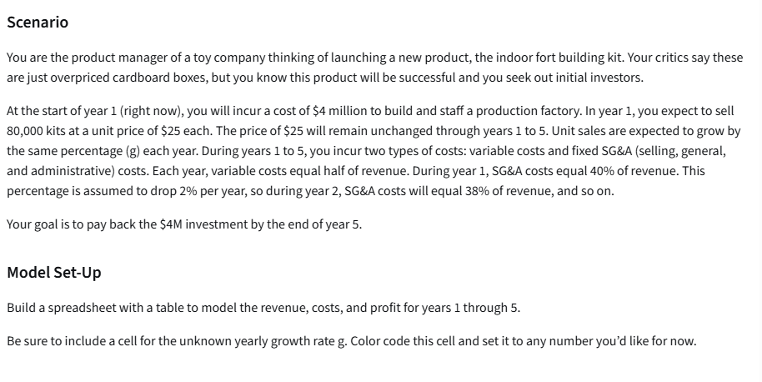
 |  |  |  | Percentage rate | Profit
Discout rate (NPV): | 5% |  |  |  | 4783896.51
(Net) Present Value: | $3,934,496.10 |  |  | 47% | 3855355.33
 |  |  |  | 48% | 3933112.22
 |  |  |  | 49% | 4012155.52
 |  |  |  | 50% | 4092500.00
 |  |  |  | 51% | 4174160.48
 |  |  |  | 52% | 4257151.90
 |  |  |  | 53% | 4341489.25
 |  |  |  | 54% | 4427187.64
 |  |  |  | 55% | 4514262.25

 |  |  |  | Percentage rate | Profit
 |  |  |  |  | $3,934,496.10
 |  |  |  | 58.20% | 3934496.10
 |  |  |  | 58.30% | 3934496.10
 |  |  |  | 58.40% | 3934496.10
 |  |  |  | 58.50% | 3934496.10
 |  |  |  | 58.60% | 3934496.10
 |  |  |  | 58.70% | 3934496.10
 |  |  |  | 58.80% | 3934496.10
 |  |  |  | 58.90% | 3934496.10
 |  |  |  | 59.00% | 3934496.10

Bluejay Natural Gas
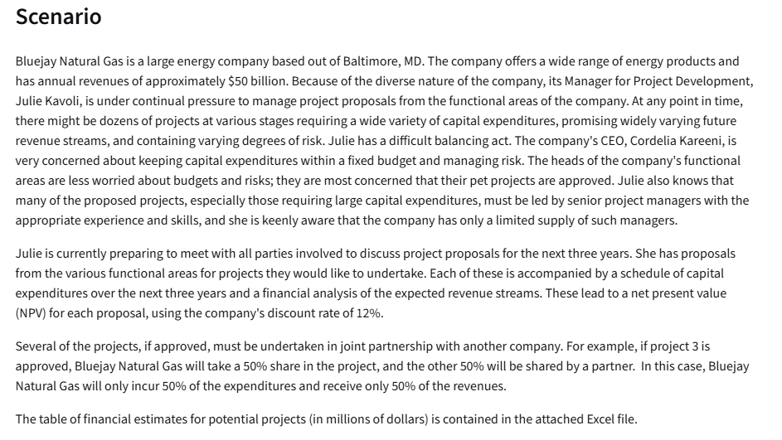
Financial Estimates for Potential Projects (in $millions)
Project Index | Functional Area (FA) | Partnership Percentage | Capex Year 1 | Capex Year 2 | Capex Year 3 | NPV
1 | FA1 | 100% | 250 | 100 | 100 | 60
2 | FA1 | 33% | 500 | 300 | 300 | 180
3 | FA1 | 50% | 100 | 200 | 400 | 80
4 | FA1 | 100% | 750 | 500 | 300 | 310
5 | FA1 | 75% | 200 | 400 | 800 | 220
6 | FA2 | 50% | 1000 | 300 | 300 | 180
7 | FA2 | 100% | 750 | 750 | 300 | 410
8 | FA2 | 100% | 800 | 700 | 600 | 280
9 | FA2 | 67% | 400 | 600 | 800 | 380
10 | FA3 | 100% | 100 | 200 | 400 | 100
11 | FA3 | 50% | 700 | 500 | 300 | 260
12 | FA3 | 100% | 1500 | 400 | 400 | 340

LP Assignment
 | X | Y
Variables | 0 | 80 | <=dummy values
Profit per unit | 3 | 6

Objective(Max)
Profit | 480

Constraints |  |  | LHS | Sign | RHS
2x+y<=120 | 2 | 1 | 80 | <= | 120
2x+3y<=240 | 2 | 3 | 240 | <= | 240

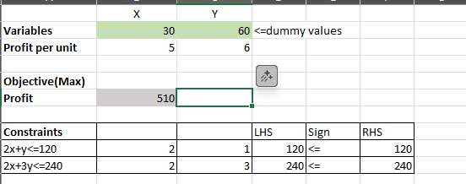
1

LP Template and Var
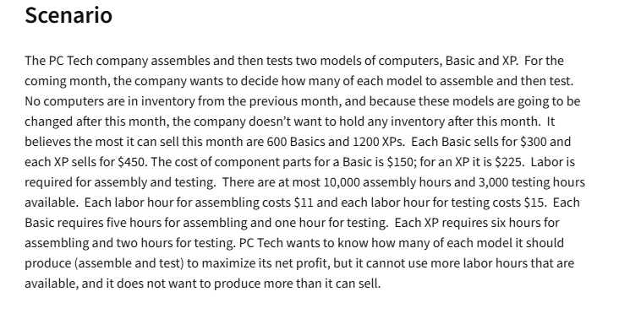
 | No.Basic comp | No.XP comp
Variables | 560 | 1200 | <=dummy numbers |  | Summay Sentence:
 |  |  |  |  | Produce 560 Basic Computeers, 1200 XP computers for max net profit of $217,600
Objective: (Max) |  |  | Total:
Revenue: | $300.00 | $450.00 | $708,000.00
Costs:
Parts: | $150.00 | $225.00 | $354,000.00 | =SUMPRODUCT($B$2:$C$2,B7:C7)
Labor/Assem: | 5 | 6 | $110,000.00 | =SUMPRODUCT($B$2:$C$2,B8:C8)*I8 |  |  | $11.00 | assembly
Labor/Test: | 1 | 2 | $44,400.00 | =SUMPRODUCT($B$2:$C$2,B9:C9)*I9 |  |  | $15.00 | labor
Profit: |  |  | $199,600.00 | =D5-D7-D8-D9

Constraints: |  |  | LHS | Sign | RHS | (LHS formula)
at most 600 Basics | 1 |  | 560 | <= | 600 | =SUMPRODUCT($B$2:$C$2,B14:C14)
at most 1200 Xps |  | 1 | 1200 | <= | 1200 | =SUMPRODUCT($B$2:$C$2,B15:C15)
Assembly Hours | 5 | 6 | 10000 | <= | 10000
Testing Hours | 1 | 2 | 2960 | <= | 3000

LP Furniture Comp
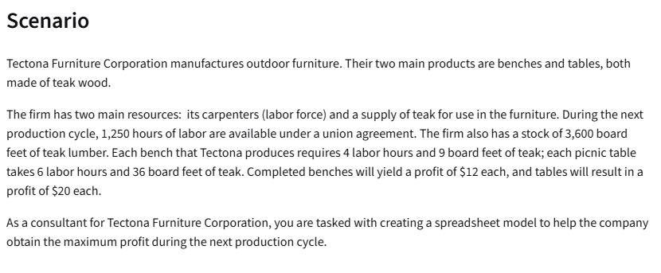
 | No. of Benches (b) | No.of Tables (t)
Variables | 260 | 35 | <-- dummy numbers
Profit per item: | $12.00 | $20.00

Objective: (Max)
Profit: | 3820
Costs:
Parts: | 9 | 36
Labor: | 4 | 6

Constraints: |  |  | LHS | Sign | RHS
1250 hours of labor | 4 | 6 | 1250 | <= | 1250
3600 board feet | 9 | 36 | 3600 | <= | 3600

LP Investment Allocation
 | X1 | X2 | X3 | X4 | X5
Variables | $50,000.00 | $- | $- | $175,000.00 | $25,000.00 | <--dummy numbers
Rate of Return(%) | 5.30% | 6.80% | 4.90% | 8.40% | 11.80%

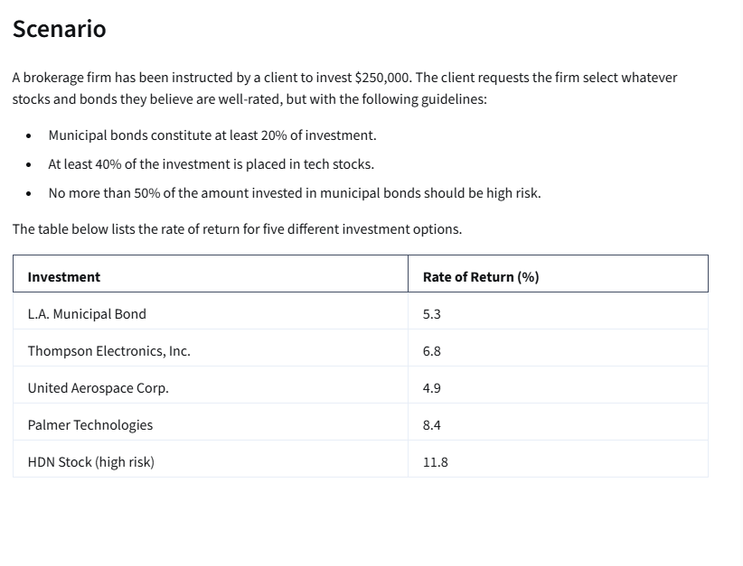
Objective: (max)
Rate of return: | $20,300.00 | =SUMPRODUCT(B2:F2,B3:F3)

Constraints |  |  |  |  |  | LHS | Sign | RHS
Budget | 1 | 1 | 1 | 1 | 1 | 250000 | <= | $250,000
Muni 20% | 1 |  |  |  |  | 50000 | >= | $50,000
40% in tech |  | 1 | 1 | 1 |  | 175000 | >= | $100,000
no more 50% in high risk | -50% |  |  |  | 1 | 0 | <= | 0

 |  |  |  |  |  |  |  |  | x1
 |  |  |  |  |  |  |  |  | x2
 |  |  |  |  |  |  |  |  | x3
 |  |  |  |  |  |  |  |  | x4
 |  |  |  |  |  |  |  |  | x5

Bus Company
 | No.of students to assign from A to HS in B
Variable: | AB | AC | AE | BB | BC | BE | CB | CC | CE | DB | DC | DE | EB | EC | EE
 | 400 | 0 | 300 | 500 | 0 | 0 | 0 | 100 | 0 | 0 | 800 | 0 | 0 | 0 | 400 | <--DUMMY NUMBERS
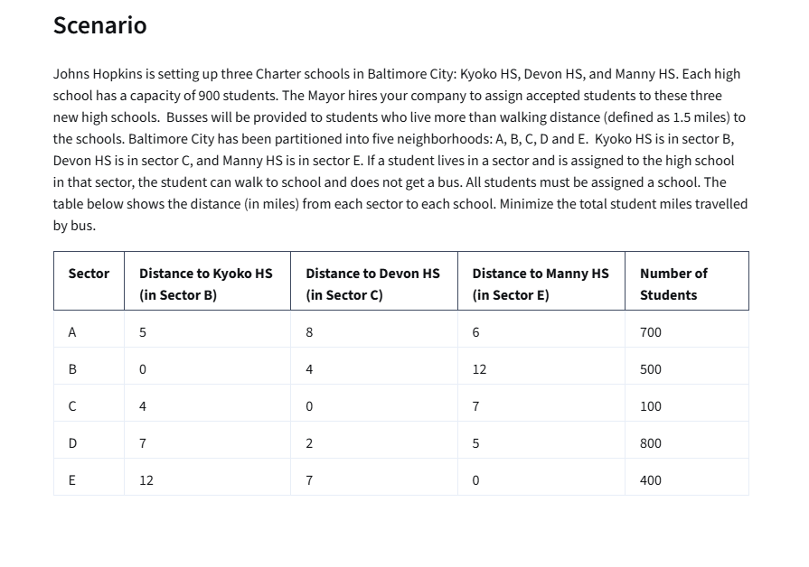
 | 5 | 8 | 6 | 0 | 4 | 12 | 4 | 0 | 7 | 7 | 2 | 5 | 12 | 7 | 0 | <--miles travelled

Objective (Min):
student bus miles | 5400 | =SUMPRODUCT(B4:P4,B5:P5)

Constraints: |  |  |  |  |  |  |  |  |  |  |  |  |  |  |  | LHS | Sign | RHS
900 in school B | 1 |  |  | 1 |  |  | 1 |  |  | 1 |  |  | 1 |  |  | 900 | <= | 900
900 in school C |  | 1 |  |  | 1 |  |  | 1 |  |  | 1 |  |  | 1 |  | 900 | <= | 900
900 in school E |  |  | 1 |  |  | 1 |  |  | 1 |  |  | 1 |  |  | 1 | 700 | <= | 900
700 students in A | 1 | 1 | 1 |  |  |  |  |  |  |  |  |  |  |  |  | 700 | = | 700
500 in B |  |  |  | 1 | 1 | 1 |  |  |  |  |  |  |  |  |  | 500 | = | 500
100 in C |  |  |  |  |  |  | 1 | 1 | 1 |  |  |  |  |  |  | 100 | = | 100
800 in D |  |  |  |  |  |  |  |  |  | 1 | 1 | 1 |  |  |  | 800 | = | 800
400 in E |  |  |  |  |  |  |  |  |  |  |  |  | 1 | 1 | 1 | 400 | = | 400

 | Summary Sentence:
 | 400 students from A to B; remaining 300 students to E |  |  |  |  |  |  | For minimum of 5400 students bus miles
 | etc.

Linear Programming Assesment
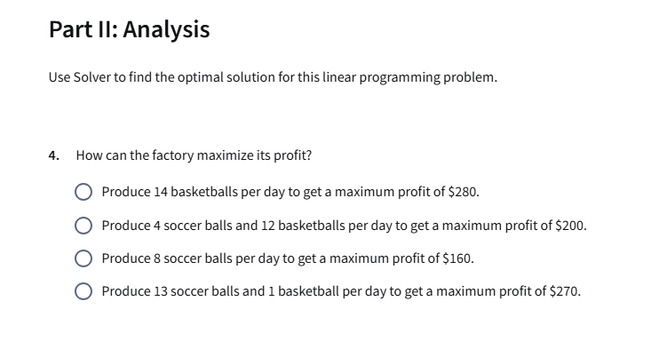
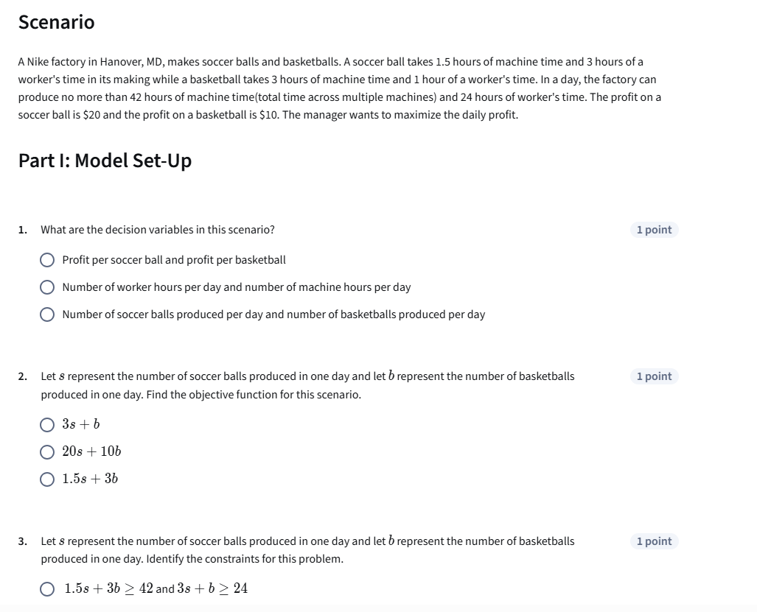
 | s | b
Variables: | Soccer balls | Basketball balls
 | 4 | 12
Profit per ball | $20.00 | $10.00
Machine time (Hours) | 1.5 | 3
Worker's time (Hours) | 3 | 1

Objective (max)
Profit | 200

Constraints: |  |  | LHS | Sign | RHS
Max machine time 42 Hours | 1.5 | 3 | 42 | <= | 42
Max worker time 24 hours | 3 | 1 | 24 | <= | 24

Summary sentence: Procude 4 Soccer balls and 12 basketball balls per day to maximize profit to 200 USD

Construction Project
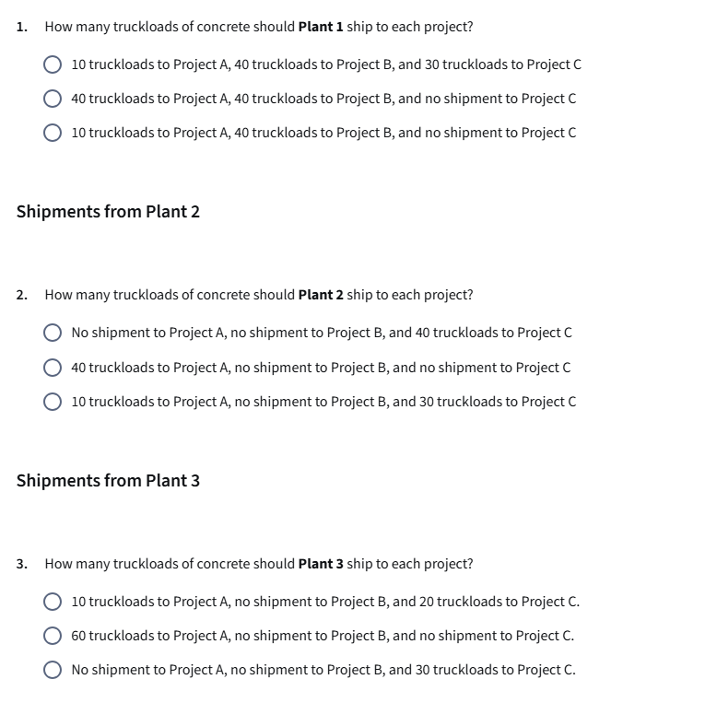
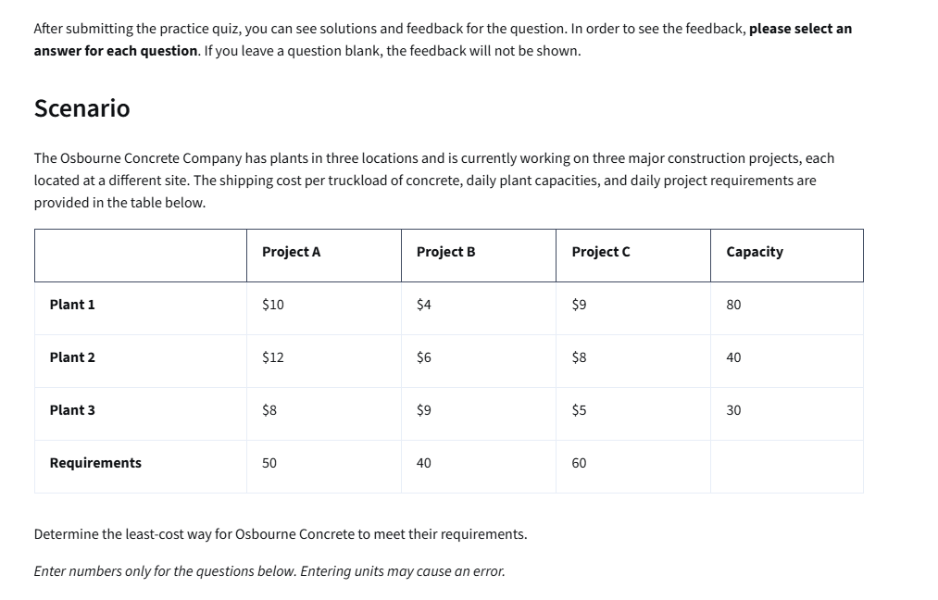
Shipping costs

Data Table | Project A | Project B | Project C | Capacity / Plant Output
Plant 1 | $10.00 | $4.00 | $9.00 | 80
Plant 2 | $12.00 | $6.00 | $8.00 | 40
Plant 3 | $8.00 | $9.00 | $5.00 | 30
Requirements / Project Demand | 50 | 40 | 60

Data table | Project A | Project B | Project C | Capacity / Plant Output
Plant 1 | 40 | 40 | 0 | 80
Plant 2 | 0 | 0 | 40 | 40
Plant 3 | 10 | 0 | 20 | 30
Requirements / Project Demand | 50 | 40 | 60

Objective: (min)
Total cost: | $1,060.00

Summary Sentence: to miniminize cost to 1060 USD Plant 1 should send 40 trucks to Project A and 40 trucks to B; Plant 2 should send nothing to A and B and 40 to C; Plant 3 should send 10 trucks to A and 20 to C

New Hire Assignment
Assignment Problem Template

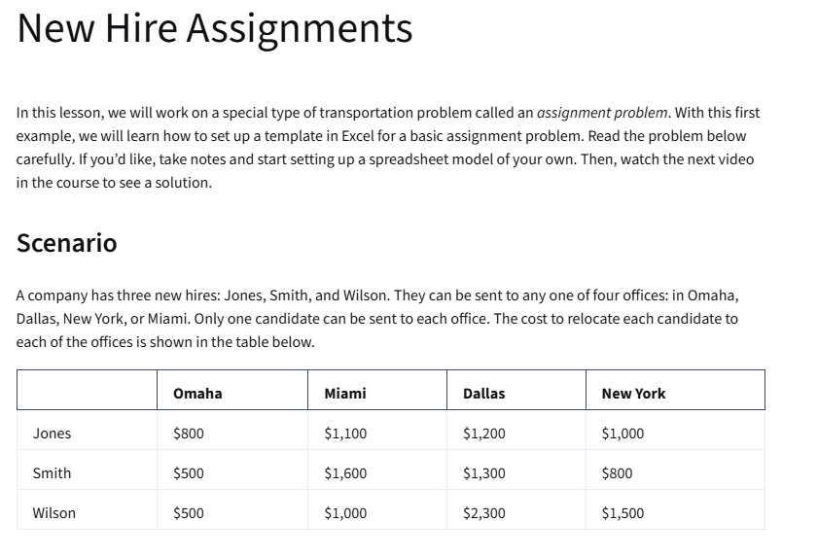
Cost Table Relocation:
 | Omaha | Miami | Dallas | New York
Jones | $800.00 | $1,100.00 | $1,200.00 | $1,000.00 | 1
Smith | $500.00 | $1,600.00 | $1,300.00 | $800.00 | 1
Wilson | $500.00 | $1,000.00 | $2,300.00 | $1,500.00 | 1
 | 1 | 1 | 1 | 1

Assignment table:
 | Omaha | Miami | Dallas | New York | Total | Sign | Each canditate is aasign to one office
Jones | 0 | 1 | 0 | 0 | 1 | = | 1
Smith | 0 | 0 | 0 | 1 | 1 | = | 1
Wilson | 1 | 0 | 0 | 0 | 1 | = | 1
 | 1 | 1 | 0 | 1
 | <= | <= | <= | <=
 | 1 | 1 | 1 | 1

Objective:(min)
Recolation Cost: | $2,400.00

Summary Sentence: min cost 2400 EUR - Jones to Miami, Smith to New York, Wilson to Omaha

MLB Umpire Assignment
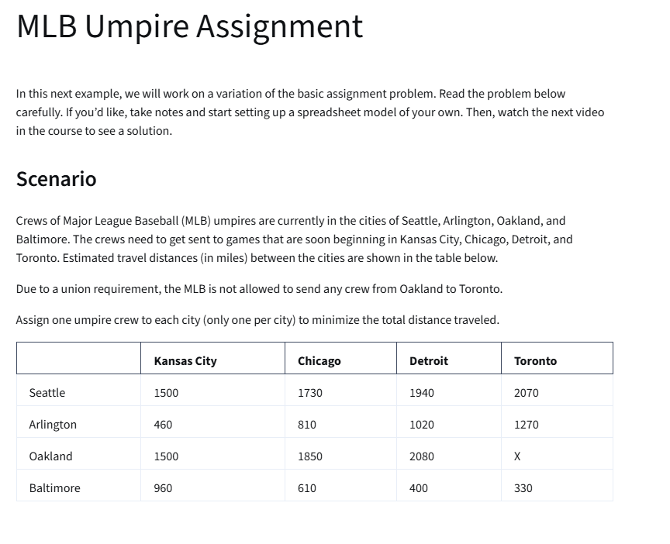
Distance (m):
 | To:
From: | Kansas City | Chicago | Detroit | Toronto
Seattle | 1500 | 1730 | 1940 | 2070
Arlington | 460 | 810 | 1020 | 1270
Oakland | 1500 | 1850 | 2080 | x
Baltimore | 960 | 610 | 400 | 330

Assignment table
From: | Kansas City | Chicago | Detroit | Toronto |  | Sign | Constraint
Seattle | 0 | 0 | 1 | 0 | 1 | = | 1
Arlington | 1 | 0 | 0 | 0 | 1 | = | 1
Oakland | 0 | 1 | 0 | 0 | 1 | = | 1
Baltimore | 0 | 0 | 0 | 1 | 1 | = | 1
 | 1 | 1 | 1 | 1
 | <= | <= | <= | <=
 | 1 | 1 | 1 | 1

Objective (min)
Miles to travel: | 4580

College Professors

 | Statistics | Management | Finance | Economics
Bain | 80 | 85 | 95 | 40
Carey | 85 | 30 | 75 | 65
Dio | 90 | 55 | 80 | 70
Powell | 55 | 80 | 65 | 50

 | Statistics | Management | Finance | Economics |  | Sign | Constraints
Bain | 0 | 0 | 1 | 0 | 1 | = | 1
Carey | 1 | 0 | 0 | 0 | 1 | = | 1
Dio | 0 | 0 | 0 | 1 | 1 | = | 1
Powell | 0 | 1 | 0 | 0 | 1 | = | 1
 | 1 | 1 | 1 | 1
 | = | = | = | =
 | 1 | 1 | 1 | 1

Objective (max)
Overall raiting for all subjects | 330

TranspAnd Assignment Problems
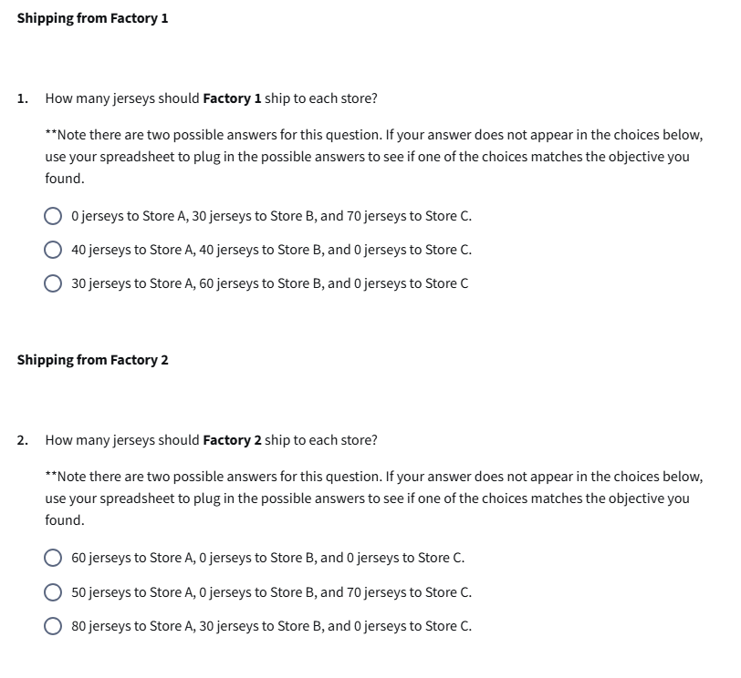
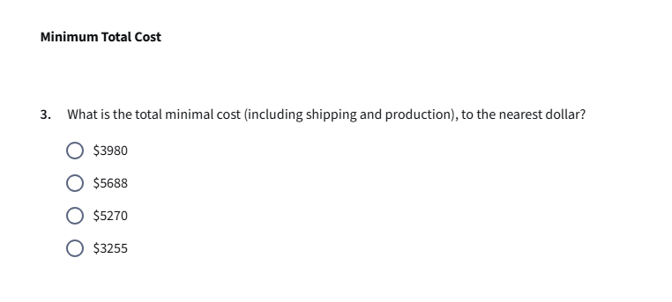
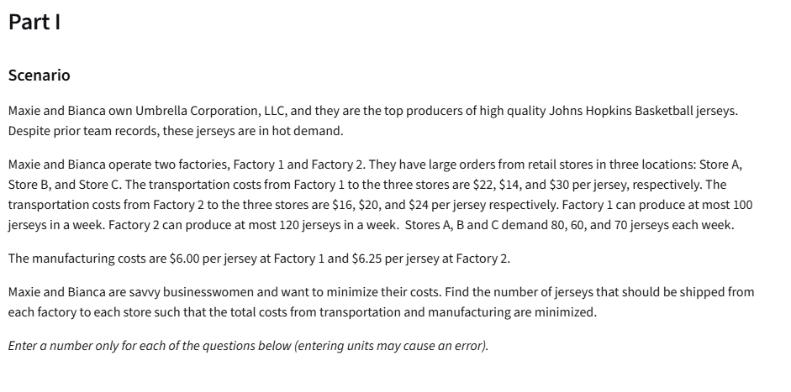
Transportation costs | Store A | Store B | Store C | Output (jersey per week) | Manufacturing Costs per jersey
Factory 1 | 22 | 14 | 30 | 100 | 6
Fartory 2 | 16 | 20 | 24 | 120 | 6.25
Store demand (per week) | 80 | 60 | 70

Transportation and manufacturing cost | Store A | Store B | Store C | Output (jersey per week) | Manufacturing Costs per jersey
Factory 1 | 28 | 20 | 36 | 100 | 6
Fartory 2 | 22.25 | 26.25 | 30.25 | 120 | 6.25
Store demand (per week) | 80 | 60 | 70

Transporation table | Store A | Store B | Store C |  | Sign
Factory 1 | 30 | 60 | 0 | 90 | <=
Fartory 2 | 50 | 0 | 70 | 120 | <=
 | 80 | 60 | 70
 | >= | >= | >=
 | 80 | 60 | 70

Objective(min)
Transportaton and manufacturing cost | 5270 |  | 5270

Assignment Problem Assesment
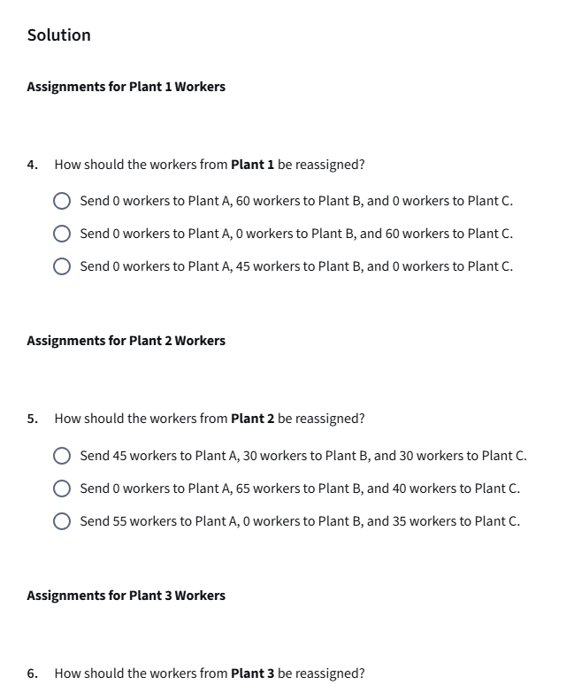
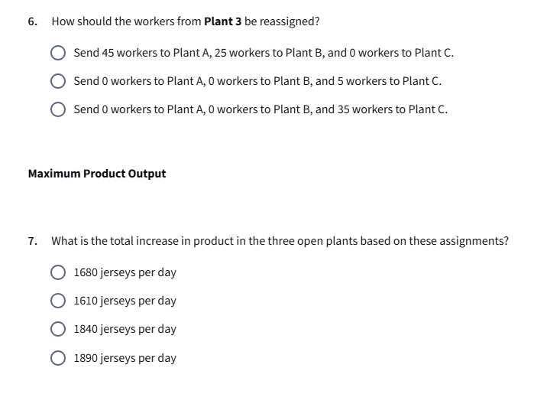
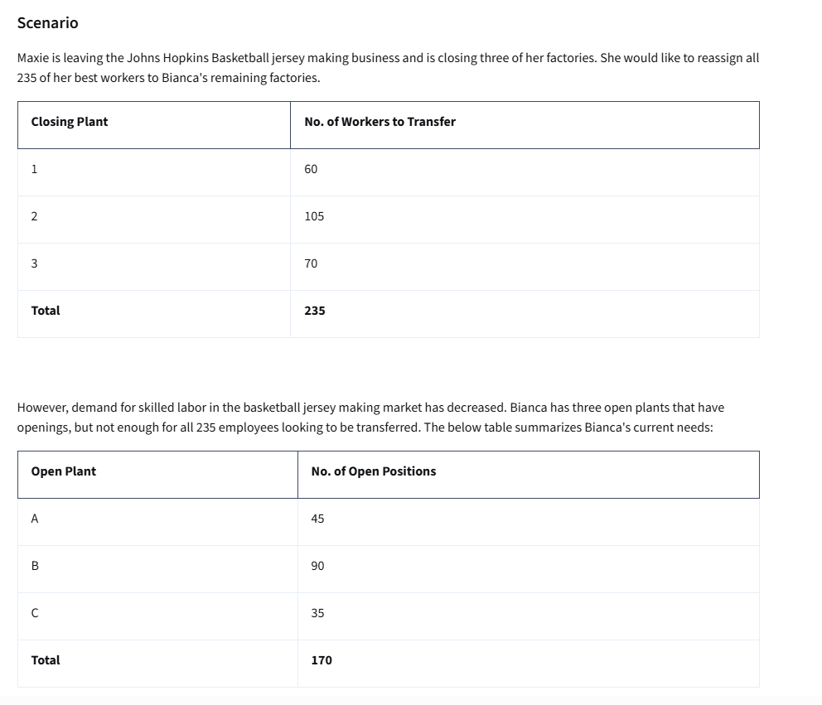
Closing Plant | No. of Workers to Transfer
1 | 60
2 | 105
3 | 70
Total | 235

Open Plant | No. of Open Positions
A | 45
B | 90
C | 35
Total | 170

 | To:
From: | A | B | C
1 | 5 | 8 | 6
2 | 10 | 9 | 12
3 | 7 | 6 | 10

Number of workers to assign | To:
From: | A | B | C |  |  | Available workers
1 | 0 | 60 | 0 | 60 | <= | 60
2 | 45 | 30 | 30 | 105 | <= | 105
3 | 0 | 0 | 5 | 5 | <= | 70
 | 45 | 90 | 35
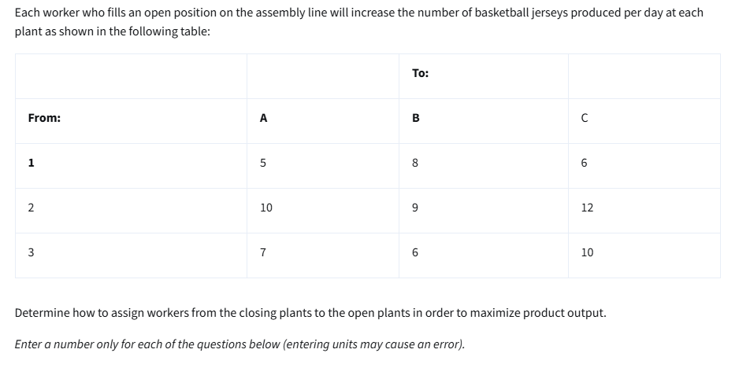
 | = | = | =
Available positions | 45 | 90 | 35

Objective (max)
Product output: | 1610

Bolsa de Cafe
Bolsa de Café example

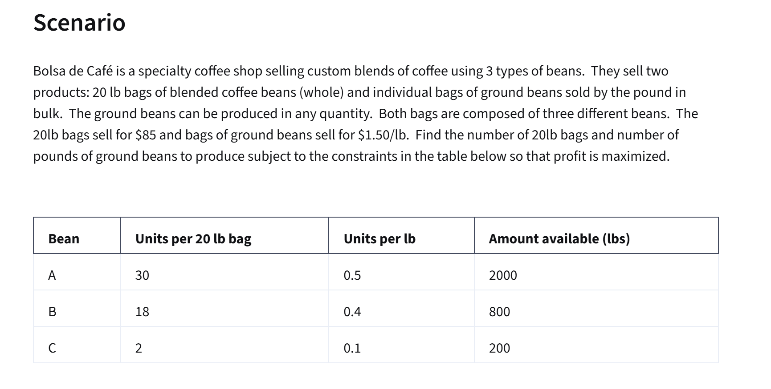
Variables: | No.of 20lb bags | lbs of grounded beans
 | 44.00 | 20.00
 | $85.00 | $1.50

Objective:(max)
Profit | 3770 | =SUMPRODUCT(B4:C4,B5:C5)

Constraints: |  |  | LHS | Sign | RHS
A | 30 | 0.5 | 1330 | <= | 2000 | =SUMPRODUCT($B$4:$C$4,B12:C12)
B | 18 | 0.4 | 800 | <= | 800 | =SUMPRODUCT($B$4:$C$4,B13:C13)
C | 2 | 0.1 | 90 | <= | 200 | =SUMPRODUCT($B$4:$C$4,B14:C14)

 | Summary Sentence:
 | Recommend producing 44 bags of whole beans and 20 lbs of grinded bean mix for a max profut of 3770 USD

Binary Investment
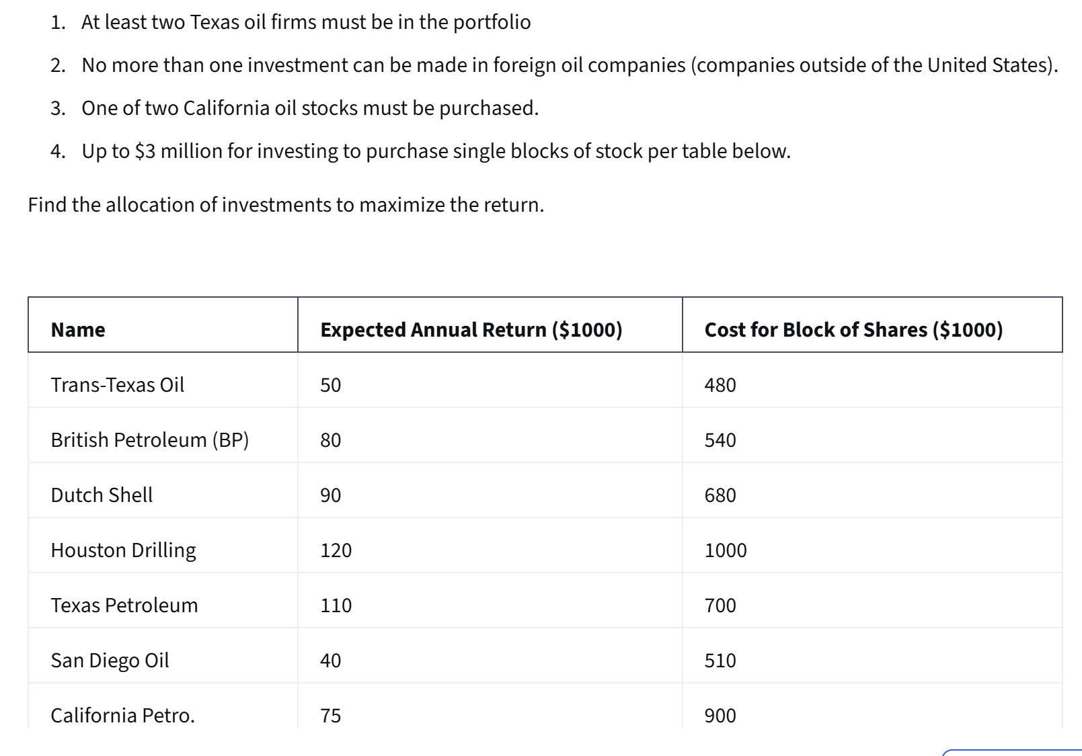
 |  |  |  |  |  |  |  |  |  | Binary = 0 or 1
 |  |  |  |  |  |  |  |  |  | 0 = no
 |  |  |  |  |  |  |  |  |  | 1 = yes

Variables: | X1 | X2 | X3 | X4 | X5 | X6 | X7
(0,1) | 0 | 0 | 1 | 1 | 1 | 1 | 0
 | 50 | 80 | 90 | 120 | 110 | 40 | 75

Objective(max):
Return | 360 |  |  |  | (000s) |  |  | =SUMPRODUCT(B11:H11,B12:H12)

Constraints: |  |  |  |  |  |  |  | LHS | Sign | RHS
at least 2 Texas | 1 |  |  | 1 | 1 |  |  | 2 | >= | 2
no more 1 foreign |  | 1 | 1 |  |  |  |  | 1 | <= | 1
California |  |  |  |  |  | 1 | 1 | 1 | = | 1
Budget | 480 | 540 | 680 | 1000 | 700 | 510 | 900 | 2890 | <= | 3000

Summary Sentence: Purchase X3 through X7 for return of 360 000 USD

Horizon Wireless
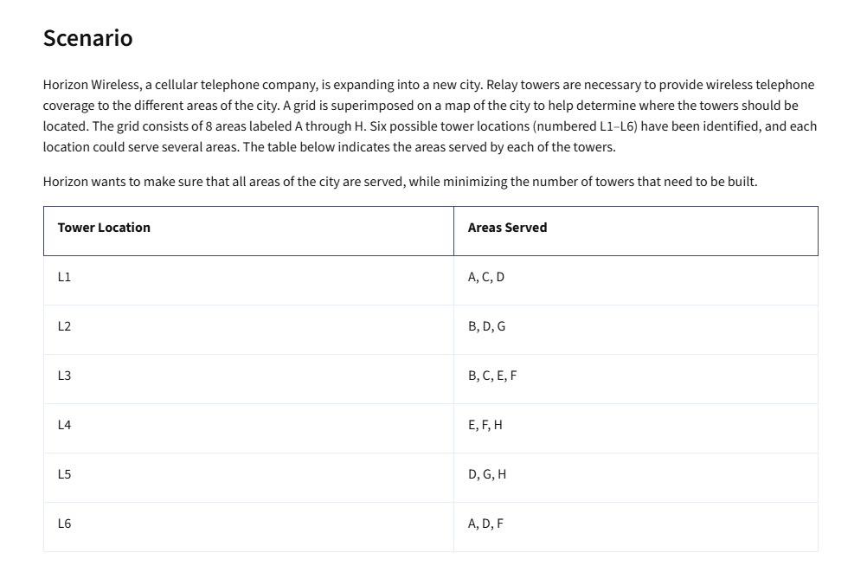
Variables: | L1 | L2 | L3 | L4 | L5 | L6
 | 1 | 0 | 1 | 0 | 1 | 0 |  | 0 = no, 1 = yes

Objective (min)
Number of towers: | 3

Constraints |  |  |  |  |  |  | LHS | Sign | RHS
A zone | 1 |  |  |  |  | 1 | 1 | >= | 1
B zone |  | 1 | 1 |  |  |  | 1 | >= | 1
C zone | 1 | 1 |  |  |  |  | 1 | >= | 1
D zone | 1 | 1 |  |  | 1 | 1 | 2 | >= | 1
E zone |  |  | 1 | 1 |  |  | 1 | >= | 1
F zone |  |  | 1 | 1 |  | 1 | 1 | >= | 1
G zone |  | 1 |  |  | 1 |  | 1 | >= | 1
H zone |  |  |  | 1 | 1 |  | 1 | >= | 1

Summary Sentence: At least three towers should be built in the locationL L1, L3 and L5

Non-Linear Template
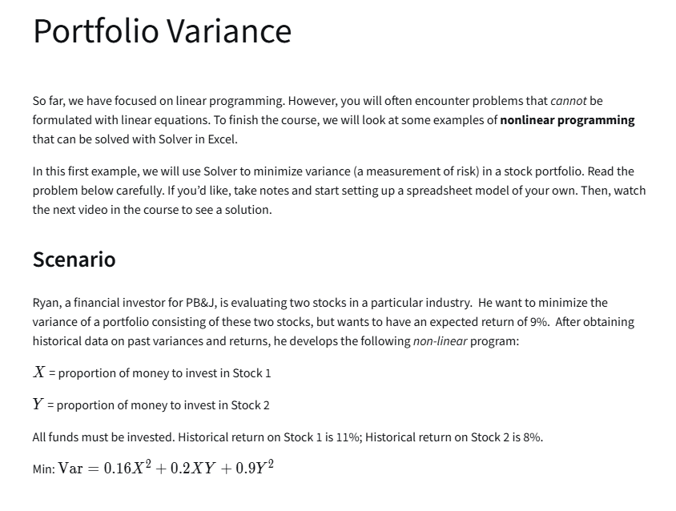
Non-linear Variance Example
 | X | Y
 | 93% | 7%

Non-linear Vars:
 | X^2 | XY | Y^2
Formulas: | 0.86533261804 | 0.064899943228 | 0.0048674955077
 | =B3^2 | =B3*C3 | =C3^2
 | 0.16 | 0.2 | 0.9

Objective (min):
Variance (risk): | 16%

Constraint: |  |  | LHS | Sign | RHS
all funds invetsed: | 1 | 1 | 100% | = | 100%
 | 11% | 8% | 11% | >= | 9%

Non-Linear Example 2
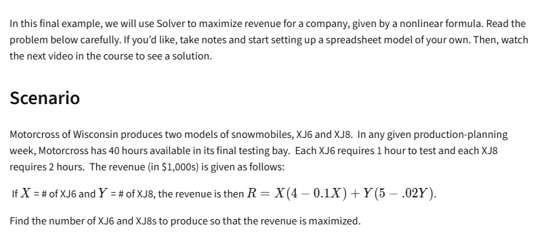
Variables: | X = XJ6 | Y = XJ8 | 4-0.1X | 5-0.02Y
 | 10 | 15 | 3.00 | 4.70

Objective (max):
Revenue | 100.5 | (00s)

Constraints: |  |  | LHS | Sign | RHS
Hours | 1 | 2 | 40 | <= | 40

Summary Sentence:
Produce 10 XJ6 and 15 XJ8 for a max revenue of 100,500 USD

NonLinear Assesment1
 | X = number of dog sold | P(x) = -0.0001*x+4
 | 16000 | 2.4

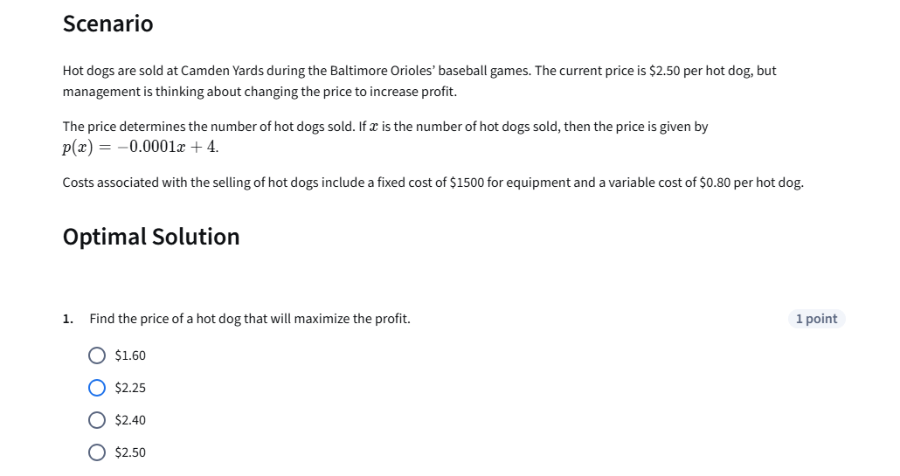
Costs:
Fixed | $1,500.00
Variable per hot dog sold | $0.80
Total cost: | 14300
Objectie (max)
Profit: | $24,100.00

Constraints: | None

Int Ass
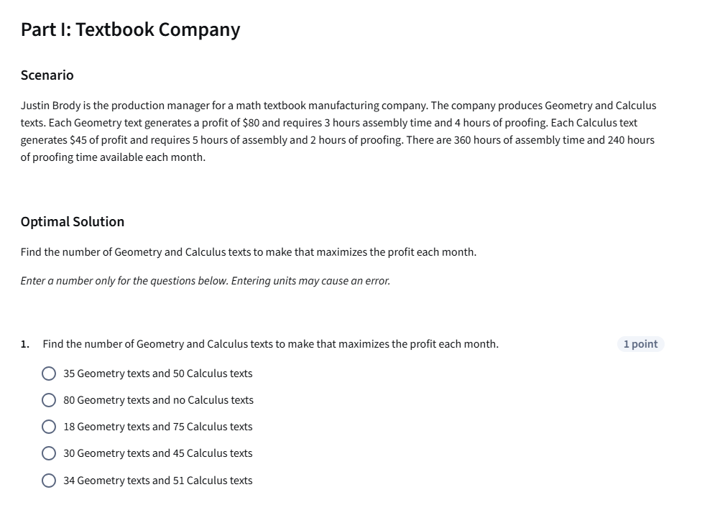
Variables: | Geometry text | Calculus text
 | 35 | 50
Profit per item | $80.00 | $45.00
Assembly (hours per item)
Proofing (hours per item)

Objective: (max)
Profit: | $5,050.00

Constraints: |  |  | LHS | Sign | RHS
360 hours of Assembly time | 3 | 5 | 355 | <= | 360
240 hours of proofing time | 4 | 2 | 240 | <= | 240

NLin As2
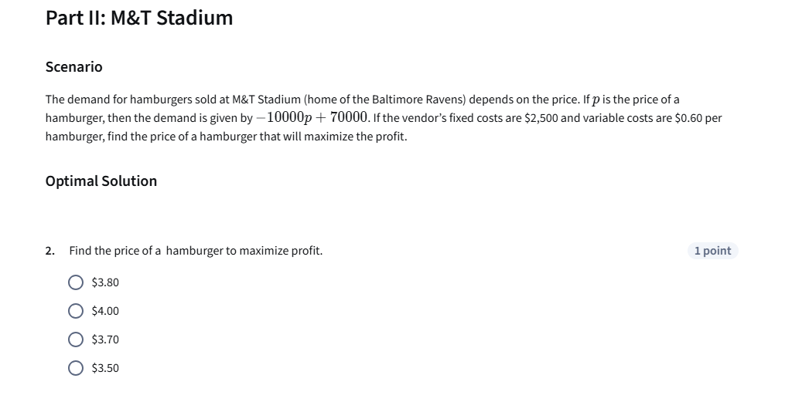
 | p
 | 3.7999999954

Demand | 32000.000046

Costs:
Fixed | $2,500.00
Variable (per item sold) | $0.60

Objective:(max)
Profit: | $99,900.00

