Elasticity_Data
How to run the elastic demand
1) Solve the reference case
- Run "a reference case", generally no constraint or tax on CO2 emissions. In this example case Demos_007 using the Properties Gropus ElasticDemand
- The Properties Groups ElasticDemand include the option "Write B Price for Elast Dem" (as shown in figure 1 and Figure 2 for the case Demos_007). This option is used to save the demand prices needed for the next run with elasti demands
In the DemoS_007 this option is already selected.
2) Build an alternative scenario with elasticity
- Including CO2 emission constraint or tax, etc
- The elastic demand is allowedd adding these parameters:
COM_ELAST: Elasticity of demand indicating how much the demand rises/falls in response to a unit change in the marginal cost of meeting a demand that is elastic. COM_VOC: Possible variation of demand in both directions when using the elastic demand formulation.
COM_STEP: Number of steps to use for the approximation of change of producer/consumer surplus when using the elastic demand formulation. (e.g. 10)
3) Solve the alternative scenarios
- Solve the alternative scenario with CO2 bound, for example DemoS_007a (Figure 3) include the two scenario ELC_CO2_BOUND and TRA_CO2_BOUND.
- Solve the alternative scenario with CO2 bound and elastic demand (e.g. DemoS_007b, Figure 4)
- To enable ealstic demand a GDX file with referrence case price (Demos_007) must be selected:
- Double click on the case name Demos_007b
- Click Open next to GDX References (see Figure 4 red circle)
- Click Open and from the tab Elastic Demands select Demos_007 (see Figure 5) and then update, Save and close
- Run the case Demos_007b
* update values and insert new parameters for elastic demands (new scenario)
 |  |  |  |  |  |  |  |  |  | Figure 1 |  |  | Figure 2 | Case Demos_007
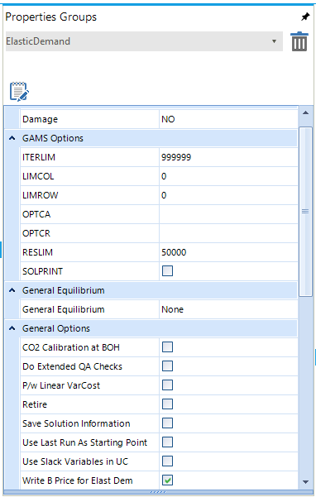
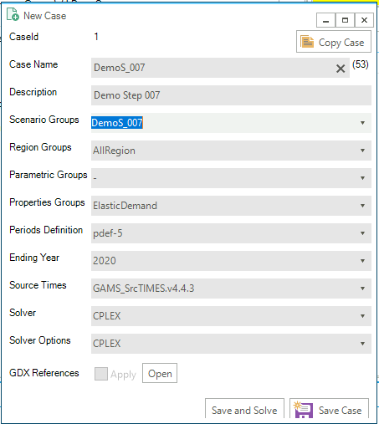
 | ~TFM_INS
 | TimeSlice | LimType | Attribute | Year | Cset_Set | Cset_CN | AllRegions
 |  | UP,LO | COM_VOC | 2006 | DEM |  | 0.15
 |  | UP,LO | COM_VOC | 2030 | DEM |  | 0.15
 |  | UP,LO | COM_VOC | 2050 | DEM |  | 0.30
 |  | UP,LO | COM_VOC | 0 | DEM |  | 5
 |  | UP,LO | COM_STEP | 2006,2050 | DEM |  | 10

 | ~TFM_INS
 | TimeSlice | LimType | Attribute | Year | Cset_Set | Cset_CN | AllRegions
 | ANNUAL | LO,UP | COM_ELAST | 2006 | DEM | DTCAR,DTPUB | -0.03
 | ANNUAL | LO | COM_ELAST | 2015 | DEM | DTCAR,DTPUB | -0.15
 | ANNUAL | UP | COM_ELAST | 2015 | DEM | DTCAR,DTPUB | -0.05
 | ANNUAL | LO | COM_ELAST | 2030 | DEM | DTCAR,DTPUB | -0.30
 | ANNUAL | UP | COM_ELAST | 2030 | DEM | DTCAR,DTPUB | -0.05
 | ANNUAL | LO,UP | COM_ELAST | 2006 | DEM | DRSH | -0.03
 | ANNUAL | LO | COM_ELAST | 2015 | DEM | DRSH | -0.50
 | ANNUAL | UP | COM_ELAST | 2015 | DEM | DRSH | -0.05
 | ANNUAL | LO,UP | COM_ELAST | 2006 | DEM | DRAP,DROT | -0.03
 | ANNUAL | LO | COM_ELAST | 2015 | DEM | DRAP,DROT | -0.30
 | ANNUAL | UP | COM_ELAST | 2015 | DEM | DRAP,DROT | -0.05
 | ANNUAL | LO,UP | COM_ELAST | 2006 | DEM | DCSH | -0.03
 | ANNUAL | LO | COM_ELAST | 2015 | DEM | DCSH | -0.50
 | ANNUAL | UP | COM_ELAST | 2015 | DEM | DCSH | -0.05
 | ANNUAL | LO,UP | COM_ELAST | 2006 | DEM | DCAP,DCOT | -0.03
 | ANNUAL | LO | COM_ELAST | 2015 | DEM | DCAP,DCOT | -0.30
 | ANNUAL | UP | COM_ELAST | 2015 | DEM | DCAP,DCOT | -0.05 | Figure 3 | Case Demos_007a with CO2 bound |  | Figure 4 | Case Demos_007b with CO2 bounds and elastic demand |  |  | Figure 5 GDX file selection for the elastic demand run
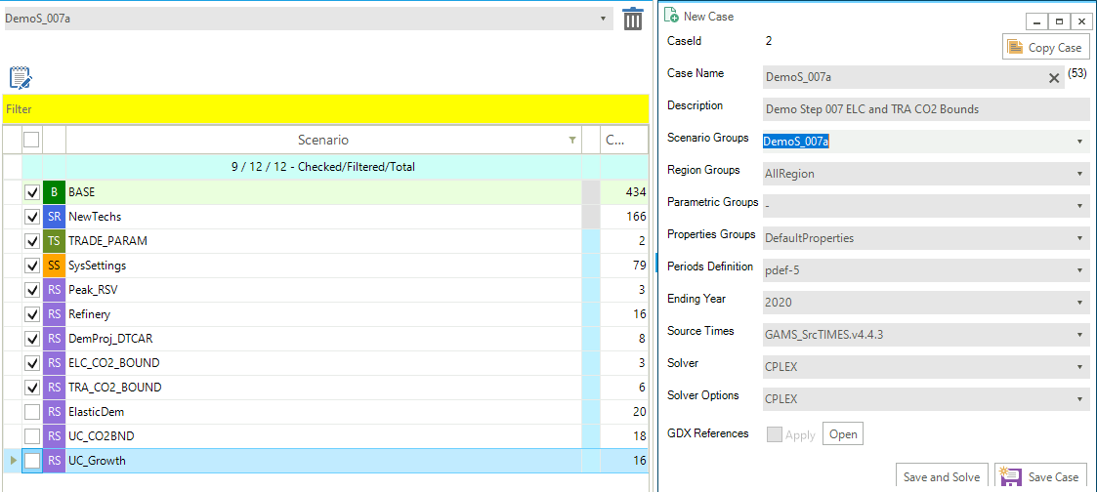
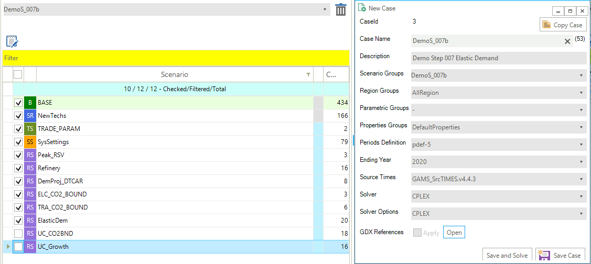
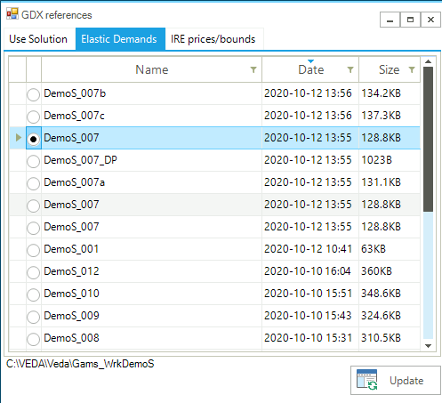
 | ANNUAL | LO,UP | COM_ELAST | 2006 | DEM | DAOT | -0.03
 | ANNUAL | LO | COM_ELAST | 2015 | DEM | DAOT | -0.30
 | ANNUAL | UP | COM_ELAST | 2015 | DEM | DAOT | -0.05
 | ANNUAL | LO,UP | COM_ELAST | 2006 | DEM | DIDM1 | -0.03
 | ANNUAL | LO | COM_ELAST | 2015 | DEM | DIDM1 | -0.30
 | ANNUAL | UP | COM_ELAST | 2015 | DEM | DIDM1 | -0.05
 | ANNUAL | LO,UP | COM_ELAST | 0 | DEM |  | 5.00

