EB2
 |  |  |  |  |  |  |  |  |  |  |  |  |  |  |  |  |  |  |  |  | Default Units | Currency | Activity | Emissions
 |  | COA | GAS | OIL | DSL | KER | LPG | GSL | NAP | HFO | OPP | NUC | BIO | HYD | WIN | SOL | SLU | HET | ELC |  |  | M€2005 | PJ | kt
 | REG2 | Solid Fuels | Natural Gas | Crude Oil | Diesel oil | Kerosenes | LPG | Motor spirit | Naphtha | Heavy Fuel Oil | Other Petroleum Products | Nuclear Energy | Biomass | Hydro power | Wind energy | Solar energy | Industrial Wastes | Derived Heat | Electricity | Total
 | PRIMARY
MIN | Domestic Supply | 2834 | 4740 | 2686 | 0 | 0 | 0 | 0 | 0 | 0 | 0 | 5445 | 754 | 503 | 490 | 126 | 0 | 0 | 0 | 17578
IMP | Imports | 2262 | 7975 | 13824 | 2205 | 605 | 326 | 660 | 683 | 1080 | 597 | 0 | 28 | 0 | 0 | 0 | 0 | 0 | 584 | 30829
EXP | Exports | -401 | -1510 | -1648 | -1683 | -295 | -195 | -1501 | -401 | -1239 | -453 | 0 | -18 | 0 | 0 | 0 | 0 | 0 | -563 | -9908
TPS | Total Primary Supply | 4695 | 11205 | 14862 | 522 | 310 | 132 | -841 | 282 | -160 | 144 | 5445 | 764 |  |  |  | 0 | 0 | 20 | 38499
 | CONVERSION
ESC | Energy Sector Consumption | -20 | -476 | 0 | -16 | 0 | -529 | -165 | -1 | -206 | 0 | 0 | -1 | 0 | 0 | 0 | -1 | 0 | 0 | -1414
ELC | Electricity Plants | -3359 | -3381 | 0 | -30 | 0 | -24 | 0 | 0 | -525 | -34 | -5445 | -176 | -503 | -490 | -68 | -16 | 869 | 5791 | -7392
HPL | Heat Plants | -56 | -181 | 0 | -8 | 0 | 0 | 0 | 0 | -15 | -2 | 0 | -35 | 0 | 0 | 0 | -1 | 329 | 0 | 31
REF | Petroleum Refineries | 0 | 0 | -15868 | 5701 | 969 | 1086 | 3355 | 970 | 2285 | 1300 | 0 | 0 | 0 | 0 | 0 | 0 | 0 | 0 | -201
 | Total Conversion | -3436 | -4038 | -15868 | 5647 | 969 | 533 | 3190 | 970 | 1539 | 1265 | -5445 | -212 |  |  |  | -18 | 1198 | 5791 | -8975

 | Data used in the template to buld the model

This share is used to split the total domestic production in more than one step. In this way it is possible to set up in the model a supply curve defined by the maximum production and cost
 |  | COA | GAS | OIL
 | Domestic Supply Curve Share - Step 1 | 75% | 50% | 80%
 | Domestic Supply Curve Share - Step 2 | 25% | 50% | 20%

RES_PRI
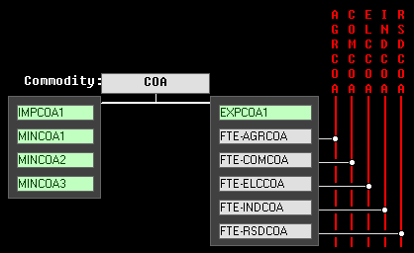
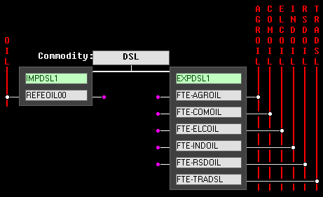
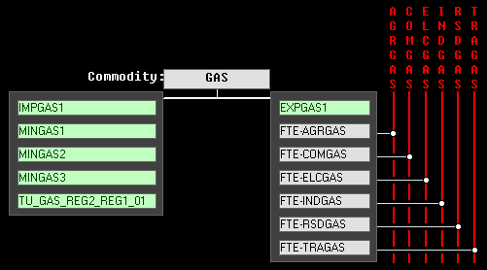
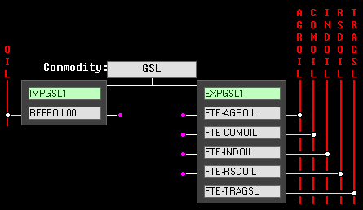
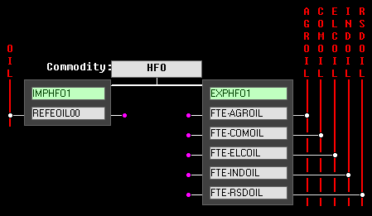
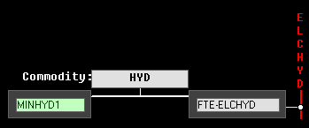
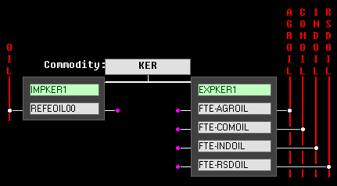
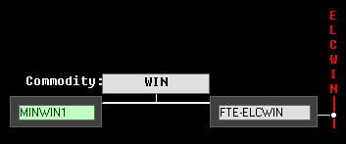
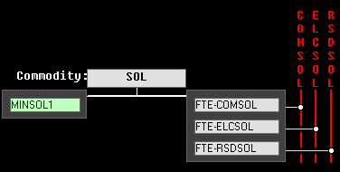
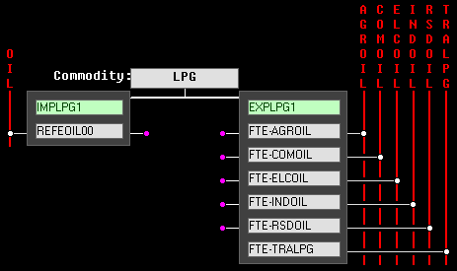
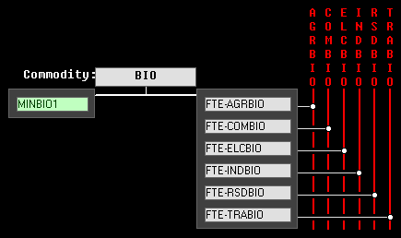
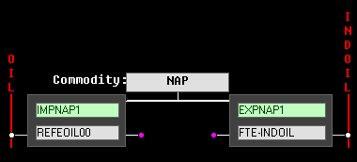
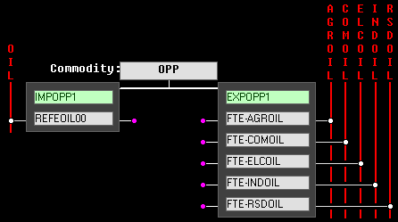
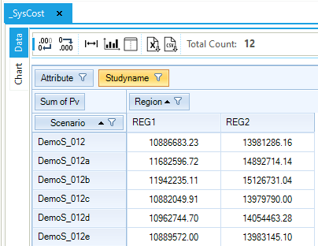
Objective Function by Scenario
_SysCost Result table

Run names:
DemoS_012
DemoS_012a
DemoS_012b
DemoS_012c
DemoS_012d
DemoS_012e

Reference Energy System

 | PRI template
 | Primary Supply (Mining, Import/Export) | Conversion (Refinery)
 |  | Petroleoum Products Imp/Exp

Pri_COA
Sector Name | Commodity | Description | Default Unit | Currency Unit
 | COA | Solid Fuels | PJ | M€2005 |  | ~FI_Comm
 |  |  |  |  |  | Csets | Region | CommName | CommDesc | Unit | LimType | CTSLvl | PeakTS | Ctype
 |  |  |  |  |  | *Commodity Set Membership | Region Name | Commodity Name | Commodity Description | Unit | Sense of the Balance EQN. | Timeslice Level | Peak Monitoring | Electricity Indicator
 |  |  |  |  |  | NRG |  | COA | Solid Fuels | PJ

 |  | ~FI_T |  |  |  | ~FI_Process
TechName | Comm-IN | Comm-OUT | CUM | COST | ACT_BND | Sets | Region | TechName | TechDesc | Tact | Tcap | Tslvl | PrimaryCG | Vintage
*Technology Name | Input Commodity | Output Commodity | Reserves Cumulative Value | Cost | Annual Production Bound | *Process Set Membership | Region Name | Technology Name | Technology Description | Activity Unit | Capacity Unit | TimeSlice level of Process Activity | Primary Commodity Group | Vintage Tracking
*Units |  |  | PJ | M€2005/PJ | PJ | *
MINCOA1 |  | COA | 80000 | 2.00 | 2126 | MIN |  | MINCOA1 | Domestic Supply of Solid Fuels Step 1 | PJ | PJa
MINCOA2 |  | COA | 160000 | 2.50 | 709 |  |  | MINCOA2 | Domestic Supply of Solid Fuels Step 2 | PJ | PJa
MINCOA3 |  | COA | 0 | 3.00 | 0 |  |  | MINCOA3 | Domestic Supply of Solid Fuels Step 3 | PJ | PJa
IMPCOA1 |  | COA |  | 2.75 | 2262 | IMP |  | IMPCOA1 | Import of Solid Fuels Step 1 | PJ | PJa
EXPCOA1 | COA |  |  | 2.75 | 401 | EXP |  | EXPCOA1 | Export of Solid Fuels Step 1 | PJ | PJa

Declare coal an energy commodity (FI_COMM table) and define each supply option (FI_Process table).
Construct a 3-step domestic coal supply curve, along with and import and export option.

 | User inputs
 | Linked to the Energy Balance

Pri_GAS
Sector Name | Commodity | Description | Default Unit | Currency Unit
 | GAS | Natural Gas | PJ | M€2005 |  | ~FI_Comm
 |  |  |  |  |  | Csets | Region | CommName | CommDesc | Unit | LimType | CTSLvl | PeakTS | Ctype
 |  |  |  |  |  | *Commodity Set Membership | Region Name | Commodity Name | Commodity Description | Unit | Sense of the Balance EQN. | Timeslice Level | Peak Monitoring | Electricity Indicator
 |  |  |  |  |  | NRG |  | GAS | Natural Gas | PJ

 |  | ~FI_T |  |  |  | ~FI_Process
TechName | Comm-IN | Comm-OUT | CUM | COST | ACT_BND | Sets | Region | TechName | TechDesc | Tact | Tcap | Tslvl | PrimaryCG | Vintage
*Technology Name | Input Commodity | Output Commodity | Reserves Cumulative Value | Cost | Annual Production Bound | *Process Set Membership | Region Name | Technology Name | Technology Description | Activity Unit | Capacity Unit | TimeSlice level of Process Activity | Primary Commodity Group | Vintage Tracking
*Units |  |  | PJ | M€2005/PJ | PJ | *
MINGAS1 |  | GAS | 15000 | 3.60 | 2370 | MIN |  | MINGAS1 | Domestic Supply of Natural Gas Step 1 | PJ | PJa
MINGAS2 |  | GAS | 20000 | 4.14 | 2370 |  |  | MINGAS2 | Domestic Supply of Natural Gas Step 2 | PJ | PJa
MINGAS3 |  | GAS | 3000000 | 5.40 |  |  |  | MINGAS3 | Domestic Supply of Natural Gas Step 3 | PJ | PJa
IMPGAS1 |  | GAS |  | 4.50 |  | IMP |  | IMPGAS1 | Import of Natural Gas Step 1 | PJ | PJa
EXPGAS1 | GAS |  |  | 4.50 | 1510 | EXP |  | EXPGAS1 | Export of Natural Gas Step 1 | PJ | PJa

Declare gas an energy commodity (FI_COMM table) and define each supply option (FI_Process table).
Construct a 3-step domestic gas supply curve, along with and import and export option.

 | User inputs
 | Linked to the Energy Balance

Pri_OIL
Sector Name | Commodity | Description | Default Unit | Currency Unit
 | OIL | Crude Oil | PJ | M€2005 |  | ~FI_Comm
 |  |  |  |  |  | Csets | Region | CommName | CommDesc | Unit | LimType | CTSLvl | PeakTS | Ctype
 |  |  |  |  |  | *Commodity Set Membership | Region Name | Commodity Name | Commodity Description | Unit | Sense of the Balance EQN. | Timeslice Level | Peak Monitoring | Electricity Indicator
 |  |  |  |  |  | NRG |  | OIL | Crude Oil | PJ

 |  | ~FI_T |  |  |  | ~FI_Process
TechName | Comm-IN | Comm-OUT | CUM | COST | ACT_BND | Sets | Region | TechName | TechDesc | Tact | Tcap | Tslvl | PrimaryCG | Vintage
*Technology Name | Input Commodity | Output Commodity | Reserves Cumulative Value | Cost | Annual Production Bound | *Process Set Membership | Region Name | Technology Name | Technology Description | Activity Unit | Capacity Unit | TimeSlice level of Process Activity | Primary Commodity Group | Vintage Tracking
*Units |  |  | PJ | M€2005/PJ | PJ | *
MINOIL1 |  | OIL | 12000 | 6.40 | 2149 | MIN |  | MINOIL1 | Domestic Supply of Crude Oil Step 1 | PJ | PJa
MINOIL2 |  | OIL | 10000 | 7.36 | 537 |  |  | MINOIL2 | Domestic Supply of Crude Oil Step 2 | PJ | PJa
MINOIL3 |  | OIL | 1200000 | 9.60 |  |  |  | MINOIL3 | Domestic Supply of Crude Oil Step 3 | PJ | PJa
IMPOIL1 |  | OIL |  | 8.00 |  | IMP |  | IMPOIL1 | Import of Crude Oil Step 1 | PJ | PJa
EXPOIL1 | OIL |  |  | 8.00 | 1648 | EXP |  | EXPOIL1 | Export of Crude Oil Step 1 | PJ | PJa

Declare oil an energy commodity (FI_COMM table) and define each supply option (FI_Process table).
Construct a 3-step domestic oil supply curve, along with and import and export option.

 | User inputs
 | Linked to the Energy Balance

Pri_RNW
Sector Name | Commodity | Description | Default Unit | Currency Unit
 | BIO | Biomass | PJ | M€2005 | ~FI_Comm
 | HYD | Hydro power | PJ |  | Csets | Region | CommName | CommDesc | Unit | LimType | CTSLvl | PeakTS | Ctype
 | WIN | Wind energy | PJ |  | *Commodity Set Membership | Region Name | Commodity Name | Commodity Description | Unit | Sense of the Balance EQN. | Timeslice Level | Peak Monitoring | Electricity Indicator
 | SOL | Solar energy | PJ |  | NRG |  | BIO | Biomass | PJ
 |  |  |  |  |  |  | HYD | Hydro power | PJ
 |  |  |  |  |  |  | WIN | Wind energy | PJ
 |  |  |  |  |  |  | SOL | Solar energy | PJ

 |  | ~FI_T |  |  | ~FI_Process
TechName | Comm-IN | Comm-OUT | COST | ACT_BND | Sets | Region | TechName | TechDesc | Tact | Tcap | Tslvl | PrimaryCG | Vintage
*Technology Name | Input Commodity | Output Commodity | Cost | Annual Production Bound | *Process Set Membership | Region Name | Technology Name | Technology Description | Activity Unit | Capacity Unit | TimeSlice level of Process Activity | Primary Commodity Group | Vintage Tracking
*Units |  |  | M€2005/PJ | PJ | *
MINBIO1 |  | BIO | 3.10 |  | MIN |  | MINBIO1 | Domestic Supply of Biomass Step 1 | PJ | PJa
MINHYD1 |  | HYD |  |  |  |  | MINHYD1 | Domestic Supply of Hydro power Step 1 | PJ | PJa
MINWIN1 |  | WIN |  |  |  |  | MINWIN1 | Domestic Supply of Wind energy Step 1 | PJ | PJa
MINSOL1 |  | SOL |  |  |  |  | MINSOL1 | Domestic Supply of Solar energy Step 1 | PJ | PJa

Declare reneable an energy commodity (FI_COMM table) and define each supply option (FI_Process table).
Construct a technology to make available the renewable commodity.
 | User inputs
 | Linked to the Energy Balance

Pri_NUC
Sector Name | Commodity | Description | Default Unit | Currency Unit
 | NUC | Nuclear Energy | PJ | M€2005 | ~FI_Comm
 |  |  |  |  | Csets | Region | CommName | CommDesc | Unit | LimType | CTSLvl | PeakTS | Ctype
 |  |  |  |  | *Commodity Set Membership | Region Name | Commodity Name | Commodity Description | Unit | Sense of the Balance EQN. | Timeslice Level | Peak Monitoring | Electricity Indicator
 |  |  |  |  | NRG |  | NUC | Nuclear Energy | PJ

 |  | ~FI_T |  |  | ~FI_Process
TechName | Comm-IN | Comm-OUT | COST | ACT_BND | Sets | Region | TechName | TechDesc | Tact | Tcap | Tslvl | PrimaryCG | Vintage
*Technology Name | Input Commodity | Output Commodity | Cost | Annual Production Bound | *Process Set Membership | Region Name | Technology Name | Technology Description | Activity Unit | Capacity Unit | TimeSlice level of Process Activity | Primary Commodity Group | Vintage Tracking
*Units |  |  | M€2005/PJ | PJ | *
MINNUC1 |  | NUC | 0.25 |  | MIN |  | MINNUC1 | Domestic Supply of Nuclear Energy Step 1 | PJ | PJa

Declare nuclear an energy commodity (FI_COMM table) and define each supply option (FI_Process table).
Construct a technology to make available the nuclear commodity.

 | User inputs
 | Linked to the Energy Balance

Pri_PP
Sector Name | Commodity | Description | Default Unit | Currency Unit
PRI | DSL | Diesel oil | PJ | M€2005 | ~FI_Comm
 | KER | Kerosenes | PJ |  | Csets | Region | CommName | CommDesc | Unit | LimType | CTSLvl | PeakTS | Ctype
 | LPG | LPG | PJ |  | *Commodity Set Membership | Region Name | Commodity Name | Commodity Description | Unit | Sense of the Balance EQN. | Timeslice Level | Peak Monitoring | Electricity Indicator
 | GSL | Motor spirit | PJ |  | NRG |  | DSL | Diesel oil | PJ
 | NAP | Naphtha | PJ |  |  |  | KER | Kerosenes | PJ
 | HFO | Heavy Fuel Oil | PJ |  |  |  | LPG | LPG | PJ
 | OPP | Other Petroleum Products | PJ |  |  |  | GSL | Motor spirit | PJ
 |  |  |  |  |  |  | NAP | Naphtha | PJ
 |  |  |  |  |  |  | HFO | Heavy Fuel Oil | PJ
 |  |  |  |  |  |  | OPP | Other Petroleum Products | PJ

 |  | ~FI_T |  |  | ~FI_Process
TechName | Comm-IN | Comm-OUT | COST | ACT_BND | Sets | Region | TechName | TechDesc | Tact | Tcap | Tslvl | PrimaryCG | Vintage
*Technology Name | Input Commodity | Output Commodity | Cost | Annual Production Bound | *Process Set Membership | Region Name | Technology Name | Technology Description | Activity Unit | Capacity Unit | TimeSlice level of Process Activity | Primary Commodity Group | Vintage Tracking
*Units |  |  | M€2005/PJ | PJ | *
IMPDSL1 |  | DSL | 10.40 |  | IMP |  | IMPDSL1 | Import of Diesel oil Step 1 | PJ
IMPKER1 |  | KER | 11.20 |  |  |  | IMPKER1 | Import of Kerosenes Step 1 | PJ
IMPLPG1 |  | LPG | 8.80 |  |  |  | IMPLPG1 | Import of LPG Step 1 | PJ
IMPGSL1 |  | GSL | 11.20 |  |  |  | IMPGSL1 | Import of Motor spirit Step 1 | PJ
IMPNAP1 |  | NAP | 8.40 |  |  |  | IMPNAP1 | Import of Naphtha Step 1 | PJ
IMPHFO1 |  | HFO | 8.40 |  |  |  | IMPHFO1 | Import of Heavy Fuel Oil Step 1 | PJ
IMPOPP1 |  | OPP | 8.40 |  |  |  | IMPOPP1 | Import of Other Petroleum Products Step 1 | PJ
EXPDSL1 | DSL |  | 10.30 | 1683 | EXP |  | EXPDSL1 | Export of Diesel oil Step 1 | PJ
EXPKER1 | KER |  | 11.09 | 295 |  |  | EXPKER1 | Export of Kerosenes Step 1 | PJ
EXPLPG1 | LPG |  | 8.71 | 195 |  |  | EXPLPG1 | Export of LPG Step 1 | PJ
EXPGSL1 | GSL |  | 11.09 | 1501 |  |  | EXPGSL1 | Export of Motor spirit Step 1 | PJ
EXPNAP1 | NAP |  | 8.32 | 401 |  |  | EXPNAP1 | Export of Naphtha Step 1 | PJ
EXPHFO1 | HFO |  | 8.32 | 1239 |  |  | EXPHFO1 | Export of Heavy Fuel Oil Step 1 | PJ
EXPOPP1 | OPP |  | 8.32 | 453 |  |  | EXPOPP1 | Export of Other Petroleum Products Step 1 | PJ

Declare petroleoum products an energy commodity (FI_COMM table) and define each supply option (FI_Process table).
Construct an import and export option for each petroleoum product..
 | User inputs
 | Linked to the Energy Balance

Pri_ELC
Sector Name | Commodity | Description | Default Unit | Currency Unit
PRI | ELC | Electricity | PJ | M€2005 | ~FI_Comm
 |  |  |  |  | Csets | Region | CommName | CommDesc | Unit | LimType | CTSLvl | PeakTS | Ctype
 |  |  |  |  | *Commodity Set Membership | Region Name | Commodity Name | Commodity Description | Unit | Sense of the Balance EQN. | Timeslice Level | Peak Monitoring | Electricity Indicator

ELC commodity is already declared in the ELC workbook. Commodities might be declared only one time and if declared in a base year template (VT files) will be available fro all templates .

 |  | ~FI_T |  |  | ~FI_Process
TechName | Comm-IN | Comm-OUT | COST | ACT_BND | Sets | Region | TechName | TechDesc | Tact | Tcap | Tslvl | PrimaryCG | Vintage
*Technology Name | Input Commodity | Output Commodity | Cost | Annual Production Bound | *Process Set Membership | Region Name | Technology Name | Technology Description | Activity Unit | Capacity Unit | TimeSlice level of Process Activity | Primary Commodity Group | Vintage Tracking
*Units |  |  | M€2005/PJ | PJ | *
IMPELC1 |  | ELC | 5.38 | 584 | IMP |  | IMPELC1 | Import of Electricity Step 1 | PJ |  | DAYNITE
EXPELC1 | ELC |  | 6.00 | 563 | EXP |  | EXPELC1 | Export of Electricity Step 1 | PJ |  | DAYNITE

Declare electricity commodity (FI_COMM table) and define each supply option (FI_Process table).
Construct an import and export option for electricity.
 | User inputs
 | Linked to the Energy Balance

Con_REF
Sector Name | Description | Type | Activity Unit | Capacity unit | Currency Unit | Existing
REF | Refinery | Refinery | PJ | Pja | M€2005 | E | ~FI_Comm
 |  |  |  |  |  |  | Csets | Region | CommName | CommDesc | Unit | LimType | CTSLvl | PeakTS | Ctype
 |  |  |  |  |  |  | *Commodity Set Membership | Region Name | Commodity Name | Commodity Description | Unit | Sense of the Balance EQN. | Timeslice Level | Peak Monitoring | Electricity Indicator

 |  | ~FI_T |  |  |  |  | ~FI_Process
TechName | Comm-IN | Comm-OUT | Share-O~UP | EFF | ACT_BND |  | Sets | Region | TechName | TechDesc | Tact | Tcap | Tslvl | PrimaryCG | Vintage
*Technology Name | Input Commodity | Output Commodity | Output Share | Efficiency | Activity Bound |  | *Process Set Membership | Region Name | Technology Name | Technology Description | Activity Unit | Capacity Unit | TimeSlice level of Process Activity | Primary Commodity Group | Vintage Tracking
*Units |  |  | Pja |  |  |  | *
REFEOIL00 | OIL | DSL | 36% | 1.01 | 15667 |  | PRE |  | REFEOIL00 | Refinery Existing00 | PJ | Pja |  | NRGI
 |  | KER | 6%
 |  | LPG | 7%
 |  | GSL | 21%
 |  | NAP | 6%
 |  | HFO | 15%
 |  | OPP | 8%

Declare REFCO2 an environmental commodity (FI_COMM table) and define the refinery option (FI_Process table).
Construct a refinery technology to convert oil in petroleoum products.

 | User inputs
 | Linked to the Energy Balance

TOTCO2
~COMAGG
CommName | AGRCO2 | COMCO2 | RSDCO2 | ELCCO2 | TRACO2 | INDCO2
TOTCO2 | 1 | 1 | 1 | 1 | 1 | 1

~FI_Comm
Csets | Region | CommName | CommDesc | Unit | LimType | CTSLvl | PeakTS | Ctype
*Commodity Set Membership | Region Name | Commodity Name | Commodity Description | Unit | Sense of the Balance EQN. | Timeslice Level | Peak Monitoring | Electricity Indicator
ENV |  | TOTCO2 | Total CO2 | kt

~COMAGG is used to define an aggregated commodity, TOTCO2 in this example, multiplying the sectoral emissions by a coefficient 1 (cells C1:H1). It is possible to add more aggregated commodities and change multipliers.

