Background
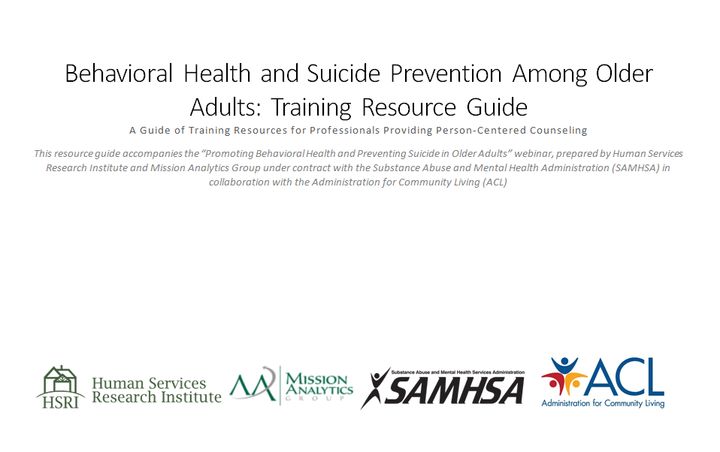

Guide to Workbook
Technical Guide: Training Resources for Professionals Providing Person Centered Counseling
This workbook functions as an alternative to a Word document resource guide created by the Human Services Research Institute (HSRI) and Mission Analytics Group on behalf of SAMHSA in collaboration with ACL. Each tab in the workbook covers a different topic area of resources. The resource guide is intended for use alongside the Promoting Behavioral Health and Preventing Suicide in Older Adults training webinar. It contains corresponding module numbers to help users identify training modules that might be useful to them. Resources are geared toward various audiences, ranging from social service professionals to caregivers and administrative staff at resource centers. Resources also vary in the proficiency levels necessary to use them. The user is encouraged to access any resource that may be of interest.
All sheets in this resource collection contain 9 columns. Users can choose to sort the resources in each sheet based on attributes listed below. Each sheet is protected so as to prevent accidental deletion or alteration of resource links. The user may choose to filter a sheet by selecting the arrow in any attribute field. In order to activate sorting capability for a given sheet, navigate to the "Review" tab and select "Unprotect Sheet."
1. Resource: Contains resource name and link to web location.
2. Description: Short description of the resource.
3. Type: The type of the resource (webinar, collection etc.).
4. Source: Author/organization name and web link to source website.
5. Date: When the resource was most recently updated.*
6. Format: Format in which the resource can be found (PDF, DVD, Web-Based, etc.).
7. Cost: Price of the resource (often free).
8. Corresponding Webinar Module: Module of Promoting Behavioral Health and Preventing Suicide in Older Adults webinar in which a reference to the resource can be found.
9. Notes: Any comments about the resource not captured in other columns.
Note that many resources are listed more than once per tab; this allows users to sort them according to multiple attributes. Many resources are also listed on more than one tab, as they cover multiple topic areas.
*The date field is blank if the resource has no authorship date.

