EXAMEN FINAL
EXAMEN FINAL

Cada punto a calificar se le asignará 0 si no se entregó, 0.5 si se entregó con errores y 1 si es correcto. La calificación del examen final es el promedio de todas las actividades del examen.

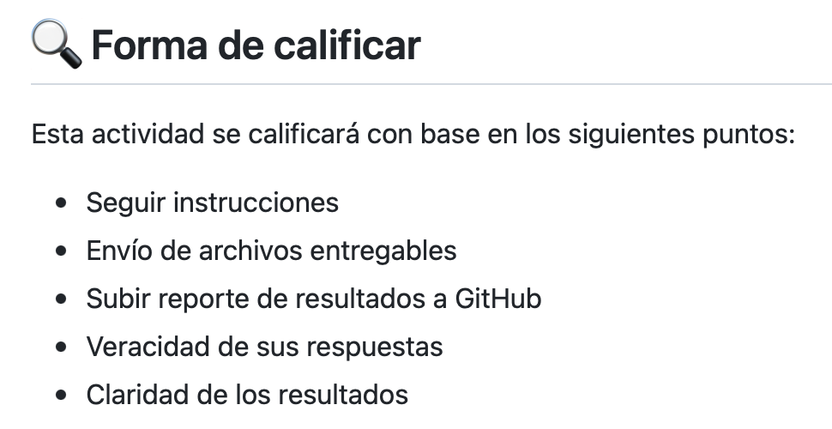
Actividad | Punto a calificar | Equipo 1 | Equipo 2 | Equipo 3 | Equipo 4 | Equipo 5
RESPUESTAS Veracidad y claridad de respuestas | Pregunta 1 | 1.0 | 1.0 | 1.0 | 0.0 | 0.5
 | Pregunta 2 | 1.0 | 1.0 | 1.0 | 0.0 | 0.5
 | Pregunta 3 | 1.0 | 1.0 | 1.0 | 0.0 | 0.5
 | Pregunta 4 | 1.0 | 1.0 | 1.0 | 0.0 | 0.5
 | Pregunta 5 | 1.0 | 1.0 | 1.0 | 0.0 | 0.5
 | Pregunta 6 | 1.0 | 1.0 | 1.0 | 0.0 | 1.0
GITHUB Subir reporte a GitHub | Reporte de resultados | 1.0 | 1.0 | 1.0 | 0.0 | 0.5
CORREO ELECTRONICO Envío de archivos entregables | Reporte detallado en Word | 1.0 | 0.0 | 1.0 | 0.0 | 1.0
 | Archivo de Excel | 1.0 | 0.0 | 1.0 | 0.0 | 1.0 | Link a instrucciones y detalle del examen final:
 | Gantt (en Project o PDF) | 1.0 | 0.5 | 1.0 | 0.0 | 0.5 | https://github.com/vcuspinera/UDG_MCD_Project_Dev_II/tree/main/final_exam
Calificación |  | 100 % | 75 % | 100 % | 0 % | 65 %

