Sheet1
State | ACU Count | Home Care Places | Residential Places | Restorative Care Places | Total ACU Capacity | Total Population | %HCP | %RP | %RCP | %Total ACU Capacity | %Popn Distribution | Ratio | Population/ACU | Intended # of ACU Capacities | 35 | 90
NSW | 1825 | 138 | 72560 | 1581 | 74279 | 2695373 | 12.67% | 33.43% | 32.36% | 33.30% | 32.35% | 0.97 | 36.287147108 | 2731.6571429 | 30.351746032 | 31
VIC | 1533 | 88 | 57162 | 1206 | 58456 | 2096751 | 8.08% | 26.33% | 24.69% | 26.21% | 25.16% | 0.96 | 35.868875736 | 1451.1714286 | 16.124126984 | 17
QLD | 1121 | 159 | 41416 | 927 | 42502 | 1662089 | 14.60% | 19.08% | 18.98% | 19.06% | 19.95% | 1.05 | 39.106136182 | 4986.2571429 | 55.402857143 | 56
WA | 535 | 212 | 18345 | 524 | 19081 | 834753 | 19.47% | 8.45% | 10.73% | 8.55% | 10.02% | 1.17 | 43.747864368 | 4769.0857143 | 52.98984127 | 53
SA | 444 | 111 | 19087 | 394 | 19592 | 649483 | 10.19% | 8.79% | 8.07% | 8.78% | 7.79% | 0.89 | 33.150418538 | -1035.3428571 | -11.503809524 | 0
TAS | 176 | 74 | 5193 | 129 | 5396 | 211885 | 6.80% | 2.39% | 2.64% | 2.42% | 2.54% | 1.05 | 39.267049666 | 657.85714286 | 7.3095238095 | 8
ACT | 72 | 0 | 2585 | 78 | 2663 | 120857 | 0.00% | 1.19% | 1.60% | 1.19% | 1.45% | 1.21 | 45.383777694 | 790.05714286 | 8.7784126984 | 9
NT | 88 | 307 | 719 | 46 | 1072 | 59423 | 28.19% | 0.33% | 0.94% | 0.48% | 0.71% | 1.48 | 55.431902985 | 625.8 | 6.9533333333 | 7
 |  |  |  |  |  |  |  |  |  |  |  |  |  |  |  | 181
State | ACU Count | Home Care Places | Residential Places | Restorative Care Places | Total ACU Capacity | Total Population | %HCP | %RP | %RCP | %Total ACU Capacity | %Popn Distribution | Ratio | ACU/Population | X in a 1000 has access to ACU | 20 |  | 1000 | Improvement in %s
NSW | 1825 | 138 | 72560 | 1581 | 74279 | 2695373 | 12.67% | 33.43% | 32.36% | 33.30% | 32.35% | 0.97 | 0.027557966931 | 27.557966931 | 24.258357 | 25 | 27.566966931 | 0.009
VIC | 1533 | 88 | 57162 | 1206 | 58456 | 2096751 | 8.08% | 26.33% | 24.69% | 26.21% | 25.16% | 0.96 | 0.027879323773 | 27.879323773 | 18.870759 | 19 | 27.888323773 | 0.009
QLD | 1121 | 159 | 41416 | 927 | 42502 | 1662089 | 14.60% | 19.08% | 18.98% | 19.06% | 19.95% | 1.05 | 0.025571434502 | 25.571434502 | 14.958801 | 15 | 25.580434502 | 0.009
WA | 535 | 212 | 18345 | 524 | 19081 | 834753 | 19.47% | 8.45% | 10.73% | 8.55% | 10.02% | 1.17 | 0.022858258671 | 22.858258671 | 54.258945 | 55 | 22.923258671 | 0.065
SA | 444 | 111 | 19087 | 394 | 19592 | 649483 | 10.19% | 8.79% | 8.07% | 8.78% | 7.79% | 0.89 | 0.030165531661 | 30.165531661 | 5.845347 | 6 | 30.174531661 | 0.009
TAS | 176 | 74 | 5193 | 129 | 5396 | 211885 | 6.80% | 2.39% | 2.64% | 2.42% | 2.54% | 1.05 | 0.025466644642 | 25.466644642 | 15.891375 | 16 | 25.541644642 | 0.075
ACT | 72 | 0 | 2585 | 78 | 2663 | 120857 | 0.00% | 1.19% | 1.60% | 1.19% | 1.45% | 1.21 | 0.022034305005 | 22.034305005 | 1.20857 | 2 | 22.044305005 | 0.01
NT | 88 | 307 | 719 | 46 | 1072 | 59423 | 28.19% | 0.33% | 0.94% | 0.48% | 0.71% | 1.48 | 0.018040152803 | 18.040152803 | 57.037 | 58 | 19 | 0.95
 |  |  |  |  |  |  |  |  |  |  |  |  |  |  |  | 196

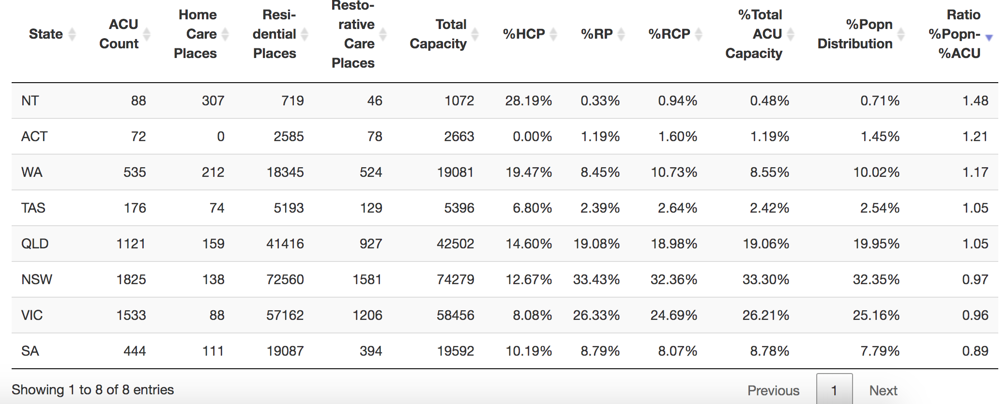
 | PROPOSED_ACU_CAPACITY = (NUM_IN_1K * POPULATION) - (1K * ACU)/1K
 | (PROPOSED_ACU_CAPACITY + CURRENT_ACU_CAPACITY)/POPULATION = NUM_IN_1K / 1K

