References
References

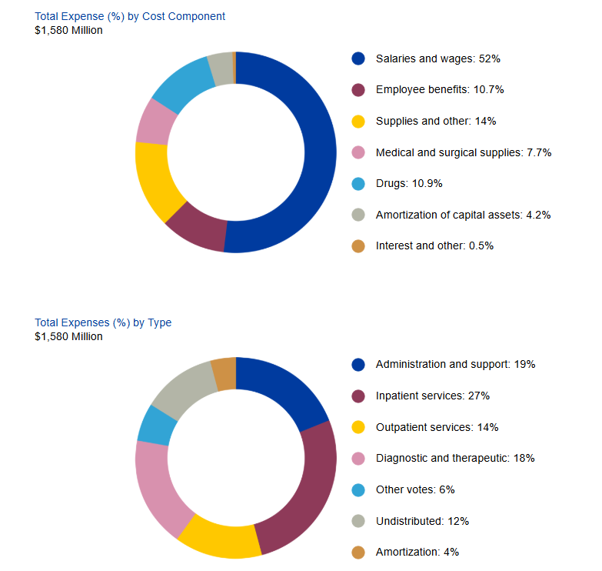
Health System Information Management Division. (n.d.). Health Data Branch. Retrieved July 6, 2025, from https://www.hsimi.ca/ Health System Information Management Division. (2024). Functional centre financial reports 2023–24. Health Data Branch. https://www.hsimi.ca/HIT/FCDisplay.aspx London Health Sciences Centre. (2023). Financials. London Health Sciences Centre Annual Report 2022–2023. https://www.lhsc.on.ca/doc/annual_report/2023/financials.html London Health Sciences Centre. (2024). Transforming health, together: London Health Sciences Centre 2023/2024 Annual Report. https://www.lhsc.on.ca/doc/annual_report/2024/index.html Government of Ontario, Ministry of Finance. (2024). 2024 Ontario budget. Government of Ontario. https://budget.ontario.ca/2024/index.html

