Лист1
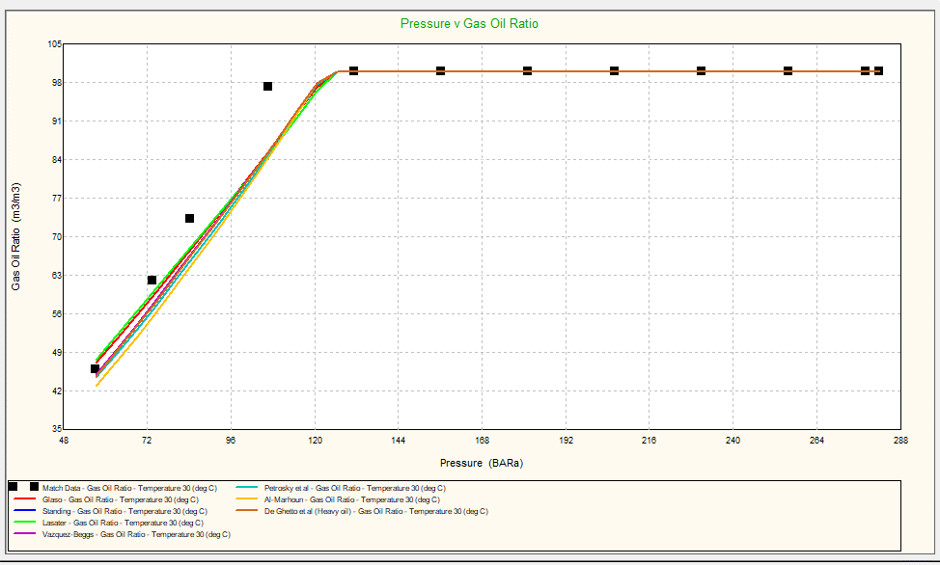
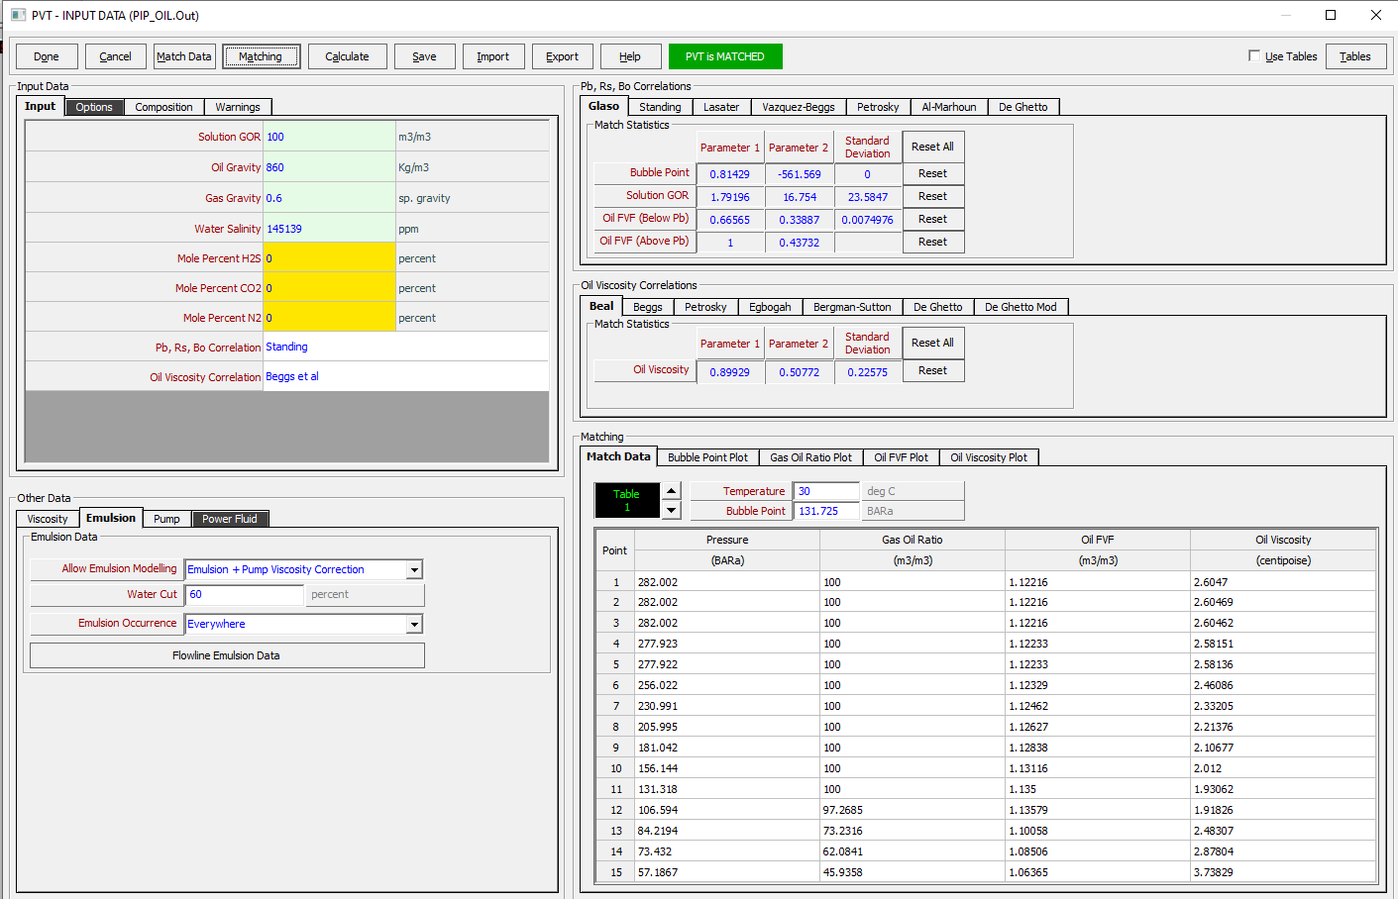
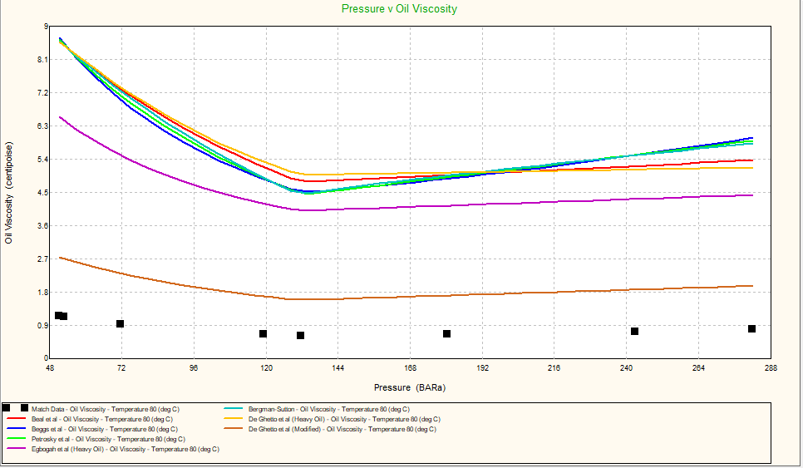
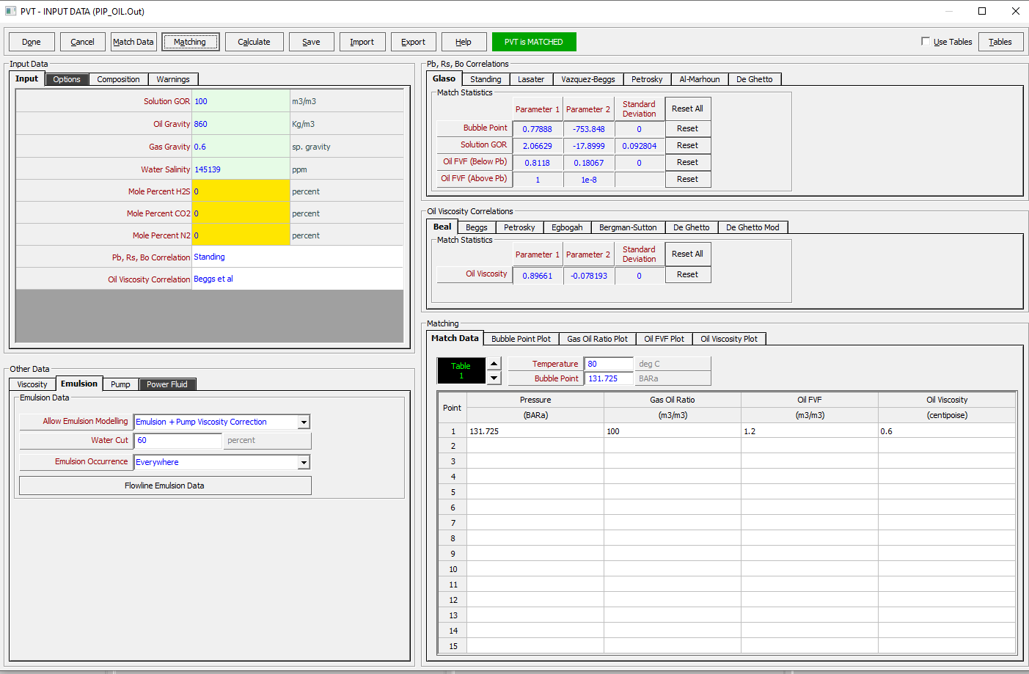
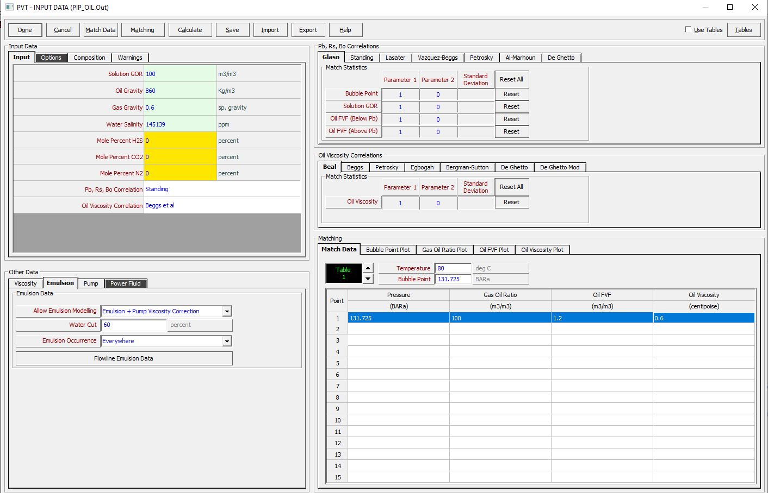
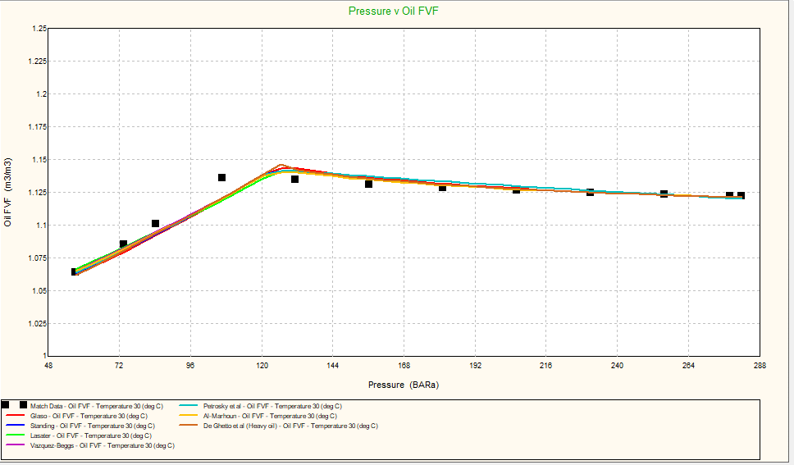
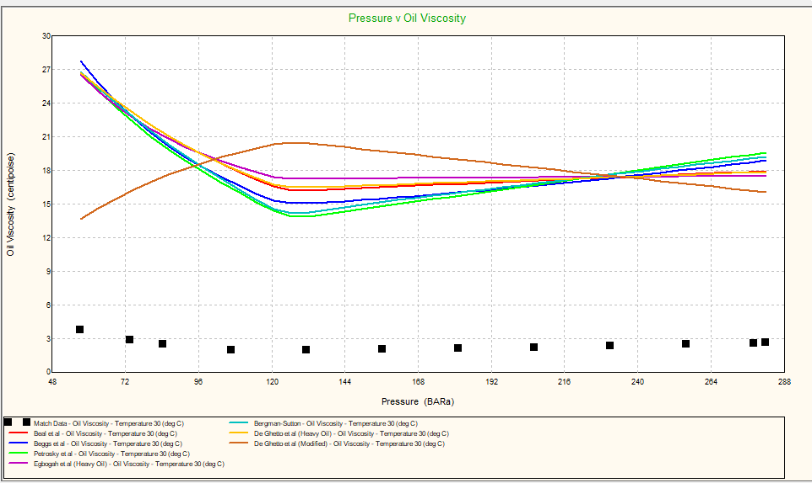
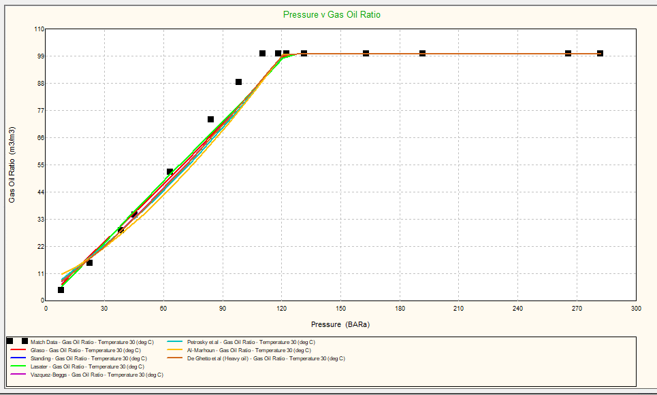
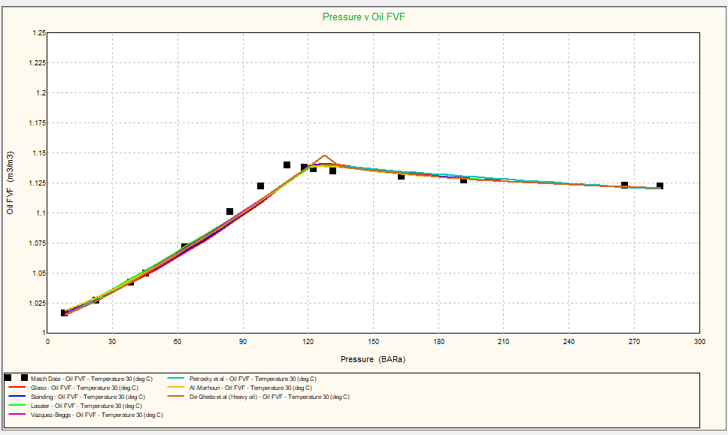
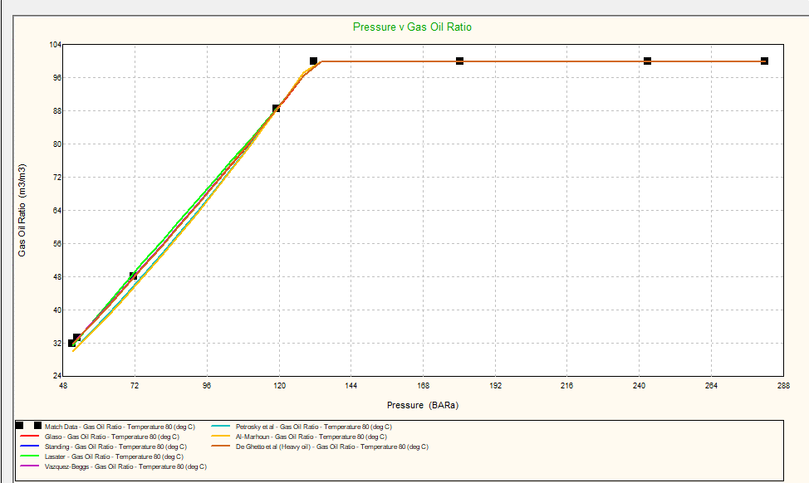
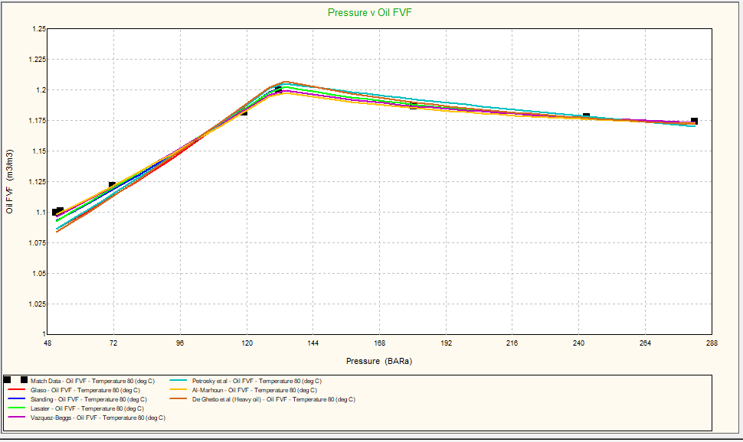
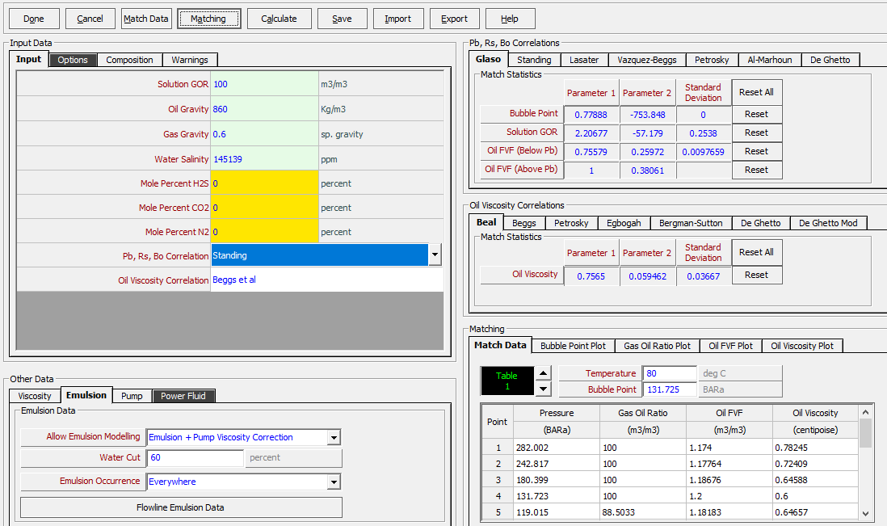
Match pvt only for bubble point pressure |  |  |  |  |  |  | PVT W/O any mathc |  |  |  |  |  |  | T | Match 15 val |  |  |  |  |  |  | T | Match 15 val another |  |  |  | bpp incl |  |  | T 80 |  |  | bpp incl
 |  |  |  |  |  |  |  |  |  |  |  |  |  | 30 |  |  |  |  |  |  |  | 30 |  |  |  |  |  |  |  | 10 points
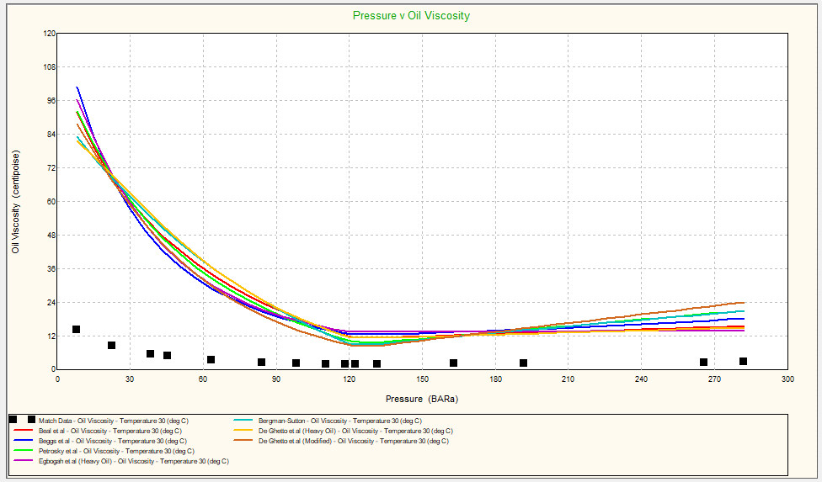

 |  |  |  |  |  |  |  |  |  |  |  |  |  |  |  |  |  |  |  |  |  |  |  |  |  |  |  |  |  |  |  |  |  |  |  |  | PIP
Pressure, bara | BPP, bara | GOR, m3/m3 | Oil density, kg/m3 | Oil Visc, centipoise | Oil FVF, m3/m3 | Temp | Temp | Pressure, bara | BPP, bara | GOR, m3/m3 | Oil density, kg/m3 | Oil Visc, centipoise | Oil FVF, m3/m3 |  | Temp | Pressure, bara | BPP, bara | GOR, m3/m3 | Oil density, kg/m3 | Oil Visc, centipoise | Oil FVF, m3/m3
1 | 102.624 | 0 | 860.03 | 135.775 | 1 | 30 | 30 | 1 | 168.782 | 0.69857 | 852.768 | 137.592 | 1.00912 |  | 30 | 1 | 102.624 | 8.30629 | 866.161 | 376.873 | 1 |  | Temp | Pressure, bara | BPP, bara | GOR, m3/m3 | Oil density, kg/m3 | Oil Visc, centipoise | Oil FVF, m3/m3 | Temp | Pressure, bara | BPP, bara | GOR, m3/m3 | Oil density, kg/m3 | Oil Visc, centipoise | Oil FVF, m3/m3 | 282.00 | 100.00 | 1.12 | 2.60 | 831.8106
2 | 102.624 | 0.448 | 860.355 | 131.827 | 1.00001 |  | 30 | 2 | 168.782 | 1.0083 | 852.508 | 134.907 | 1.0097 |  | 30 | 2 | 102.624 | 8.83313 | 866.55 | 367.791 | 1 |  | 30 | 1 | 102.624 | 4.63763 | 863.453 | 863.661 | 1 | 30 | 1 | 102.624 | 0 | 847.039 | 137.4 | 1.01534 | 282.00 | 100.00 | 1.12 | 2.60 | 831.8106
 | PVT W/O any mathc |  | Match pvt only for bubble point pressure |  | Match 15 val another |  | PIP
1 | 852.768 | 1 | 860.03 | 1 | 863.453 | 282.00 | 831.8106
2 | 852.508 | 2 | 860.355 | 2 | 863.866 | 282.00 | 831.8106
3 | 852.229 | 3 | 860.132 | 3 | 864.308 | 282.00 | 831.8103
4 | 851.937 | 4 | 859.898 | 4 | 864.769 | 277.92 | 831.69
5 | 851.633 | 5 | 859.652 | 5 | 865.248 | 277.92 | 831.6892
6 | 851.319 | 6 | 859.397 | 6 | 865.741 | 273.81 | 831.5644
7 | 850.995 | 7 | 859.131 | 7 | 866.247 | 269.70 | 831.435
8 | 850.663 | 8 | 858.856 | 8 | 866.765 | 265.59 | 831.3017
9 | 850.322 | 9 | 858.573 | 9 | 867.295 | 261.48 | 831.1642
10 | 849.973 | 10 | 858.281 | 10 | 867.834 | 257.37 | 831.0224
11 | 849.617 | 11 | 857.981 | 11 | 868.383 | 253.26 | 830.876
12 | 849.254 | 12 | 857.674 | 12 | 868.941 | 249.15 | 830.7249
13 | 848.885 | 13 | 857.358 | 13 | 869.507 | 245.05 | 830.5688
14 | 848.509 | 14 | 857.036 | 14 | 870.082 | 240.94 | 830.4073
15 | 848.127 | 15 | 856.706 | 15 | 870.663 | 236.84 | 830.2404
16 | 847.739 | 16 | 856.369 | 16 | 871.252 | 232.73 | 830.0676
17 | 847.345 | 17 | 856.026 | 17 | 871.561 | 228.63 | 829.8888
18 | 846.946 | 18 | 855.675 | 18 | 871.365 | 224.52 | 829.7034
19 | 846.541 | 19 | 855.318 | 19 | 871.163 | 220.42 | 829.5113
20 | 846.131 | 20 | 854.955 | 20 | 870.958 | 216.32 | 829.3121
21 | 845.716 | 21 | 854.586 | 21 | 870.747 | 212.22 | 829.1051
22 | 845.296 | 22 | 854.21 | 22 | 870.533 | 208.13 | 828.8902
23 | 844.871 | 23 | 853.828 | 23 | 870.313 | 204.03 | 828.6667
24 | 844.441 | 24 | 853.44 | 24 | 870.09 | 199.93 | 828.4342
25 | 844.007 | 25 | 853.047 | 25 | 869.862 | 195.84 | 828.1922
26 | 843.568 | 26 | 852.648 | 26 | 869.63 | 191.74 | 827.9399
27 | 843.125 | 27 | 852.243 | 27 | 869.394 | 187.65 | 827.6768
28 | 842.677 | 28 | 851.833 | 28 | 869.154 | 183.56 | 827.4021
29 | 842.226 | 29 | 851.417 | 29 | 868.91 | 179.47 | 827.1152
30 | 841.77 | 30 | 850.996 | 30 | 868.662 | 175.38 | 826.815
31 | 841.31 | 31 | 850.57 | 31 | 868.409 | 171.30 | 826.5008
32 | 840.846 | 32 | 850.138 | 32 | 868.153 | 167.21 | 826.1716
33 | 840.378 | 33 | 849.702 | 33 | 867.893 | 163.13 | 825.826
34 | 839.907 | 34 | 849.26 | 34 | 867.629 | 159.05 | 825.4632
35 | 839.432 | 35 | 848.814 | 35 | 867.362 | 154.97 | 825.0813
36 | 838.953 | 36 | 848.363 | 36 | 867.09 | 150.89 | 824.6795
37 | 838.47 | 37 | 847.907 | 37 | 866.815 | 146.82 | 824.2558
38 | 837.984 | 38 | 847.447 | 38 | 866.537 | 142.74 | 823.8081
39 | 837.494 | 39 | 846.982 | 39 | 866.254 | 138.67 | 823.3349
40 | 837.001 | 40 | 846.513 | 40 | 865.968 | 134.60 | 822.8334
41 | 836.505 | 41 | 846.039 | 41 | 865.679 | 130.54 | 822.3016
42 | 836.005 | 42 | 845.561 | 42 | 865.386 | 126.47 | 821.7361
43 | 835.502 | 43 | 845.078 | 43 | 865.09 | 122.41 | 821.1343
44 | 834.996 | 44 | 844.592 | 44 | 864.79 | 118.36 | 820.4921
45 | 834.487 | 45 | 844.101 | 45 | 864.487 | 114.30 | 819.8051
46 | 833.974 | 46 | 843.606 | 46 | 864.181 | 110.25 | 819.0694
47 | 833.459 | 47 | 843.108 | 47 | 863.871 | 106.22 | 820.2443
48 | 832.941 | 48 | 842.605 | 48 | 863.559 | 102.27 | 822.1491
49 | 832.419 | 49 | 842.098 | 49 | 863.242 | 98.43 | 823.9592
50 | 831.895 | 50 | 841.588 | 50 | 862.923 | 94.72 | 825.6668
...
 | PVT W/O any mathc |  | Match pvt only for bubble point pressure |  | Match 15 val another |  | PIP
1 | 137.592 | 1 | 135.775 | 1 | 863.661 | 282.00 | 2.60
2 | 134.907 | 2 | 131.827 | 2 | 837.711 | 282.00 | 2.60
3 | 132.135 | 3 | 127.123 | 3 | 811.408 | 282.00 | 2.60
4 | 129.348 | 4 | 122.523 | 4 | 785.451 | 277.92 | 2.58
5 | 126.57 | 5 | 118.062 | 5 | 760.053 | 277.92 | 2.58
6 | 123.817 | 6 | 113.762 | 6 | 735.344 | 273.81 | 2.56
7 | 121.101 | 7 | 109.632 | 7 | 711.407 | 269.70 | 2.54
8 | 118.43 | 8 | 105.677 | 8 | 688.288 | 265.59 | 2.51
9 | 115.811 | 9 | 101.897 | 9 | 666.008 | 261.48 | 2.49
10 | 113.247 | 10 | 98.2903 | 10 | 644.575 | 257.37 | 2.47
11 | 110.743 | 11 | 94.8514 | 11 | 623.981 | 253.26 | 2.45
12 | 108.299 | 12 | 91.575 | 12 | 604.212 | 249.15 | 2.42
13 | 105.917 | 13 | 88.4548 | 13 | 585.248 | 245.05 | 2.40
14 | 103.597 | 14 | 85.484 | 14 | 567.065 | 240.94 | 2.38
15 | 101.34 | 15 | 82.6555 | 15 | 549.634 | 236.84 | 2.36
16 | 99.1456 | 16 | 79.9624 | 16 | 532.929 | 232.73 | 2.34
17 | 97.0122 | 17 | 77.3979 | 17 | 516.92 | 228.63 | 2.32
18 | 94.9393 | 18 | 74.955 | 18 | 501.577 | 224.52 | 2.30
19 | 92.9258 | 19 | 72.6274 | 19 | 486.871 | 220.42 | 2.28
20 | 90.9705 | 20 | 70.4087 | 20 | 472.773 | 216.32 | 2.26
21 | 89.0721 | 21 | 68.293 | 21 | 459.255 | 212.22 | 2.24
22 | 87.2292 | 22 | 66.2747 | 22 | 446.291 | 208.13 | 2.22
23 | 85.4402 | 23 | 64.3483 | 23 | 433.853 | 204.03 | 2.20
24 | 83.7036 | 24 | 62.5088 | 24 | 421.917 | 199.93 | 2.19
25 | 82.0181 | 25 | 60.7513 | 25 | 410.459 | 195.84 | 2.17
26 | 80.382 | 26 | 59.0714 | 26 | 399.455 | 191.74 | 2.15
27 | 78.7938 | 27 | 57.4647 | 27 | 388.884 | 187.65 | 2.13
28 | 77.2521 | 28 | 55.9274 | 28 | 378.724 | 183.56 | 2.12
29 | 75.7553 | 29 | 54.4555 | 29 | 368.957 | 179.47 | 2.10
30 | 74.302 | 30 | 53.0456 | 30 | 359.563 | 175.38 | 2.08
31 | 72.8909 | 31 | 51.6943 | 31 | 350.524 | 171.30 | 2.07
32 | 71.5203 | 32 | 50.3985 | 32 | 341.823 | 167.21 | 2.05
33 | 70.1892 | 33 | 49.1553 | 33 | 333.444 | 163.13 | 2.04
34 | 68.896 | 34 | 47.962 | 34 | 325.373 | 159.05 | 2.02
35 | 67.6396 | 35 | 46.8159 | 35 | 317.593 | 154.97 | 2.01
36 | 66.4187 | 36 | 45.7146 | 36 | 310.093 | 150.89 | 1.99
37 | 65.2321 | 37 | 44.6558 | 37 | 302.859 | 146.82 | 1.98
38 | 64.0787 | 38 | 43.6374 | 38 | 295.879 | 142.74 | 1.97
39 | 62.9572 | 39 | 42.6573 | 39 | 289.141 | 138.67 | 1.95
40 | 61.8666 | 40 | 41.7137 | 40 | 282.634 | 134.60 | 1.94
41 | 60.806 | 41 | 40.8048 | 41 | 276.348 | 130.54 | 1.93
42 | 59.7741 | 42 | 39.9288 | 42 | 270.273 | 126.47 | 1.92
43 | 58.7702 | 43 | 39.0842 | 43 | 264.4 | 122.41 | 1.90
44 | 57.7932 | 44 | 38.2696 | 44 | 258.719 | 118.36 | 1.89
45 | 56.8423 | 45 | 37.4834 | 45 | 253.224 | 114.30 | 1.88
46 | 55.9165 | 46 | 36.7244 | 46 | 247.904 | 110.25 | 1.87
47 | 55.015 | 47 | 35.9913 | 47 | 242.754 | 106.22 | 1.93
48 | 54.137 | 48 | 35.283 | 48 | 237.765 | 102.27 | 2.01
49 | 53.2818 | 49 | 34.5982 | 49 | 232.932 | 98.43 | 2.09
50 | 52.4485 | 50 | 33.936 | 50 | 228.247 | 94.72 | 2.18
...
3 | 102.624 | 1.0143 | 860.132 | 127.123 | 1.00075 |  | 30 | 3 | 168.782 | 1.33992 | 852.229 | 132.135 | 1.01031 |  | 30 | 3 | 102.624 | 9.39721 | 866.966 | 358.496 | 1 |  | 30 | 2 | 102.624 | 5.19684 | 863.866 | 837.711 | 1 | 30 | 2 | 102.624 | 0.48549 | 846.849 | 133.077 | 1.01599 | 282.00 | 100.00 | 1.12 | 2.60 | 831.8103
4 | 102.624 | 1.60569 | 859.898 | 122.523 | 1.00153 |  | 30 | 4 | 168.782 | 1.68623 | 851.937 | 129.348 | 1.01096 |  | 30 | 4 | 102.624 | 9.98627 | 867.401 | 349.232 | 1 |  | 30 | 3 | 102.624 | 5.79557 | 864.308 | 811.408 | 1 | 30 | 3 | 102.624 | 1.05162 | 846.677 | 128.335 | 1.01669 | 277.92 | 100.00 | 1.12 | 2.58 | 831.69
 | PVT W/O any mathc |  | Match pvt only for bubble point pressure |  | Match 15 val another |  | PIP
1 | 0.69857 | 1 | 0 | 1 | 4.63763 | 282.00 | 100.00
2 | 1.0083 | 2 | 0.448 | 2 | 5.19684 | 282.00 | 100.00
3 | 1.33992 | 3 | 1.0143 | 3 | 5.79557 | 282.00 | 100.00
4 | 1.68623 | 4 | 1.60569 | 4 | 6.42082 | 277.92 | 100.00
5 | 2.04513 | 5 | 0 | 5 | 7.06881 | 277.92 | 100.00
6 | 2.41512 | 6 | 2.85043 | 6 | 7.73682 | 273.81 | 100.00
7 | 2.79504 | 7 | 3.49921 | 7 | 8.42275 | 269.70 | 100.00
8 | 3.18396 | 8 | 4.16337 | 8 | 9.12493 | 265.59 | 100.00
9 | 3.58115 | 9 | 4.84165 | 9 | 9.84204 | 261.48 | 100.00
10 | 3.98598 | 10 | 5.53297 | 10 | 0 | 257.37 | 100.00
11 | 4.39793 | 11 | 6.23646 | 11 | 0 | 253.26 | 100.00
12 | 4.81655 | 12 | 6.95135 | 12 | 12.0725 | 249.15 | 100.00
13 | 5.24146 | 13 | 7.67696 | 13 | 0 | 245.05 | 100.00
14 | 5.67231 | 14 | 8.41273 | 14 | 13.6176 | 240.94 | 100.00
15 | 6.1088 | 15 | 9.15812 | 15 | 14.4056 | 236.84 | 100.00
16 | 6.55066 | 16 | 9.91269 | 16 | 15.2034 | 232.73 | 100.00
17 | 6.99765 | 17 | 10.676 | 17 | 16.0104 | 228.63 | 100.00
18 | 7.44955 | 18 | 0 | 18 | 16.8263 | 224.52 | 100.00
19 | 7.90616 | 19 | 0 | 19 | 17.6507 | 220.42 | 100.00
20 | 0 | 20 | 13.015 | 20 | 18.4833 | 216.32 | 100.00
21 | 0 | 21 | 13.8099 | 21 | 19.3237 | 212.22 | 100.00
22 | 9.30251 | 22 | 14.612 | 22 | 20.1718 | 208.13 | 100.00
23 | 9.77629 | 23 | 15.4211 | 23 | 21.0272 | 204.03 | 100.00
24 | 10.254 | 24 | 16.2369 | 24 | 21.8897 | 199.93 | 100.00
25 | 0 | 25 | 17.0592 | 25 | 22.7591 | 195.84 | 100.00
26 | 0 | 26 | 17.8878 | 26 | 23.6351 | 191.74 | 100.00
27 | 0 | 27 | 18.7226 | 27 | 24.5177 | 187.65 | 100.00
28 | 0 | 28 | 19.5633 | 28 | 25.4066 | 183.56 | 100.00
29 | 0 | 29 | 20.4098 | 29 | 26.3016 | 179.47 | 100.00
30 | 13.1967 | 30 | 21.262 | 30 | 27.2025 | 175.38 | 100.00
31 | 13.6989 | 31 | 22.1198 | 31 | 28.1094 | 171.30 | 100.00
32 | 14.2043 | 32 | 22.9828 | 32 | 29.0219 | 167.21 | 100.00
33 | 14.7128 | 33 | 23.8512 | 33 | 29.9399 | 163.13 | 100.00
34 | 15.2243 | 34 | 24.7247 | 34 | 30.8634 | 159.05 | 100.00
35 | 15.7387 | 35 | 25.6032 | 35 | 31.7922 | 154.97 | 100.00
36 | 16.256 | 36 | 26.4866 | 36 | 32.7262 | 150.89 | 100.00
37 | 16.7762 | 37 | 27.3748 | 37 | 33.6652 | 146.82 | 100.00
38 | 17.299 | 38 | 28.2677 | 38 | 34.6093 | 142.74 | 100.00
39 | 17.8246 | 39 | 29.1652 | 39 | 35.5582 | 138.67 | 100.00
40 | 18.3528 | 40 | 30.0673 | 40 | 36.5119 | 134.60 | 100.00
41 | 18.8837 | 41 | 30.9737 | 41 | 37.4703 | 130.54 | 100.00
42 | 19.417 | 42 | 31.8846 | 42 | 38.4332 | 126.47 | 100.00
43 | 19.9529 | 43 | 32.7997 | 43 | 39.4007 | 122.41 | 100.00
44 | 20.4912 | 44 | 33.719 | 44 | 40.3727 | 118.36 | 100.00
45 | 21.032 | 45 | 34.6424 | 45 | 41.349 | 114.30 | 100.00
46 | 21.5751 | 46 | 35.5699 | 46 | 42.3296 | 110.25 | 100.00
47 | 22.1205 | 47 | 36.5014 | 47 | 43.3144 | 106.22 | 96.86
48 | 22.6683 | 48 | 37.4368 | 48 | 44.3033 | 102.27 | 92.54
49 | 23.2183 | 49 | 38.376 | 49 | 45.2963 | 98.43 | 88.37
50 | 23.7705 | 50 | 39.3191 | 50 | 46.2934 | 94.72 | 84.37
...
5 | 102.624 | 01,02,2186 | May-02 | 118.062 | 1.00234 |  | 30 | 5 | 168.782 | 2.04513 | 851.633 | 126.57 | 1.01163 |  | 30 | 5 | 102.624 | 1486082 | 867.852 | 340.077 | 1 |  | 30 | 4 | 102.624 | 6.42082 | 864.769 | 785.451 | 1 | 30 | 4 | 102.624 | 1.64283 | 846.495 | 123.697 | 1.01742 | 277.92 | 100.00 | 1.12 | 2.58 | 831.6892
6 | 102.624 | 2.85043 | 859.397 | 113.762 | 1.00319 |  | 30 | 6 | 168.782 | 2.41512 | 851.319 | 123.817 | 1.01233 |  | 30 | 6 | 102.624 | 132159 | 868.316 | 331.084 | 1 |  | 30 | 5 | 102.624 | 7.06881 | 865.248 | 760.053 | 1 | 30 | 5 | 102.624 | 2.25555 | 846.304 | 119.2 | 1.01819 | 273.81 | 100.00 | 1.12 | 2.56 | 831.5644
7 | 102.624 | 3.49921 | 859.131 | 109.632 | 1.00405 |  | 30 | 7 | 168.782 | 2.79504 | 850.995 | 121.101 | 1.01304 |  | 30 | 7 | 102.624 | 2492355 | 868.793 | 322.287 | 1 |  | 30 | 6 | 102.624 | 7.73682 | 865.741 | 735.344 | 1 | 30 | 6 | 102.624 | 2.88719 | 846.104 | 114.864 | 1.01898 | 269.70 | 100.00 | 1.12 | 2.54 | 831.435
8 | 102.624 | 4.16337 | 858.856 | 105.677 | 1.00494 |  | 30 | 8 | 168.782 | 3.18396 | 850.663 | 118.43 | 1.01377 |  | 30 | 8 | 102.624 | 1256405 | 869.129 | 313.711 | 1.00018 |  | 30 | 7 | 102.624 | 8.42275 | 866.247 | 711.407 | 1 | 30 | 7 | 102.624 | 3.53578 | 845.897 | 110.699 | 1.01979 | 265.59 | 100.00 | 1.12 | 2.51 | 831.3017
9 | 102.624 | 4.84165 | 858.573 | 101.897 | 1.00586 |  | 30 | 9 | 168.782 | 3.58115 | 850.322 | 115.811 | 1.01453 |  | 30 | 9 | 102.624 | 13.2095 | 868.995 | 305.37 | 1.0009 |  | 30 | 8 | 102.624 | 9.12493 | 866.765 | 688.288 | 1 | 30 | 8 | 102.624 | 4.19974 | 845.682 | 106.709 | 1.02063 | 261.48 | 100.00 | 1.12 | 2.49 | 831.1642
10 | 102.624 | 5.53297 | 858.281 | 98.2903 | 1.0068 |  | 30 | 10 | 168.782 | 3.98598 | 849.973 | 113.247 | 1.01529 |  | 30 | 10 | 102.624 | 13.8981 | 868.856 | 297.274 | 1.00165 |  | 30 | 9 | 102.624 | 9.84204 | 867.295 | 666.008 | 1 | 30 | 9 | 102.624 | 2512230 | 845.459 | 102.896 | 1.02149 | 257.37 | 100.00 | 1.12 | 2.47 | 831.0224
11 | 102.624 | 6.23646 | 857.981 | 94.8514 | 1.00775 |  | 30 | 11 | 168.782 | 4.39793 | 849.617 | 110.743 | 1.01608 |  | 30 | 11 | 102.624 | 14.5988 | 868.713 | 289.426 | 1.00241 |  | 30 | 10 | 102.624 | 01,10,5729 | 867.834 | 644.575 | 1 | 30 | 10 | 102.624 | 5.56892 | 845.23 | 99.2571 | 1.02237 | 253.26 | 100.00 | 1.12 | 2.45 | 830.876
12 | 102.624 | 6.95135 | 857.674 | 91.575 | 1.00873 |  | 30 | 12 | 168.782 | 4.81655 | 849.254 | 108.299 | 1.01687 |  | 30 | 12 | 102.624 | 15.3109 | 868.565 | 281.828 | 1.00318 |  | 30 | 11 | 102.624 | 01,11,3167 | 868.383 | 623.981 | 1 | 30 | 11 | 102.624 | 6.27219 | 844.993 | 95.7872 | 1.02327 | 249.15 | 100.00 | 1.12 | 2.42 | 830.7249
13 | 102.624 | 7.67696 | 857.358 | 88.4548 | 1.00973 |  | 30 | 13 | 168.782 | 5.24146 | 848.885 | 105.917 | 1.01769 |  | 30 | 13 | 102.624 | 16.0337 | 868.414 | 274.48 | 1.00397 |  | 30 | 12 | 102.624 | 12.0725 | 868.941 | 604.212 | 1 | 30 | 12 | 102.624 | 6.98686 | 844.75 | 92.4809 | 1.02419 | 245.05 | 100.00 | 1.12 | 2.40 | 830.5688
14 | 102.624 | 8.41273 | 857.036 | 85.484 | 1.01074 |  | 30 | 14 | 168.782 | 5.67231 | 848.509 | 103.597 | 1.01851 |  | 30 | 14 | 102.624 | 16.7665 | 868.258 | 267.377 | 1.00478 |  | 30 | 13 | 102.624 | 01,12,8397 | 869.507 | 585.248 | 1 | 30 | 13 | 102.624 | 7.71226 | 844.501 | 89.3318 | 1.02513 | 240.94 | 100.00 | 1.12 | 2.38 | 830.4073
15 | 102.624 | 9.15812 | 856.706 | 82.6555 | 1.01177 |  | 30 | 15 | 168.782 | 6.1088 | 848.127 | 101.34 | 1.01935 |  | 30 | 15 | 102.624 | 17.509 | 868.098 | 260.515 | 1.00559 |  | 30 | 14 | 102.624 | 13.6176 | 870.082 | 567.065 | 1 | 30 | 14 | 102.624 | 941810 | 844.245 | 86.3333 | 1.02608 | 236.84 | 100.00 | 1.12 | 2.36 | 830.2404
16 | 102.624 | 9.91269 | 856.369 | 79.9624 | 1.01282 |  | 30 | 16 | 168.782 | 6.55066 | 847.739 | 99.1456 | 1.0202 |  | 30 | 16 | 102.624 | 18.2606 | 867.934 | 253.889 | 1.00642 |  | 30 | 15 | 102.624 | 14.4056 | 870.663 | 549.634 | 1 | 30 | 15 | 102.624 | 9.19296 | 843.983 | 83.4782 | 1.02705 | 232.73 | 100.00 | 1.12 | 2.34 | 830.0676
17 | 102.624 | 10.676 | 856.026 | 77.3979 | 1.01388 |  | 30 | 17 | 168.782 | 6.99765 | 847.345 | 97.0122 | 1.02107 |  | 30 | 17 | 102.624 | 19.0209 | 867.766 | 247.492 | 1.00726 |  | 30 | 16 | 102.624 | 15.2034 | 871.252 | 532.929 | 1 | 30 | 16 | 102.624 | 2766227 | 843.715 | 80.7595 | 1.02804 | 228.63 | 100.00 | 1.12 | 2.32 | 829.8888
18 | 102.624 | 01,11,4477 | May-02 | 74.955 | 1.01496 |  | 30 | 18 | 168.782 | 7.44955 | 846.946 | 94.9393 | 1.02194 |  | 30 | 18 | 102.624 | 19.7896 | 867.594 | 241.317 | 1.00812 |  | 30 | 17 | 102.624 | 16.0104 | 871.561 | 516.92 | 1.00033 | 30 | 17 | 102.624 | 1900997 | 843.442 | 78.1702 | 1.02904 | 224.52 | 100.00 | 1.13 | 2.30 | 829.7034
19 | 102.624 | 01,12,2275 | May-02 | 72.6274 | 1.01606 |  | 30 | 19 | 168.782 | 7.90616 | 846.541 | 92.9258 | 1.02283 |  | 30 | 19 | 102.624 | 20.5663 | 867.418 | 235.359 | 1.00898 |  | 30 | 18 | 102.624 | 16.8263 | 871.365 | 501.577 | 1.00125 | 30 | 18 | 102.624 | 1066449 | 843.162 | 75.7036 | 1.03006 | 220.42 | 100.00 | 1.13 | 2.28 | 829.5113
20 | 102.624 | 13.015 | 854.955 | 70.4087 | 1.01717 |  | 30 | 20 | 168.782 | 01,08,3673 | 846.131 | 90.9705 | 1.02373 |  | 30 | 20 | 102.624 | 21.3506 | 867.239 | 229.608 | 1.00986 |  | 30 | 19 | 102.624 | 17.6507 | 871.163 | 486.871 | 1.00218 | 30 | 19 | 102.624 | 261119 | 842.877 | 73.3532 | 1.03109 | 216.32 | 100.00 | 1.13 | 2.26 | 829.3121
21 | 102.624 | 13.8099 | 854.586 | 68.293 | 1.0183 |  | 30 | 21 | 168.782 | 01,08,8328 | 845.716 | 89.0721 | 1.02463 |  | 30 | 21 | 102.624 | 22.1424 | 867.056 | 224.059 | 1.01075 |  | 30 | 20 | 102.624 | 18.4833 | 870.958 | 472.773 | 1.00312 | 30 | 20 | 102.624 | 13.0486 | 842.586 | 71.1127 | 1.03213 | 212.22 | 100.00 | 1.13 | 2.24 | 829.1051
22 | 102.624 | 14.612 | 854.21 | 66.2747 | 1.01944 |  | 30 | 22 | 168.782 | 9.30251 | 845.296 | 87.2292 | 1.02555 |  | 30 | 22 | 102.624 | 22.9414 | 866.869 | 218.704 | 1.01165 |  | 30 | 21 | 102.624 | 19.3237 | 870.747 | 459.255 | 1.00407 | 30 | 21 | 102.624 | 13.8433 | 842.289 | 68.9759 | 1.03319 | 208.13 | 100.00 | 1.13 | 2.22 | 828.8902
23 | 102.624 | 15.4211 | 853.828 | 64.3483 | 1.0206 |  | 30 | 23 | 168.782 | 9.77629 | 844.871 | 85.4402 | 1.02648 |  | 30 | 23 | 102.624 | 23.7473 | 866.678 | 213.534 | 1.01255 |  | 30 | 22 | 102.624 | 20.1718 | 870.533 | 446.291 | 1.00504 | 30 | 22 | 102.624 | 14.6452 | 841.988 | 66.9374 | 1.03427 | 204.03 | 100.00 | 1.13 | 2.20 | 828.6667
24 | 102.624 | 16.2369 | 853.44 | 62.5088 | 1.02176 |  | 30 | 24 | 168.782 | 10.254 | 844.441 | 83.7036 | 1.02742 |  | 30 | 24 | 102.624 | 24.5599 | 866.484 | 208.545 | 1.01347 |  | 30 | 23 | 102.624 | 21.0272 | 870.313 | 433.853 | 1.00602 | 30 | 23 | 102.624 | 15.454 | 841.681 | 64.9915 | 1.03535 | 199.93 | 100.00 | 1.13 | 2.19 | 828.4342
25 | 102.624 | 17.0592 | 853.047 | 60.7513 | 1.02295 |  | 30 | 25 | 168.782 | 01,10,7355 | 844.007 | 82.0181 | 1.02837 |  | 30 | 25 | 102.624 | 25.379 | 866.286 | 203.727 | 1.0144 |  | 30 | 24 | 102.624 | 21.8897 | 870.09 | 421.917 | 1.00701 | 30 | 24 | 102.624 | 16.2696 | 841.368 | 63.1333 | 1.03645 | 195.84 | 100.00 | 1.13 | 2.17 | 828.1922
26 | 102.624 | 17.8878 | 852.648 | 59.0714 | 1.02414 |  | 30 | 26 | 168.782 | 01,11,2208 | 843.568 | 80.382 | 1.02933 |  | 30 | 26 | 102.624 | 26.2043 | 866.085 | 199.076 | 1.01534 |  | 30 | 25 | 102.624 | 22.7591 | 869.862 | 410.459 | 1.00801 | 30 | 25 | 102.624 | 17.0916 | 841.051 | 61.3579 | 1.03757 | 191.74 | 100.00 | 1.13 | 2.15 | 827.9399
27 | 102.624 | 18.7226 | 852.243 | 57.4647 | 1.02535 |  | 30 | 27 | 168.782 | 01,11,7096 | 843.125 | 78.7938 | 1.0303 |  | 30 | 27 | 102.624 | 27.0358 | 865.88 | 194.583 | 1.01629 |  | 30 | 26 | 102.624 | 23.6351 | 869.63 | 399.455 | 1.00902 | 30 | 26 | 102.624 | 17.92 | 840.729 | 59.6606 | 1.03869 | 187.65 | 100.00 | 1.13 | 2.13 | 827.6768
 | PVT W/O any mathc |  | Match pvt only for bubble point pressure |  | Match 15 val another |  | PIP
1 | 1.00912 | 1 | 1 | 1 | 1 | 282.00 | 1.12
2 | 1.0097 | 2 | 1.00001 | 2 | 1 | 282.00 | 1.12
3 | 1.01031 | 3 | 1.00075 | 3 | 1 | 282.00 | 1.12
4 | 1.01096 | 4 | 1.00153 | 4 | 1 | 277.92 | 1.12
5 | 1.01163 | 5 | 1.00234 | 5 | 1 | 277.92 | 1.12
6 | 1.01233 | 6 | 1.00319 | 6 | 1 | 273.81 | 1.12
7 | 1.01304 | 7 | 1.00405 | 7 | 1 | 269.70 | 1.12
8 | 1.01377 | 8 | 1.00494 | 8 | 1 | 265.59 | 1.12
9 | 1.01453 | 9 | 1.00586 | 9 | 1 | 261.48 | 1.12
10 | 1.01529 | 10 | 1.0068 | 10 | 1 | 257.37 | 1.12
11 | 1.01608 | 11 | 1.00775 | 11 | 1 | 253.26 | 1.12
12 | 1.01687 | 12 | 1.00873 | 12 | 1 | 249.15 | 1.12
13 | 1.01769 | 13 | 1.00973 | 13 | 1 | 245.05 | 1.12
14 | 1.01851 | 14 | 1.01074 | 14 | 1 | 240.94 | 1.12
15 | 1.01935 | 15 | 1.01177 | 15 | 1 | 236.84 | 1.12
16 | 1.0202 | 16 | 1.01282 | 16 | 1 | 232.73 | 1.12
17 | 1.02107 | 17 | 1.01388 | 17 | 1.00033 | 228.63 | 1.12
18 | 1.02194 | 18 | 1.01496 | 18 | 1.00125 | 224.52 | 1.13
19 | 1.02283 | 19 | 1.01606 | 19 | 1.00218 | 220.42 | 1.13
20 | 1.02373 | 20 | 1.01717 | 20 | 1.00312 | 216.32 | 1.13
21 | 1.02463 | 21 | 1.0183 | 21 | 1.00407 | 212.22 | 1.13
22 | 1.02555 | 22 | 1.01944 | 22 | 1.00504 | 208.13 | 1.13
23 | 1.02648 | 23 | 1.0206 | 23 | 1.00602 | 204.03 | 1.13
24 | 1.02742 | 24 | 1.02176 | 24 | 1.00701 | 199.93 | 1.13
25 | 1.02837 | 25 | 1.02295 | 25 | 1.00801 | 195.84 | 1.13
26 | 1.02933 | 26 | 1.02414 | 26 | 1.00902 | 191.74 | 1.13
27 | 1.0303 | 27 | 1.02535 | 27 | 1.01004 | 187.65 | 1.13
28 | 1.03128 | 28 | 1.02658 | 28 | 1.01108 | 183.56 | 1.13
29 | 1.03227 | 29 | 1.02781 | 29 | 1.01212 | 179.47 | 1.13
30 | 1.03326 | 30 | 1.02906 | 30 | 1.01318 | 175.38 | 1.13
31 | 1.03427 | 31 | 1.03032 | 31 | 1.01424 | 171.30 | 1.13
32 | 1.03528 | 32 | 1.03159 | 32 | 1.01532 | 167.21 | 1.13
33 | 1.03631 | 33 | 1.03287 | 33 | 1.0164 | 163.13 | 1.13
34 | 1.03734 | 34 | 1.03417 | 34 | 1.0175 | 159.05 | 1.13
35 | 1.03838 | 35 | 1.03548 | 35 | 1.0186 | 154.97 | 1.13
36 | 1.03943 | 36 | 1.0368 | 36 | 1.01972 | 150.89 | 1.13
37 | 1.04048 | 37 | 1.03813 | 37 | 1.02084 | 146.82 | 1.13
38 | 1.04155 | 38 | 1.03947 | 38 | 1.02197 | 142.74 | 1.13
39 | 1.04262 | 39 | 1.04082 | 39 | 1.02311 | 138.67 | 1.13
40 | 1.0437 | 40 | 1.04219 | 40 | 1.02426 | 134.60 | 1.13
41 | 1.04479 | 41 | 1.04356 | 41 | 1.02542 | 130.54 | 1.14
42 | 1.04588 | 42 | 1.04495 | 42 | 1.02659 | 126.47 | 1.14
43 | 1.04698 | 43 | 1.04634 | 43 | 1.02777 | 122.41 | 1.14
44 | 1.0481 | 44 | 1.04775 | 44 | 1.02895 | 118.36 | 1.14
45 | 1.04921 | 45 | 1.04916 | 45 | 1.03015 | 114.30 | 1.14
46 | 1.05034 | 46 | 1.05059 | 46 | 1.03135 | 110.25 | 1.14
47 | 1.05147 | 47 | 1.05203 | 47 | 1.03256 | 106.22 | 1.14
48 | 1.05261 | 48 | 1.05347 | 48 | 1.03378 | 102.27 | 1.13
49 | 1.05376 | 49 | 1.05493 | 49 | 1.03501 | 98.43 | 1.12
50 | 1.05491 | 50 | 1.0564 | 50 | 1.03625 | 94.72 | 1.12
...
28 | 102.624 | 19.5633 | 851.833 | 55.9274 | 1.02658 |  | 30 | 28 | 168.782 | 01,12,2019 | 842.677 | 77.2521 | 1.03128 |  | 30 | 28 | 102.624 | 27.8732 | 865.672 | 190.243 | 1.01725 |  | 30 | 27 | 102.624 | 24.5177 | 869.394 | 388.884 | 1.01004 | 30 | 27 | 102.624 | 18.7545 | 840.401 | 58.0374 | 1.03983 | 183.56 | 100.00 | 1.13 | 2.12 | 827.4021
29 | 102.624 | 20.4098 | 851.417 | 54.4555 | 1.02781 |  | 30 | 29 | 168.782 | 01,12,6976 | 842.226 | 75.7553 | 1.03227 |  | 30 | 29 | 102.624 | 28.7164 | 865.46 | 186.049 | 1.01822 |  | 30 | 28 | 102.624 | 25.4066 | 869.154 | 378.724 | 1.01108 | 30 | 28 | 102.624 | 19.595 | 840.069 | 56.484 | 1.04098 | 179.47 | 100.00 | 1.13 | 2.10 | 827.1152
30 | 102.624 | 21.262 | 850.996 | 53.0456 | 1.02906 |  | 30 | 30 | 168.782 | 13.1967 | 841.77 | 74.302 | 1.03326 |  | 30 | 30 | 102.624 | 29.5653 | 865.245 | 181.996 | 1.01919 |  | 30 | 29 | 102.624 | 26.3016 | 868.91 | 368.957 | 1.01212 | 30 | 29 | 102.624 | 20.4413 | 839.732 | 54.9967 | 1.04214 | 175.38 | 100.00 | 1.13 | 2.08 | 826.815
31 | 102.624 | 22.1198 | 850.57 | 51.6943 | 1.03032 |  | 30 | 31 | 168.782 | 13.6989 | 841.31 | 72.8909 | 1.03427 |  | 30 | 31 | 102.624 | 30.4196 | 865.026 | 178.078 | 1.02018 |  | 30 | 30 | 102.624 | 27.2025 | 868.662 | 359.563 | 1.01318 | 30 | 30 | 102.624 | 21.2932 | 839.39 | 53.5719 | 1.04331 | 171.30 | 100.00 | 1.13 | 2.07 | 826.5008
32 | 102.624 | 22.9828 | 850.138 | 50.3985 | 1.03159 |  | 30 | 32 | 168.782 | 14.2043 | 840.846 | 71.5203 | 1.03528 |  | 30 | 32 | 102.624 | 31.2793 | 864.804 | 174.289 | 1.02118 |  | 30 | 31 | 102.624 | 28.1094 | 868.409 | 350.524 | 1.01424 | 30 | 31 | 102.624 | 22.1506 | 839.044 | 52.2064 | 1.0445 | 167.21 | 100.00 | 1.13 | 2.05 | 826.1716
33 | 102.624 | 23.8512 | 849.702 | 49.1553 | 1.03287 |  | 30 | 33 | 168.782 | 14.7128 | 840.378 | 70.1892 | 1.03631 |  | 30 | 33 | 102.624 | 32.1442 | 864.579 | 170.624 | 1.02218 |  | 30 | 32 | 102.624 | 29.0219 | 868.153 | 341.823 | 1.01532 | 30 | 32 | 102.624 | 23.0135 | 838.692 | 50.8968 | 1.0457 | 163.13 | 100.00 | 1.13 | 2.04 | 825.826
34 | 102.624 | 24.7247 | 849.26 | 47.962 | 1.03417 |  | 30 | 34 | 168.782 | 15.2243 | 839.907 | 68.896 | 1.03734 |  | 30 | 34 | 102.624 | 33.0143 | 864.351 | 167.079 | 1.02319 |  | 30 | 33 | 102.624 | 29.9399 | 867.893 | 333.444 | 1.0164 | 30 | 33 | 102.624 | 23.8816 | 838.337 | 49.6404 | 1.0469 | 159.05 | 100.00 | 1.13 | 2.02 | 825.4632
35 | 102.624 | 25.6032 | 848.814 | 46.8159 | 1.03548 |  | 30 | 35 | 168.782 | 15.7387 | 839.432 | 67.6396 | 1.03838 |  | 30 | 35 | 102.624 | 33.8893 | 864.119 | 163.648 | 1.02422 |  | 30 | 34 | 102.624 | 30.8634 | 867.629 | 325.373 | 1.0175 | 30 | 34 | 102.624 | 24.7548 | 837.977 | 48.4342 | 1.04812 | 154.97 | 100.00 | 1.13 | 2.01 | 825.0813
36 | 102.624 | 26.4866 | 848.363 | 45.7146 | 1.0368 |  | 30 | 36 | 168.782 | 16.256 | 838.953 | 66.4187 | 1.03943 |  | 30 | 36 | 102.624 | 34.7692 | 863.885 | 160.326 | 1.02525 |  | 30 | 35 | 102.624 | 31.7922 | 867.362 | 317.593 | 1.0186 | 30 | 35 | 102.624 | 25.633 | 837.613 | 47.2757 | 1.04935 | 150.89 | 100.00 | 1.13 | 1.99 | 824.6795
37 | 102.624 | 27.3748 | 847.907 | 44.6558 | 1.03813 |  | 30 | 37 | 168.782 | 16.7762 | 838.47 | 65.2321 | 1.04048 |  | 30 | 37 | 102.624 | 35.6539 | 863.647 | 157.109 | 1.02628 |  | 30 | 36 | 102.624 | 32.7262 | 867.09 | 310.093 | 1.01972 | 30 | 36 | 102.624 | 26.5161 | 837.244 | 46.1625 | 1.05059 | 146.82 | 100.00 | 1.13 | 1.98 | 824.2558
38 | 102.624 | 28.2677 | 847.447 | 43.6374 | 1.03947 |  | 30 | 38 | 168.782 | 17.299 | 837.984 | 64.0787 | 1.04155 |  | 30 | 38 | 102.624 | 36.5433 | 863.406 | 153.994 | 1.02733 |  | 30 | 37 | 102.624 | 33.6652 | 866.815 | 302.859 | 1.02084 | 30 | 37 | 102.624 | 27.4041 | 836.871 | 45.0922 | 1.05184 | 142.74 | 100.00 | 1.13 | 1.97 | 823.8081
39 | 102.624 | 29.1652 | 846.982 | 42.6573 | 1.04082 |  | 30 | 39 | 168.782 | 17.8246 | 837.494 | 62.9572 | 1.04262 |  | 30 | 39 | 102.624 | 37.4373 | 863.162 | 150.975 | 1.02839 |  | 30 | 38 | 102.624 | 34.6093 | 866.537 | 295.879 | 1.02197 | 30 | 38 | 102.624 | 28.2967 | 836.494 | 44.0627 | 1.05311 | 138.67 | 100.00 | 1.13 | 1.95 | 823.3349
40 | 102.624 | 30.0673 | 846.513 | 41.7137 | 1.04219 |  | 30 | 40 | 168.782 | 18.3528 | 837.001 | 61.8666 | 1.0437 |  | 30 | 40 | 102.624 | 38.3358 | 862.915 | 148.05 | 1.02945 |  | 30 | 39 | 102.624 | 35.5582 | 866.254 | 289.141 | 1.02311 | 30 | 39 | 102.624 | 29.194 | 836.112 | 43.0719 | 1.05438 | 134.60 | 100.00 | 1.13 | 1.94 | 822.8334
41 | 102.624 | 30.9737 | 846.039 | 40.8048 | 1.04356 |  | 30 | 41 | 168.782 | 18.8837 | 836.505 | 60.806 | 1.04479 |  | 30 | 41 | 102.624 | 39.2387 | 862.665 | 145.213 | 1.03052 |  | 30 | 40 | 102.624 | 36.5119 | 865.968 | 282.634 | 1.02426 | 30 | 40 | 102.624 | 30.0957 | 835.727 | 42.1179 | 1.05566 | 130.54 | 100.00 | 1.14 | 1.93 | 822.3016
42 | 102.624 | 31.8846 | 845.561 | 39.9288 | 1.04495 |  | 30 | 42 | 168.782 | 19.417 | 836.005 | 59.7741 | 1.04588 |  | 30 | 42 | 102.624 | 40.146 | 862.412 | 142.463 | 1.0316 |  | 30 | 41 | 102.624 | 37.4703 | 865.679 | 276.348 | 1.02542 | 30 | 41 | 102.624 | 31.0019 | 835.338 | 41.199 | 1.05695 | 126.47 | 100.00 | 1.14 | 1.92 | 821.7361
43 | 102.624 | 32.7997 | 845.078 | 39.0842 | 1.04634 |  | 30 | 43 | 168.782 | 19.9529 | 835.502 | 58.7702 | 1.04698 |  | 30 | 43 | 102.624 | 41.0575 | 862.156 | 139.795 | 1.03269 |  | 30 | 42 | 102.624 | 38.4332 | 865.386 | 270.273 | 1.02659 | 30 | 42 | 102.624 | 31.9125 | 834.944 | 40.3133 | 1.05826 | 122.41 | 100.00 | 1.14 | 1.90 | 821.1343
44 | 102.624 | 33.719 | 844.592 | 38.2696 | 1.04775 |  | 30 | 44 | 168.782 | 20.4912 | 834.996 | 57.7932 | 1.0481 |  | 30 | 44 | 102.624 | 41.9732 | 861.897 | 137.207 | 1.03378 |  | 30 | 43 | 102.624 | 39.4007 | 865.09 | 264.4 | 1.02777 | 30 | 43 | 102.624 | 32.8273 | 834.547 | 39.4594 | 1.05957 | 118.36 | 100.00 | 1.14 | 1.89 | 820.4921
45 | 102.624 | 34.6424 | 844.101 | 37.4834 | 1.04916 |  | 30 | 45 | 168.782 | 21.032 | 834.487 | 56.8423 | 1.04921 |  | 30 | 45 | 102.624 | 42.893 | 861.635 | 134.694 | 1.03488 |  | 30 | 44 | 102.624 | 40.3727 | 864.79 | 258.719 | 1.02895 | 30 | 44 | 102.624 | 33.7463 | 834.146 | 38.6356 | 1.06089 | 114.30 | 100.00 | 1.14 | 1.88 | 819.8051
46 | 102.624 | 35.5699 | 843.606 | 36.7244 | 1.05059 |  | 30 | 46 | 168.782 | 21.5751 | 833.974 | 55.9165 | 1.05034 |  | 30 | 46 | 102.624 | 43.8168 | 861.37 | 132.256 | 1.03599 |  | 30 | 45 | 102.624 | 41.349 | 864.487 | 253.224 | 1.03015 | 30 | 45 | 102.624 | 34.6695 | 833.741 | 37.8407 | 1.06222 | 110.25 | 100.00 | 1.14 | 1.87 | 819.0694
47 | 102.624 | 36.5014 | 843.108 | 35.9913 | 1.05203 |  | 30 | 47 | 168.782 | 22.1205 | 833.459 | 55.015 | 1.05147 |  | 30 | 47 | 102.624 | 44.7446 | 861.103 | 129.887 | 1.03711 |  | 30 | 46 | 102.624 | 42.3296 | 864.181 | 247.904 | 1.03135 | 30 | 46 | 102.624 | 35.5967 | 833.333 | 37.0732 | 1.06357 | 106.22 | 96.86 | 1.14 | 1.93 | 820.2443
48 | 102.624 | 37.4368 | 842.605 | 35.283 | 1.05347 |  | 30 | 48 | 168.782 | 22.6683 | 832.941 | 54.137 | 1.05261 |  | 30 | 48 | 102.624 | 45.6763 | 860.832 | 127.586 | 1.03823 |  | 30 | 47 | 102.624 | 43.3144 | 863.871 | 242.754 | 1.03256 | 30 | 47 | 102.624 | 36.5279 | 832.921 | 36.3319 | 1.06492 | 102.27 | 92.54 | 1.13 | 2.01 | 822.1491
49 | 102.624 | 38.376 | 842.098 | 34.5982 | 1.05493 |  | 30 | 49 | 168.782 | 23.2183 | 832.419 | 53.2818 | 1.05376 |  | 30 | 49 | 102.624 | 46.6119 | 860.559 | 125.351 | 1.03937 |  | 30 | 48 | 102.624 | 44.3033 | 863.559 | 237.765 | 1.03378 | 30 | 48 | 102.624 | 37.463 | 832.505 | 35.6155 | 1.06628 | 98.43 | 88.37 | 1.12 | 2.09 | 823.9592
50 | 102.624 | 39.3191 | 841.588 | 33.936 | 1.0564 |  | 30 | 50 | 168.782 | 23.7705 | 831.895 | 52.4485 | 1.05491 |  | 30 | 50 | 102.624 | 47.5512 | 860.284 | 123.178 | 1.0405 |  | 30 | 49 | 102.624 | 45.2963 | 863.242 | 232.932 | 1.03501 | 30 | 49 | 102.624 | 38.402 | 832.086 | 34.923 | 1.06765 | 94.72 | 84.37 | 1.12 | 2.18 | 825.6668
51 | 102.624 | 40.2658 | 841.074 | 33.2954 | 1.05787 |  | 30 | 51 | 168.782 | 24.325 | 831.368 | 51.6364 | 1.05607 |  | 30 | 51 | 102.624 | 48.4943 | 860.005 | 121.066 | 1.04165 |  | 30 | 50 | 102.624 | 46.2934 | 862.923 | 228.247 | 1.03625 | 30 | 50 | 102.624 | 39.3447 | 831.663 | 34.2533 | 1.06903 | 91.12 | 80.52 | 1.11 | 2.28 | 827.2849
52 | 102.624 | 41.2163 | 840.557 | 32.6753 | 1.05936 |  | 30 | 52 | 168.782 | 24.8815 | 830.839 | 50.845 | 1.05724 |  | 30 | 52 | 102.624 | 49.441 | 859.724 | 119.012 | 1.0428 |  | 30 | 51 | 102.624 | 47.2944 | 862.601 | 223.704 | 1.03749 | 30 | 51 | 102.624 | 40.2912 | 831.237 | 33.6054 | 1.07042 | 87.62 | 76.81 | 1.11 | 2.38 | 828.816
53 | 102.624 | 42.1704 | 840.035 | 32.075 | 1.06086 |  | 30 | 53 | 168.782 | 25.4402 | 830.306 | 50.0734 | 1.05841 |  | 30 | 53 | 102.624 | 50.3914 | 859.44 | 117.014 | 1.04396 |  | 30 | 52 | 102.624 | 48.2992 | 862.276 | 219.299 | 1.03874 | 30 | 52 | 102.624 | 41.2414 | 830.807 | 32.9783 | 1.07182 | 84.23 | 73.25 | 1.10 | 2.48 | 830.2603
54 | 102.624 | 43.1281 | 839.51 | 31.4935 | 1.06236 |  | 30 | 54 | 168.782 | 26.001 | 829.771 | 49.321 | 1.0596 |  | 30 | 54 | 102.624 | 51.3453 | 859.154 | 115.071 | 1.04513 |  | 30 | 53 | 102.624 | 49.308 | 861.947 | 215.024 | 01,04,2024 | 30 | 53 | 102.624 | 42.1952 | 830.374 | 32.3711 | 1.07322 | 80.95 | 69.82 | 1.10 | 2.59 | 831.6219
55 | 102.624 | 44.0893 | 838.982 | 30.9301 | 1.06388 |  | 30 | 55 | 168.782 | 26.5639 | 829.233 | 48.5873 | 1.06078 |  | 30 | 55 | 102.624 | 52.3027 | 858.865 | 113.179 | 1.04631 |  | 30 | 54 | 102.624 | 50.3205 | 861.616 | 210.876 | 1.04127 | 30 | 54 | 102.624 | 43.1526 | 829.938 | 31.783 | 1.07464 | 77.78 | 66.54 | 1.09 | 2.71 | 832.9016
56 | 102.624 | 45.054 | 838.451 | 30.384 | 1.0654 |  | 30 | 56 | 168.782 | 27.1288 | 828.693 | 47.8715 | 1.06198 |  | 30 | 56 | 102.624 | 53.2636 | 858.573 | 111.337 | 1.04749 |  | 30 | 55 | 102.624 | 51.3367 | 861.282 | 206.848 | 1.04254 | 30 | 55 | 102.624 | 44.1135 | 829.498 | 31.2132 | 1.07606 | 74.72 | 63.39 | 1.09 | 2.83 | 834.1031
57 | 102.624 | 46.0221 | 837.916 | 29.8545 | 1.06693 |  | 30 | 57 | 168.782 | 27.6957 | 828.15 | 47.1732 | 1.06318 |  | 30 | 57 | 102.624 | 54.2279 | 858.279 | 109.545 | 1.04868 |  | 30 | 56 | 102.624 | 52.3566 | 860.944 | 202.936 | 1.04383 | 30 | 56 | 102.624 | 45.0779 | 829.055 | 30.6608 | 1.0775 | 71.75 | 60.38 | 1.08 | 2.95 | 835.2301
58 | 102.624 | 46.9935 | 837.377 | 29.3409 | 1.06848 |  | 30 | 58 | 168.782 | 28.2646 | 827.605 | 46.4918 | 1.06439 |  | 30 | 58 | 102.624 | 55.1955 | 857.983 | 107.798 | 1.04987 |  | 30 | 57 | 102.624 | 53.3801 | 860.604 | 199.136 | 1.04512 | 30 | 57 | 102.624 | 46.0457 | 828.61 | 30.1252 | 1.07894 | 68.90 | 57.49 | 1.08 | 3.08 | 836.2844
59 | 102.624 | 47.9683 | 836.836 | 28.8426 | 1.07003 |  | 30 | 59 | 168.782 | 28.8354 | 827.057 | 45.8268 | 1.0656 |  | 30 | 59 | 102.624 | 56.1665 | 857.684 | 106.097 | 1.05107 |  | 30 | 58 | 102.624 | 54.4072 | 860.261 | 195.444 | 1.04641 | 30 | 58 | 102.624 | 47.0169 | 828.16 | 29.6057 | 1.08039 | 66.14 | 54.73 | 1.08 | 3.22 | 837.2704
60 | 102.624 | 48.9465 | 836.291 | 28.3588 | 1.07159 |  | 30 | 60 | 168.782 | 29.4082 | 826.507 | 45.1776 | 1.06682 |  | 30 | 60 | 102.624 | 57.1407 | 857.382 | 104.44 | 1.05228 |  | 30 | 59 | 102.624 | 55.4378 | 859.915 | 191.854 | 1.04772 | 30 | 59 | 102.624 | 47.9914 | 827.709 | 29.1015 | 1.08185 | 63.48 | 52.09 | 1.07 | 3.36 | 838.1903
61 | 102.624 | 49.9278 | 835.743 | 27.8891 | 1.07316 |  | 30 | 61 | 168.782 | 29.9828 | 825.954 | 44.5437 | 1.06805 |  | 30 | 61 | 102.624 | 58.1182 | 857.078 | 102.824 | 1.0535 |  | 30 | 60 | 102.624 | 56.472 | 859.566 | 188.364 | 1.04903 | 30 | 60 | 102.624 | 48.9692 | 827.254 | 28.6122 | 1.08331 | 60.92 | 49.57 | 1.07 | 3.50 | 839.0484
62 | 102.624 | 50.9124 | 835.192 | 27.433 | 1.07473 |  | 30 | 62 | 168.782 | 30.5594 | 825.399 | 43.9247 | 1.06929 |  | 30 | 62 | 102.624 | 59.0989 | 856.772 | 101.249 | 1.05472 |  | 30 | 61 | 102.624 | 57.5095 | 859.215 | 184.969 | 1.05035 | 30 | 61 | 102.624 | 49.9502 | 826.796 | 28.1371 | 1.08479 | 58.45 | 47.16 | 1.07 | 3.66 | 839.8471
63 | 102.624 | 51.9001 | 834.638 | 26.9897 | 1.07632 |  | 30 | 63 | 168.782 | 31.1378 | 824.841 | 43.3201 | 1.07053 |  | 30 | 63 | 102.624 | 60.0828 | 856.463 | 99.7136 | 1.05595 |  | 30 | 62 | 102.624 | 58.5504 | 858.861 | 181.667 | 1.05168 | 30 | 62 | 102.624 | 50.9345 | 826.335 | 27.6756 | 1.08627 | 56.08 | 44.86 | 1.06 | 3.81 | 840.5901
64 | 102.624 | 52.891 | 834.081 | 26.559 | 1.07792 |  | 30 | 64 | 168.782 | 31.718 | 824.282 | 42.7294 | 1.07177 |  | 30 | 64 | 102.624 | 61.0697 | 856.152 | 98.2158 | 1.05718 |  | 30 | 63 | 102.624 | 59.5947 | 858.504 | 178.452 | 1.05302 | 30 | 63 | 102.624 | 51.9219 | 825.871 | 27.2272 | 1.08777 | 53.79 | 42.67 | 1.06 | 3.98 | 841.2811
65 | 102.624 | 53.8849 | 833.521 | 26.1402 | 1.07952 |  | 30 | 65 | 168.782 | 32.3 | 823.72 | 42.1523 | 1.07302 |  | 30 | 65 | 102.624 | 62.0598 | 855.839 | 96.7546 | 1.05842 |  | 30 | 64 | 102.624 | 60.6423 | 858.145 | 175.324 | 1.05436 | 30 | 64 | 102.624 | 52.9125 | 825.404 | 26.7914 | 1.08927 | 51.59 | 40.57 | 1.06 | 4.15 | 841.9222
66 | 102.624 | 54.8819 | 832.958 | 25.7329 | 1.08113 |  | 30 | 66 | 168.782 | 32.8839 | 823.156 | 41.5883 | 1.07428 |  | 30 | 66 | 102.624 | 63.0528 | 855.524 | 95.3289 | 1.05967 |  | 30 | 65 | 102.624 | 61.6932 | 857.783 | 172.277 | 1.05571 | 30 | 65 | 102.624 | 53.9061 | 824.935 | 26.3678 | 1.09078 | 49.47 | 38.58 | 1.05 | 4.32 | 842.5174
67 | 102.624 | 55.8819 | 832.393 | 25.3368 | 1.08276 |  | 30 | 67 | 168.782 | 33.4695 | 822.59 | 41.0371 | 1.07555 |  | 30 | 67 | 102.624 | 64.0489 | 855.206 | 93.9374 | 1.06092 |  | 30 | 66 | 102.624 | 62.7472 | 857.418 | 169.31 | 1.05706 | 30 | 66 | 102.624 | 54.9028 | 824.463 | 25.9557 | 1.09229 | 47.44 | 36.67 | 1.05 | 4.51 | 843.0687
68 | 102.624 | 56.8849 | 831.824 | 24.9513 | 1.08439 |  | 30 | 68 | 168.782 | 34.0568 | 822.021 | 40.4982 | 1.07682 |  | 30 | 68 | 102.624 | 65.048 | 854.886 | 92.579 | 1.06218 |  | 30 | 67 | 102.624 | 63.8045 | 857.051 | 166.419 | 1.05843 | 30 | 67 | 102.624 | 55.9026 | 823.988 | 25.5549 | 1.09382 | 45.48 | 34.86 | 1.05 | 4.69 | 843.5797
69 | 102.624 | 57.8909 | 831.253 | 24.576 | 1.08602 |  | 30 | 69 | 168.782 | 34.6459 | 821.451 | 39.9713 | 1.0781 |  | 30 | 69 | 102.624 | 66.05 | 854.563 | 91.2527 | 1.06345 |  | 30 | 68 | 102.624 | 64.865 | 856.681 | 163.602 | 1.0598 | 30 | 68 | 102.624 | 56.9053 | 823.511 | 25.1649 | 1.09535 | 43.60 | 33.12 | 1.05 | 4.89 | 844.0523
70 | 102.624 | 58.8998 | 830.679 | 24.2107 | 1.08767 |  | 30 | 70 | 168.782 | 35.2367 | 820.879 | 39.456 | 1.07938 |  | 30 | 70 | 102.624 | 67.0549 | 854.239 | 89.9574 | 1.06472 |  | 30 | 69 | 102.624 | 65.9285 | 856.309 | 160.856 | 1.06117 | 30 | 69 | 102.624 | 57.9109 | 823.031 | 24.7853 | 1.09689 | 41.79 | 31.48 | 1.05 | 5.09 | 844.4895
71 | 102.624 | 59.9115 | 830.103 | 23.8549 | 1.08933 |  | 30 | 71 | 168.782 | 35.8291 | 820.304 | 38.952 | 1.08067 |  | 30 | 71 | 102.624 | 68.0627 | 853.912 | 88.6921 | 1.066 |  | 30 | 70 | 102.624 | 66.9951 | 855.934 | 158.179 | 1.06256 | 30 | 70 | 102.624 | 58.9195 | 822.548 | 24.4157 | 1.09844 | 40.04 | 29.90 | 1.04 | 5.29 | 844.8939
72 | 102.624 | 60.9261 | 829.524 | 23.5084 | 1.09099 |  | 30 | 72 | 168.782 | 36.4233 | 819.728 | 38.4589 | 1.08196 |  | 30 | 72 | 102.624 | 69.0733 | 853.584 | 87.4559 | 1.06728 |  | 30 | 71 | 102.624 | 68.0648 | 855.557 | 155.568 | 1.06395 | 30 | 71 | 102.624 | 59.9309 | 822.063 | 24.0557 | 2024-01-01 | 38.37 | 28.40 | 1.04 | 5.50 | 845.2683
73 | 102.624 | 61.9436 | 828.943 | 23.1707 | 1.09266 |  | 30 | 73 | 168.782 | 37.0191 | 819.149 | 37.9765 | 1.08326 |  | 30 | 73 | 102.624 | 70.0867 | 853.253 | 86.2479 | 1.06857 |  | 30 | 72 | 102.624 | 69.1375 | 855.178 | 153.022 | 1.06535 | 30 | 72 | 102.624 | 60.9452 | 821.575 | 23.705 | 1.10156 | 36.71 | 26.93 | 1.04 | 5.72 | 845.6225
74 | 102.624 | 62.9638 | 828.359 | 22.8415 | 1.09434 |  | 30 | 74 | 168.782 | 37.6165 | 818.569 | 37.5044 | 1.08457 |  | 30 | 74 | 102.624 | 71.1029 | 852.92 | 85.0672 | 1.06987 |  | 30 | 73 | 102.624 | 70.2132 | 854.796 | 150.537 | 1.06675 | 30 | 73 | 102.624 | 61.9623 | 821.085 | 23.3633 | 1.10313 | 35.08 | 25.49 | 1.04 | 5.96 | 845.9581
75 | 102.624 | 63.9868 | 827.772 | 22.5206 | 1.09603 |  | 30 | 75 | 168.782 | 38.2155 | 817.987 | 37.0423 | 1.08588 |  | 30 | 75 | 102.624 | 72.1219 | 852.585 | 83.9129 | 1.07117 |  | 30 | 74 | 102.624 | 71.2918 | 854.412 | 148.112 | 1.06816 | 30 | 74 | 102.624 | 62.9822 | 820.593 | 23.0303 | 1.10471 | 33.46 | 24.08 | 1.04 | 6.21 | 846.2757
76 | 102.624 | 65.0125 | 827.183 | 22.2077 | 1.09772 |  | 30 | 76 | 168.782 | 38.8162 | 817.403 | 36.59 | 1.0872 |  | 30 | 76 | 102.624 | 73.1435 | 852.248 | 82.7843 | 1.07248 |  | 30 | 75 | 102.624 | 72.3734 | 854.026 | 145.745 | 1.06958 | 30 | 75 | 102.624 | 64.0049 | 820.098 | 22.7056 | 1.1063 | 31.86 | 22.70 | 1.04 | 6.47 | 846.5757
77 | 102.624 | 66.0409 | 826.592 | 21.9025 | 1.09943 |  | 30 | 77 | 168.782 | 39.4184 | 816.817 | 36.1471 | 1.08853 |  | 30 | 77 | 102.624 | 74.1679 | 851.909 | 81.6805 | 1.07379 |  | 30 | 76 | 102.624 | 73.4578 | 853.637 | 143.434 | 1.07101 | 30 | 76 | 102.624 | 65.0303 | 819.601 | 22.3889 | 1.10789 | 30.28 | 21.35 | 1.03 | 6.75 | 846.858
78 | 102.624 | 67.072 | 825.999 | 21.6047 | 1.10114 |  | 30 | 78 | 168.782 | 40.0222 | 816.229 | 35.7135 | 1.08986 |  | 30 | 78 | 102.624 | 75.195 | 851.568 | 80.6008 | 1.07511 |  | 30 | 77 | 102.624 | 74.5451 | 853.246 | 141.177 | 1.07244 | 30 | 77 | 102.624 | 66.0584 | 819.101 | 22.0801 | 1.1095 | 28.71 | 20.03 | 1.03 | 7.05 | 847.1234
79 | 102.624 | 68.1058 | 825.403 | 21.3141 | 1.10286 |  | 30 | 79 | 168.782 | 40.6275 | 815.64 | 35.2888 | 1.09119 |  | 30 | 79 | 102.624 | 76.2246 | 851.225 | 79.5444 | 1.07644 |  | 30 | 78 | 102.624 | 75.6352 | 852.853 | 138.972 | 1.07388 | 30 | 78 | 102.624 | 67.0892 | 818.6 | 21.7788 | 1.11111 | 27.17 | 18.74 | 1.03 | 7.37 | 847.3718
80 | 102.624 | 69.1421 | 824.805 | 21.0304 | 1.10458 |  | 30 | 80 | 168.782 | 41.2344 | 815.049 | 34.8728 | 1.09253 |  | 30 | 80 | 102.624 | 77.2569 | 850.88 | 78.5108 | 1.07777 |  | 30 | 79 | 102.624 | 76.7282 | 852.458 | 136.818 | 1.07532 | 30 | 79 | 102.624 | 68.1226 | 818.096 | 21.4847 | 1.11272 | 25.64 | 17.47 | 1.03 | 7.70 | 847.6038
81 | 102.624 | 70.1811 | 824.205 | 20.7535 | 1.10632 |  | 30 | 81 | 168.782 | 41.8428 | 814.456 | 34.4652 | 1.09388 |  | 30 | 81 | 102.624 | 78.2918 | 850.533 | 77.4991 | 1.07911 |  | 30 | 80 | 102.624 | 77.8239 | 852.06 | 134.714 | 1.07677 | 30 | 80 | 102.624 | 69.1587 | 817.59 | 21.1976 | 1.11435 | 24.13 | 16.24 | 1.03 | 8.06 | 847.8193
82 | 102.624 | 71.2226 | 823.603 | 20.483 | 1.10806 |  | 30 | 82 | 168.782 | 42.4527 | 813.861 | 34.0659 | 1.09523 |  | 30 | 82 | 102.624 | 79.3293 | 850.185 | 76.5088 | 1.08045 |  | 30 | 81 | 102.624 | 78.9223 | 851.661 | 132.656 | 1.07823 | 30 | 81 | 102.624 | 70.1974 | 817.081 | 20.9174 | 1.11598 | 22.64 | 15.05 | 1.03 | 8.43 | 848.0188
83 | 102.624 | 72.2667 | 822.998 | 20.2188 | 1.10981 |  | 30 | 83 | 168.782 | 43.0641 | 813.265 | 33.6746 | 1.09659 |  | 30 | 83 | 102.624 | 80.3693 | 849.834 | 75.5393 | 1.0818 |  | 30 | 82 | 102.624 | 80.0235 | 851.259 | 130.645 | 1.07969 | 30 | 82 | 102.624 | 71.2386 | 816.571 | 20.6437 | 1.11762 | 21.18 | 13.88 | 1.03 | 8.83 | 848.2031
84 | 102.624 | 73.3134 | 822.392 | 19.9608 | 1.11157 |  | 30 | 84 | 168.782 | 43.677 | 812.668 | 33.291 | 1.09795 |  | 30 | 84 | 102.624 | 81.4118 | 849.482 | 74.5898 | 1.08316 |  | 30 | 83 | 102.624 | 81.1274 | 850.855 | 128.678 | 1.08116 | 30 | 83 | 102.624 | 72.2824 | 816.058 | 20.3764 | 1.11926 | 19.73 | 12.00 | 1.02 | 9.26 | 848.3721
85 | 102.624 | 74.3625 | 821.784 | 19.7085 | 1.11333 |  | 30 | 85 | 168.782 | 44.2914 | 812.068 | 32.915 | 1.09932 |  | 30 | 85 | 102.624 | 82.4568 | 849.127 | 73.66 | 1.08452 |  | 30 | 84 | 102.624 | 82.2339 | 850.45 | 126.755 | 1.08264 | 30 | 84 | 102.624 | 73.3287 | 815.544 | 20.1152 | 1.12092 | 18.31 | 11.65 | 1.02 | 9.70 | 848.5267
86 | 102.624 | 75.4141 | 821.173 | 19.462 | 1.11511 |  | 30 | 86 | 168.782 | 44.9072 | 811.467 | 32.5464 | 1.10069 |  | 30 | 86 | 102.624 | 83.5042 | 848.771 | 72.7491 | 1.08588 |  | 30 | 85 | 102.624 | 83.3431 | 850.042 | 124.873 | 1.08412 | 30 | 85 | 102.624 | 74.3775 | 815.027 | 19.86 | 1.12258 | 16.91 | 10.58 | 1.02 | 10.18 | 848.6671
87 | 102.624 | 76.4682 | 820.561 | 19.221 | 1.11689 |  | 30 | 87 | 168.782 | 45.5244 | 810.865 | 32.185 | 1.10207 |  | 30 | 87 | 102.624 | 84.5541 | 848.414 | 71.8567 | 1.08725 |  | 30 | 86 | 102.624 | 84.4549 | 849.632 | 123.032 | 1.08561 | 30 | 86 | 102.624 | 75.4288 | 814.509 | 19.6105 | 1.12424 | 15.53 | 9.56 | 1.02 | 10.68 | 848.794
88 | 102.624 | 77.5247 | 819.947 | 18.9854 | 1.11867 |  | 30 | 88 | 168.782 | 46.1431 | 810.261 | 31.8305 | 1.10346 |  | 30 | 88 | 102.624 | 85.6065 | 848.054 | 70.9822 | 1.08863 |  | 30 | 87 | 102.624 | 85.5693 | 849.221 | 121.231 | 1.0871 | 30 | 87 | 102.624 | 76.4825 | 813.989 | 19.3666 | 1.12592 | 14.18 | 8.56 | 1.02 | 11.21 | 848.9078
89 | 102.624 | 78.5836 | 819.331 | 18.7549 | 1.12047 |  | 30 | 89 | 168.782 | 46.7632 | 809.656 | 31.4829 | 1.10485 |  | 30 | 89 | 102.624 | 86.6612 | 847.693 | 70.1252 | 1.09001 |  | 30 | 88 | 102.624 | 86.6863 | 848.807 | 119.468 | 1.0886 | 30 | 88 | 102.624 | 77.5387 | 813.466 | 19.1281 | 1.1276 | 12.86 | 7.61 | 1.02 | 11.77 | 849.0091
90 | 102.624 | 79.6449 | 818.713 | 18.5295 | 1.12227 |  | 30 | 90 | 168.782 | 47.3846 | 809.049 | 31.1419 | 1.10624 |  | 30 | 90 | 102.624 | 87.7184 | 847.33 | 69.2852 | 1.0914 |  | 30 | 89 | 102.624 | 87.8059 | 848.392 | 117.742 | 1.09011 | 30 | 89 | 102.624 | 78.5973 | 812.942 | 18.8949 | 1.12929 | 10.30 | 5.82 | 1.02 | 12.96 | 849.0985
91 | 102.624 | 80.7085 | 818.093 | 18.3089 | 1.12408 |  | 30 | 91 | 168.782 | 48.0075 | 808.441 | 30.8073 | 1.10764 |  | 30 | 91 | 102.624 | 88.7778 | 846.965 | 68.4616 | 1.0928 |  | 30 | 90 | 102.624 | 88.9279 | 847.974 | 116.051 | 1.09163 | 30 | 90 | 102.624 | 79.6583 | 812.416 | 18.6667 | 1.13098 | 9.06 | 4.99 | 1.02 | 13.59 | 849.1767
92 | 102.624 | 81.7746 | 817.472 | 18.0931 | 1.1259 |  | 30 | 92 | 168.782 | 48.6318 | 807.832 | 30.479 | 1.10905 |  | 30 | 92 | 102.624 | 89.8397 | 846.599 | 67.6541 | 1.09419 |  | 30 | 91 | 102.624 | 90.0525 | 847.555 | 114.396 | 1.09314 | 30 | 91 | 102.624 | 80.7216 | 811.888 | 18.4435 | 1.13268 | 7.87 | 4.21 | 1.02 | 14.24 | 849.2442
93 | 102.624 | 82.8429 | 816.849 | 17.8818 | 1.12772 |  | 30 | 93 | 168.782 | 49.2574 | 807.221 | 30.1569 | 1.11046 |  | 30 | 93 | 102.624 | 90.9038 | 846.23 | 66.8622 | 1.0956 |  | 30 | 92 | 102.624 | 91.1796 | 847.134 | 112.775 | 1.09467 | 30 | 92 | 102.624 | 81.7873 | 811.358 | 18.225 | 1.13439
94 | 102.624 | 83.9136 | 816.224 | 17.675 | 1.12955 |  | 30 | 94 | 168.782 | 49.8843 | 806.609 | 29.8407 | 1.11188 |  | 30 | 94 | 102.624 | 91.9703 | 845.861 | 66.0855 | 1.09701 |  | 30 | 93 | 102.624 | 92.3091 | 846.711 | 111.187 | 1.0962 | 30 | 93 | 102.624 | 82.8553 | 810.827 | 18.0112 | 1.13611
95 | 102.624 | 84.9866 | 815.597 | 17.4725 | 1.13139 |  | 30 | 95 | 168.782 | 50.5126 | 805.995 | 29.5303 | 1.1133 |  | 30 | 95 | 102.624 | 93.039 | 845.49 | 65.3235 | 1.09842 |  | 30 | 94 | 102.624 | 93.4411 | 846.287 | 109.631 | 1.09774 | 30 | 94 | 102.624 | 83.9257 | 810.294 | 17.8019 | 1.13783
96 | 102.624 | 86.0618 | 814.969 | 17.2741 | 1.13324 |  | 30 | 96 | 168.782 | 51.1423 | 805.38 | 29.2256 | 1.11473 |  | 30 | 96 | 102.624 | 94.11 | 845.117 | 64.576 | 1.09984 |  | 30 | 95 | 102.624 | 94.5754 | 845.861 | 108.106 | 1.09928 | 30 | 95 | 102.624 | 84.9983 | 809.759 | 17.5969 | 1.13956
97 | 102.624 | 87.1393 | 814.34 | 17.0799 | 1.13509 |  | 30 | 97 | 168.782 | 51.7732 | 804.764 | 28.9264 | 1.11616 |  | 30 | 97 | 102.624 | 95.1833 | 844.742 | 63.8425 | 1.10127 |  | 30 | 96 | 102.624 | 95.7122 | 845.433 | 106.611 | 1.10083 | 30 | 96 | 102.624 | 86.0732 | 809.223 | 17.3962 | 1.1413
98 | 102.624 | 88.219 | 813.709 | 16.8896 | 1.13695 |  | 30 | 98 | 168.782 | 52.4055 | 804.147 | 28.6326 | 1.1176 |  | 30 | 98 | 102.624 | 96.2588 | 844.366 | 63.1226 | 1.1027 |  | 30 | 97 | 102.624 | 96.8514 | 845.003 | 105.146 | 1.10239 | 30 | 97 | 102.624 | 87.1504 | 808.685 | 17.1996 | 1.14304
99 | 102.624 | 89.3009 | 813.076 | 16.7031 | 1.13882 |  | 30 | 99 | 168.782 | 53.0391 | 803.529 | 28.3441 | 1.11904 |  | 30 | 99 | 102.624 | 97.3364 | 843.989 | 62.416 | 1.10413 |  | 30 | 98 | 102.624 | 97.993 | 844.571 | 103.709 | 1.10395 | 30 | 98 | 102.624 | 88.2298 | 808.145 | 17.007 | 1.14479
100 | 102.624 | 90.3851 | 812.442 | 16.5203 | 1.14069 |  | 30 | 100 | 168.782 | 53.6739 | 802.909 | 28.0607 | 1.12049 |  | 30 | 100 | 102.624 | 98.4163 | 843.61 | 61.7223 | 1.10557 |  | 30 | 99 | 102.624 | 99.1368 | 844.138 | 102.3 | 1.10551 | 30 | 99 | 102.624 | 89.3114 | 807.604 | 16.8182 | 1.14654
101 | 102.624 | 91.4714 | 811.806 | 16.3412 | 1.14257 |  | 30 | 101 | 168.782 | 54.3101 | 802.288 | 27.7823 | 1.12194 |  | 30 | 101 | 102.624 | 99.4984 | 843.229 | 61.0413 | 1.10702 |  | 30 | 100 | 102.624 | 100 | 843.811 | 101.257 | 1.1067 | 30 | 100 | 102.624 | 90.3952 | 807.061 | 16.6333 | 1.14831
102 | 102.624 | 92.5599 | 811.169 | 16.1656 | 1.14446 |  | 30 | 102 | 168.782 | 54.9475 | 801.666 | 27.5088 | 1.1234 |  | 30 | 102 | 102.624 | 100 | 843.053 | 60.7302 | 1.10769 |  | 30 | 101 | 102.624 | 100 | 843.811 | 101.257 | 1.1067 | 30 | 101 | 102.624 | 91.4812 | 806.517 | 16.452 | 1.15007
103 | 102.624 | 100 | 806.89 | 15.0677 | 1.15734 |  | 30 | 103 | 168.782 | 55.5861 | 801.043 | 27.24 | 1.12486 |  | 30 | 103 | 102.624 | 100 | 843.132 | 60.7636 | 1.10759 |  | 30 | 102 | 102.624 | 100 | 843.811 | 101.257 | 1.1067 | 30 | 102 | 102.624 | 92.5694 | 805.971 | 16.2742 | 1.15185
104 | 102.624 | 100 | 807.089 | 15.0878 | 1.15705 |  | 30 | 104 | 168.782 | 56.2261 | 800.419 | 26.9759 | 1.12632 |  | 30 | 104 | 102.624 | 100 | 843.34 | 60.8531 | 1.10731 |  | 30 | 103 | 102.624 | 100 | 843.891 | 101.322 | 1.10659 | 30 | 103 | 102.624 | 100 | 802.325 | 15.164 | 1.16392
105 | 102.624 | 100 | 807.285 | 15.1081 | 1.15677 |  | 30 | 105 | 168.782 | 56.8672 | 799.794 | 26.7164 | 1.1278 |  | 30 | 105 | 102.624 | 100 | 843.544 | 60.9436 | 1.10705 |  | 30 | 104 | 102.624 | 100 | 844.099 | 101.495 | 1.10632 | 30 | 104 | 102.624 | 100 | 802.558 | 15.1843 | 1.16358
106 | 102.624 | 100 | 807.477 | 15.1286 | 1.15649 |  | 30 | 106 | 168.782 | 57.5096 | 799.168 | 26.4613 | 1.12927 |  | 30 | 106 | 102.624 | 100 | 843.745 | 61.0352 | 1.10678 |  | 30 | 105 | 102.624 | 100 | 844.303 | 101.671 | 1.10605 | 30 | 105 | 102.624 | 100 | 802.787 | 15.2048 | 1.16325
107 | 102.624 | 100 | 807.665 | 15.1494 | 1.15623 |  | 30 | 107 | 168.782 | 58.1532 | 798.54 | 26.2105 | 1.13076 |  | 30 | 107 | 102.624 | 100 | 843.941 | 61.1278 | 1.10653 |  | 30 | 106 | 102.624 | 100 | 844.504 | 101.849 | 1.10579 | 30 | 106 | 102.624 | 100 | 803.011 | 15.2256 | 1.16293
108 | 102.624 | 100 | 807.85 | 15.1703 | 1.15596 |  | 30 | 108 | 168.782 | 58.798 | 797.912 | 25.9639 | 1.13224 |  | 30 | 108 | 102.624 | 100 | 844.135 | 61.2215 | 1.10627 |  | 30 | 107 | 102.624 | 100 | 844.701 | 102.029 | 1.10553 | 30 | 107 | 102.624 | 100 | 803.232 | 15.2466 | 1.16261
109 | 102.624 | 100 | 808.031 | 15.1916 | 1.1557 |  | 30 | 109 | 168.782 | 59.4441 | 797.283 | 25.7215 | 1.13373 |  | 30 | 109 | 102.624 | 100 | 844.324 | 61.3162 | 1.10602 |  | 30 | 108 | 102.624 | 100 | 844.894 | 102.211 | 1.10528 | 30 | 108 | 102.624 | 100 | 803.448 | 15.2679 | 1.16229
110 | 102.624 | 100 | 808.209 | 15.213 | 1.15545 |  | 30 | 110 | 168.782 | 60.0913 | 796.653 | 25.4831 | 1.13523 |  | 30 | 110 | 102.624 | 100 | 844.51 | 61.4119 | 1.10578 |  | 30 | 109 | 102.624 | 100 | 845.084 | 102.395 | 1.10503 | 30 | 109 | 102.624 | 100 | 803.66 | 15.2894 | 1.16199
111 | 102.624 | 100 | 808.384 | 15.2347 | 1.1552 |  | 30 | 111 | 168.782 | 60.7397 | 796.022 | 25.2486 | 1.13673 |  | 30 | 111 | 102.624 | 100 | 844.693 | 61.5086 | 1.10554 |  | 30 | 110 | 102.624 | 100 | 845.27 | 102.581 | 1.10479 | 30 | 110 | 102.624 | 100 | 803.869 | 15.3111 | 1.16169
112 | 102.624 | 100 | 808.556 | 15.2566 | 1.15495 |  | 30 | 112 | 168.782 | 61.3893 | 795.39 | 25.018 | 1.13824 |  | 30 | 112 | 102.624 | 100 | 844.873 | 61.6064 | 1.10531 |  | 30 | 111 | 102.624 | 100 | 845.453 | 102.769 | 1.10455 | 30 | 111 | 102.624 | 100 | 804.074 | 15.333 | 1.16139
113 | 102.624 | 100 | 808.725 | 15.2787 | 1.15471 |  | 30 | 113 | 168.782 | 62.04 | 794.757 | 24.7912 | 1.13975 |  | 30 | 113 | 102.624 | 100 | 845.049 | 61.7051 | 1.10507 |  | 30 | 112 | 102.624 | 100 | 845.633 | 102.959 | 1.10431 | 30 | 112 | 102.624 | 100 | 804.275 | 15.3552 | 1.1611
114 | 102.624 | 100 | 808.891 | 15.3011 | 1.15447 |  | 30 | 114 | 168.782 | 62.692 | 794.123 | 24.568 | 1.14126 |  | 30 | 114 | 102.624 | 100 | 845.223 | 61.8049 | 1.10485 |  | 30 | 113 | 102.624 | 100 | 845.81 | 103.151 | 1.10408 | 30 | 113 | 102.624 | 100 | 804.473 | 15.3776 | 1.16081
115 | 102.624 | 100 | 809.054 | 15.3236 | 1.15424 |  | 30 | 115 | 168.782 | 63.345 | 793.489 | 24.3484 | 1.14278 |  | 30 | 115 | 102.624 | 100 | 845.393 | 61.9056 | 1.10462 |  | 30 | 114 | 102.624 | 100 | 845.983 | 103.344 | 1.10385 | 30 | 114 | 102.624 | 100 | 804.667 | 15.4003 | 1.16053
116 | 102.624 | 100 | 809.215 | 15.3464 | 1.15401 |  | 30 | 116 | 168.782 | 63.9993 | 792.853 | 24.1324 | 1.14431 |  | 30 | 116 | 102.624 | 100 | 845.561 | 62.0073 | 1.10441 |  | 30 | 115 | 102.624 | 100 | 846.154 | 103.54 | 1.10363 | 30 | 115 | 102.624 | 100 | 804.858 | 15.4231 | 1.16026
117 | 102.624 | 100 | 809.373 | 15.3694 | 1.15379 |  | 30 | 117 | 168.782 | 64.6546 | 792.217 | 23.9198 | 1.14584 |  | 30 | 117 | 102.624 | 100 | 845.726 | 62.11 | 1.10419 |  | 30 | 116 | 102.624 | 100 | 846.322 | 103.738 | 1.10341 | 30 | 116 | 102.624 | 100 | 805.046 | 15.4462 | 1.15999
118 | 102.624 | 100 | 809.528 | 15.3927 | 1.15356 |  | 30 | 118 | 168.782 | 65.3111 | 791.58 | 23.7105 | 1.14737 |  | 30 | 118 | 102.624 | 100 | 845.888 | 62.2137 | 1.10398 |  | 30 | 117 | 102.624 | 100 | 846.487 | 103.937 | 1.1032 | 30 | 117 | 102.624 | 100 | 805.231 | 15.4695 | 1.15972
119 | 102.624 | 100 | 809.68 | 15.4161 | 1.15335 |  | 30 | 119 | 168.782 | 65.9687 | 790.943 | 23.5046 | 1.14891 |  | 30 | 119 | 102.624 | 100 | 846.047 | 62.3183 | 1.10377 |  | 30 | 118 | 102.624 | 100 | 846.649 | 104.138 | 1.10299 | 30 | 118 | 102.624 | 100 | 805.413 | 15.493 | 1.15946
120 | 102.624 | 100 | 809.83 | 15.4398 | 1.15313 |  | 30 | 120 | 168.782 | 66.6275 | 790.304 | 23.3018 | 1.15046 |  | 30 | 120 | 102.624 | 100 | 846.204 | 62.4239 | 1.10357 |  | 30 | 119 | 102.624 | 100 | 846.808 | 104.342 | 1.10278 | 30 | 119 | 102.624 | 100 | 805.591 | 15.5168 | 1.1592
121 | 102.624 | 100 | 809.977 | 15.4637 | 1.15292 |  | 30 | 121 | 168.782 | 67.2873 | 789.665 | 23.1022 | 1.152 |  | 30 | 121 | 102.624 | 100 | 846.358 | 62.5304 | 1.10337 |  | 30 | 120 | 102.624 | 100 | 846.965 | 104.547 | 1.10258 | 30 | 120 | 102.624 | 100 | 805.767 | 15.5407 | 1.15895
122 | 102.624 | 100 | 810.123 | 15.4877 | 1.15272 |  | 30 | 122 | 168.782 | 67.9482 | 789.025 | 22.9057 | 1.15356 |  | 30 | 122 | 102.624 | 100 | 846.509 | 62.6379 | 1.10317 |  | 30 | 121 | 102.624 | 100 | 847.119 | 104.754 | 1.10237 | 30 | 121 | 102.624 | 100 | 805.94 | 15.5649 | 1.1587
123 | 102.624 | 100 | 810.265 | 15.512 | 1.15251 |  | 30 | 123 | 168.782 | 68.6103 | 788.384 | 22.7122 | 1.15511 |  | 30 | 123 | 102.624 | 100 | 846.659 | 62.7463 | 1.10297 |  | 30 | 122 | 102.624 | 100 | 847.271 | 104.963 | 1.10218 | 30 | 122 | 102.624 | 100 | 806.11 | 15.5893 | 1.15846
124 | 102.624 | 100 | 810.406 | 15.5365 | 1.15232 |  | 30 | 124 | 168.782 | 69.2734 | 787.743 | 22.5217 | 1.15668 |  | 30 | 124 | 102.624 | 100 | 846.805 | 62.8557 | 1.10278 |  | 30 | 123 | 102.624 | 100 | 847.42 | 105.173 | 1.10198 | 30 | 123 | 102.624 | 100 | 806.277 | 15.6139 | 1.15822
125 | 102.624 | 100 | 810.544 | 15.5613 | 1.15212 |  | 30 | 125 | 168.782 | 69.9376 | 787.101 | 22.334 | 1.15824 |  | 30 | 125 | 102.624 | 100 | 846.95 | 62.966 | 1.1026 |  | 30 | 124 | 102.624 | 100 | 847.567 | 105.386 | 1.10179 | 30 | 124 | 102.624 | 100 | 806.442 | 15.6387 | 1.15798
126 | 102.624 | 100 | 810.68 | 15.5862 | 1.15192 |  | 30 | 126 | 168.782 | 70.6029 | 786.458 | 22.1492 | 1.15981 |  | 30 | 126 | 102.624 | 100 | 847.092 | 63.0772 | 1.10241 |  | 30 | 125 | 102.624 | 100 | 847.712 | 105.6 | 1.1016 | 30 | 125 | 102.624 | 100 | 806.604 | 15.6638 | 1.15775
127 | 102.624 | 100 | 810.814 | 15.6113 | 1.15173 |  | 30 | 127 | 168.782 | 71.2692 | 785.815 | 21.9671 | 1.16139 |  | 30 | 127 | 102.624 | 100 | 847.232 | 63.1894 | 1.10223 |  | 30 | 126 | 102.624 | 100 | 847.854 | 105.816 | 1.10142 | 30 | 126 | 102.624 | 100 | 806.763 | 15.689 | 1.15752
128 | 102.624 | 100 | 810.946 | 15.6366 | 1.15155 |  | 30 | 128 | 168.782 | 71.9366 | 785.171 | 21.7877 | 1.16297 |  | 30 | 128 | 102.624 | 100 | 847.37 | 63.3025 | 1.10205 |  | 30 | 127 | 102.624 | 100 | 847.994 | 106.034 | 1.10124 | 30 | 127 | 102.624 | 100 | 806.92 | 15.7144 | 1.15729
129 | 102.624 | 100 | 811.076 | 15.6622 | 1.15136 |  | 30 | 129 | 168.782 | 72.6051 | 784.527 | 21.611 | 1.16455 |  | 30 | 129 | 102.624 | 100 | 847.505 | 63.4164 | 1.10187 |  | 30 | 128 | 102.624 | 100 | 848.132 | 106.253 | 1.10106 | 30 | 128 | 102.624 | 100 | 807.075 | 15.7401 | 1.15707
130 | 102.624 | 100 | 811.204 | 15.6879 | 1.15118 |  | 30 | 130 | 168.782 | 73.2746 | 783.882 | 21.4369 | 1.16614 |  | 30 | 130 | 102.624 | 100 | 847.639 | 63.5313 | 1.1017 |  | 30 | 129 | 102.624 | 100 | 848.268 | 106.475 | 1.10088 | 30 | 129 | 102.624 | 100 | 807.227 | 15.766 | 1.15685
131 | 102.624 | 100 | 811.33 | 15.7139 | 1.151 |  | 30 | 131 | 168.782 | 73.9452 | 783.237 | 21.2653 | 1.16773 |  | 30 | 131 | 102.624 | 100 | 847.771 | 63.6471 | 1.10153 |  | 30 | 130 | 102.624 | 100 | 848.402 | 106.698 | 1.10071 | 30 | 130 | 102.624 | 100 | 807.377 | 15.792 | 1.15664
132 | 102.624 | 100 | 811.454 | 15.74 | 1.15083 |  | 30 | 132 | 168.782 | 74.6168 | 782.59 | 21.0963 | 1.16933 |  | 30 | 132 | 102.624 | 100 | 847.9 | 63.7638 | 1.10136 |  | 30 | 131 | 102.624 | 100 | 848.534 | 106.923 | 1.10054 | 30 | 131 | 102.624 | 100 | 807.525 | 15.8183 | 1.15643
133 | 102.624 | 100 | 811.576 | 15.7664 | 1.15065 |  | 30 | 133 | 168.782 | 75.2894 | 781.944 | 20.9296 | 1.17093 |  | 30 | 133 | 102.624 | 100 | 848.028 | 63.8813 | 1.10119 |  | 30 | 132 | 102.624 | 100 | 848.663 | 107.149 | 1.10037 | 30 | 132 | 102.624 | 100 | 807.671 | 15.8448 | 1.15622
134 | 102.624 | 100 | 811.696 | 15.7929 | 1.15048 |  | 30 | 134 | 168.782 | 75.963 | 781.297 | 20.7654 | 1.17254 |  | 30 | 134 | 102.624 | 100 | 848.154 | 63.9998 | 1.10103 |  | 30 | 133 | 102.624 | 100 | 848.791 | 107.378 | 1.1002 | 30 | 133 | 102.624 | 100 | 807.814 | 15.8715 | 1.15601
135 | 102.624 | 100 | 811.815 | 15.8196 | 1.15031 |  | 30 | 135 | 168.782 | 76.6377 | 780.649 | 20.6035 | 1.17415 |  | 30 | 135 | 102.624 | 100 | 848.278 | 64.1191 | 1.10087 |  | 30 | 134 | 102.624 | 100 | 848.917 | 107.608 | 1.10004 | 30 | 134 | 102.624 | 100 | 807.955 | 15.8983 | 1.15581
136 | 102.624 | 100 | 811.932 | 15.8466 | 1.15015 |  | 30 | 136 | 168.782 | 77.3133 | 780.001 | 20.4439 | 1.17576 |  | 30 | 136 | 102.624 | 100 | 848.4 | 64.2393 | 1.10071 |  | 30 | 135 | 102.624 | 100 | 849.041 | 107.84 | 1.09988 | 30 | 135 | 102.624 | 100 | 808.094 | 15.9254 | 1.15561
137 | 102.624 | 100 | 812.047 | 15.8737 | 1.14999 |  | 30 | 137 | 168.782 | 77.99 | 779.353 | 20.2866 | 1.17738 |  | 30 | 137 | 102.624 | 100 | 848.52 | 64.3604 | 1.10055 |  | 30 | 136 | 102.624 | 100 | 849.163 | 108.073 | 1.09972 | 30 | 136 | 102.624 | 100 | 808.232 | 15.9527 | 1.15541
138 | 102.624 | 100 | 812.161 | 15.9011 | 1.14982 |  | 30 | 138 | 168.782 | 78.6677 | 778.704 | 20.1315 | 1.17901 |  | 30 | 138 | 102.624 | 100 | 848.639 | 64.4824 | 1.1004 |  | 30 | 137 | 102.624 | 100 | 849.284 | 108.309 | 1.09956 | 30 | 137 | 102.624 | 100 | 808.367 | 15.9802 | 1.15522
139 | 102.624 | 100 | 812.273 | 15.9286 | 1.14967 |  | 30 | 139 | 168.782 | 79.3463 | 778.055 | 19.9785 | 1.18063 |  | 30 | 139 | 102.624 | 100 | 848.756 | 64.6052 | 1.10025 |  | 30 | 138 | 102.624 | 100 | 849.403 | 108.545 | 1.09941 | 30 | 138 | 102.624 | 100 | 808.5 | 16.0079 | 1.15503
140 | 102.624 | 100 | 812.383 | 15.9563 | 1.14951 |  | 30 | 140 | 168.782 | 80.026 | 777.405 | 19.8277 | 1.18227 |  | 30 | 140 | 102.624 | 100 | 848.871 | 64.7289 | 1.1001 |  | 30 | 139 | 102.624 | 100 | 849.52 | 108.784 | 1.09926 | 30 | 139 | 102.624 | 100 | 808.632 | 16.0357 | 1.15484
141 | 102.624 | 100 | 812.492 | 15.9842 | 1.14936 |  | 30 | 141 | 168.782 | 80.7066 | 776.755 | 19.6789 | 1.1839 |  | 30 | 141 | 102.624 | 100 | 848.985 | 64.8534 | 1.09995 |  | 30 | 140 | 102.624 | 100 | 849.635 | 109.024 | 1.09911 | 30 | 140 | 102.624 | 100 | 808.761 | 16.0638 | 1.15466
142 | 102.624 | 100 | 812.599 | 16.0123 | 1.1492 |  | 30 | 142 | 168.782 | 81.3882 | 776.105 | 19.5322 | 1.18554 |  | 30 | 142 | 102.624 | 100 | 849.097 | 64.9789 | 1.09981 |  | 30 | 141 | 102.624 | 100 | 849.749 | 109.266 | 1.09896 | 30 | 141 | 102.624 | 100 | 808.889 | 16.0921 | 1.15448
143 | 102.624 | 100 | 812.705 | 16.0406 | 1.14905 |  | 30 | 143 | 168.782 | 82.0708 | 775.454 | 19.3875 | 1.18719 |  | 30 | 143 | 102.624 | 100 | 849.208 | 65.1051 | 1.09966 |  | 30 | 142 | 102.624 | 100 | 849.861 | 109.51 | 1.09882 | 30 | 142 | 102.624 | 100 | 809.015 | 16.1205 | 1.1543
144 | 102.624 | 100 | 812.809 | 16.0691 | 1.14891 |  | 30 | 144 | 168.782 | 82.7544 | 774.803 | 19.2447 | 1.18884 |  | 30 | 144 | 102.624 | 100 | 849.317 | 65.2322 | 1.09952 |  | 30 | 143 | 102.624 | 100 | 849.972 | 109.755 | 1.09867 | 30 | 143 | 102.624 | 100 | 809.139 | 16.1492 | 1.15412
145 | 102.624 | 100 | 812.912 | 16.0977 | 1.14876 |  | 30 | 145 | 168.782 | 83.4389 | 774.151 | 19.1039 | 1.19049 |  | 30 | 145 | 102.624 | 100 | 849.424 | 65.3601 | 1.09938 |  | 30 | 144 | 102.624 | 100 | 850.081 | 110.002 | 1.09853 | 30 | 144 | 102.624 | 100 | 809.262 | 16.178 | 1.15394
146 | 102.624 | 100 | 813.014 | 16.1266 | 1.14862 |  | 30 | 146 | 168.782 | 84.1244 | 773.499 | 18.965 | 1.19215 |  | 30 | 146 | 102.624 | 100 | 849.531 | 65.4889 | 1.09925 |  | 30 | 145 | 102.624 | 100 | 850.189 | 110.25 | 1.09839 | 30 | 145 | 102.624 | 100 | 809.382 | 16.207 | 1.15377
147 | 102.624 | 100 | 813.114 | 16.1556 | 1.14848 |  | 30 | 147 | 168.782 | 84.8108 | 772.847 | 18.8279 | 1.19381 |  | 30 | 147 | 102.624 | 100 | 849.635 | 65.6185 | 1.09911 |  | 30 | 146 | 102.624 | 100 | 850.295 | 110.501 | 1.09826 | 30 | 146 | 102.624 | 100 | 809.502 | 16.2362 | 1.1536
148 | 102.624 | 100 | 813.213 | 16.1849 | 1.14834 |  | 30 | 148 | 168.782 | 85.4982 | 772.195 | 18.6926 | 1.19547 |  | 30 | 148 | 102.624 | 100 | 849.738 | 65.7489 | 1.09898 |  | 30 | 147 | 102.624 | 100 | 850.4 | 110.752 | 1.09812 | 30 | 147 | 102.624 | 100 | 809.619 | 16.2657 | 1.15343
149 | 102.624 | 100 | 813.31 | 16.2143 | 1.1482 |  | 30 | 149 | 168.782 | 86.1865 | 771.542 | 18.5591 | 1.19714 |  | 30 | 149 | 102.624 | 100 | 849.84 | 65.8802 | 1.09884 |  | 30 | 148 | 102.624 | 100 | 850.503 | 111.006 | 1.09799 | 30 | 148 | 102.624 | 100 | 809.735 | 16.2953 | 1.15327
150 | 102.624 | 100 | 813.407 | 16.2439 | 1.14806 |  | 30 | 150 | 168.782 | 86.8757 | 770.889 | 18.4274 | 1.19882 |  | 30 | 150 | 102.624 | 100 | 849.941 | 66.0123 | 1.09871 |  | 30 | 149 | 102.624 | 100 | 850.605 | 111.261 | 1.09786 | 30 | 149 | 102.624 | 100 | 809.85 | 16.325 | 1.15311
151 | 102.624 | 100 | 813.501 | 16.2737 | 1.14793 |  | 30 | 151 | 168.782 | 87.5659 | 770.236 | 18.2974 | 1.20049 |  | 30 | 151 | 102.624 | 100 | 850.04 | 66.1452 | 1.09859 |  | 30 | 150 | 102.624 | 100 | 850.706 | 111.517 | 1.09773 | 30 | 150 | 102.624 | 100 | 809.963 | 16.355 | 1.15295
152 | 102.624 | 100 | 813.595 | 16.3036 | 1.1478 |  | 30 | 152 | 168.782 | 88.257 | 769.583 | 18.1691 | 1.20218 |  | 30 | 152 | 102.624 | 100 | 850.138 | 66.2789 | 1.09846 |  | 30 | 151 | 102.624 | 100 | 850.805 | 111.776 | 1.0976 | 30 | 151 | 102.624 | 100 | 810.074 | 16.3852 | 1.15279
153 | 102.624 | 100 | 813.688 | 16.3338 | 1.14767 |  | 30 | 153 | 168.782 | 88.949 | 768.929 | 18.0425 | 1.20386 |  | 30 | 153 | 102.624 | 100 | 850.235 | 66.4135 | 1.09834 |  | 30 | 152 | 102.624 | 100 | 850.903 | 112.035 | 1.09747 | 30 | 152 | 102.624 | 100 | 810.184 | 16.4155 | 1.15263
154 | 102.624 | 100 | 813.779 | 16.3641 | 1.14754 |  | 30 | 154 | 168.782 | 89.6419 | 768.276 | 17.9174 | 1.20555 |  | 30 | 154 | 102.624 | 100 | 850.33 | 66.5488 | 1.09821 |  | 30 | 153 | 102.624 | 100 | 851 | 112.297 | 1.09735 | 30 | 153 | 102.624 | 100 | 810.293 | 16.4461 | 1.15248
155 | 102.624 | 100 | 813.869 | 16.3946 | 1.14741 |  | 30 | 155 | 168.782 | 90.3358 | 767.622 | 17.794 | 1.20725 |  | 30 | 155 | 102.624 | 100 | 850.424 | 66.685 | 1.09809 |  | 30 | 154 | 102.624 | 100 | 851.095 | 112.56 | 1.09722 | 30 | 154 | 102.624 | 100 | 810.4 | 16.4768 | 1.15232
156 | 102.624 | 100 | 813.958 | 16.4253 | 1.14729 |  | 30 | 156 | 168.782 | 91.0305 | 766.968 | 17.6722 | 1.20895 |  | 30 | 156 | 102.624 | 100 | 850.517 | 66.8219 | 1.09797 |  | 30 | 155 | 102.624 | 100 | 851.19 | 112.824 | 1.0971 | 30 | 155 | 102.624 | 100 | 810.506 | 16.5077 | 1.15217
157 | 102.624 | 100 | 814.046 | 16.4562 | 1.14716 |  | 30 | 157 | 168.782 | 91.7262 | 766.313 | 17.5518 | 1.21065 |  | 30 | 157 | 102.624 | 100 | 850.609 | 66.9597 | 1.09785 |  | 30 | 156 | 102.624 | 100 | 851.282 | 113.09 | 1.09698 | 30 | 156 | 102.624 | 100 | 810.611 | 16.5387 | 1.15202
158 | 102.624 | 100 | 814.133 | 16.4872 | 1.14704 |  | 30 | 158 | 168.782 | 92.4227 | 765.659 | 17.433 | 1.21235 |  | 30 | 158 | 102.624 | 100 | 850.7 | 67.0982 | 1.09773 |  | 30 | 157 | 102.624 | 100 | 851.374 | 113.358 | 1.09686 | 30 | 157 | 102.624 | 100 | 810.714 | 16.57 | 1.15188
159 | 102.624 | 100 | 814.219 | 16.5184 | 1.14692 |  | 30 | 159 | 168.782 | 93.1202 | 765.004 | 17.3157 | 1.21406 |  | 30 | 159 | 102.624 | 100 | 850.789 | 67.2375 | 1.09762 |  | 30 | 158 | 102.624 | 100 | 851.465 | 113.627 | 1.09675 | 30 | 158 | 102.624 | 100 | 810.816 | 16.6014 | 1.15173
160 | 102.624 | 100 | 814.303 | 16.5498 | 1.1468 |  | 30 | 160 | 168.782 | 93.8185 | 764.35 | 17.1999 | 1.21578 |  | 30 | 160 | 102.624 | 100 | 850.878 | 67.3777 | 1.09751 |  | 30 | 159 | 102.624 | 100 | 851.555 | 113.897 | 1.09663 | 30 | 159 | 102.624 | 100 | 810.917 | 16.6331 | 1.15159
161 | 102.624 | 100 | 814.387 | 16.5814 | 1.14668 |  | 30 | 161 | 168.782 | 94.5177 | 763.695 | 17.0855 | 01,01,2175 |  | 30 | 161 | 102.624 | 100 | 850.965 | 67.5186 | 1.09739 |  | 30 | 160 | 102.624 | 100 | 851.643 | 114.17 | 1.09652 | 30 | 160 | 102.624 | 100 | 811.016 | 16.6649 | 1.15145
162 | 102.624 | 100 | 814.469 | 16.6132 | 1.14657 |  | 30 | 162 | 168.782 | 95.2179 | 763.04 | 16.9725 | 1.21922 |  | 30 | 162 | 102.624 | 100 | 851.051 | 67.6603 | 1.09728 |  | 30 | 161 | 102.624 | 100 | 851.731 | 114.443 | 1.09641 | 30 | 161 | 102.624 | 100 | 811.115 | 16.6968 | 1.15131
163 | 102.624 | 100 | 814.551 | 16.6451 | 1.14645 |  | 30 | 163 | 168.782 | 95.9188 | 762.385 | 16.8609 | 1.22095 |  | 30 | 163 | 102.624 | 100 | 851.137 | 67.8028 | 1.09717 |  | 30 | 162 | 102.624 | 100 | 851.817 | 114.719 | 1.09629 | 30 | 162 | 102.624 | 100 | 811.211 | 16.729 | 1.15117
164 | 102.624 | 100 | 814.631 | 16.6772 | 1.14634 |  | 30 | 164 | 168.782 | 96.6207 | 761.73 | 16.7506 | 1.22268 |  | 30 | 164 | 102.624 | 100 | 851.221 | 67.946 | 1.09706 |  | 30 | 163 | 102.624 | 100 | 851.902 | 114.995 | 1.09619 | 30 | 163 | 102.624 | 100 | 811.307 | 16.7613 | 1.15103
165 | 102.624 | 100 | 814.711 | 16.7095 | 1.14623 |  | 30 | 165 | 168.782 | 97.3234 | 761.075 | 16.6417 | 1.22441 |  | 30 | 165 | 102.624 | 100 | 851.304 | 68.0901 | 1.09696 |  | 30 | 164 | 102.624 | 100 | 851.987 | 115.274 | 1.09608 | 30 | 164 | 102.624 | 100 | 811.402 | 16.7938 | 1.1509
166 | 102.624 | 100 | 814.79 | 16.7419 | 1.14611 |  | 30 | 166 | 168.782 | 98.027 | 760.419 | 16.5341 | 1.22615 |  | 30 | 166 | 102.624 | 100 | 851.386 | 68.2349 | 1.09685 |  | 30 | 165 | 102.624 | 100 | 852.07 | 115.553 | 1.09597 | 30 | 165 | 102.624 | 100 | 811.495 | 16.8265 | 1.15077
167 | 102.624 | 100 | 814.867 | 16.7745 | 1.14601 |  | 30 | 167 | 168.782 | 98.7314 | 759.764 | 16.4278 | 1.22789 |  | 30 | 167 | 102.624 | 100 | 851.467 | 68.3804 | 1.09675 |  | 30 | 166 | 102.624 | 100 | 852.152 | 115.835 | 1.09586 | 30 | 166 | 102.624 | 100 | 811.588 | 16.8594 | 1.15064
168 | 102.624 | 100 | 814.944 | 16.8073 | 1.1459 |  | 30 | 168 | 168.782 | 99.4367 | 759.109 | 16.3227 | 1.22963 |  | 30 | 168 | 102.624 | 100 | 851.548 | 68.5268 | 1.09664 |  | 30 | 167 | 102.624 | 100 | 852.234 | 116.118 | 1.09576 | 30 | 167 | 102.624 | 100 | 811.679 | 16.8924 | 1.15051
169 | 102.624 | 100 | 815.02 | 16.8403 | 1.14579 |  | 30 | 169 | 168.782 | 100 | 758.611 | 16.2444 | 1.23099 |  | 30 | 169 | 102.624 | 100 | 851.627 | 68.6739 | 1.09654 |  | 30 | 168 | 102.624 | 100 | 852.314 | 116.402 | 1.09566 | 30 | 168 | 102.624 | 100 | 811.77 | 16.9256 | 1.15038
170 | 102.624 | 100 | 815.095 | 16.8734 | 1.14569 |  | 30 | 170 | 168.782 | 100 | 758.726 | 16.2657 | 01,01,2308 |  | 30 | 170 | 102.624 | 100 | 851.705 | 68.8218 | 1.09644 |  | 30 | 169 | 102.624 | 100 | 852.393 | 116.688 | 1.09555 | 30 | 169 | 102.624 | 100 | 811.859 | 16.959 | 1.15025
171 | 102.624 | 100 | 815.169 | 16.9067 | 1.14558 |  | 30 | 171 | 168.782 | 100 | 758.84 | 16.2871 | 1.23062 |  | 30 | 171 | 102.624 | 100 | 851.783 | 68.9704 | 1.09634 |  | 30 | 170 | 102.624 | 100 | 852.472 | 116.975 | 1.09545 | 30 | 170 | 102.624 | 100 | 811.947 | 16.9925 | 1.15013
172 | 102.624 | 100 | 815.243 | 16.9402 | 1.14548 |  | 30 | 172 | 168.782 | 100 | 758.952 | 16.3086 | 1.23044 |  | 30 | 172 | 102.624 | 100 | 851.859 | 69.1197 | 1.09624 |  | 30 | 171 | 102.624 | 100 | 852.549 | 117.263 | 1.09535 | 30 | 171 | 102.624 | 100 | 812.034 | 17.0263 | Jan-15
173 | 102.624 | 100 | 815.315 | 16.9738 | 1.14538 |  | 30 | 173 | 168.782 | 100 | 759.063 | 16.3303 | 1.23026 |  | 30 | 173 | 102.624 | 100 | 851.935 | 69.2699 | 1.09614 |  | 30 | 172 | 102.624 | 100 | 852.626 | 117.554 | 1.09526 | 30 | 172 | 102.624 | 100 | 812.12 | 17.0602 | 1.14988
174 | 102.624 | 100 | 815.387 | 17.0077 | 1.14528 |  | 30 | 174 | 168.782 | 100 | 759.172 | 16.3521 | 1.23008 |  | 30 | 174 | 102.624 | 100 | 852.01 | 69.4208 | 1.09605 |  | 30 | 173 | 102.624 | 100 | 852.702 | 117.845 | 1.09516 | 30 | 173 | 102.624 | 100 | 812.206 | 17.0942 | 1.14976
175 | 102.624 | 100 | 815.457 | 17.0416 | 1.14518 |  | 30 | 175 | 168.782 | 100 | 759.281 | 16.3741 | 01,01,2299 |  | 30 | 175 | 102.624 | 100 | 852.084 | 69.5724 | 1.09595 |  | 30 | 174 | 102.624 | 100 | 852.777 | 118.138 | 1.09506 | 30 | 174 | 102.624 | 100 | 812.29 | 17.1285 | 1.14964
176 | 102.624 | 100 | 815.527 | 17.0758 | 1.14508 |  | 30 | 176 | 168.782 | 100 | 759.388 | 16.3962 | 1.22973 |  | 30 | 176 | 102.624 | 100 | 852.157 | 69.7247 | 1.09586 |  | 30 | 175 | 102.624 | 100 | 852.85 | 118.433 | 1.09497 | 30 | 175 | 102.624 | 100 | 812.373 | 17.1629 | 1.14952
177 | 102.624 | 100 | 815.597 | 17.1101 | 1.14498 |  | 30 | 177 | 168.782 | 100 | 759.494 | 16.4184 | 1.22956 |  | 30 | 177 | 102.624 | 100 | 852.229 | 69.8779 | 1.09576 |  | 30 | 176 | 102.624 | 100 | 852.924 | 118.729 | 1.09487 | 30 | 176 | 102.624 | 100 | 812.455 | 17.1974 | 1.14941
178 | 102.624 | 100 | 815.665 | 17.1446 | 1.14488 |  | 30 | 178 | 168.782 | 100 | 759.599 | 16.4408 | 1.22939 |  | 30 | 178 | 102.624 | 100 | 852.301 | 70.0317 | 1.09567 |  | 30 | 177 | 102.624 | 100 | 852.996 | 119.026 | 1.09478 | 30 | 177 | 102.624 | 100 | 812.537 | 17.2322 | 1.14929
179 | 102.624 | 100 | 815.733 | 17.1792 | 1.14479 |  | 30 | 179 | 168.782 | 100 | 759.703 | 16.4633 | 1.22922 |  | 30 | 179 | 102.624 | 100 | 852.372 | 70.1863 | 1.09558 |  | 30 | 178 | 102.624 | 100 | 853.068 | 119.325 | 1.09469 | 30 | 178 | 102.624 | 100 | 812.617 | 17.2671 | 1.14918
180 | 102.624 | 100 | 815.8 | 17.214 | 1.1447 |  | 30 | 180 | 168.782 | 100 | 759.805 | 16.486 | 1.22906 |  | 30 | 180 | 102.624 | 100 | 852.442 | 70.3416 | 1.09549 |  | 30 | 179 | 102.624 | 100 | 853.139 | 119.625 | 1.0946 | 30 | 179 | 102.624 | 100 | 812.697 | 17.3022 | 1.14907
181 | 102.624 | 100 | 815.866 | 17.249 | 1.1446 |  | 30 | 181 | 168.782 | 100 | 759.907 | 16.5088 | 1.22889 |  | 30 | 181 | 102.624 | 100 | 852.511 | 70.4977 | 1.0954 |  | 30 | 180 | 102.624 | 100 | 853.209 | 119.927 | 1.09451 | 30 | 180 | 102.624 | 100 | 812.776 | 17.3374 | 1.14895
182 | 102.624 | 100 | 815.931 | 17.2841 | 1.14451 |  | 30 | 182 | 168.782 | 100 | 760.007 | 16.5317 | 1.22873 |  | 30 | 182 | 102.624 | 100 | 852.579 | 70.6544 | 1.09531 |  | 30 | 181 | 102.624 | 100 | 853.278 | 120.23 | 1.09442 | 30 | 181 | 102.624 | 100 | 812.854 | 17.3728 | 1.14884
183 | 102.624 | 100 | 815.996 | 17.3194 | 1.14442 |  | 30 | 183 | 168.782 | 100 | 760.106 | 16.5548 | 1.22857 |  | 30 | 183 | 102.624 | 100 | 852.647 | 70.812 | 1.09523 |  | 30 | 182 | 102.624 | 100 | 853.346 | 120.535 | 1.09433 | 30 | 182 | 102.624 | 100 | 812.931 | 17.4084 | 1.14874
184 | 102.624 | 100 | 816.06 | 17.3549 | 1.14433 |  | 30 | 184 | 168.782 | 100 | 760.204 | 16.578 | 1.22841 |  | 30 | 184 | 102.624 | 100 | 852.714 | 70.9702 | 1.09514 |  | 30 | 183 | 102.624 | 100 | 853.414 | 120.841 | 1.09424 | 30 | 183 | 102.624 | 100 | 813.007 | 17.4442 | 1.14863
185 | 102.624 | 100 | 816.124 | 17.3905 | 1.14424 |  | 30 | 185 | 168.782 | 100 | 760.302 | 16.6013 | 1.22825 |  | 30 | 185 | 102.624 | 100 | 852.78 | 71.1291 | 1.09506 |  | 30 | 184 | 102.624 | 100 | 853.481 | 121.148 | 1.09416 | 30 | 184 | 102.624 | 100 | 813.082 | 17.4801 | 1.14852
186 | 102.624 | 100 | 816.186 | 17.4263 | 1.14415 |  | 30 | 186 | 168.782 | 100 | 760.398 | 16.6248 | 01,01,2281 |  | 30 | 186 | 102.624 | 100 | 852.846 | 71.2888 | 1.09497 |  | 30 | 185 | 102.624 | 100 | 853.547 | 121.457 | 1.09407 | 30 | 185 | 102.624 | 100 | 813.157 | 17.5161 | 1.14842
187 | 102.624 | 100 | 816.248 | 17.4622 | 1.14407 |  | 30 | 187 | 168.782 | 100 | 760.493 | 16.6484 | 1.22794 |  | 30 | 187 | 102.624 | 100 | 852.91 | 71.4492 | 1.09489 |  | 30 | 186 | 102.624 | 100 | 853.613 | 121.767 | 1.09399 | 30 | 186 | 102.624 | 100 | 813.23 | 17.5524 | 1.14831
188 | 102.624 | 100 | 816.31 | 17.4983 | 1.14398 |  | 30 | 188 | 168.782 | 100 | 760.587 | 16.6721 | 1.22779 |  | 30 | 188 | 102.624 | 100 | 852.975 | 71.6103 | 1.09481 |  | 30 | 187 | 102.624 | 100 | 853.678 | 122.079 | 1.09391 | 30 | 187 | 102.624 | 100 | 813.304 | 17.5888 | 1.14821
189 | 102.624 | 100 | 816.371 | 17.5346 | 1.1439 |  | 30 | 189 | 168.782 | 100 | 760.68 | 16.696 | 1.22764 |  | 30 | 189 | 102.624 | 100 | 853.038 | 71.7721 | 1.09473 |  | 30 | 188 | 102.624 | 100 | 853.742 | 122.392 | 1.09382 | 30 | 188 | 102.624 | 100 | 813.376 | 17.6253 | 1.14811
190 | 102.624 | 100 | 816.431 | 17.571 | 1.14381 |  | 30 | 190 | 168.782 | 100 | 760.772 | 16.72 | 1.22749 |  | 30 | 190 | 102.624 | 100 | 853.101 | 71.9347 | 1.09465 |  | 30 | 189 | 102.624 | 100 | 853.805 | 122.706 | 1.09374 | 30 | 189 | 102.624 | 100 | 813.447 | 17.662 | 1.14801
191 | 102.624 | 100 | 816.49 | 17.6076 | 1.14373 |  | 30 | 191 | 168.782 | 100 | 760.863 | 16.7441 | 1.22735 |  | 30 | 191 | 102.624 | 100 | 853.163 | 72.0979 | 1.09457 |  | 30 | 190 | 102.624 | 100 | 853.868 | 123.022 | 1.09366 | 30 | 190 | 102.624 | 100 | 813.518 | 17.6989 | 1.14791
192 | 102.624 | 100 | 816.549 | 17.6443 | 1.14365 |  | 30 | 192 | 168.782 | 100 | 760.953 | 16.7683 | 01,01,2272 |  | 30 | 192 | 102.624 | 100 | 853.225 | 72.2619 | 1.09449 |  | 30 | 191 | 102.624 | 100 | 853.931 | 123.339 | 1.09358 | 30 | 191 | 102.624 | 100 | 813.588 | 17.736 | 1.14781
193 | 102.624 | 100 | 816.607 | 17.6812 | 1.14356 |  | 30 | 193 | 168.782 | 100 | 761.043 | 16.7927 | 1.22706 |  | 30 | 193 | 102.624 | 100 | 853.285 | 72.4265 | 1.09441 |  | 30 | 192 | 102.624 | 100 | 853.992 | 123.657 | 1.0935 | 30 | 192 | 102.624 | 100 | 813.657 | 17.7732 | 1.14771
194 | 102.624 | 100 | 816.665 | 17.7182 | 1.14348 |  | 30 | 194 | 168.782 | 100 | 761.131 | 16.8173 | 1.22691 |  | 30 | 194 | 102.624 | 100 | 853.346 | 72.5919 | 1.09433 |  | 30 | 193 | 102.624 | 100 | 854.053 | 123.977 | 1.09342 | 30 | 193 | 102.624 | 100 | 813.726 | 17.8105 | 1.14761
195 | 102.624 | 100 | 816.722 | 17.7555 | 1.1434 |  | 30 | 195 | 168.782 | 100 | 761.219 | 16.8419 | 1.22677 |  | 30 | 195 | 102.624 | 100 | 853.405 | 72.7579 | 1.09425 |  | 30 | 194 | 102.624 | 100 | 854.113 | 124.298 | 1.09335 | 30 | 194 | 102.624 | 100 | 813.794 | 17.8481 | 1.14752
196 | 102.624 | 100 | 816.779 | 17.7928 | 1.14332 |  | 30 | 196 | 168.782 | 100 | 761.305 | 16.8667 | 1.22663 |  | 30 | 196 | 102.624 | 100 | 853.464 | 72.9247 | 1.09418 |  | 30 | 195 | 102.624 | 100 | 854.173 | 124.621 | 1.09327 | 30 | 195 | 102.624 | 100 | 813.861 | 17.8857 | 1.14742
197 | 102.624 | 100 | 816.834 | 17.8303 | 1.14325 |  | 30 | 197 | 168.782 | 100 | 761.391 | 16.8916 | 01,01,2265 |  | 30 | 197 | 102.624 | 100 | 853.523 | 73.0921 | 1.0941 |  | 30 | 196 | 102.624 | 100 | 854.232 | 124.945 | 1.0932 | 30 | 196 | 102.624 | 100 | 813.927 | 17.9236 | 1.14733
198 | 102.624 | 100 | 816.89 | 17.868 | 1.14317 |  | 30 | 198 | 168.782 | 100 | 761.476 | 16.9166 | 1.22636 |  | 30 | 198 | 102.624 | 100 | 853.581 | 73.2603 | 1.09403 |  | 30 | 197 | 102.624 | 100 | 854.291 | 125.27 | 1.09312 | 30 | 197 | 102.624 | 100 | 813.993 | 17.9616 | 1.14724
199 | 102.624 | 100 | 816.945 | 17.9058 | 1.14309 |  | 30 | 199 | 168.782 | 100 | 761.56 | 16.9417 | 1.22622 |  | 30 | 199 | 102.624 | 100 | 853.638 | 73.4291 | 1.09396 |  | 30 | 198 | 102.624 | 100 | 854.349 | 125.597 | 1.09305 | 30 | 198 | 102.624 | 100 | 814.058 | 17.9997 | 1.14714
200 | 102.624 | 100 | 816.999 | 17.9438 | 1.14302 |  | 30 | 200 | 168.782 | 100 | 761.643 | 16.967 | 1.22609 |  | 30 | 200 | 102.624 | 100 | 853.695 | 73.5986 | 1.09388 |  | 30 | 199 | 102.624 | 100 | 854.406 | 125.925 | 1.09297 | 30 | 199 | 102.624 | 100 | 814.123 | 18.038 | 1.14705
201 | 102.624 | 100 | 817.053 | 17.982 | 1.14294 |  | 30 | 201 | 168.782 | 100 | 761.725 | 16.9924 | 1.22596 |  | 30 | 201 | 102.624 | 100 | 853.751 | 73.7688 | 1.09381 |  | 30 | 200 | 102.624 | 100 | 854.463 | 126.254 | 1.0929 | 30 | 200 | 102.624 | 100 | 814.187 | 18.0765 | 1.14696
202 | 102.624 | 100 | 817.106 | 18.0203 | 1.14287 |  | 30 | 202 | 168.782 | 100 | 761.807 | 17.018 | 1.22583 |  | 30 | 202 | 102.624 | 100 | 853.806 | 73.9397 | 1.09374 |  | 30 | 201 | 102.624 | 100 | 854.519 | 126.585 | 1.09283 | 30 | 201 | 102.624 | 100 | 814.25 | 18.1151 | 1.14687
203 | 102.624 | 100 | 817.159 | 18.0587 | 1.14279 |  | 30 | 203 | 168.782 | 100 | 761.888 | 17.0436 | 01,01,2257 |  | 30 | 203 | 102.624 | 100 | 853.862 | 74.1113 | 1.09367 |  | 30 | 202 | 102.624 | 100 | 854.575 | 126.917 | 1.09276 | 30 | 202 | 102.624 | 100 | 814.313 | 18.1539 | 1.14679
204 | 102.624 | 100 | 817.211 | 18.0973 | 1.14272 |  | 30 | 204 | 168.782 | 100 | 761.968 | 17.0694 | 1.22557 |  | 30 | 204 | 102.624 | 100 | 853.916 | 74.2835 | 1.0936 |  | 30 | 203 | 102.624 | 100 | 854.63 | 127.25 | 1.09269 | 30 | 203 | 102.624 | 100 | 814.375 | 18.1929 | 1.1467
205 | 102.624 | 100 | 817.262 | 18.1361 | 1.14265 |  | 30 | 205 | 168.782 | 100 | 762.047 | 17.0953 | 1.22544 |  | 30 | 205 | 102.624 | 100 | 853.97 | 74.4565 | 1.09353 |  | 30 | 204 | 102.624 | 100 | 854.684 | 127.585 | 1.09262 | 30 | 204 | 102.624 | 100 | 814.436 | 18.2319 | 1.14661
206 | 102.624 | 100 | 817.314 | 18.175 | 1.14258 |  | 30 | 206 | 168.782 | 100 | 762.126 | 17.1213 | 1.22531 |  | 30 | 206 | 102.624 | 100 | 854.023 | 74.6301 | 1.09346 |  | 30 | 205 | 102.624 | 100 | 854.738 | 127.92 | 1.09255 | 30 | 205 | 102.624 | 100 | 814.497 | 18.2712 | 1.14653
207 | 102.624 | 100 | 817.364 | 18.214 | 1.1425 |  | 30 | 207 | 168.782 | 100 | 762.203 | 17.1474 | 1.22519 |  | 30 | 207 | 102.624 | 100 | 854.076 | 74.8044 | 1.09339 |  | 30 | 206 | 102.624 | 100 | 854.792 | 128.258 | 1.09248 | 30 | 206 | 102.624 | 100 | 814.557 | 18.3106 | 1.14644
208 | 102.624 | 100 | 817.415 | 18.2532 | 1.14243 |  | 30 | 208 | 168.782 | 100 | 762.28 | 17.1737 | 1.22506 |  | 30 | 208 | 102.624 | 100 | 854.129 | 74.9794 | 1.09333 |  | 30 | 207 | 102.624 | 100 | 854.845 | 128.596 | 1.09241 | 30 | 207 | 102.624 | 100 | 814.617 | 18.3501 | 1.14636
209 | 102.624 | 100 | 817.464 | 18.2926 | 1.14237 |  | 30 | 209 | 168.782 | 100 | 762.356 | 17.2001 | 1.22494 |  | 30 | 209 | 102.624 | 100 | 854.181 | 75.155 | 1.09326 |  | 30 | 208 | 102.624 | 100 | 854.897 | 128.936 | 1.09234 | 30 | 208 | 102.624 | 100 | 814.676 | 18.3898 | 1.14627
210 | 102.624 | 100 | 817.513 | 18.3321 | 1.1423 |  | 30 | 210 | 168.782 | 100 | 762.432 | 17.2266 | 1.22482 |  | 30 | 210 | 102.624 | 100 | 854.232 | 75.3313 | 1.0932 |  | 30 | 209 | 102.624 | 100 | 854.949 | 129.277 | 1.09228 | 30 | 209 | 102.624 | 100 | 814.735 | 18.4297 | 1.14619
211 | 102.624 | 100 | 817.562 | 18.3718 | 1.14223 |  | 30 | 211 | 168.782 | 100 | 762.507 | 17.2532 | 01,01,2247 |  | 30 | 211 | 102.624 | 100 | 854.283 | 75.5083 | 1.09313 |  | 30 | 210 | 102.624 | 100 | 855.001 | 129.62 | 1.09221 | 30 | 210 | 102.624 | 100 | 814.792 | 18.4697 | 1.14611
212 | 102.624 | 100 | 817.61 | 18.4116 | 1.14216 |  | 30 | 212 | 168.782 | 100 | 762.581 | 17.28 | 1.22458 |  | 30 | 212 | 102.624 | 100 | 854.334 | 75.6859 | 1.09307 |  | 30 | 211 | 102.624 | 100 | 855.052 | 129.964 | 1.09215 | 30 | 211 | 102.624 | 100 | 814.85 | 18.5099 | 1.14603
213 | 102.624 | 100 | 817.658 | 18.4515 | 1.14209 |  | 30 | 213 | 168.782 | 100 | 762.654 | 17.3068 | 1.22446 |  | 30 | 213 | 102.624 | 100 | 854.384 | 75.8642 | 1.093 |  | 30 | 212 | 102.624 | 100 | 855.102 | 130.309 | 1.09208 | 30 | 212 | 102.624 | 100 | 814.907 | 18.5502 | 1.14595
214 | 102.624 | 100 | 817.706 | 18.4916 | 1.14203 |  | 30 | 214 | 168.782 | 100 | 762.727 | 17.3338 | 1.22435 |  | 30 | 214 | 102.624 | 100 | 854.433 | 76.0432 | 1.09294 |  | 30 | 213 | 102.624 | 100 | 855.152 | 130.655 | 1.09202 | 30 | 213 | 102.624 | 100 | 814.963 | 18.5906 | 1.14587
215 | 102.624 | 100 | 817.753 | 18.5319 | 1.14196 |  | 30 | 215 | 168.782 | 100 | 762.799 | 17.3609 | 1.22423 |  | 30 | 215 | 102.624 | 100 | 854.482 | 76.2228 | 1.09288 |  | 30 | 214 | 102.624 | 100 | 855.202 | 131.003 | 1.09196 | 30 | 214 | 102.624 | 100 | 815.019 | 18.6312 | 1.14579
216 | 102.624 | 100 | 817.799 | 18.5723 | 1.1419 |  | 30 | 216 | 168.782 | 100 | 762.871 | 17.3881 | 1.22412 |  | 30 | 216 | 102.624 | 100 | 854.531 | 76.4031 | 1.09281 |  | 30 | 215 | 102.624 | 100 | 855.251 | 131.352 | 1.09189 | 30 | 215 | 102.624 | 100 | 815.075 | 18.672 | 1.14571
217 | 102.624 | 100 | 817.846 | 18.6128 | 1.14183 |  | 30 | 217 | 168.782 | 100 | 762.941 | 17.4155 | 1.224 |  | 30 | 217 | 102.624 | 100 | 854.579 | 76.584 | 1.09275 |  | 30 | 216 | 102.624 | 100 | 855.3 | 131.702 | 1.09183 | 30 | 216 | 102.624 | 100 | 815.129 | 18.7129 | 1.14564
218 | 102.624 | 100 | 817.891 | 18.6535 | 1.14177 |  | 30 | 218 | 168.782 | 100 | 763.012 | 17.4429 | 1.22389 |  | 30 | 218 | 102.624 | 100 | 854.627 | 76.7656 | 1.09269 |  | 30 | 217 | 102.624 | 100 | 855.348 | 132.053 | 1.09177 | 30 | 217 | 102.624 | 100 | 815.184 | 18.754 | 1.14556
219 | 102.624 | 100 | 817.937 | 18.6943 | 1.14171 |  | 30 | 219 | 168.782 | 100 | 763.081 | 17.4705 | 1.22378 |  | 30 | 219 | 102.624 | 100 | 854.674 | 76.9479 | 1.09263 |  | 30 | 218 | 102.624 | 100 | 855.396 | 132.406 | 1.09171 | 30 | 218 | 102.624 | 100 | 815.237 | 18.7952 | 1.14549
220 | 102.624 | 100 | 817.982 | 18.7353 | 1.14164 |  | 30 | 220 | 168.782 | 100 | 763.15 | 17.4982 | 1.22367 |  | 30 | 220 | 102.624 | 100 | 854.721 | 77.1308 | 1.09257 |  | 30 | 219 | 102.624 | 100 | 855.443 | 132.76 | 1.09165 | 30 | 219 | 102.624 | 100 | 815.291 | 18.8365 | 1.14541
221 | 102.624 | 100 | 818.026 | 18.7765 | 1.14158 |  | 30 | 221 | 168.782 | 100 | 763.218 | 17.526 | 1.22356 |  | 30 | 221 | 102.624 | 100 | 854.768 | 77.3143 | 1.09251 |  | 30 | 220 | 102.624 | 100 | 855.49 | 133.115 | 1.09159 | 30 | 220 | 102.624 | 100 | 815.344 | 18.878 | 1.14534
222 | 102.624 | 100 | 818.07 | 18.8177 | 1.14152 |  | 30 | 222 | 168.782 | 100 | 763.286 | 17.5539 | 1.22345 |  | 30 | 222 | 102.624 | 100 | 854.814 | 77.4985 | 1.09245 |  | 30 | 221 | 102.624 | 100 | 855.537 | 133.472 | 1.09153 | 30 | 221 | 102.624 | 100 | 815.396 | 18.9197 | 1.14526
223 | 102.624 | 100 | 818.114 | 18.8592 | 1.14146 |  | 30 | 223 | 168.782 | 100 | 763.353 | 17.5819 | 1.22334 |  | 30 | 223 | 102.624 | 100 | 854.859 | 77.6834 | 1.09239 |  | 30 | 222 | 102.624 | 100 | 855.583 | 133.83 | 1.09147 | 30 | 222 | 102.624 | 100 | 815.448 | 18.9615 | 1.14519
224 | 102.624 | 100 | 818.157 | 18.9007 | 1.1414 |  | 30 | 224 | 168.782 | 100 | 763.419 | 17.6101 | 1.22324 |  | 30 | 224 | 102.624 | 100 | 854.905 | 77.8689 | 1.09234 |  | 30 | 223 | 102.624 | 100 | 855.629 | 134.189 | 1.09141 | 30 | 223 | 102.624 | 100 | 815.5 | 19.0034 | 1.14512
225 | 102.624 | 100 | 818.2 | 18.9424 | 1.14134 |  | 30 | 225 | 168.782 | 100 | 763.485 | 17.6383 | 1.22313 |  | 30 | 225 | 102.624 | 100 | 854.949 | 78.055 | 1.09228 |  | 30 | 224 | 102.624 | 100 | 855.674 | 134.549 | 1.09135 | 30 | 224 | 102.624 | 100 | 815.55 | 19.0455 | 1.14505
226 | 102.624 | 100 | 818.243 | 18.9843 | 1.14128 |  | 30 | 226 | 168.782 | 100 | 763.551 | 17.6667 | 1.22303 |  | 30 | 226 | 102.624 | 100 | 854.994 | 78.2418 | 1.09222 |  | 30 | 225 | 102.624 | 100 | 855.719 | 134.911 | 1.0913 | 30 | 225 | 102.624 | 100 | 815.601 | 19.0878 | 1.14497
227 | 102.624 | 100 | 818.285 | 19.0263 | 1.14122 |  | 30 | 227 | 168.782 | 100 | 763.615 | 17.6952 | 1.22292 |  | 30 | 227 | 102.624 | 100 | 855.038 | 78.4292 | 1.09216 |  | 30 | 226 | 102.624 | 100 | 855.763 | 135.273 | 1.09124 | 30 | 226 | 102.624 | 100 | 815.651 | 19.1301 | 1.1449
228 | 102.624 | 100 | 818.326 | 19.0684 | 1.14116 |  | 30 | 228 | 168.782 | 100 | 763.679 | 17.7238 | 1.22282 |  | 30 | 228 | 102.624 | 100 | 855.082 | 78.6172 | 1.09211 |  | 30 | 227 | 102.624 | 100 | 855.807 | 135.637 | 1.09118 | 30 | 227 | 102.624 | 100 | 815.701 | 19.1727 | 1.14483
229 | 102.624 | 100 | 818.368 | 19.1107 | 1.1411 |  | 30 | 229 | 168.782 | 100 | 763.743 | 17.7525 | 1.22272 |  | 30 | 229 | 102.624 | 100 | 855.125 | 78.8059 | 1.09205 |  | 30 | 228 | 102.624 | 100 | 855.851 | 136.003 | 1.09113 | 30 | 228 | 102.624 | 100 | 815.75 | 19.2153 | 1.14477
230 | 102.624 | 100 | 818.409 | 19.1531 | 1.14105 |  | 30 | 230 | 168.782 | 100 | 763.806 | 17.7813 | 1.22262 |  | 30 | 230 | 102.624 | 100 | 855.168 | 78.9952 | 1.092 |  | 30 | 229 | 102.624 | 100 | 855.894 | 136.369 | 1.09107 | 30 | 229 | 102.624 | 100 | 815.799 | 19.2581 | 1.1447
231 | 102.624 | 100 | 818.45 | 19.1957 | 1.14099 |  | 30 | 231 | 168.782 | 100 | 763.869 | 17.8102 | 1.22252 |  | 30 | 231 | 102.624 | 100 | 855.211 | 79.1852 | 1.09194 |  | 30 | 230 | 102.624 | 100 | 855.937 | 136.737 | 1.09102 | 30 | 230 | 102.624 | 100 | 815.847 | 19.3011 | 1.14463
232 | 102.624 | 100 | 818.49 | 19.2384 | 1.14093 |  | 30 | 232 | 168.782 | 100 | 763.931 | 17.8393 | 1.22242 |  | 30 | 232 | 102.624 | 100 | 855.253 | 79.3757 | 1.09189 |  | 30 | 231 | 102.624 | 100 | 855.98 | 137.106 | 1.09096 | 30 | 231 | 102.624 | 100 | 815.895 | 19.3442 | 1.14456
233 | 102.624 | 100 | 818.53 | 19.2812 | 1.14088 |  | 30 | 233 | 168.782 | 100 | 763.992 | 17.8684 | 1.22232 |  | 30 | 233 | 102.624 | 100 | 855.295 | 79.5669 | 1.09184 |  | 30 | 232 | 102.624 | 100 | 856.022 | 137.476 | 1.09091 | 30 | 232 | 102.624 | 100 | 815.943 | 19.3875 | 1.1445
234 | 102.624 | 100 | 818.57 | 19.3242 | 1.14082 |  | 30 | 234 | 168.782 | 100 | 764.053 | 17.8977 | 1.22222 |  | 30 | 234 | 102.624 | 100 | 855.336 | 79.7588 | 1.09178 |  | 30 | 233 | 102.624 | 100 | 856.064 | 137.848 | 1.09086 | 30 | 233 | 102.624 | 100 | 815.99 | 19.4308 | 1.14443
235 | 102.624 | 100 | 818.609 | 19.3674 | 1.14077 |  | 30 | 235 | 168.782 | 100 | 764.114 | 17.927 | 1.22213 |  | 30 | 235 | 102.624 | 100 | 855.377 | 79.9512 | 1.09173 |  | 30 | 234 | 102.624 | 100 | 856.106 | 138.22 | 1.0908 | 30 | 234 | 102.624 | 100 | 816.037 | 19.4744 | 1.14436
236 | 102.624 | 100 | 818.648 | 19.4106 | 1.14071 |  | 30 | 236 | 168.782 | 100 | 764.173 | 17.9565 | 1.22203 |  | 30 | 236 | 102.624 | 100 | 855.418 | 80.1443 | 1.09168 |  | 30 | 235 | 102.624 | 100 | 856.147 | 138.594 | 1.09075 | 30 | 235 | 102.624 | 100 | 816.083 | 19.5181 | 1.1443
237 | 102.624 | 100 | 818.687 | 19.454 | 1.14066 |  | 30 | 237 | 168.782 | 100 | 764.233 | 17.9861 | 1.22193 |  | 30 | 237 | 102.624 | 100 | 855.458 | 80.338 | 1.09163 |  | 30 | 236 | 102.624 | 100 | 856.188 | 138.969 | 1.0907 | 30 | 236 | 102.624 | 100 | 816.129 | 19.5619 | 1.14423
238 | 102.624 | 100 | 818.725 | 19.4976 | 1.14061 |  | 30 | 238 | 168.782 | 100 | 764.292 | 18.0158 | 1.22184 |  | 30 | 238 | 102.624 | 100 | 855.499 | 80.5323 | 1.09158 |  | 30 | 237 | 102.624 | 100 | 856.228 | 139.346 | 1.09065 | 30 | 237 | 102.624 | 100 | 816.175 | 19.6058 | 1.14417
239 | 102.624 | 100 | 818.763 | 19.5413 | 1.14055 |  | 30 | 239 | 168.782 | 100 | 764.35 | 18.0456 | 1.22175 |  | 30 | 239 | 102.624 | 100 | 855.538 | 80.7273 | 1.09153 |  | 30 | 238 | 102.624 | 100 | 856.268 | 139.723 | 1.0906 | 30 | 238 | 102.624 | 100 | 816.22 | 19.6499 | 1.14411
240 | 102.624 | 100 | 818.801 | 19.5851 | 1.1405 |  | 30 | 240 | 168.782 | 100 | 764.408 | 18.0755 | 1.22165 |  | 30 | 240 | 102.624 | 100 | 855.578 | 80.9229 | 1.09148 |  | 30 | 239 | 102.624 | 100 | 856.308 | 140.102 | 1.09055 | 30 | 239 | 102.624 | 100 | 816.265 | 19.6942 | 1.14404
241 | 102.624 | 100 | 818.839 | 19.629 | 1.14045 |  | 30 | 241 | 168.782 | 100 | 764.466 | 18.1055 | 1.22156 |  | 30 | 241 | 102.624 | 100 | 855.617 | 81.119 | 1.09143 |  | 30 | 240 | 102.624 | 100 | 856.347 | 140.482 | 1.09049 | 30 | 240 | 102.624 | 100 | 816.309 | 19.7385 | 1.14398
242 | 102.624 | 100 | 818.876 | 19.6731 | 1.1404 |  | 30 | 242 | 168.782 | 100 | 764.523 | 18.1357 | 1.22147 |  | 30 | 242 | 102.624 | 100 | 855.656 | 81.3158 | 1.09138 |  | 30 | 241 | 102.624 | 100 | 856.387 | 140.863 | 1.09045 | 30 | 241 | 102.624 | 100 | 816.353 | 19.7831 | 1.14392
243 | 102.624 | 100 | 818.912 | 19.7174 | 1.14034 |  | 30 | 243 | 168.782 | 100 | 764.579 | 18.1659 | 1.22138 |  | 30 | 243 | 102.624 | 100 | 855.694 | 81.5132 | 1.09133 |  | 30 | 242 | 102.624 | 100 | 856.425 | 141.245 | 1.0904 | 30 | 242 | 102.624 | 100 | 816.397 | 19.8277 | 1.14386
244 | 102.624 | 100 | 818.949 | 19.7617 | 1.14029 |  | 30 | 244 | 168.782 | 100 | 764.635 | 18.1962 | 1.22129 |  | 30 | 244 | 102.624 | 100 | 855.732 | 81.7112 | 1.09128 |  | 30 | 243 | 102.624 | 100 | 856.464 | 141.628 | 1.09035 | 30 | 243 | 102.624 | 100 | 816.441 | 19.8725 | 1.1438
245 | 102.624 | 100 | 818.985 | 19.8062 | 1.14024 |  | 30 | 245 | 168.782 | 100 | 764.691 | 18.2267 | 01,01,2212 |  | 30 | 245 | 102.624 | 100 | 855.77 | 81.9099 | 1.09123 |  | 30 | 244 | 102.624 | 100 | 856.502 | 142.013 | 1.0903 | 30 | 244 | 102.624 | 100 | 816.484 | 19.9174 | 1.14374
246 | 102.624 | 100 | 819.021 | 19.8509 | 1.14019 |  | 30 | 246 | 168.782 | 100 | 764.746 | 18.2572 | 1.22111 |  | 30 | 246 | 102.624 | 100 | 855.808 | 82.1091 | 1.09118 |  | 30 | 245 | 102.624 | 100 | 856.54 | 142.399 | 1.09025 | 30 | 245 | 102.624 | 100 | 816.526 | 19.9625 | 1.14368
247 | 102.624 | 100 | 819.057 | 19.8957 | 1.14014 |  | 30 | 247 | 168.782 | 100 | 764.801 | 18.2879 | 1.22103 |  | 30 | 247 | 102.624 | 100 | 855.845 | 82.3089 | 1.09114 |  | 30 | 246 | 102.624 | 100 | 856.578 | 142.786 | 1.0902 | 30 | 246 | 102.624 | 100 | 816.569 | 20.0077 | 1.14362
248 | 102.624 | 100 | 819.092 | 19.9406 | 1.14009 |  | 30 | 248 | 168.782 | 100 | 764.855 | 18.3186 | 1.22094 |  | 30 | 248 | 102.624 | 100 | 855.882 | 82.5093 | 1.09109 |  | 30 | 247 | 102.624 | 100 | 856.615 | 143.174 | 1.09015 | 30 | 247 | 102.624 | 100 | 816.611 | 20.0531 | 1.14356
249 | 102.624 | 100 | 819.127 | 19.9856 | 1.14005 |  | 30 | 249 | 168.782 | 100 | 764.909 | 18.3495 | 1.22085 |  | 30 | 249 | 102.624 | 100 | 855.919 | 82.7104 | 1.09104 |  | 30 | 248 | 102.624 | 100 | 856.652 | 143.563 | 1.09011 | 30 | 248 | 102.624 | 100 | 816.652 | 20.0985 | 1.1435
250 | 102.624 | 100 | 819.162 | 20.0308 | 01,01,2014 |  | 30 | 250 | 168.782 | 100 | 764.962 | 18.3804 | 1.22077 |  | 30 | 250 | 102.624 | 100 | 855.955 | 82.912 | 1.091 |  | 30 | 249 | 102.624 | 100 | 856.689 | 143.954 | 1.09006 | 30 | 249 | 102.624 | 100 | 816.694 | 20.1442 | 1.14344
...

