Sheet1
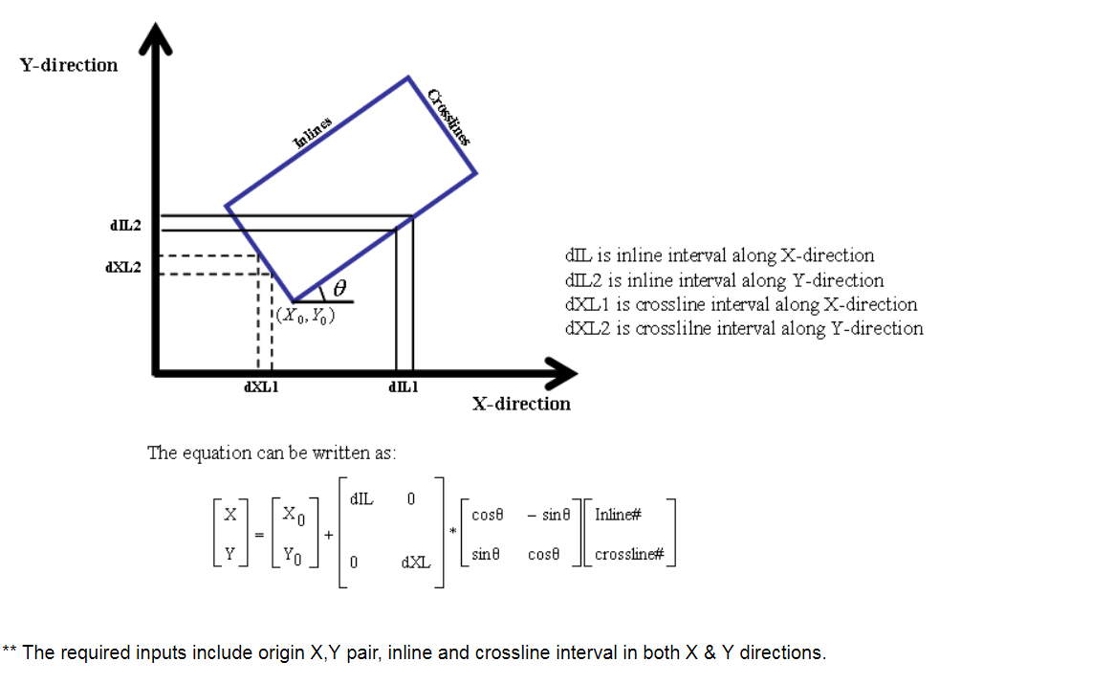
 | start | end | step
 | 1528 | 6280 | 4
 | 380 | 8000 | 4

 | origin | end first inline | end first crossline
X | 614839.98 | 593096.27 | 620894.38
Y | 8141868.96 | 8151577.40 | 8155428.82
int |  | 12.5 | 12.5
rotation |  | -65.939 | 24.061

