Summary
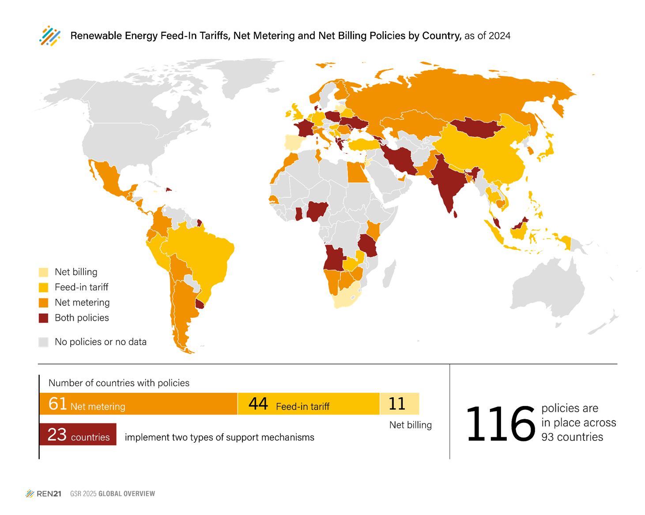
Figure 9: Renewable Energy Feed-Tariffs, Net Metering and Net Billing Policies by Country, as of 2024

Country | Feed-in Tariff | Net-billing | Net-metering | Grand Total | Category
Albania | 1 |  | 1 | 2 | both
Angola | 1 |  | 1 | 2 | both
Antigua and Barbuda |  |  | 1 | 1 | net-metering
Argentina |  |  | 1 | 1 | net-metering
Armenia | 1 |  | 1 | 2 | both
Bahrain |  |  | 1 | 1 | net-metering
Bangladesh |  |  | 1 | 1 | net-metering
Barbados | 1 |  |  | 1 | feed-in tariff
Belarus | 1 |  |  | 1 | feed-in tariff
Belgium |  |  | 1 | 1 | feed-in tariff
Bolivia |  |  | 1 | 1 | net-metering
Bosnia and Herzegovina | 1 |  |  | 1 | feed-in tariff
Botswana |  |  | 1 | 1 | net-metering
Brazil | 1 |  |  | 1 | feed-in tariff
Cambodia |  |  | 1 | 1 | net-metering
Chile |  |  | 1 | 1 | net-metering
China | 1 |  |  | 1 | feed-in tariff
Colombia |  |  | 1 | 1 | net-metering
Costa Rica |  |  | 1 | 1 | net-metering
Cyprus | 1 |  | 1 | 2 | both
Denmark | 1 |  | 1 | 2 | both
Dominican Republic | 1 |  | 1 | 2 | both
Ecuador |  |  | 1 | 1 | net-metering
Egypt |  |  | 1 | 1 | net-metering
El Salvador |  |  | 1 | 1 | net-metering
Finland |  |  | 1 | 1 | net-metering
France | 1 | 1 |  | 2 | both
Georgia | 1 |  | 1 | 2 | both
Germany | 1 |  |  | 1 | feed-in tariff
Ghana | 1 |  | 1 | 2 | both
Greece | 1 | 1 |  | 2 | both
Guatemala |  |  | 1 | 1 | net-metering
Hungary | 1 |  |  | 1 | feed-in tariff
India | 1 |  | 1 | 2 | both | Note: 'Both' indicates countries with feed-in tariffs alongside net metering or net billing. Feed-in tariffs are closed to new applicants in Bosnia and Herzegovina, Cyprus, Denmark, North Macedonia, and the UK, but existing contracts remain valid.
Indonesia | 1 |  |  | 1 | feed-in tariff
Iran | 1 |  | 1 | 2 | both
Ireland | 1 |  |  | 1 | feed-in tariff
Israel | 1 |  |  | 1 | feed-in tariff | Source: REN21 Policy Database.
Italy |  |  | 1 | 1 | net-metering
Jamaica |  | 1 |  | 1 | net-billing
Japan | 1 |  |  | 1 | feed-in tariff
Jordan |  | 1 |  | 1 | net-billing
Kazakhstan |  |  | 1 | 1 | net-metering
Kenya |  |  | 1 | 1 | net-metering
Korea, Republic of |  |  | 1 | 1 | net-metering
Latvia |  | 1 |  | 1 | net-billing
Lebanon |  |  | 1 | 1 | net-metering
Lithuania |  | 1 |  | 1 | net-billing
Macedonia, North | 1 |  | 1 | 2 | both
Malaysia | 1 |  | 1 | 2 | both
Maldives | 1 |  | 1 | 2 | both
Mauritius |  |  | 1 | 1 | net-metering
Mexico |  |  | 1 | 1 | net-metering
Moldova | 1 | 1 |  | 2 | both
Mongolia | 1 |  | 1 | 2 | both
Montenegro |  |  | 1 | 1 | net-metering
Morocco |  |  | 1 | 1 | net-metering
Namibia |  |  | 1 | 1 | net-metering
Nepal | 1 |  |  | 1 | feed-in tariff
Netherlands | 1 |  |  | 1 | feed-in tariff
Nicaragua |  |  | 1 | 1 | net-metering
Nigeria | 1 |  | 1 | 2 | both
Norway |  |  | 1 | 1 | net-metering
Pakistan |  |  | 1 | 1 | net-metering
Palestine, State of |  |  | 1 | 1 | net-metering
Panama |  |  | 1 | 1 | net-metering
Peru | 1 |  |  | 1 | feed-in tariff
Philippines |  |  | 1 | 1 | feed-in tariff
Poland | 1 | 1 |  | 2 | both
Portugal |  | 1 |  | 1 | net-billing
Romania |  |  | 1 | 1 | net-metering
Russian Federation |  |  | 1 | 1 | net-metering
Senegal |  |  | 1 | 1 | net-metering
Serbia | 1 |  |  | 1 | feed-in tariff
Singapore |  |  | 1 | 1 | net-metering
South Africa |  | 1 |  | 1 | net-billing
Spain |  | 1 |  | 1 | net-billing
Sri Lanka | 1 |  | 1 | 2 | both
St. Vincent and the Grenadines |  |  | 1 | 1 | net-metering
Switzerland |  |  | 1 | 1 | net-metering
Sychelles |  |  | 1 | 1 | net-metering
Taiwan | 1 |  |  | 1 | feed-in tariff
Tanzania | 1 |  | 1 | 2 | both
Thailand | 1 |  |  | 1 | feed-in tariff
Tunisia |  |  | 1 | 1 | net-metering
Türkiye | 1 |  |  | 1 | feed-in tariff
Ukraine | 1 |  | 1 | 2 | both
United Arab Emirates |  |  | 1 | 1 | net-metering
United Kingdom | 1 |  |  | 1 | feed-in tariff
Uruguay | 1 |  | 1 | 2 | both
Vietnam | 1 |  |  | 1 | feed-in tariff
Zambia | 1 |  |  | 1 | feed-in tariff
Zimbabwe |  |  | 1 | 1 | net-metering
Grand Total | 43 | 12 | 61 | 116

References
Figure 9: Renewable Energy Feed-Tariffs, Net Metering and Net Billing Policies by Country, as of 2024

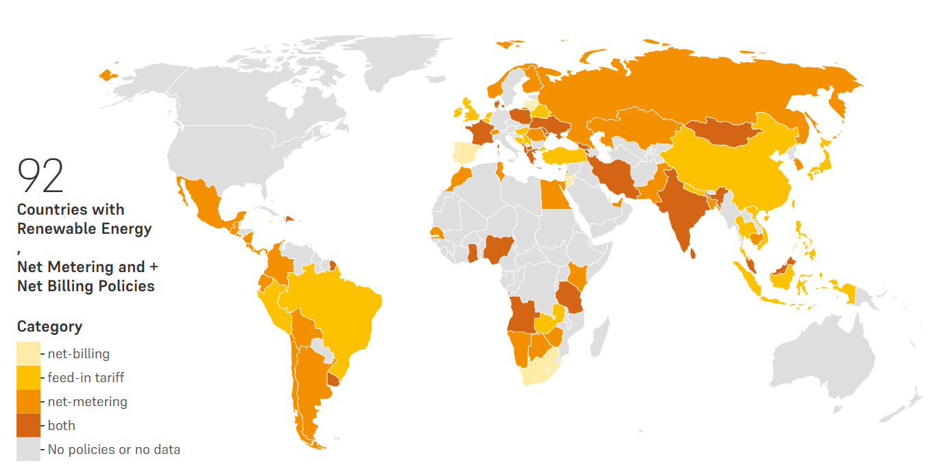
Country | Policy Type | Year Enacted | Reference | Notes
Albania | feed-in tariff | 2017 | https://www.res-legal.eu/search-by-country/albania/
Albania | net-metering | 2019 | https://balkangreenenergynews.com/albania-launches-net-metering-for-solar-pv-prosumers/
Angola | feed-in tariff | 2021 | https://2022.global-climatescope.org/markets/ao/
Angola | net-metering | 2021 | https://gestoenergy.com/angola-gesto-supports-new-electricity-regulation-development/
Antigua and Barbuda | net-metering | 2015 | https://carilec.org/energy-market-in-antigua-and-barbuda/
Argentina | net-metering | 2015 | https://www.iea.org/policies/6129-law-27191-program-to-promote-the-use-of-renewable-energy-in-electricity-generation | 2024 update - In 2024, the self-consumption limit under net metering was increased from 2 MW to 12 MW to expand renewable energy capacity (https://www.pv-magazine.com/2024/09/05/argentina-raises-self-consumption-limit-under-net-metering-to-12-mw/)
Armenia | feed-in tariff | 2011 | https://www.iea.org/policies/5650-feed-in-tariff-for-renewable-energy-sources-levels-for-2011-2017?s=1
Armenia | net-metering | 2015
Bahrain | net-metering | 2021 | https://www.ewa.bh/en/RenewableEnergy/Pages/Net-Metering-Resolution-and-Connection-Agreement-.aspx?utm
Bangladesh | net-metering | 2018 | https://policy.asiapacificenergy.org/node/3519
Barbados | feed-in tariff | 2022 | https://barbadostoday.bb/2023/01/14/revised-fit-rates-apply-to-new-applicants-only-ftc/
Belarus | feed-in tariff | 2011 | https://www.iea.org/policies/5401-resolution-on-feed-in-tariffs-for-electricity-generated-from-renewable-energy-sources
Belgium | net-metering | 2011 | https://www.vlaanderen.be/veka
Bolivia | net-metering | 2021 | https://www.pv-magazine.com/2021/03/31/bolivia-introduces-net-metering-for-rooftop-pv/?utm
Bosnia and Herzegovina | feed-in tariff | 2012 |  | New installations are no longer eligible for FiTs, but existing ones are still honored
Botswana | net-metering | 2020 | https://www.pv-magazine.com/2020/11/10/botswana-launches-net-metering-scheme-for-rooftop-pv/?utm
Brazil | feed-in tariff | 2023 | https://www.solarpowereurope.org/insights/outlooks/global-market-outlook-for-solar-power-2023-2027/detail
Cambodia | net-metering | 2024 | https://www.tilleke.com/insights/cambodia-issues-environmental-code-and-guidelines-benefiting-rooftop-solar-projects/
Chile | net-metering | 2014 | https://www.iea.org/policies/12967-new-net-billing-and-distributed-generation-law-law-21118?
China | feed-in tariff | 2021 | https://chineseclimatepolicy.oxfordenergy.org/book-content/domestic-policies/renewable-power
Colombia | net-metering | 2014 | https://www.pv-magazine.com/2018/03/05/colombia-issues-regulation-for-solar-distributed-generation/
Costa Rica | net-metering | 2014 | https://www.trade.gov/country-commercial-guides/costa-rica-solar-energy-products
Cyprus | feed-in tariff | 2006 | https://www.cera.org.cy/Templates/00001/data/ektheseis/%CE%91.R.%20CERA%202006%20-%20en..pdf | New installations are no longer eligible for FiTs, but existing ones are still honored
Cyprus | net-metering | 2013 | https://www.pv-magazine.com/2022/08/26/cyprus-expands-funding-for-solar-net-metering/
Denmark | feed-in tariff | 1986 | https://unfccc.int/ttclear/misc_/StaticFiles/gnwoerk_static/TEC_NSI/63eb6ced5b1e43429a6eccdef95ff61e/85bd141304c5486fb7f2ef71f8d2d45f.pdf | New installations are no longer eligible for FiTs, but existing ones are still honored
Denmark | net-metering | 2015 | https://arxiv.org/abs/2306.11566
Dominican Republic | feed-in tariff | 2007 | https://www.iea.org/policies/5290-law-57-07-on-incentives-for-development-of-renewable-energy-sources-and-its-special-regimes
Dominican Republic | net-metering | 2011 | https://www.iea.org/policies/6394-dominican-republic-net-metering-regulation-2011?utm_source=chatgpt.com
Ecuador | net-metering | 2018 | https://corralrosales.com/en/regulation-for-distributed-generation/
Egypt | net-metering | 2013 | https://www.pv-magazine.com/2017/11/22/egypts-pv-net-metering-about-to-bear-fruit/?; https://riad-riad.com/new-net-metering-rules-egypt/
El Salvador | net-metering | 2012 | https://www.iea.org/policies/6142-reforms-to-the-general-electricity-law?
Finland | net-metering | 2021 | https://www.pv-magazine.com/2022/10/26/finland-to-extend-net-metering-to-all-pv-systems-in-2023/
France | net-billing | 2017 | https://www.pv-tech.org/france-adopts-law-for-self-consumption-of-renewable-energy/
France | feed-in tariff | 2023 | https://www.pv-magazine.com/2023/03/01/france-unveils-new-fit-rates-for-pv-systems-up-to-500-kw/
Georgia | feed-in tariff | 2020 | https://bm.ge/en/news/investors-criticize-new-government-mechanism-to-attract-fdi-in-energy-sector/84510
Georgia | net-metering | 2016 | https://www.pv-magazine.com/2017/06/27/georgia-launches-net-metering-scheme-for-solar-and-other-renewables/
Germany | feed-in tariff | 2000 | https://www.bundesnetzagentur.de/DE/Fachthemen/ElektrizitaetundGas/ErneuerbareEnergien/EEG_Foerderung/start.html | Only applicable to small-scale solar up to 100 kW
Ghana | feed-in tariff | 2014 | https://www.iea.org/policies/5645-feed-in-tariff-for-electricity-generated-from-renewable-energy-sources
Ghana | net-metering | 2022 | https://energycom.gov.gh/newsite/index.php/media-center/latest-news/224-energy-commission-net-metering-code-2023
Greece | net-billing | 2024 | https://balkangreenenergynews.com/greece-slashes-allowed-capacity-for-prosumers-tightens-rules-for-energy-communities/
Greece | feed-in tariff | 2024 | https://www.pv-magazine.com/2024/05/27/greece-adds-storage-to-solar-tenders/
Guatemala | net-metering | 2014 | https://www.energiasolar.lat/en/tag/solar-energy-in-guatemala/
Hungary | feed-in tariff | 2022 | https://www.solarpowereurope.org/insights/outlooks/global-market-outlook-for-solar-power-2023-2027/detail
India | feed-in tariff | 2009 | https://www.renewableenergyworld.com/energy-business/indias-1-1-billion-move-to-feed-in-tariffs/
India | net-metering | 2009 | https://www.mercomindia.com/government-approves-net-metering-rooftop-solar | While the central government provides overarching guidelines, individual states have the authority to implement and modify net metering policies based on regional requirements. Consequently, eligibility criteria, capacity limits, and compensation mechanisms may vary across states.
Indonesia | feed-in tariff | 2009 | https://dr.ntu.edu.sg/bitstream/10356/142249/2/Feed%E2%80%90in%E2%80%90tariffs%20and%20the%20politics%20of%20renewable%20energy%20in%20Indonesia%20and%20the%20Philippines.pdf
Iran | feed-in tariff | 2008 | https://www.lexology.com/library/detail.aspx?g=f56f7de8-7b3c-4505-8ab3-840a59c07298
Iran | net-metering | 2016 | https://www.pv-magazine.com/2022/01/03/iran-wants-to-deploy-10-gw-of-renewables-over-the-next-four-years/
Ireland | feed-in tariff | 2023 | https://www.gov.ie/en/publication/7bd8c-climate-action-plan-2023/
Israel | feed-in tariff | 2023 | https://www.solarpowereurope.org/insights/outlooks/global-market-outlook-for-solar-power-2023-2027/detail
Italy | net-metering | 2007 | https://jis.gov.jm/govt-to-make-announcement-on-net-billing-in-two-weeks/; https://www.jpsco.com/net-billing/
Jamaica | net-billing | 2024 | https://www.pv-magazine.com/2024/03/21/japan-unveils-2024-feed-in-tariff-levels-for-residential-commercial-pv/ | Transitioned from net metering to net billing
Japan | feed-in tariff | 2024 | https://www.oecd.org/content/dam/oecd/en/publications/reports/2016/12/oecd-clean-energy-investment-policy-review-of-jordan_g1g7302e/9789264266551-en.pdf
Jordan | net-billing | 2014 | https://climate-laws.org/documents/law-about-support-of-use-of-renewable-sources-of-energy-no-165-4_b56a?id=law-about-support-of-use-of-renewable-sources-of-energy-no-165-4_6b84 | As of April 2025, Jordan is in the process of transitioning from net metering to a net billing system. The new framework, introduced in June 2024, aims to address sector-specific requirements and includes revised connection mechanisms for on-grid solar PV systems.
Kazakhstan | net-metering | 2014 | https://www.pv-magazine.com/2022/07/05/kenya-defines-net-metering-rules-for-solar/
Kenya | net-metering | 2022 | https://www.iea.org/policies/6568-korea-net-metering
Korea, Republic of | net-metering | 2005 | https://enercee.net/countries/latvia/support-schemes
Latvia | net-billing | 2014 | https://www.businessnews.com.lb/cms/Story/StoryDetails/1341/Net-Metering-on | Transitioned from net metering to net billing
Lebanon | net-metering | 2011 | https://www.iea.org/policies/5882-lesotho-energy-policy-2015-2025
Lithuania | net-billing | 2024 | https://enercee.net/countries/north-macedonia/support-schemes?utm_source=chatgpt.com | Transitioned from net metering to net billing
Macedonia, North | feed-in tariff | 2007 | https://balkangreenenergynews.com/north-macedonia-enables-prosumers-to-sell-surplus-electricity/ | New installations are no longer eligible for FiTs, but existing ones are still honored
Macedonia, North | net-metering | 2019 | https://www.solarpowereurope.org/insights/outlooks/global-market-outlook-for-solar-power-2023-2027/detail
Malaysia | feed-in tariff | 2016 | https://www.malaysianewsgazette.com/quotas-for-nem-rakyat-nem-nova-raised-to-spur-installation-of-solar-pv-systems-petra/
Malaysia | net-metering | 2024 | https://policy.asiapacificenergy.org/node/2588?utm
Maldives | feed-in tariff | 2011 | https://leap.unep.org/en/countries/mv/national-legislation/net-metering-regulations-no-r46-2020
Maldives | net-metering | 2015 | https://www.iea.org/policies/6429-net-metering-phase-i-small-scale-distributed-generation-ssdg
Mauritius | net-metering | 2015
Mexico | net-metering | 2007 | https://evoluo.mx/uso-de-energia-solar-en-mexico/
Moldova | feed-in tariff | 2007 | https://www.german-economic-team.com/en/newsletter/key-challenges-in-moldovas-electricity-sector/ | Net metering remains in force for residential and small commercial users connected to low-voltage networks (installations up to 500 kW), allowing them to offset their electricity consumption with surplus solar generation.
Moldova | net-billing | 2018
Mongolia | feed-in tariff | 2007 | https://www.iea.org/policies/6469-mongolia-renewable-energy-feed-in-tariff | Transition from net metering to net billing for new applicants. Existing net metering participants retain their benefits until December 31, 2027.
Mongolia | net-metering | 2025 | https://rise.esmap.org/country/mongolia
Montenegro | net-metering | 2021 | https://www.pv-magazine.com/2021/07/14/montenegro-launches-net-metering-program-for-rooftop-pv/; https://bdkadvokati.com/montenegrin-renewables-act-introduces-support-schemes-for-electricity-from-renewable-sources/
Morocco | net-metering | 2014 | https://res4africa.org/wp-content/uploads/2023/04/SMALL_PV_SURVEY.pdf
Namibia | net-metering | 2017 | https://www.iea.org/policies/6377-namibia-net-metering-rules-2015 | Implementation has been gradual and somewhat limited due to regulatory and grid integration challenges.
Nepal | feed-in tariff | 2007 | https://www.lexology.com/library/detail.aspx?g=237191b3-dd24-4291-9586-ee52f818ff93&utm
Netherlands | feed-in tariff | 2024 | https://www.pv-magazine.com/2024/05/16/netherlands-to-phase-out-net-metering-scheme-in-2027
Nicaragua | net-metering | 2018 | https://www.pv-magazine.com/2018/01/11/nicaraguas-new-net-metering-regulations-come-into-force/
Nigeria | feed-in tariff | 2012 | https://www.greenmatch.ch/en/blog/nigerias-renewables-market-opportunities-and-development-for-solar-pv/?utm
Nigeria | net-metering | 2023 | https://illuminem.com/illuminemvoices/nigerias-new-electricity-act-and-the-wave-of-sustainability-in-the-nigerian-power-sector
Norway | net-metering | 2016 | https://www.pv-magazine.com/2024/12/10/norway-defining-new-rules-for-energy-communities/
Pakistan | net-metering | 2017 | https://www.arabnews.pk/node/2593508/pakistan
Palestine, State of | net-metering | 2015 | https://www.tandfonline.com/doi/abs/10.1080/02646811.2016.1216698
Panama | net-metering | 2008 | https://www.iea.org/policies/6325-interconnection-of-small-photovoltaic-systems-agreement-net-metering-resolution-2060
Peru | feed-in tariff | 2008 | https://www.sciencedirect.com/science/article/abs/pii/S0301421522004803?utm
Philippines | net-metering | 2013 | https://doe.gov.ph/1-how-net-metering-works-understanding-basics-policy-regulation-and-standards
Poland | feed-in tariff | 2024 | https://www.europeanbiogas.eu/renewable-energy-act-approved-polish-parliament/
Poland | net-billing | 2022 | https://www.solarpowereurope.org/insights/outlooks/global-market-outlook-for-solar-power-2023-2027/detail
Portugal | net-billing | 2019 | https://clean-energy-islands.ec.europa.eu/countries/portugal/legal/res-electricity/net-metering-net-billing
Romania | net-metering | 2018 | https://balkangreenenergynews.com/romania-moves-to-not-tax-prosumers-feeding-surplus-energy-into-grid/ | Transitioned from net metering to net billing
Russian Federation | net-metering | 2021 | https://www.pv-magazine.com/2021/03/10/russia-introduces-net-metering-for-small-sized-pv/
Senegal | net-metering | 2023 | https://isa-rrr.idaminfra.com/collection/1/document/1834/details
Serbia | feed-in tariff | 2023 | https://balkangreenenergynews.com/serbia-issues-quota-for-upcoming-solar-power-auction-adopts-rules-on-balancing-premiums-feed-in-tariffs | While Senegal may not use the term "net metering" exactly, it operates similarly by allowing prosumers to offset consumption and export excess energy to the grid under defined conditions.
Singapore | net-metering | 2008 | https://www.ema.gov.sg/resources/faqs/solar/solar-installation-guide/what-are-the-various-payment-schemes-available-to-solar-consumers-to-sell-back-excess-solar-generated-electricity
South Africa | net-billing | 2024 | https://mybroadband.co.za/news/energy/582448-bad-news-for-people-with-solar-panels-who-want-to-sell-power-to-the-grid.html | While Singapore does not have a traditional net metering system, it offers schemes that allow solar consumers to sell excess electricity back to the grid. These include:​
Spain | net-billing | 2024 | https://clean-energy-islands.ec.europa.eu/countries/spain/legal/res-electricity/net-metering-net-billing | Simplified Credit Treatment (SCT) Scheme: Applicable to residential consumers, compensating for surplus energy at prevailing tariff rates, deducting grid charges. ​
Sri Lanka | feed-in tariff | 2007 | https://www.pucsl.gov.lk/wp-content/uploads/2019/01/ncre_tariffs-methodology.pdf | Enhanced Central Intermediary Scheme (ECIS): Designed for contestable consumers, facilitating the sale of excess electricity through SP Services. ​
Sri Lanka | net-metering | 2010 | https://www.tisrilanka.org/up-on-the-roof-solar-concerns-grow-over-tariff-changes/ | Market Participant (MP) Scheme: Allows consumers to register with the Energy Market Company to sell surplus electricity.
St. Vincent and the Grenadines | net-metering | 2014 | https://xenogyre.com/2014/08/23/distributed-re-integration-policies-in-the-caribbean/ | Transitioned from net metering to net billing
Switzerland | net-metering | 2018 | https://cleantechlaw.com/2020/01/switzerland-increases-net-metering-tariff-for-rooftop-pv/ | Transitioned from net metering to net billing
Sychelles | net-metering | 2014 | https://www.readkong.com/page/the-next-generation-of-renewable-electricity-policy-4270580
Taiwan | feed-in tariff | 2023 | https://www.moea.gov.tw/Mns/english/news/News.aspx?kind=6&menu_id=176&news_id=105908 | Sri Lanka's net netering policy remains active, alongside the net accounting and net plus schemes. These schemes provided options for consumers to receive monetary compensation for surplus energy exported to the grid.
Tanzania | feed-in tariff | 2008 | https://www.pv-magazine.com/2013/11/21/special-report-africa-tanzania-mozambique_100013524/?utm
Tanzania | net-metering | 2018 | https://tanzlii.org/akn/tz/act/gn/2018/76/eng@2018-03-02
Thailand | feed-in tariff | 2022 | https://www.solarpowereurope.org/insights/outlooks/global-market-outlook-for-solar-power-2023-2027/detail
Tunisia | net-metering | 2020 | https://www.trinityllp.com/authorisation-regime-for-producing-electricity-from-renewable-energy-sources-in-tunisia/
Türkiye | feed-in tariff | 2023 | https://www.pv-magazine.com/2023/05/02/turkey-introduces-10-year-fit-for-solar-other-renewables/
Ukraine | net-metering | 2023 | https://zakon.rada.gov.ua/laws/show/3220-IX#Text
Ukraine | feed-in tariff | 2024 | https://www.dentons.com/en/insights/articles/2024/february/13/ukraine-implements-feed-in-premium-mechanism-and-other-major-amendments-in-regulations
United Arab Emirates | net-metering | 2015 | https://powernsun.com/how-shams-dubai-net-metering-program-works/
United Kingdom | feed-in tariff | 2020 | https://iclg.com/practice-areas/renewable-energy-laws-and-regulations/united-kingdom
Uruguay | feed-in tariff | 2009 | https://www.irena.org/-/media/Files/IRENA/Agency/Publication/2015/IRENA_RE_Latin_America_Policies/IRENA_RE_Latin_America_Policies_2015_Country_Uruguay.pdf
Uruguay | net-metering | 2010 | https://www.iea.org/policies/5276-decree-on-renewable-microgeneration-net-metering?country=Uruguay
Vietnam | feed-in tariff | 2023 | https://www.vietnam-briefing.com/news/vietnam-to-set-annual-solar-and-wind-prices-under-new-rules.html
Zambia | feed-in tariff | 2017 | https://www.pv-magazine.com/2018/02/09/get-fit-scheme-launched-in-zambia-after-successful-run-in-uganda/?utm | New installations are no longer eligible for FiTs, but existing ones are still honored
Zimbabwe | net-metering | 2018 | https://www.veritaszim.net/node/5523

