S&T_Overall
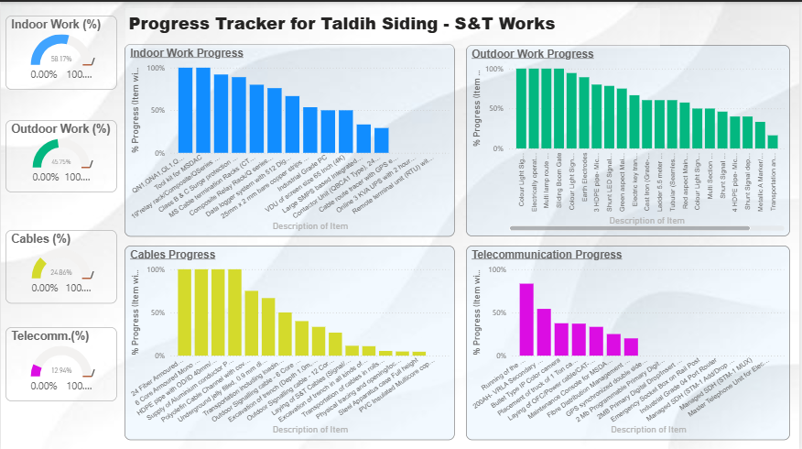
S&T Work Progress (%)
Weightage Distribution
Daily Progress Report-Barsuan Siding(S&T) |  |  | Date:2026
S.No | Description | Progress(%) | Weightage | Earned Progress
1 | Indoor Work | 31.73% | 40% | 12.693%
2 | Outdoor Work | 45.75% | 30% | 13.726%
3 | Cables | 27.61% | 20% | 5.523%
4 | Telecommunication | 13.49% | 10% | 1.349%
 | Overall |  | 100% | 33%

Indoor_Works
Indoor Work Progress
Daily Progress Report-Barsuan Siding(S&T) |  |  | Date:2026
S.No | Description of Item | UOM | Quantity | Current Progress | Balance Quantity | % Progress | Scope Progress | Weightage factor | Earned Progress
1 | VDU-65 Inch | Per VDU | 2 | 1 | 1 | 50% | 100% | 1% | 0.500%
2 | Industrial Grade PC | Per PC | 2 | 1 | 1 | 50% | 100% | 1% | 1%
3 | UPS(3 KVA) | Numbers | 2 | 0 | 2 | 0% | 100% | 1% | 0%
4 | Relay/Q series Relay Rack | Numbers | 25 | 19 | 6 | 76% | 100% | 3% | 2%
5 | MS(CTR)6mm Sheet | Numbers | 15 | 12 | 3 | 80% | 100% | 3% | 2%
6 | RTU-128 Digital & 16 Analog pins | Set | 2 | 0 | 2 | 0% | 100% | 12% | 0%
7 | Data logger | Set | 3 | 2 | 1 | 67% | 100% | 12% | 8%
8 | QN1,QNA1,QL1,QSPA1, QTA2,QNA1k Relays | Numbers | 1408 | 500 | 908 | 36% | 100% | 24% | 9%
9 | Contactor Uni (QBCA1 Type) | Numbers | 120 | 35 | 85 | 29% | 100% | 4% | 1%
10 | SMPS based IPS(Scheme 5A-IPS) | Set | 3 | 0 | 3 | 0% | 100% | 24% | 0%
11 | bare copper(25x2 mm) | Metre | 560 | 300 | 260 | 54% | 100% | 5% | 3%
12 | Cable route tracer with GPS enable | Numbers | 1 | 0 | 1 | 0% | 100% | 1% | 0%
13 | SPD(Class B,C) | Set | 36 | 16 | 20 | 44% | 100% | 1% | 0%
14 | Tool kit for MSDAC | Set | 2 | 2 | 0 | 100% | 100% | 5% | 5%
15 | 19"relay rack/Composite/QSeries Relay Rack | Numbers | 25 | 2 | 23 | 8% | 100% | 3% | 0%
 | Total |  |  |  |  |  |  | 100% | 31.732%

Outdoor_Works
Outdoor Work Progress
Daily Progress Report-Barsuan Siding(S&T) |  |  | Date:2026
S.No | Description of Item | UOM | Quantity | Current Progress | Balance Quantity | % Progress | Scope Progress | Weightage factor | Earned Progress
1 | MSDAC-29 DP & 26 Track Section | Per DP | 200 | 100 | 100 | 50% | 100% | 25% | 12.500%
2 | CLS (Two Aspect) | Numbers | 36 | 34 | 2 | 94% | 100% | 2% | 1.889%
3 | CLS (Three Aspect) | Numbers | 2 | 2 | 0 | 100% | 100% | 2% | 2.000%
4 | CLS (Four Aspect) | Numbers | 2 | 1 | 1 | 50% | 100% | 2% | 1.000%
5 | Cast Iron Signal base 140 mm dia. | Numbers | 38 | 23 | 15 | 61% | 100% | 1% | 0.605%
6 | Tubular Post for CLS 5.5M | Numbers | 38 | 23 | 15 | 61% | 100% | 1% | 0.605%
7 | Ladder 5.5 M for CLS | Numbers | 38 | 23 | 15 | 61% | 100% | 1% | 0.605%
8 | Multi lamp route indicator(1-9) | Numbers | 2 | 2 | 0 | 100% | 100% | 2% | 2.000%
9 | Shunt Signal Position Light | Numbers | 26 | 12 | 14 | 46% | 100% | 2% | 0.923%
10 | Shunt Signal dependent type | Numbers | 30 | 12 | 18 | 40% | 100% | 2% | 0.800%
11 | Metallic A Marker | Numbers | 3 | 1 | 2 | 33% | 100% | 2% | 0.667%
12 | Red aspect(LED) | Numbers | 40 | 23 | 17 | 58% | 100% | 2% | 1.150%
13 | Yellow aspect(LED) | Numbers | 25 | 2 | 23 | 8% | 100% | 2% | 0.160%
14 | Green aspect(LED) | Numbers | 4 | 3 | 1 | 75% | 100% | 2% | 1.500%
15 | Shunt (LED) | Numbers | 171 | 134 | 37 | 78% | 100% | 2% | 1.567%
16 | Electric key transmitter-EKT/RKT | Numbers | 6 | 4 | 2 | 67% | 100% | 1% | 0.667%
17 | Earth Electrodes | Set | 250 | 223 | 27 | 89% | 100% | 1% | 0.892%
18 | Electrically operated lifting barrier | Set | 2 | 2 | 0 | 100% | 100% | 5% | 5.000%
19 | Sliding Boom Gate | Set | 2 | 2 | 0 | 100% | 100% | 5% | 5.000%
20 | Full Apparatus Case with foundation | Numbers | 110 | 12 | 98 | 11% | 100% | 15% | 1.636%
21 | Electric point machine | Numbers | 73 | 12 | 61 | 16% | 100% | 20% | 3.288%
22 | C.T Box (Aluminium/Wago type) | Numbers | 10 | 1 | 9 | 10% | 100% | 1% | 0.100%
23 | 3 HDPE pipe-Micro Tunnelling | Metre | 500 | 400 | 100 | 80% | 100% | 1% | 0.800%
24 | 4 HDPE pipe-Micro Tunnelling | Metre | 750 | 300 | 450 | 40% | 100% | 1% | 0.400%
 | Total |  |  |  |  |  |  | 100% | 46%

Cables
Cables Progress
Daily Progress Report-Barsuan Siding(S&T) |  |  | Date:2026
S.No | Description of Item | UOM | Quantity | Current Progress | Balance Quantity | % Progress | Scope Progress | Weightage factor | Earned Progress
1 | Polyolefin Cable Channel with cover | Metre | 2000 | 1800 | 200 | 90% | 100% | 2% | 1.800%
2 | Outdoor Signalling cable-6 Corex1.5 sq mm | Kilometre | 10 | 4 | 6 | 40% | 100% | 2% | 0.800%
3 | Outdoor Signalling cable-12 Corex1.5 sq mm | Kilometre | 150 | 40 | 110 | 27% | 100% | 2% | 0.533%
4 | Aluminium Power Cable-2 Corex25 sq mm | Kilometre | 20 | 20 | 0 | 100% | 100% | 2% | 2.000%
5 | Underground jelly filled-6 Quad Cable | Kilometre | 30 | 20 | 10 | 67% | 100% | 2% | 1.333%
6 | 24 Fiber Armoured OFC | Kilometre | 10 | 10 | 0 | 100% | 100% | 2% | 2.000%
7 | HDPE pipe-OD/ID 40mm/33mm | Kilometre | 15 | 15 | 0 | 100% | 100% | 2% | 2.000%
8 | Steel Apparatus case Full height | Numbers | 110 | 50 | 60 | 45% | 100% | 6% | 2.727%
9 | 6 Core Armoured Mono mode OFC cable | Kilometre | 1 | 1 | 0 | 100% | 100% | 2% | 2.000%
10 | PVC Insulated copper Indoor Cable 60 Core | Kilometre | 3 | 0 | 3 | 0% | 100% | 2% | 0.000%
11 | S&T Cables (Signal/Quad/Power) | Kilometre | 210 | 24 | 186 | 11% | 100% | 40% | 4.571%
12 | Existing working cables-tracing & opening | Metre | 2500 | 120 | 2380 | 5% | 100% | 2% | 0.096%
13 | Excavation of trench (Depth 1.0m, Width 0.3m) | Kilometre | 3 | 1 | 2 | 33% | 100% | 15% | 5.000%
14 | Transportation of S&T Cables | Drum-Km | 420 | 23 | 397 | 5% | 100% | 2% | 0.110%
15 | Excavation of trench in all kinds of soils | Metre | 1224 | 134 | 1090 | 11% | 100% | 15% | 1.642%
16 | Transportation,loading/unloading -OFC | Kilometre | 10 | 5 | 5 | 50% | 100% | 2% | 1.000%
 | Total |  |  |  |  |  |  | 100% | 27.613%

Telecomm
Telecommunication Progress
Daily Progress Report-Barsuan Siding(S&T) |  |  | Date:2026
S.No | Description of Item | UOM | Scope | Current Progress | Balance Quantity | % Progress | Scope Progress | Weightage factor | Earned Progress
1 | 200AH- VRLA Secondary Cell | Numbers | 24 | 13 | 11 | 54% | 100% | 1% | 0.542%
2 | Managed SDH (STM-1 Add/Drop MUX, 21E1s) | Numbers | 1 | 0 | 1 | 0% | 100% | 15% | 0.000%
3 | 2MB Primary Digital Drop multiplexer-E&M (4 Nos), FXO (2 Nos),FXS (2 Nos) | Numbers | 1 | 0 | 1 | 0% | 100% | 10% | 0.000%
4 | Master Telephone Unit for LC Gate | Numbers | 2 | 0 | 2 | 0% | 100% | 5% | 0.000%
5 | Fibre Distribution Management system(FDMS)for 48 Fiber | Numbers | 10 | 2 | 8 | 20% | 100% | 2% | 0.400%
6 | GPS synchronized digitaL clock | Numbers | 2 | 0 | 2 | 0% | 100% | 1% | 0.000%
7 | Industrial Grade 4 Port Router | Numbers | 1 | 0 | 1 | 0% | 100% | 1% | 0.000%
8 | Vehicle for loading &unloading of material | Kilometre | 54000 | 45000 | 9000 | 83% | 100% | 1% | 0.833%
9 | Truck of 1 Ton capacity (24hours) | Vehicle- Day | 540 | 500 | 40 | 93% | 100% | 1% | 0.926%
10 | Laying of OFC/Power cable/CAT-6 cable/PA Cable/Data cable | Metre | 12000 | 4000 | 8000 | 33% | 100% | 23% | 7.667%
11 | Maintenance Console-MSDAC | Numbers | 4 | 1 | 3 | 25% | 100% | 5% | 1.250%
12 | Bullet Type IP Color camera | Numbers | 8 | 3 | 5 | 38% | 100% | 5% | 1.875%
14 | Emergency Socket Box on Rail Post | Numbers | 3 | 0 | 3 | 0% | 100% | 5% | 0.000%
15 | Managed SDH (STM-1 MUX) | Numbers | 1 | 0 | 1 | 0% | 100% | 15% | 0.000%
16 | 2 Mb Programmable Primary Digital drop insert MUX | Numbers | 1 | 0 | 1 | 0% | 100% | 10% | 0.000%
 | Total |  |  |  |  |  |  | 100% | 13%

