FormFiller
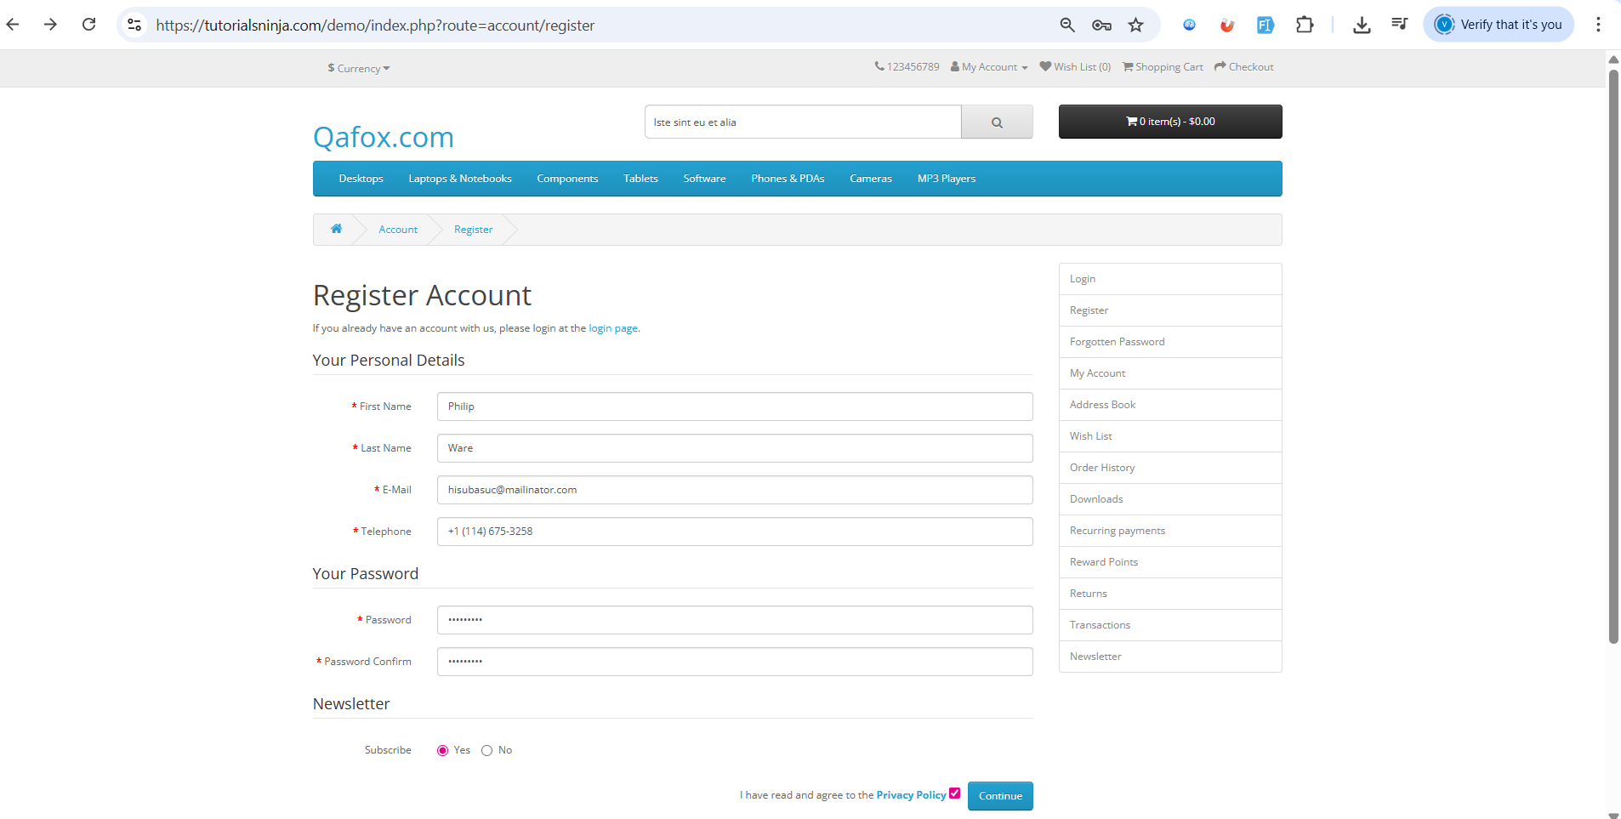

Grammarily
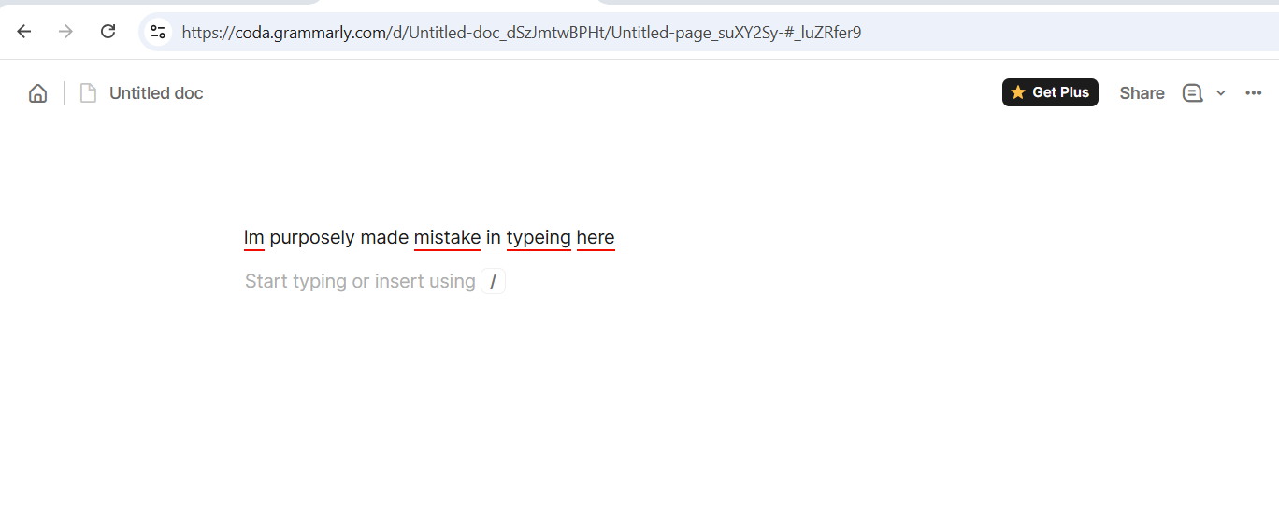

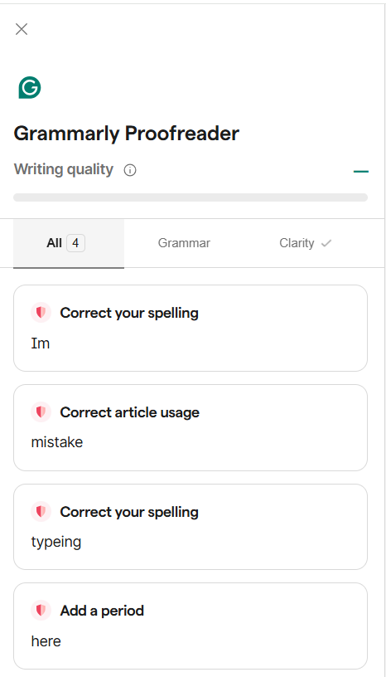

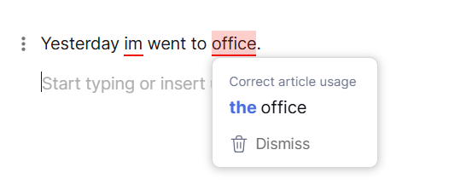

VibeCoding
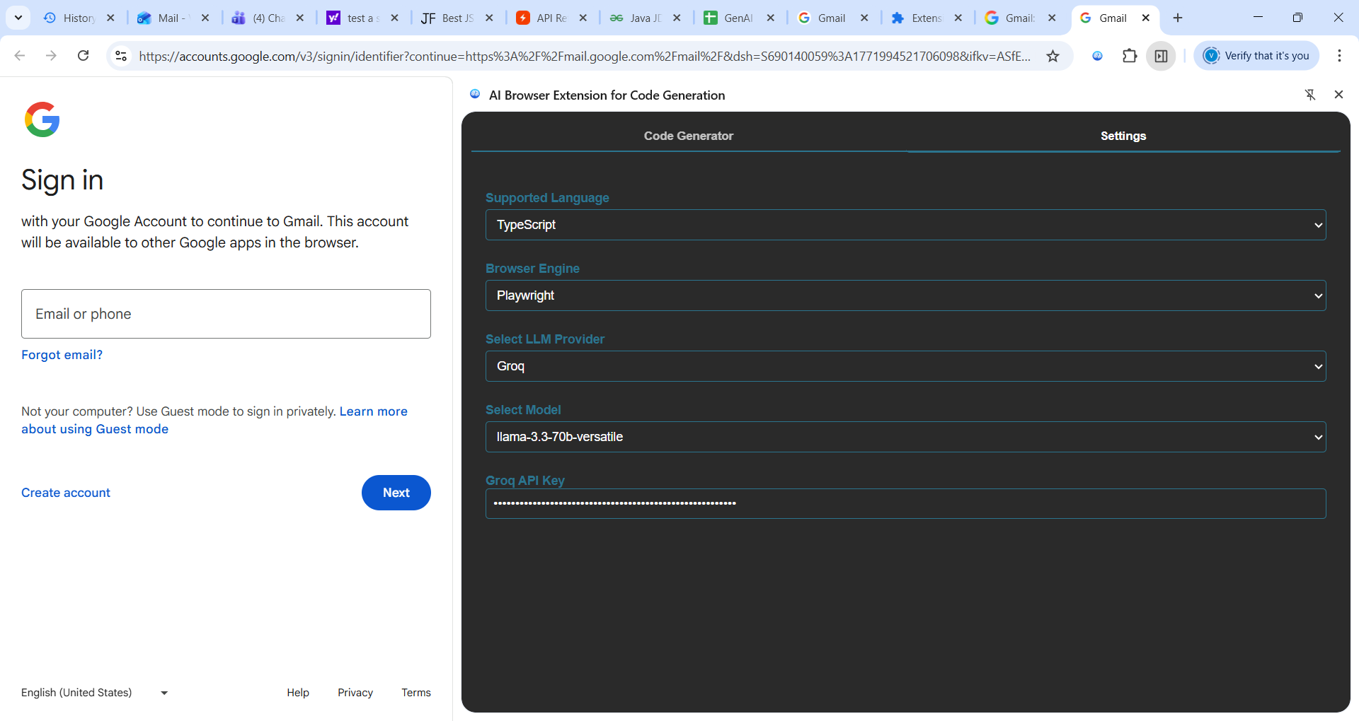

Code GeneratorSettings
Feature File
Page Class
Reset Chat
import { Page } from 'playwright';

/**
* Page Object for Login Page
*/
export class LoginPage {
constructor(private page: Page) {}

/**
* Navigate to the login page
* @param url The URL of the login page
*/
async navigateTo(url: string): Promise<void> {
await this.page.goto(url);
}

/**
* Enter the email address
* @param email The email address to enter
*/
async enterEmail(email: string): Promise<void> {
await this.page.fill('input[name="identifier"]', email);
}

/**
* Get the current email address
* @returns The current email address
*/
async getEmail(): Promise<string> {
return await this.page.inputValue('input[name="identifier"]');
}

/**
* Clear the email address field
*/
async clearEmail(): Promise<void> {
await this.page.fill('input[name="identifier"]', '');
}
}
Copy

InspectGenerate

