May2_Invoice
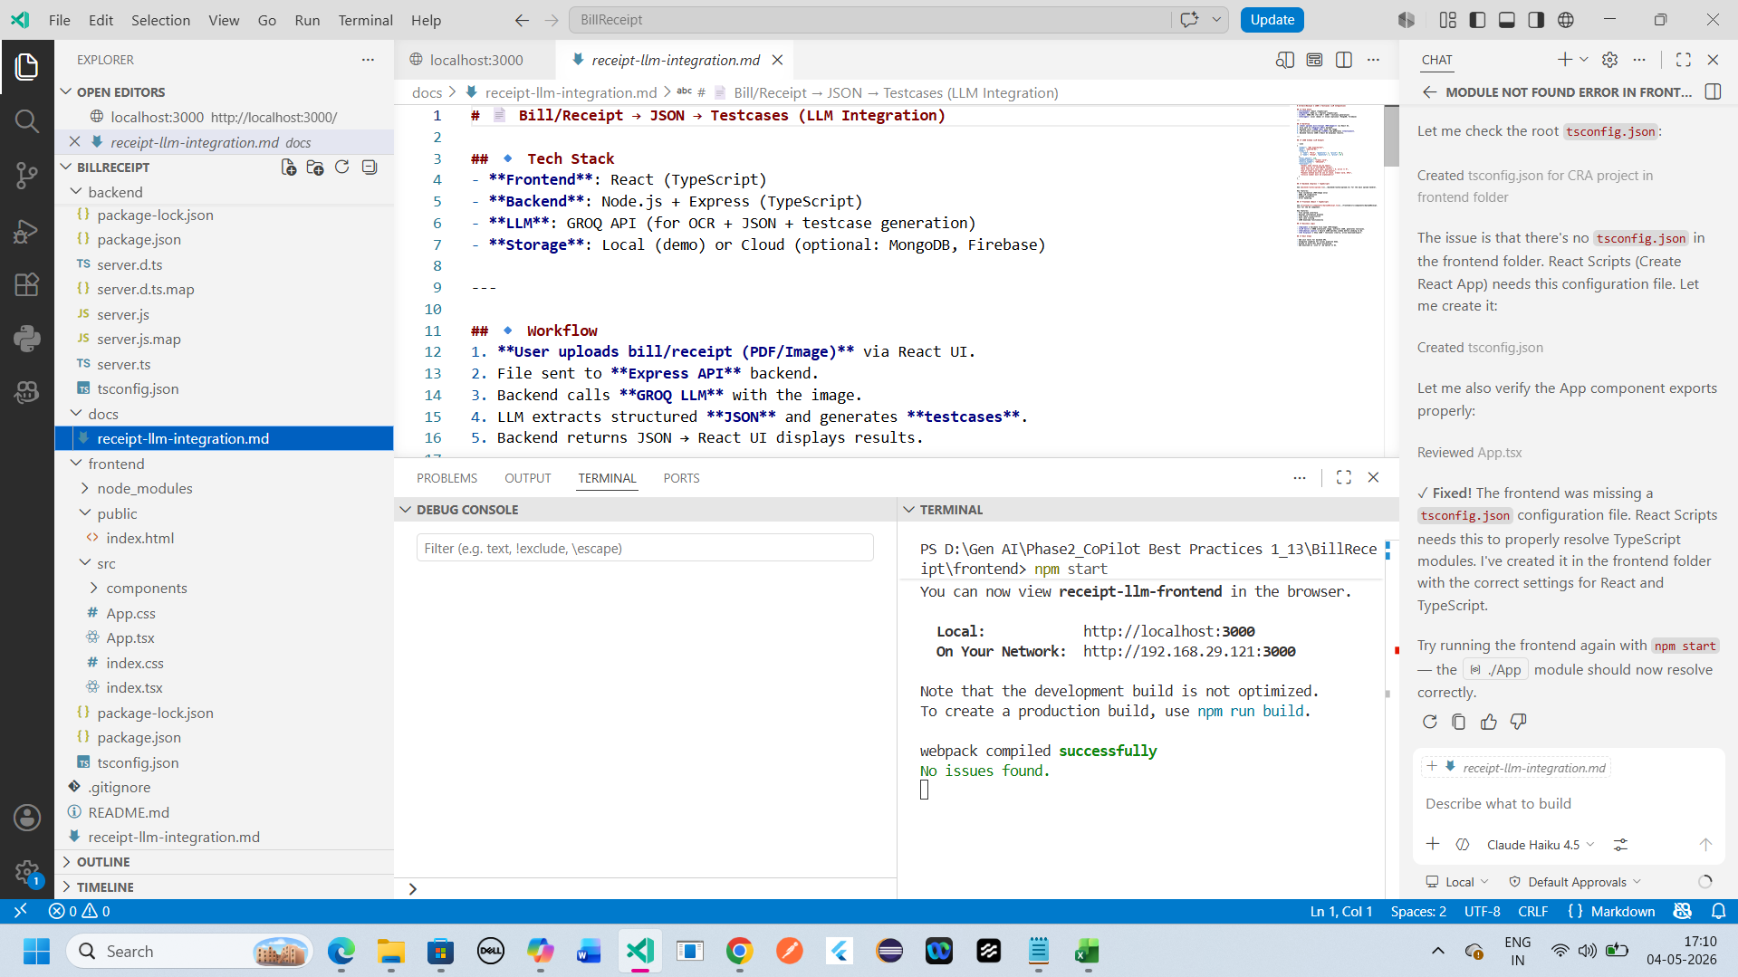

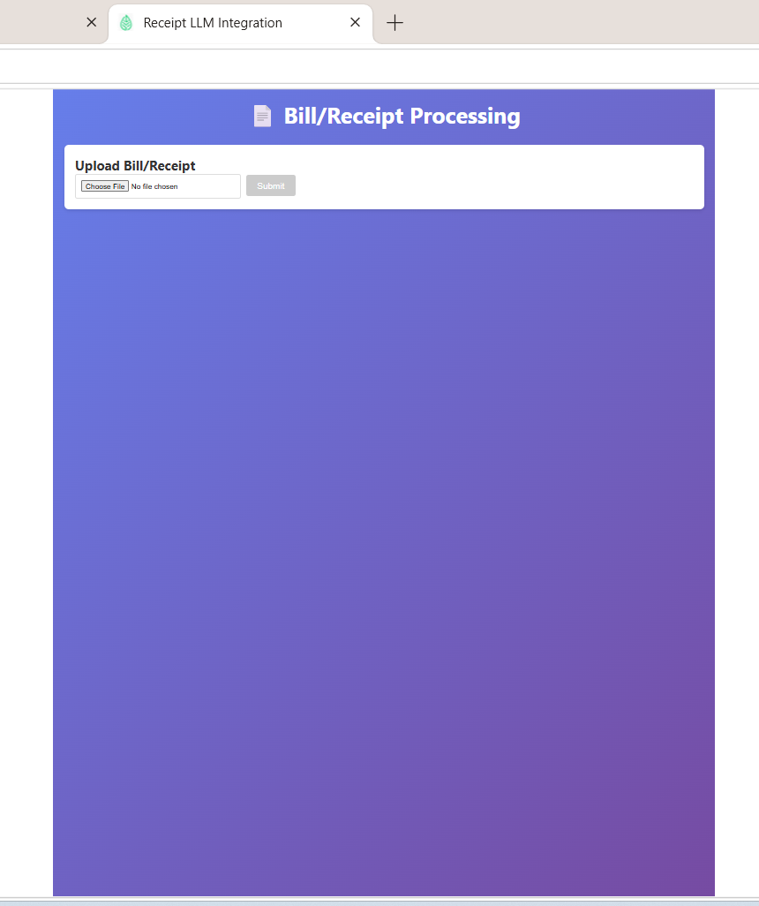

{
"vendor": {
"name": "Timberline Arborists",
"address": "4 Ridge Road, Boise, ID 83702",
"phone": "(555) 441-7790",
"email": "crew@timberline.example"
},
"date": "2025-10-16",
"time": "11:25:00",
"client": {
"name": "Nguyen",
"receipt_tree_number": "112500",
"species": "Maple",
"dbh_inches": 18
},
"services": [
{ "description": "Tree Removal (18\" DBH)", "amount_usd": 320 },
{ "description": "Stump Grinding", "amount_usd": 95 },
{ "description": "Brush Haul-Away", "amount_usd": 35 }
],
"subtotal_usd": 450,
"tax_usd": 36,
"total_usd": 486,
"payment": {
"card_last4": "7715",
"type": "VISA",
"entry": "CHIP",
"reference": "AUTH-112500",
"status": "APPROVED"
},
"notes": "Worksite left clean. Call if settling occurs.",
"internal_code": "TREE1125004860"
}

May3_Epics
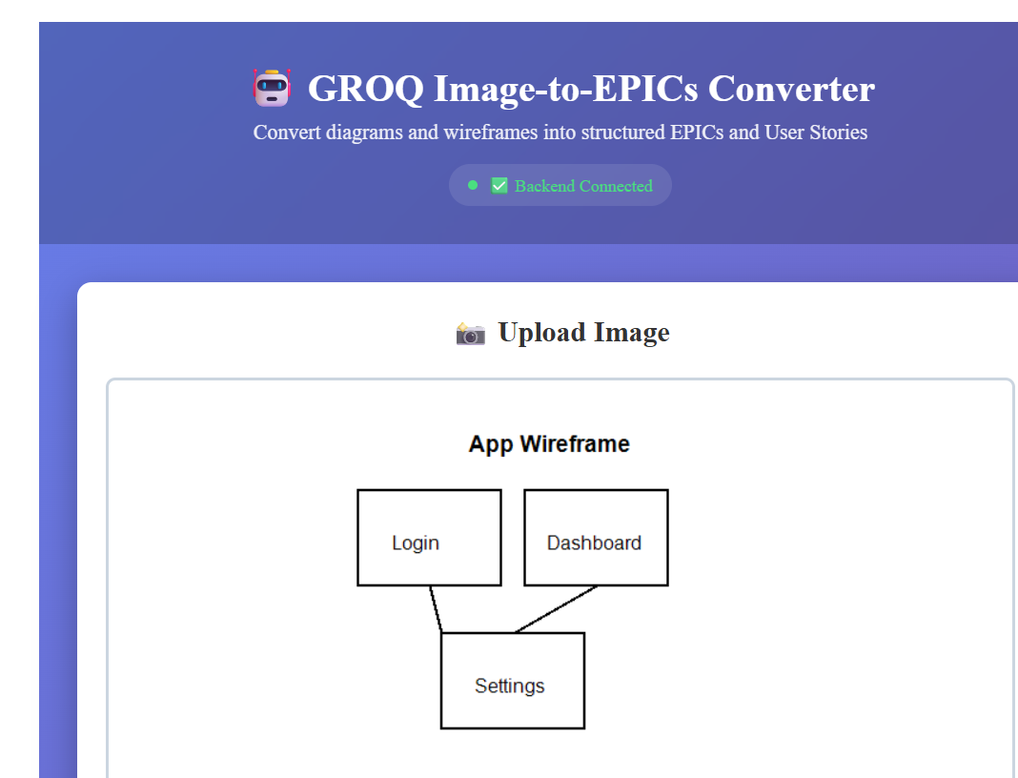

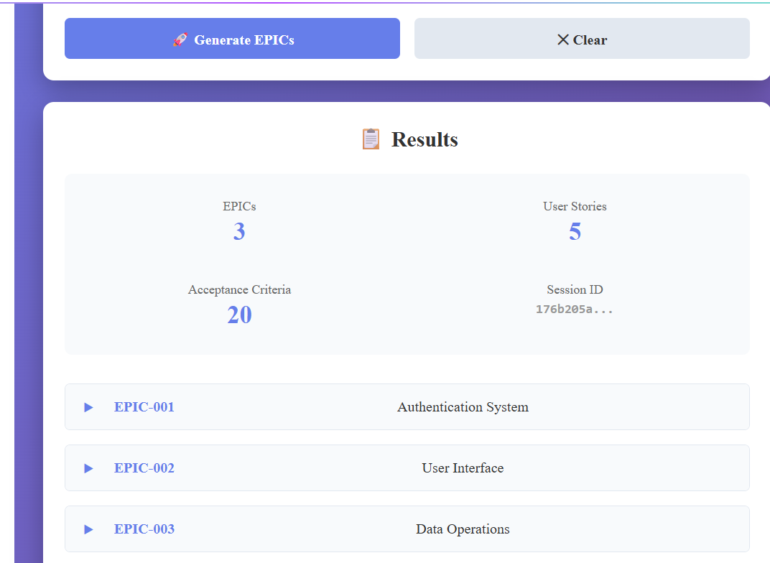

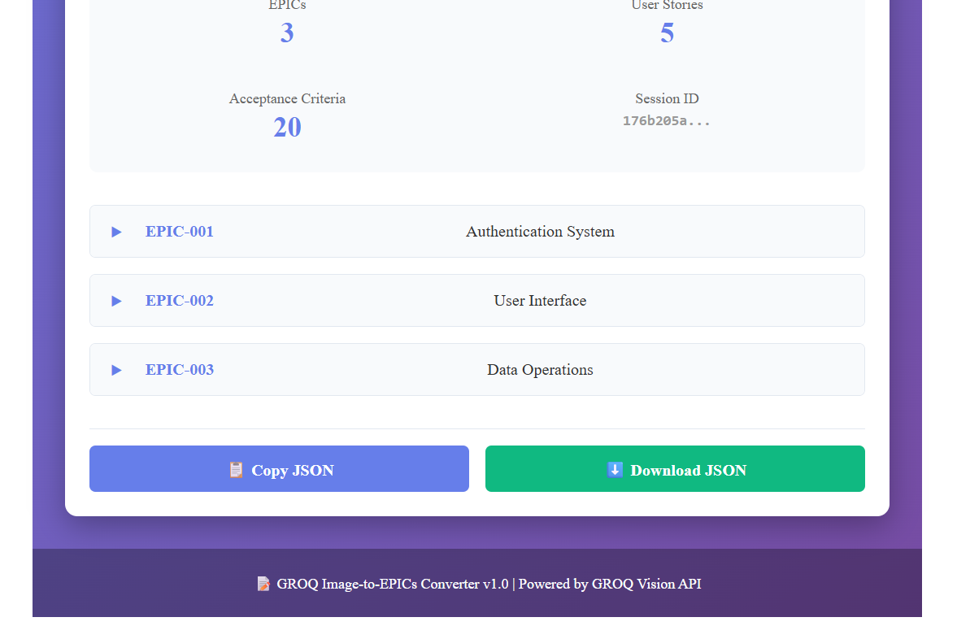

{
"success": true,
"sessionId": "176b205a-b436-4aae-bbf1-10f1da121c31",
"timestamp": "2026-05-05T09:23:42.142Z",
"epics": [
{
"id": "EPIC-001",
"title": "User Authentication and Account Management",
"shortTitle": "Authentication System",
"description": "Implement comprehensive user authentication, registration, and account management features to enable secure user access and profile management.",
"userStories": [
{
"id": "US-001",
"title": "User Registration",
"description": "As a new user, I want to register with email and password, so that I can create an account and access the application.",
"acceptanceCriteria": [
{
"id": "AC-001.1",
"criterion": "User can enter email and password in registration form"
},
{
"id": "AC-001.2",
"criterion": "Email validation confirms valid email format"
},
{
"id": "AC-001.3",
"criterion": "Password strength requirements are enforced"
},
{
"id": "AC-001.4",
"criterion": "Account is created and user receives confirmation email"
}
]
},
{
"id": "US-002",
"title": "User Login",
"description": "As a registered user, I want to log in with my credentials, so that I can access my account and use the application.",
"acceptanceCriteria": [
{
"id": "AC-002.1",
"criterion": "Login form accepts email and password"
},
{
"id": "AC-002.2",
"criterion": "Session is created upon successful login"
},
{
"id": "AC-002.3",
"criterion": "User is redirected to dashboard after login"
},
{
"id": "AC-002.4",
"criterion": "Invalid credentials show appropriate error message"
}
]
}
]
},
{
"id": "EPIC-002",
"title": "Dashboard and Navigation",
"shortTitle": "User Interface",
"description": "Create an intuitive dashboard with navigation, allowing users to access key features and view their profile information.",
"userStories": [
{
"id": "US-003",
"title": "View Dashboard",
"description": "As a logged-in user, I want to see a dashboard with navigation menu, so that I can access different sections of the application.",
"acceptanceCriteria": [
{
"id": "AC-003.1",
"criterion": "Dashboard displays user name and profile picture"
},
{
"id": "AC-003.2",
"criterion": "Navigation menu is visible and responsive"
},
{
"id": "AC-003.3",
"criterion": "Dashboard widgets show key metrics or recent activity"
},
{
"id": "AC-003.4",
"criterion": "User can navigate to different sections via menu"
}
]
}
]
},
{
"id": "EPIC-003",
"title": "Data Management and Reporting",
"shortTitle": "Data Operations",
"description": "Enable users to upload, manage, and generate reports from their data with search and filtering capabilities.",
"userStories": [
{
"id": "US-004",
"title": "Upload Data File",
"description": "As a user, I want to upload a CSV or JSON file, so that I can import my data into the system.",
"acceptanceCriteria": [
{
"id": "AC-004.1",
"criterion": "Upload form accepts CSV and JSON files"
},
{
"id": "AC-004.2",
"criterion": "File validation checks file size and format"
},
{
"id": "AC-004.3",
"criterion": "Upload progress bar shows file upload status"
},
{
"id": "AC-004.4",
"criterion": "Success notification displayed after upload completion"
}
]
},
{
"id": "US-005",
"title": "Generate Report",
"description": "As a user, I want to generate reports from my data, so that I can analyze and share insights.",
"acceptanceCriteria": [
{
"id": "AC-005.1",
"criterion": "User can select date range for report"
},
{
"id": "AC-005.2",
"criterion": "Report can be exported as PDF or Excel"
},
{
"id": "AC-005.3",
"criterion": "Report displays summary statistics and charts"
},
{
"id": "AC-005.4",
"criterion": "User can email report to recipients"
}
]
}
]
}
],
"summary": {
"totalEpics": 3,
"totalUserStories": 5,
"totalAcceptanceCriteria": 20
}
}

May3_PW
