Sheet1
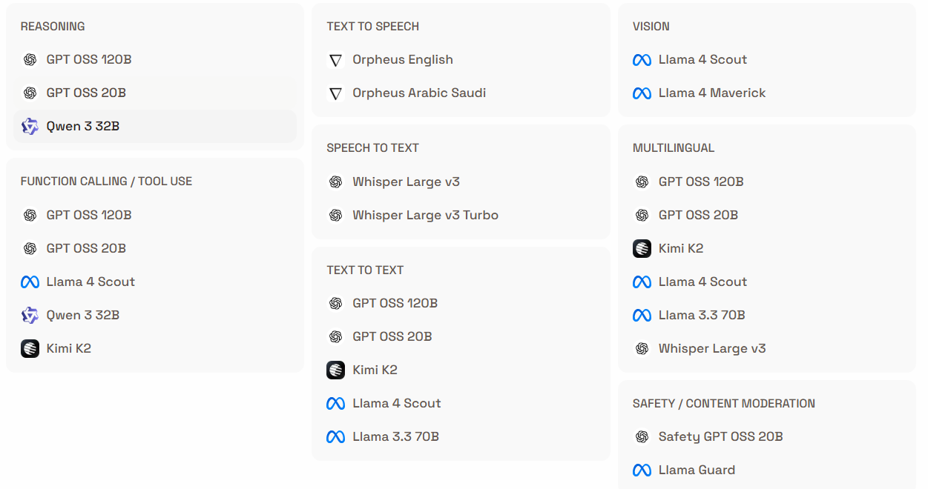
https://console.groq.com/home
Available models in Groq with purpose

