md file and mongo
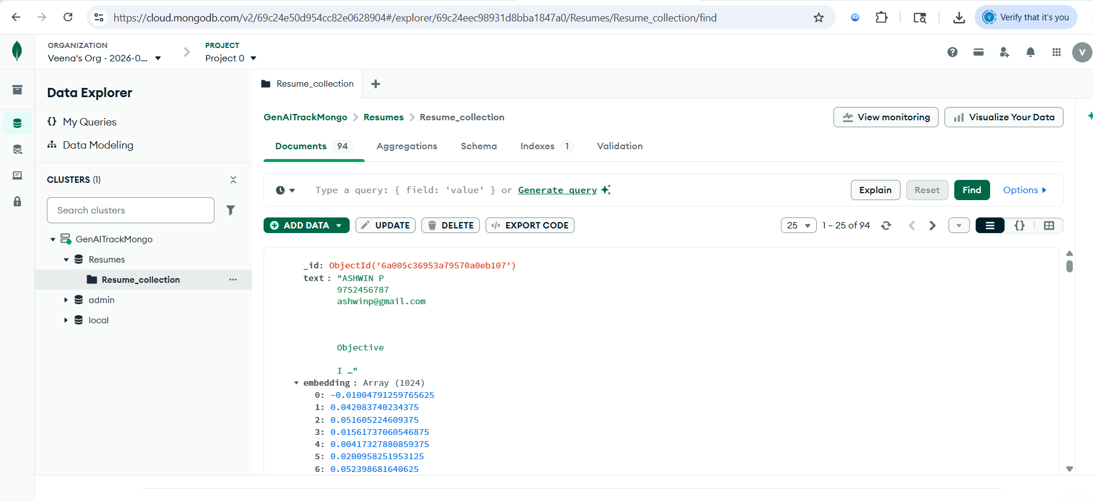
# 📄 Architecture: RAG-Based Resume Retrieval Chatbot

## Overview
This system is designed to ingest resumes, store them efficiently, and enable advanced retrieval using **BM25**, **vector embeddings**, and **LLM-based re-ranking/summarization**.
It provides an **end-to-end pipeline** for recruiters to search, rank, and summarize candidate resumes.

---

## 🛠 Tech Stack
- **Backend:** Node.js + Express + TypeScript
- **Database:** MongoDB (resume storage + metadata)
- **Vector Index:** Configurable (supports Mistral embeddings)
- **Frontend:** React.js (Axios with interceptors for API calls)
- **LLM Models:** Configurable (for embeddings, re-ranking, summarization)

---

## ⚙️ API Endpoints

| # | Endpoint | Purpose | Configurable Parameters |
|---|-----------|---------|--------------------------|
| 1 | `/health` | Health Check API | None |
| 2 | `/embedding` | Mistral Embedding API | Model, Embedding Dimensions |
| 3 | `/db/connect` | MongoDB Connectivity | Connection String |
| 4 | `/search/bm25` | BM25 Search | Index Name |
| 5 | `/search/vector` | Vector Search | Index Name |
| 6 | `/search/hybrid` | Hybrid Search (BM25 + Vector) | Index Name, BM25 %, Vector % |
| 7 | `/rerank` | LLM-Based Re-Ranking | Model |
| 8 | `/summarize` | LLM-Based Summarization | Model |
| 9 | `/pipeline/search` | Final End-to-End Resume Search | Orchestrates all above |

---

## 🔄 Pipeline Flow
1. **Resume Ingestion** → Stored in MongoDB + Vector Index.
2. **Search Request** → Query processed via BM25, Vector, or Hybrid.
3. **Re-Ranking** → LLM adjusts ranking based on contextual relevance.
4. **Summarization** → LLM generates concise candidate summaries.
5. **Final Response** → Delivered to frontend via orchestrated pipeline.

---

## 🖥 Frontend Integration
- **React.js** with **Axios interceptors**:
- Attach authentication tokens to requests.
- Handle errors and retries centrally.
- Display search results with summaries.

---

## 🏢 Enterprise Considerations
- **Scaling:** Connection pooling + horizontal scaling with load balancers.
- **Security:** Encrypt data in transit and at rest; enforce authentication.
- **Monitoring:** Health check endpoint + logging/metrics.

---

## 🚫 Exclusions
- No Docker/CI/CD pipeline (per project rules).

---

## ✅ Summary
This architecture ensures:
- **Flexible search** (keyword + semantic).
- **Enterprise-grade reliability** (scaling + security).
- **Recruiter-friendly output** (summarized resumes).
- **Configurable endpoints** for modularity and future expansion.

Backend endpoints
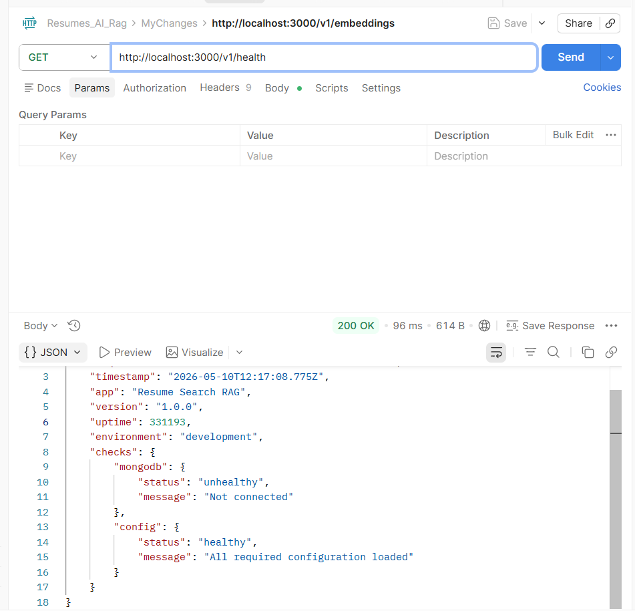

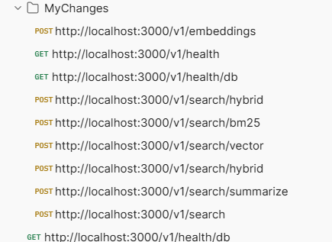

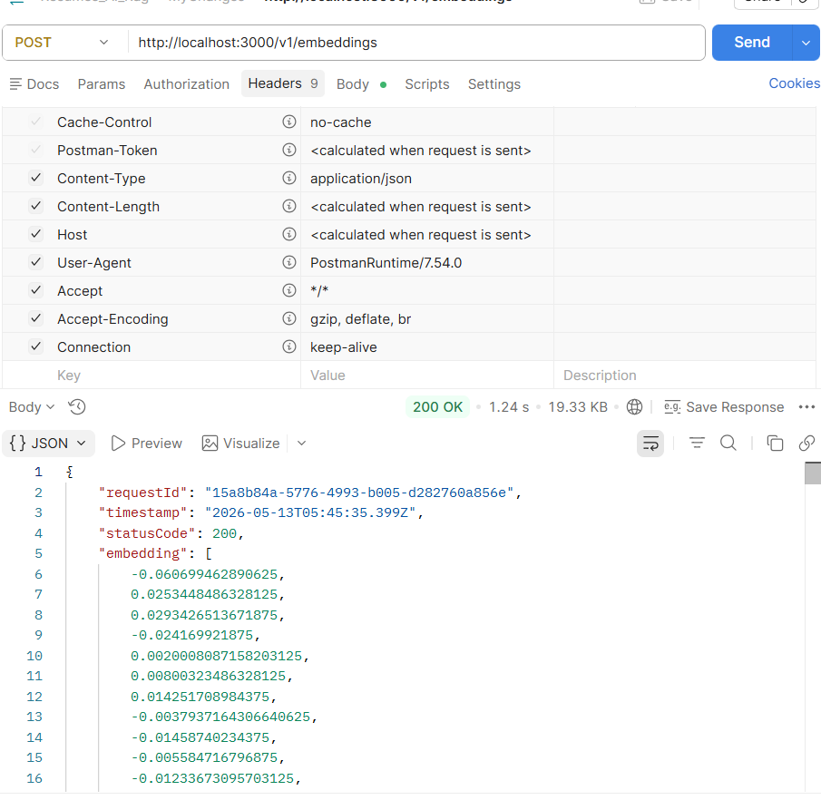

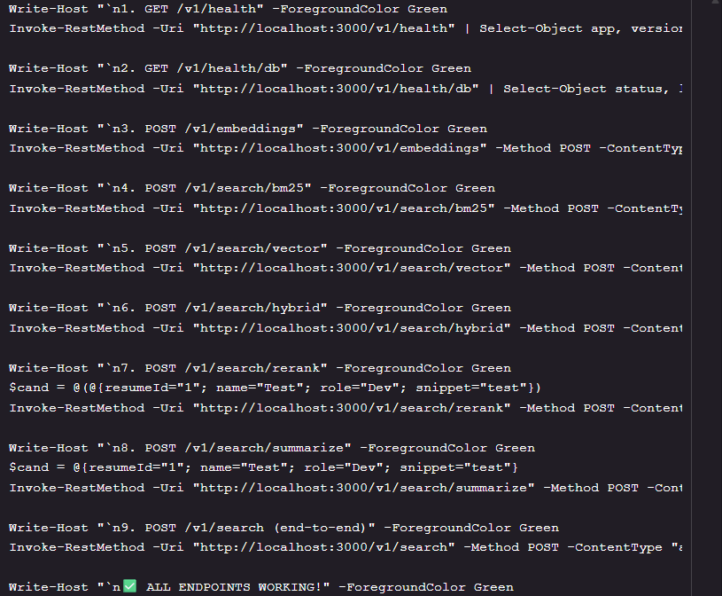

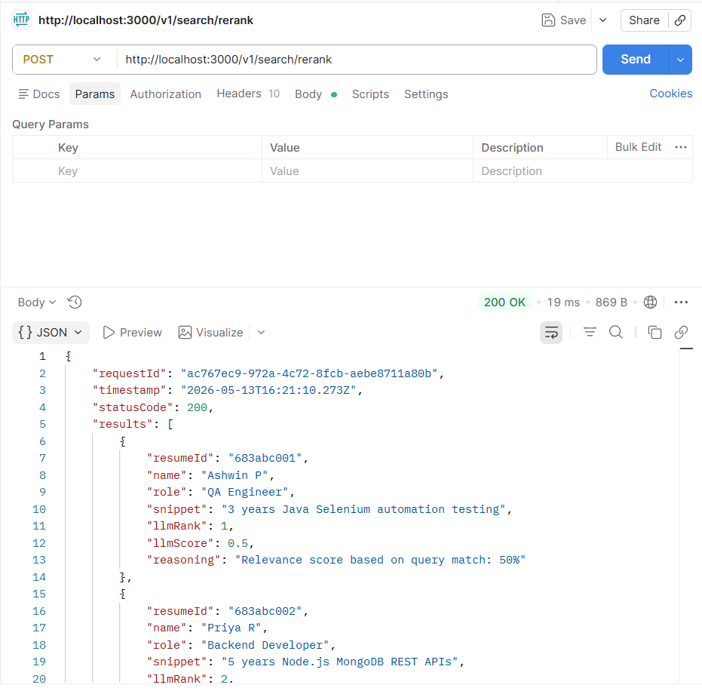
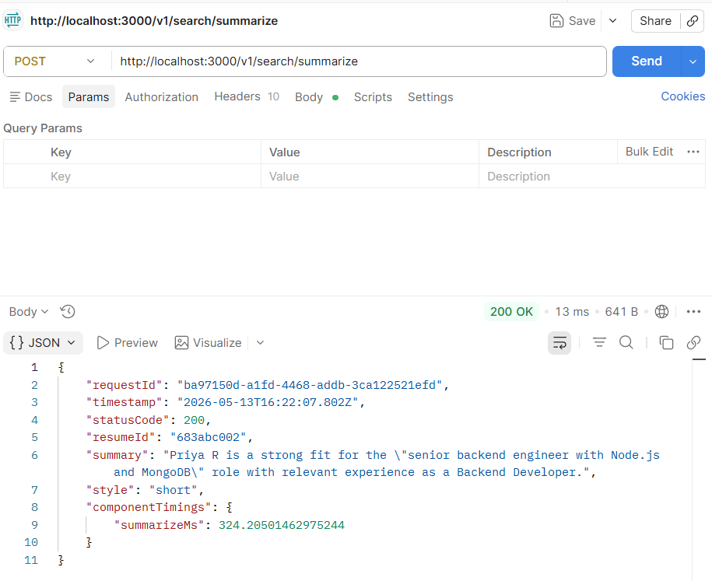

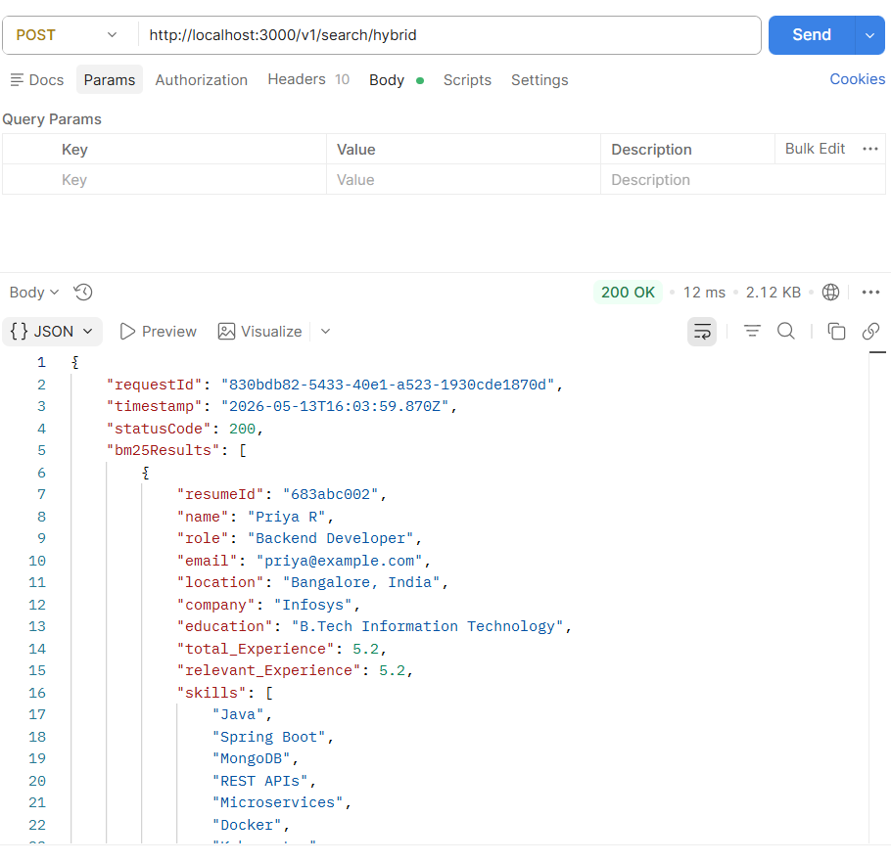
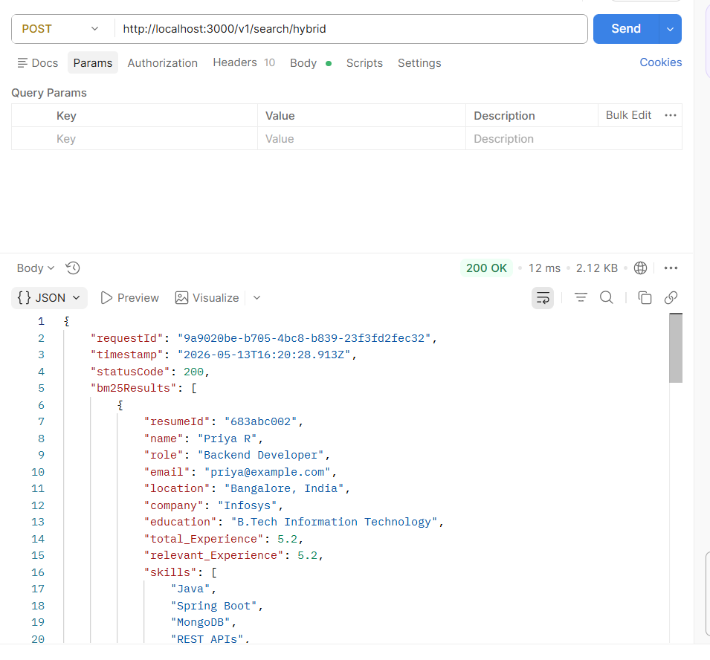

http://localhost:3000/v1/health

{
"requestId": "uuid",
"timestamp": "2026-05-13T15:46:04.867Z",
"app": "Resume Search RAG",
"version": "1.0.0",
"uptime": 427623,
"environment": "development",
"checks": {
"mongodb": {
"status": "unhealthy",
"message": "Not connected"
},
"config": {
"status": "healthy",
"message": "All required configuration loaded"
}
}
}

http://localhost:3000/v1/health/db
{
"requestId": "uuid",
"timestamp": "2026-05-13T15:46:04.867Z",
"status": "unhealthy",
"latencyMs": -1,
"indexes": [],
"message": "Database not connected",
"diagnostic": {
"isConnected": false,
"dbName": "Resumes",
"collectionName": "Resume_collection"
}
}

POST http://localhost:3000/v1/embeddings \
-H "Content-Type: application/json" \
-d '{
"input": "senior java developer with Spring Boot experience"
}'

{
"requestId": "uuid",
"timestamp": "2026-05-13T15:46:04.867Z",
"statusCode": 200,
"embedding": [0.012, -0.034, 0.056, ...],
"dimension": 1024,
"model": "mistral-embed",
"inputLength": 48,
"componentTimings": {
"embeddingMs": 120
}
}
```

---

POST http://localhost:3000/v1/search/bm25 \

{
"requestId": "uuid",
"timestamp": "2026-05-13T15:46:04.867Z",
"statusCode": 200,
"results": [
{
"resumeId": "683abc001",
"name": "Ashwin P",
"role": "QA Engineer",
"email": "ashwinp@gmail.com",
"location": "Chennai, India",
"company": "TCS",
"education": "B.E Computer Science",
"total_Experience": 3.3,
"relevant_Experience": 3.3,
"skills": ["Selenium", "Java", "TestNG", "Maven"],
"score": 4.82,
"snippet": "Ashwin P is an experienced Automation QA Engineer with 3.3 years of experience in test automation using Selenium and Java."
}
],
"count": 1,
"componentTimings": {
"bm25Ms": 145
},
"fallbacks": {
"vectorFallback": false,
"bm25Fallback": false,
"rerankFallback": false
}
}
```

---

POST http://localhost:3000/v1/search/vector \
-H "Content-Type: application/json" \
-d '{
"query": "automation testing selenium",
"topK": 5
}'

{
"requestId": "uuid",
"timestamp": "2026-05-13T15:46:04.867Z",
"statusCode": 200,
"results": [
{
"resumeId": "683abc001",
"name": "Ashwin P",
"role": "QA Engineer",
"email": "ashwinp@gmail.com",
"location": "Chennai, India",
"company": "TCS",
"education": "B.E Computer Science",
"total_Experience": 3.3,
"relevant_Experience": 3.3,
"skills": ["Selenium", "Java", "TestNG"],
"score": 0.91,
"similarityScore": 0.91,
"snippet": "Ashwin P is an experienced Automation QA Engineer..."
}
],
"count": 1,
"componentTimings": {
"vectorMs": 580
},
"fallbacks": {
"vectorFallback": false,
"bm25Fallback": false,
"rerankFallback": false
}
}

POST http://localhost:3000/v1/search/hybrid \
-H "Content-Type: application/json" \
-d '{
"query": "backend developer",
"topK": 10
}'

{
"requestId": "uuid",
"timestamp": "2026-05-13T15:46:04.867Z",
"statusCode": 200,
"bm25Results": [
{
"resumeId": "683abc002",
"name": "Priya R",
"role": "Backend Developer",
"score": 5.2,
"snippet": "Priya R is a backend developer with 5.2 years of experience..."
}
],
"vectorResults": [
{
"resumeId": "683abc002",
"name": "Priya R",
"role": "Backend Developer",
"score": 0.95,
"snippet": "Priya R is a backend developer with 5.2 years of experience..."
}
],
"mergedResults": [
{
"resumeId": "683abc002",
"name": "Priya R",
"role": "Backend Developer",
"email": "priya@example.com",
"location": "Chennai, India",
"company": "Infosys",
"education": "B.Tech IT",
"total_Experience": 5.2,
"relevant_Experience": 5.2,
"skills": ["Java", "Spring Boot", "MongoDB"],
"score": 0.95,
"snippet": "Priya R is a backend developer with 5.2 years of experience..."
}
],
"count": 1,
"componentTimings": {
"bm25Ms": 140,
"vectorMs": 560,
"mergeMs": 2
},
"fallbacks": {
"vectorFallback": false,
"bm25Fallback": false
}
}

POST http://localhost:3000/v1/search/rerank \
-H "Content-Type: application/json" \
-d '{
"query": "senior node.js backend engineer with MongoDB",
"candidates": [
{
"resumeId": "683abc001",
"name": "Ashwin P",
"role": "QA Engineer",
"snippet": "3 years Java Selenium automation testing"
},
{
"resumeId": "683abc002",
"name": "Priya R",
"role": "Backend Developer",
"snippet": "5 years Node.js MongoDB REST APIs"
}
],
"topK": 2
}'

{
"requestId": "uuid",
"timestamp": "2026-05-13T15:46:04.867Z",
"statusCode": 200,
"results": [
{
"resumeId": "683abc002",
"name": "Priya R",
"role": "Backend Developer",
"snippet": "5 years Node.js MongoDB REST APIs",
"llmRank": 1,
"llmScore": 0.95,
"reasoning": "Direct match on Node.js and MongoDB experience. 5 years of backend development aligns perfectly with senior role requirements."
},
{
"resumeId": "683abc001",
"name": "Ashwin P",
"role": "QA Engineer",
"snippet": "3 years Java Selenium automation testing",
"llmRank": 2,
"llmScore": 0.42,
"reasoning": "QA background with Java experience, but limited backend development and no Node.js/MongoDB experience."
}
],
"count": 2,
"componentTimings": {
"rerankMs": 533
}
}

POST http://localhost:3000/v1/search/summarize \
-H "Content-Type: application/json" \
-d '{
"query": "senior backend engineer with Node.js and MongoDB",
"candidate": {
"resumeId": "683abc002",
"name": "Priya R",
"role": "Backend Developer",
"snippet": "5 years Node.js, Express, MongoDB, REST APIs, microservices"
},
"style": "short",
"maxTokens": 300
}'

{
"requestId": "uuid",
"timestamp": "2026-05-13T15:46:04.867Z",
"statusCode": 200,
"resumeId": "683abc002",
"summary": "Priya is an excellent fit with 5 years of direct Node.js and MongoDB experience. Her background in REST APIs and microservices aligns perfectly with the senior backend engineer role.",
"style": "short",
"componentTimings": {
"summarizeMs": 435
}
}

POST http://localhost:3000/v1/search \
-H "Content-Type: application/json" \
-d '{
"query": "senior java developer with Spring Boot",
"topK": 10,
"filters": {
"experience": 3,
"location": "Chennai",
"skills": ["Java"]
},
"summarize": true,
"summarizeStyle": "detailed"
}'
```

"requestId": "uuid",
"timestamp": "2026-05-13T15:46:04.867Z",
"results": [
{
"resumeId": "683abc002",
"name": "Priya R",
"role": "Backend Developer",
"email": "priya@example.com",
"location": "Chennai, India",
"company": "Infosys",
"education": "B.Tech IT",
"total_Experience": 5.2,
"relevant_Experience": 5.2,
"skills": ["Java", "Spring Boot", "MongoDB"],
"score": 0.95,
"snippet": "Priya R is a backend developer with 5.2 years of experience in Java and Spring Boot development.",
"summary": "Priya is an excellent fit for the senior Java developer role. With 5.2 years of experience in Java and Spring Boot, she has the exact technical skills required. Her background in MongoDB and REST API development demonstrates strong backend engineering capabilities. She exceeds the minimum 3 years experience requirement and is based in Chennai as preferred."
}
],
"count": 1,
"componentTimings": {
"embeddingMs": 0,
"bm25Ms": 145,
"vectorMs": 560,
"mergeMs": 2,
"rerankMs": 620,
"summarizeMs": 1840
},
"fallbacks": {
"vectorFallback": false,
"bm25Fallback": false,
"rerankFallback": false
}
}

FrontEnd
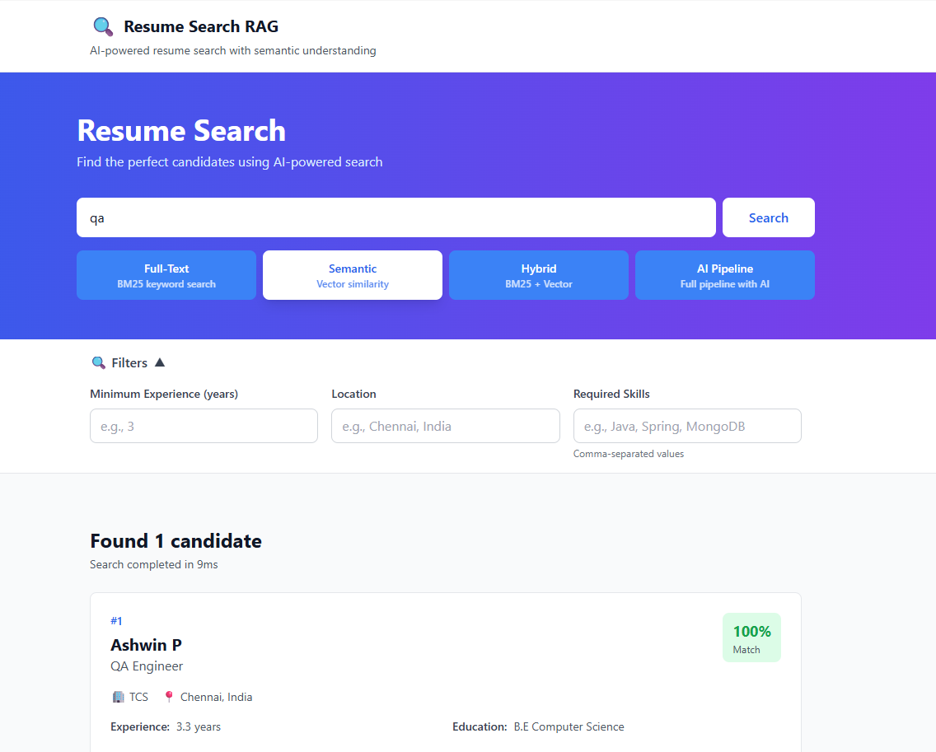
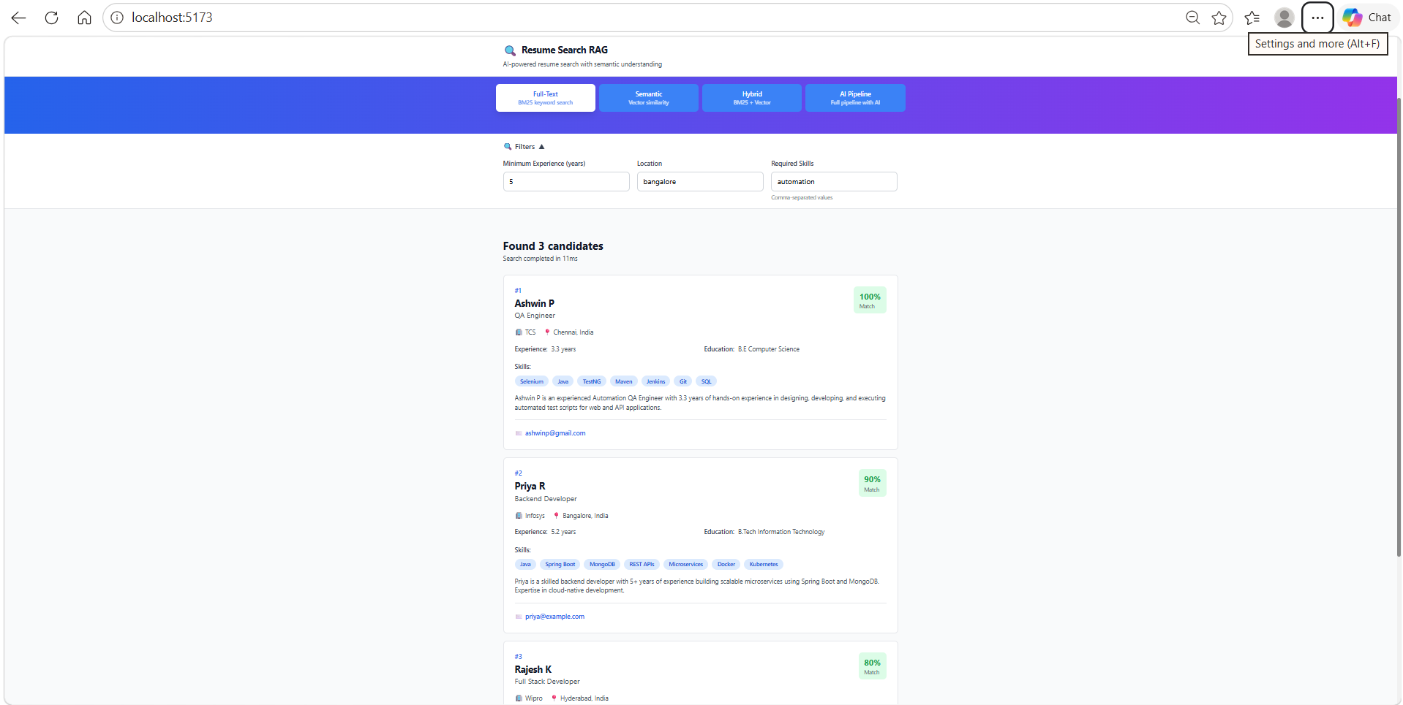
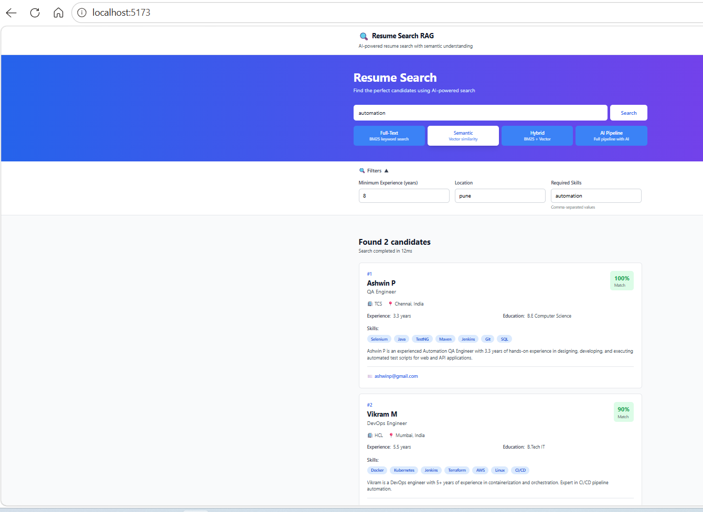
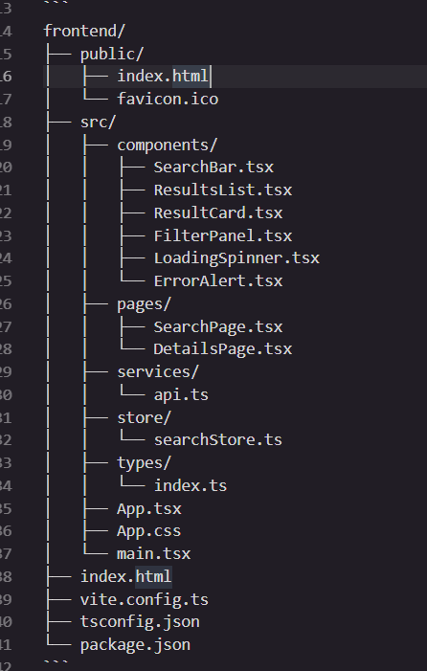
### ✅ Components Implemented | ## Features Implemented

1. **SearchBar** - Search input with type selector | ### Search Functionality
2. **FilterPanel** - Advanced filtering options | - ✅ Query input
3. **ResultCard** - Individual result display | - ✅ Search type selector (BM25, Vector, Hybrid, AI Pipeline)
4. **ResultsList** - Results container | - ✅ Real-time search execution
5. **LoadingSpinner** - Loading indicator | - ✅ Loading states
6. **ErrorAlert** - Error display
 | ### Filtering
### ✅ Services & State | - ✅ Experience filter
 | - ✅ Location filter
1. **API Client** - Axios-based API integration | - ✅ Skills filter
2. **Zustand Store** - State management | - ✅ Collapsible filter panel
3. **TypeScript Types** - Full type safety
 | ### Results Display
### ✅ Configuration | - ✅ Result cards with ranking
 | - ✅ Score/match percentage
1. **Vite Config** - Build and dev server setup | - ✅ Skills display
2. **Tailwind Config** - Styling configuration | - ✅ AI summaries
3. **TypeScript Config** - Type checking | - ✅ LLM reasoning
4. **PostCSS Config** - CSS processing | - ✅ Contact information

 | ### Error Handling
 | - ✅ Network error handling
 | - ✅ API error messages
 | - ✅ User-friendly error display
 | - ✅ Error dismissal

 | ### Performance
 | - ✅ Search timing display
 | - ✅ Result count display
 | - ✅ Loading indicators
 | - ✅ Responsive design

