Sheet1
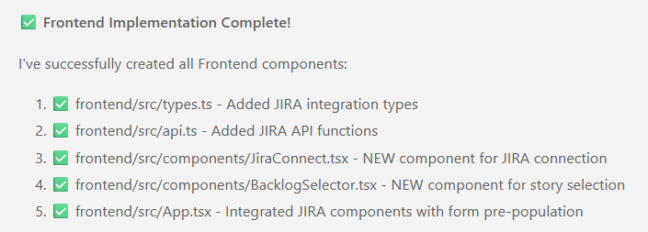
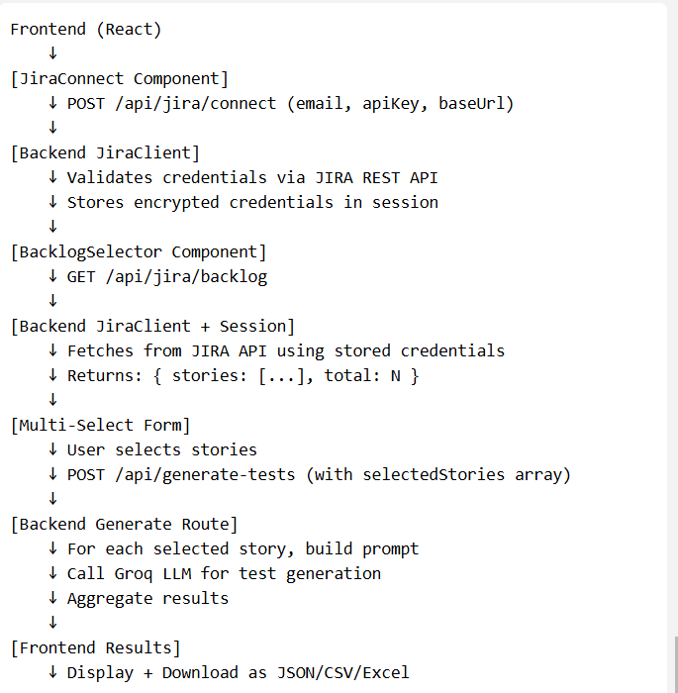
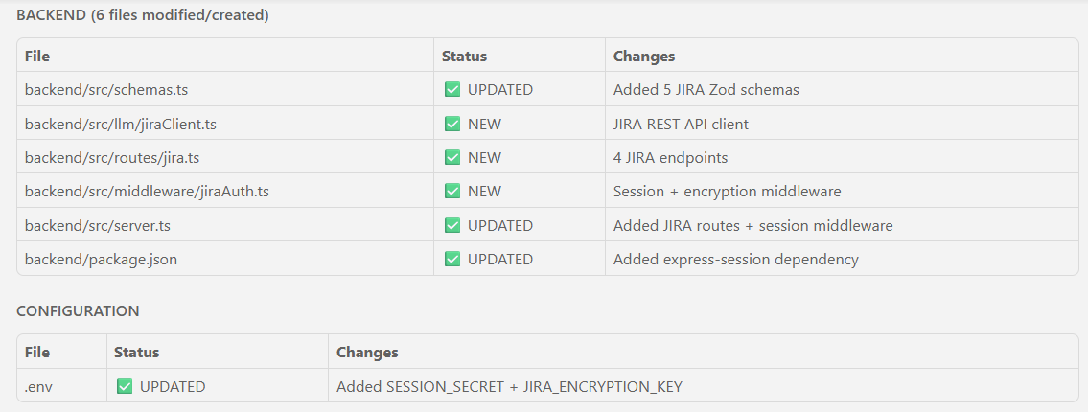
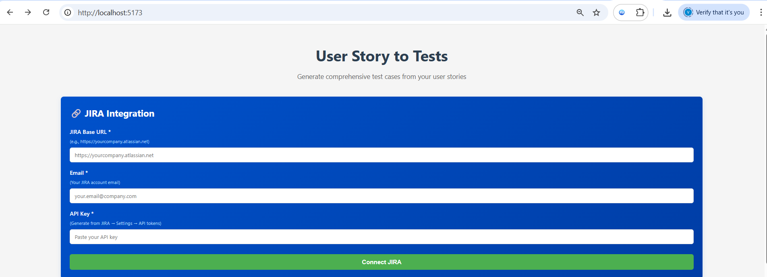
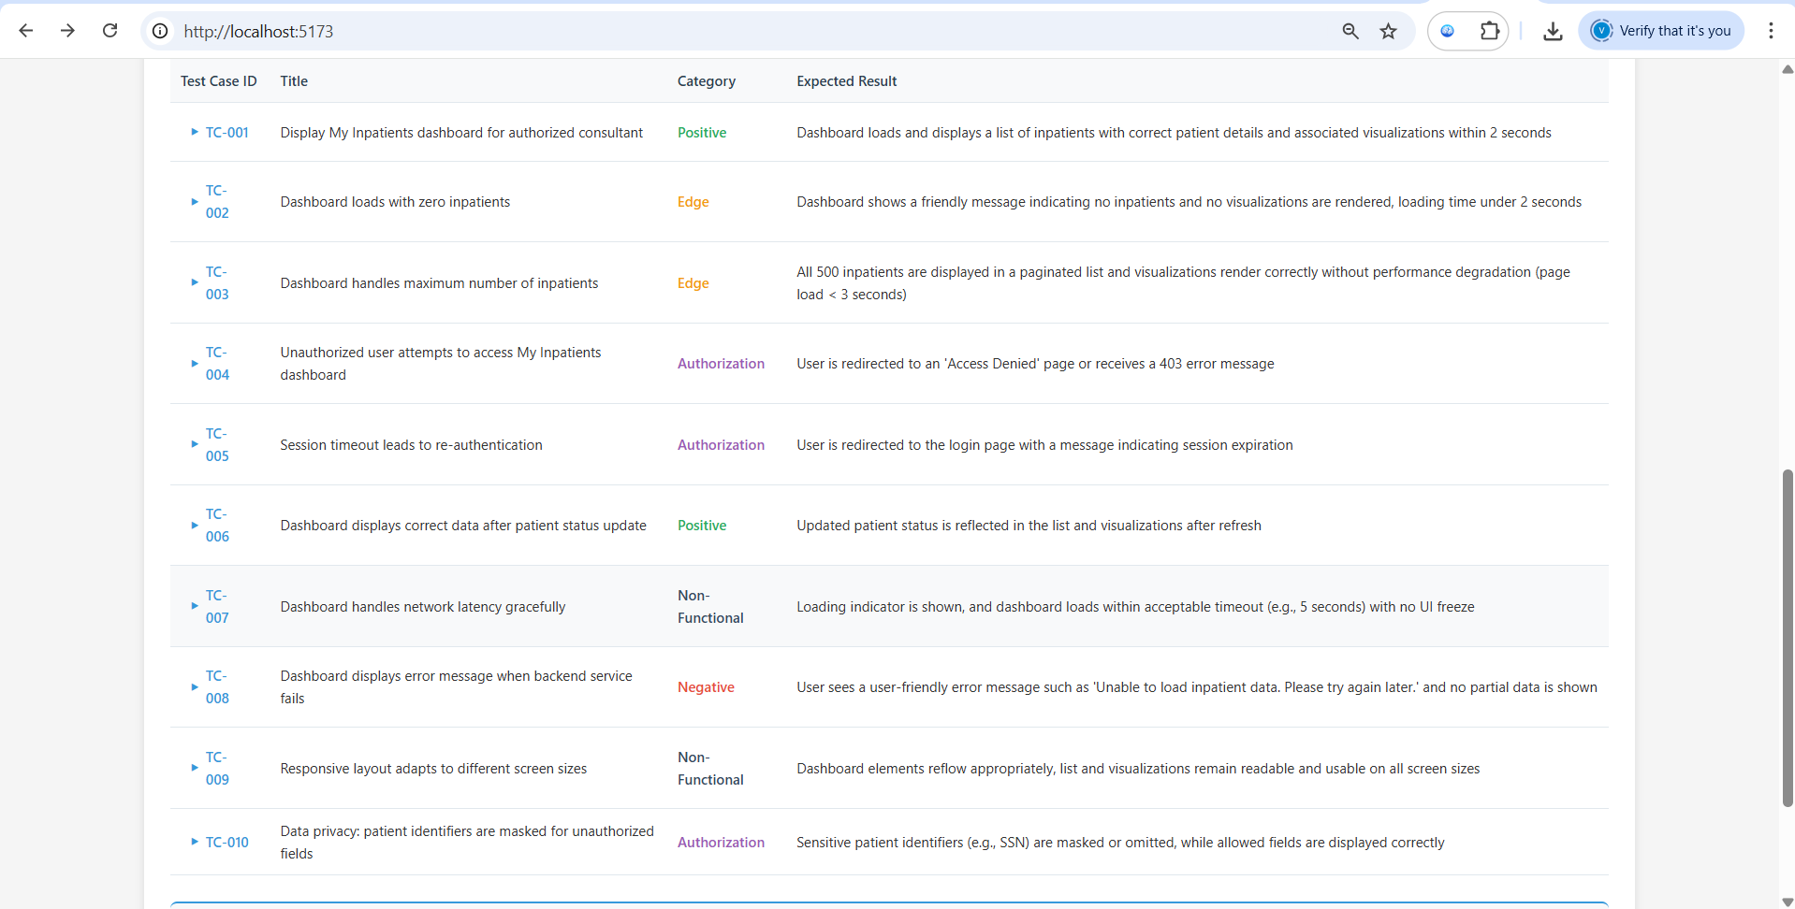
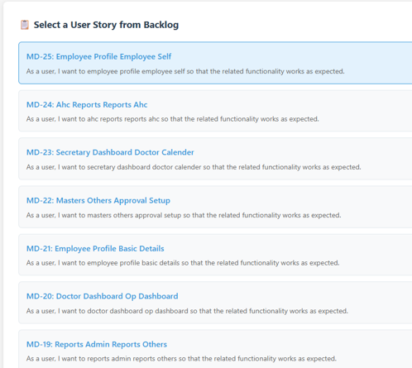
ASK:
Read my entire workspace and understand how I implemented the front end and backend

I want to add the "Connect JIRA" button from where the jira connectivity should be made

JIRA API Key
Jira base url
email id

I want to see all the userstories in backlog after connecting to JIRA account

After selecting user stories I want them in my user stories to the testcase generator as input details

show me the files impacted and details needed to add for both frontend and backend

6. Tech stack
Front End - React Js
Language -- Typescript
Back End -- Node Js
LLM Integration ---Groq

Agent mode
Implement all the necessary changes for both front-end and back-end, and ask for approval for each file change

