Sheet1
Name Of The Algorithm |  |  |  | Overall Accuracy |  |  | Class-Wise-Accuracy-One |  |  | Claas-Wise-Accuracy-Two |  |  |  | Class-Wise-Accuracy-Three

Logistic Regression |  |  |  | 87.76% |  |  |  | 0% |  |  | 87.76% |  |  |  | 0%

Single Layer Perceptron |  |  |  | 92% |  |  |  | 0% |  |  | 92% |  |  |  | 0%

Multi-Layer-Perceptron |  |  |  | 94% |  |  |  | 97% |  |  | 93% |  |  |  | 99%

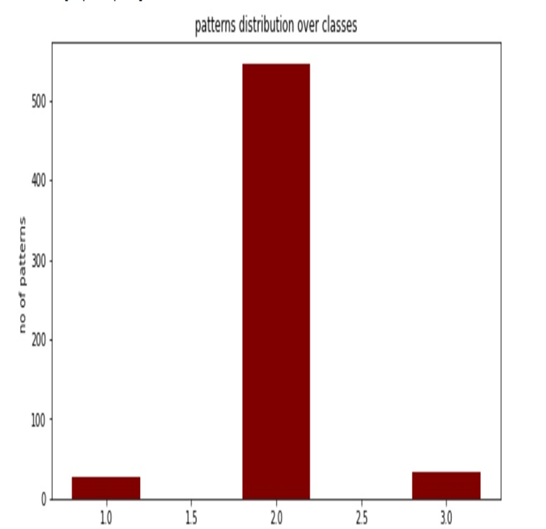

 |  |  |  |  |  |  |  | Name Of The Algorithm |  |  | Precision-Class one |  |  |  | Precision-Class-two | Precision-Class-three

 |  |  |  |  |  |  |  | Logistic Regression |  |  |  | 0 |  |  | 1 | 0

 |  |  |  |  |  |  |  | Single Layer Perceptron |  |  |  | 0 |  |  | 1 | 0

 |  |  |  |  |  |  |  | Multi-Layer-Perceptron |  |  |  | 0.78 |  |  | 0.92 | 0

 |  |  |  |  |  |  |  | Name Of The Algorithm |  |  | Recall-Class-one |  |  |  | Recall-Class-two | Recall-Class-three

 |  |  |  |  |  |  |  | Logistic Regression |  |  |  | 0 |  |  | 0.8776 | 0

 |  |  |  |  |  |  |  | Single Layer Perceptron |  |  |  | 0 |  |  | 0.92 | 0

 |  |  |  |  |  |  |  | Multi-Layer-Perceptron |  |  |  | 0.97 |  |  | 0.93 | 0.99

 |  | the given dataset has class imbalance problem. So I used the techniques undersampling and oversampling to solve that problem.

 |  |  |  |  | Here I used Logistic Regression Algorithm
 | Name Of The Technique Used |  |  |  |  | Overall-Accuracy |  |  | Class-Wise-Accuracy-One |  |  |  | Class-Wise-Accuracy-Two |  |  | Class-Wise-Accuracy-Three

 |  | Undersampling Technique |  |  |  | 77.20% |  |  | 86.60% |  |  |  | 75% |  |  |  | 71.40%

 |  | Oversampling Techinque |  |  |  | 80.50% |  |  | 90.40% |  |  |  | 74.10% |  |  |  | 76.80%

 |  |  |  | 5-FOLD CROSS VALIDATION
 |  | I have used the MLP algorithm |  |  | here
 | Fold Number |  |  |  | Accuracy

 | Fold-1 |  |  |  | 91.80%

 | Fold-2 |  |  |  | 92.50%

 | Fold-3 |  |  |  | 66.10%

 | Fold-4 |  |  |  | 92.50%

 | Fold-5 |  |  |  | 89.20%

 | Average Accuracy = |  | 86.40%

