Dashboard
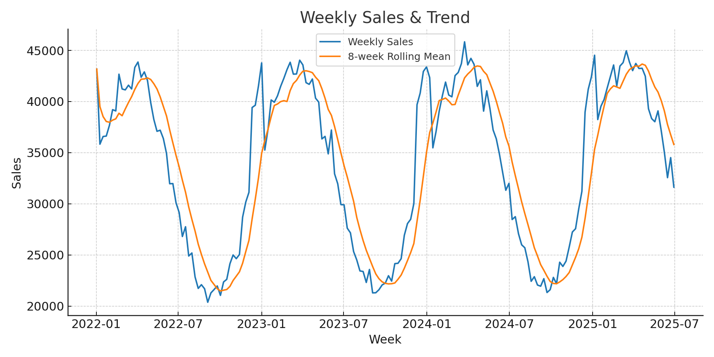
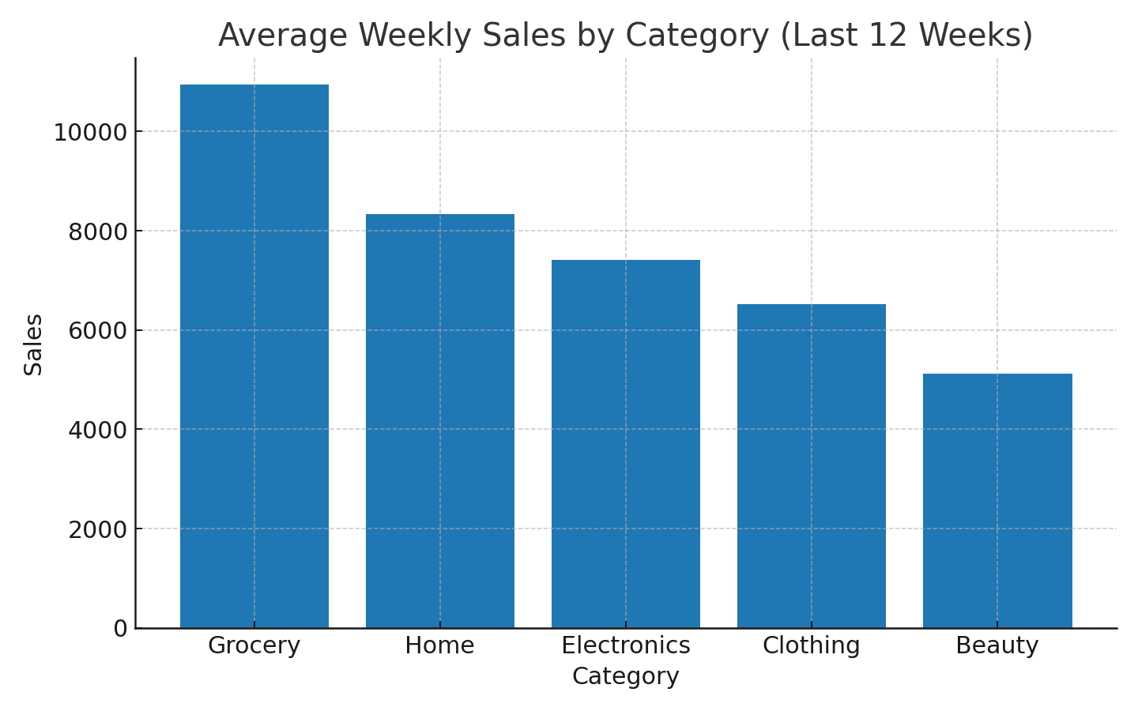
Sales Forecasting Dashboard
Project by Veer Wakhariya

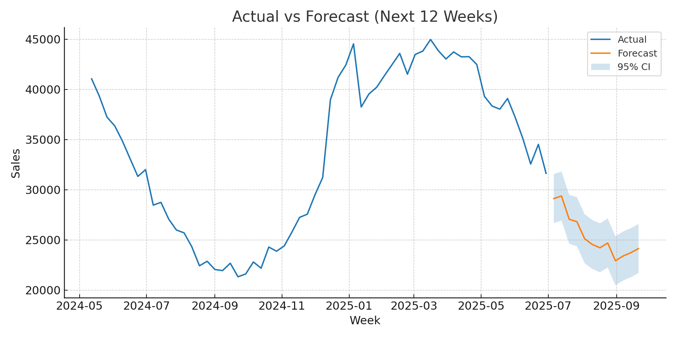
 | Latest Week Sales | 31,624
 | 8-week Avg | 35,798
 | Next 12W Forecast (Total) | 305,096

