Sheet1
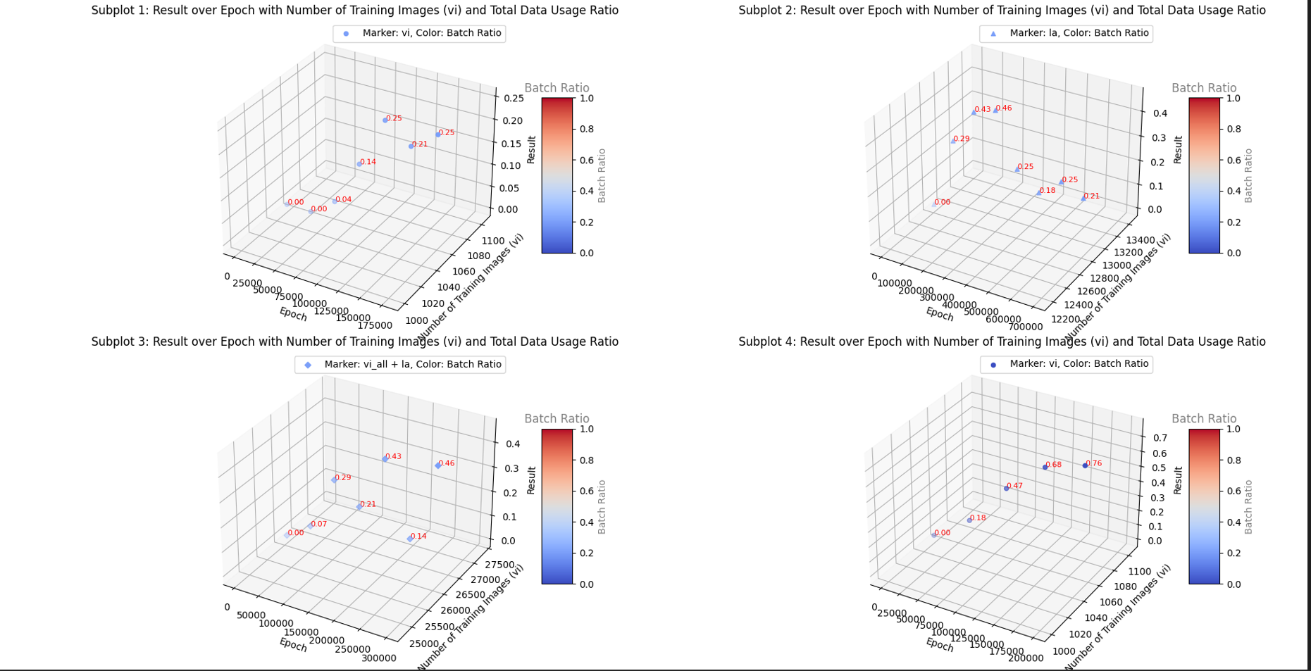

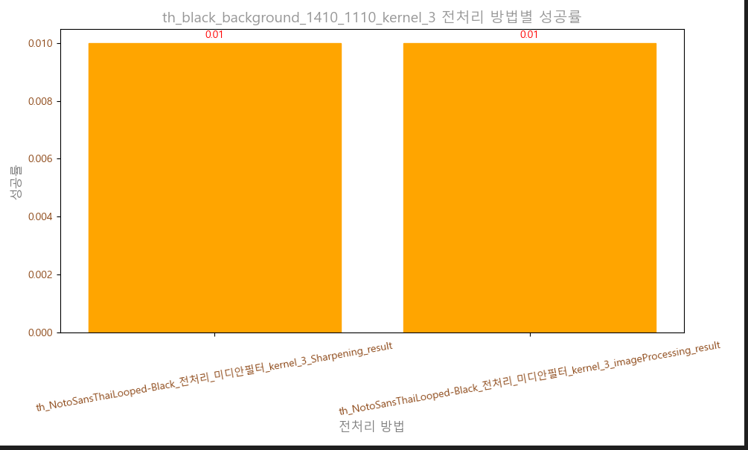

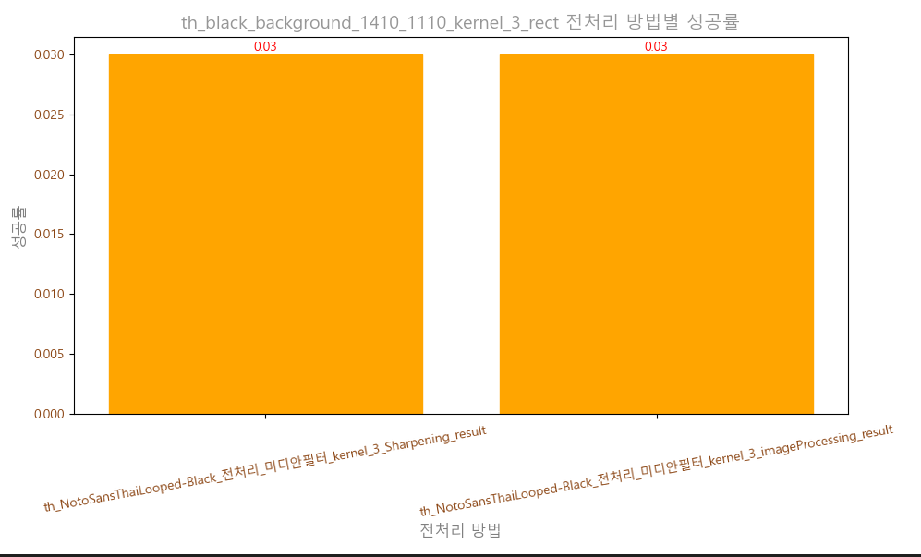

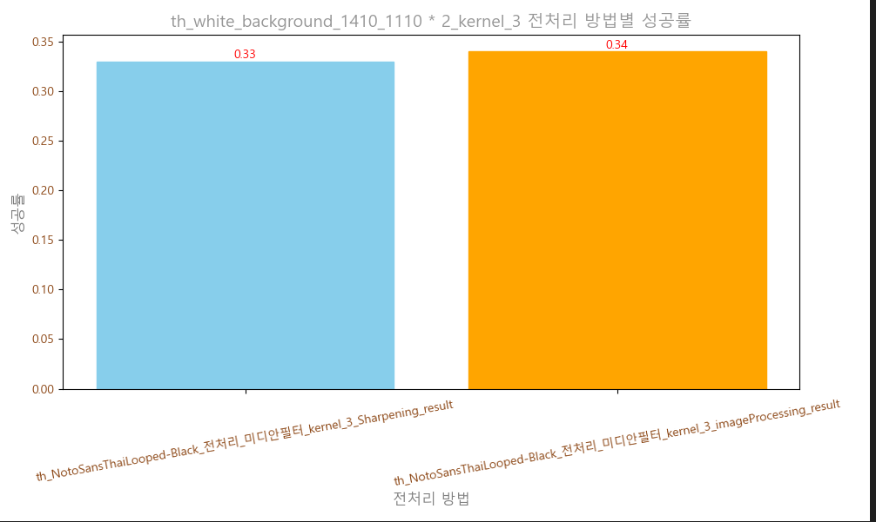

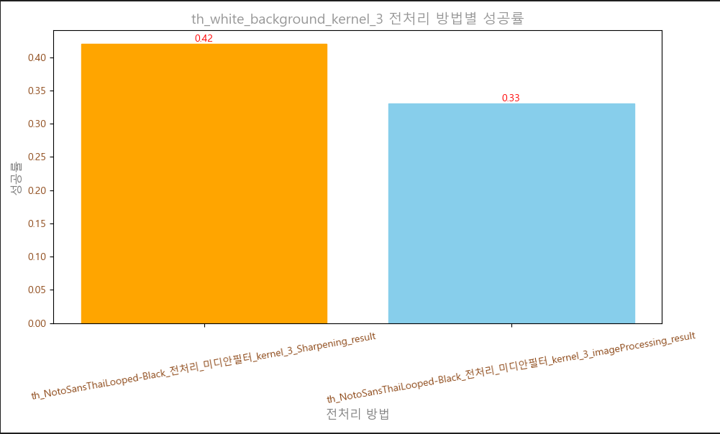

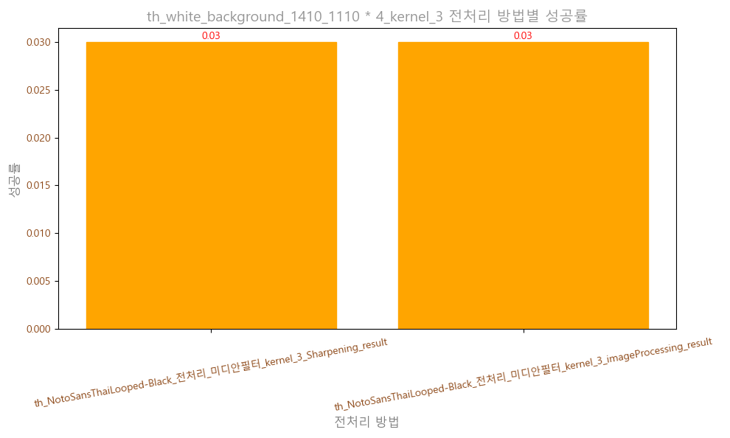

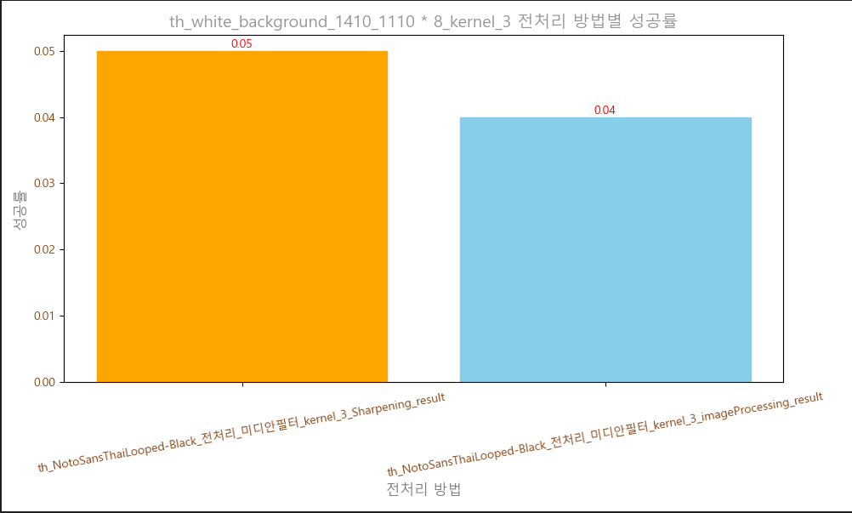

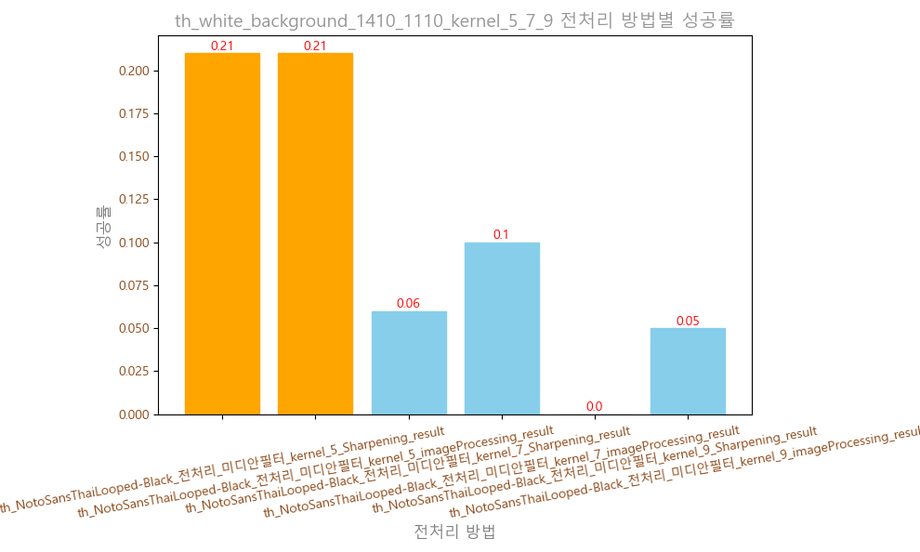

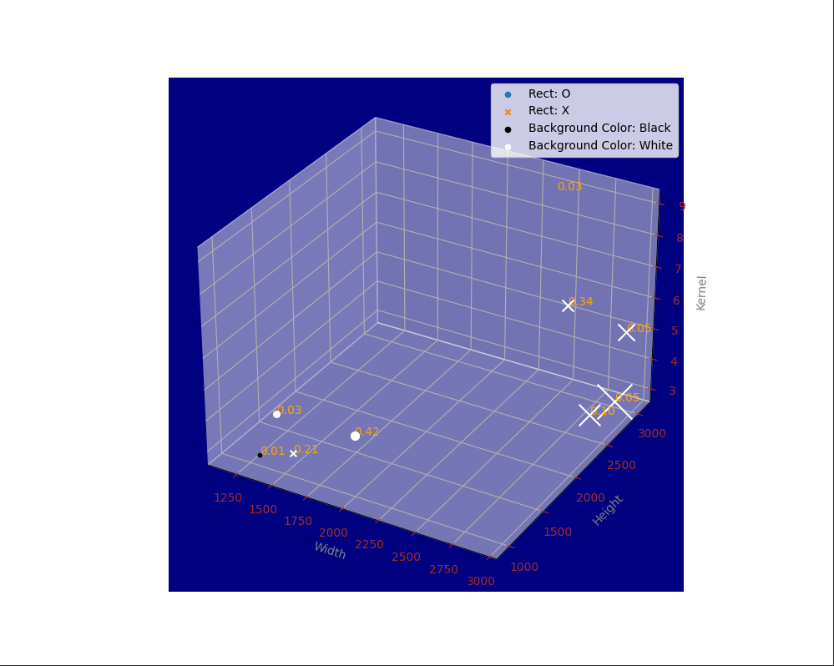

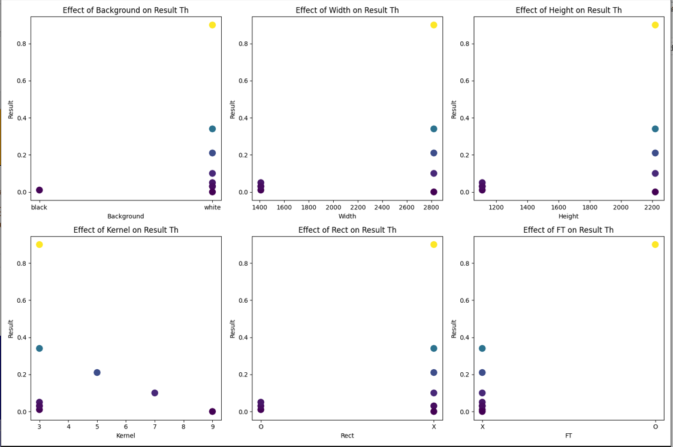

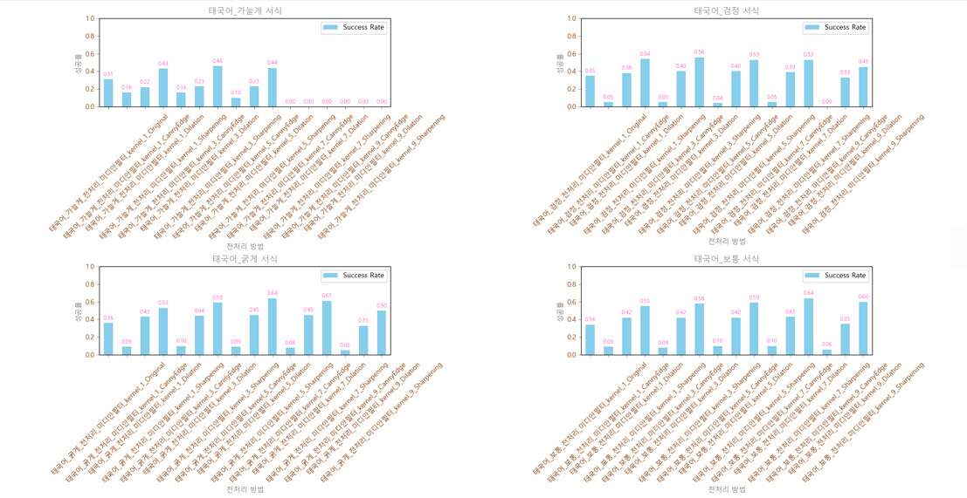

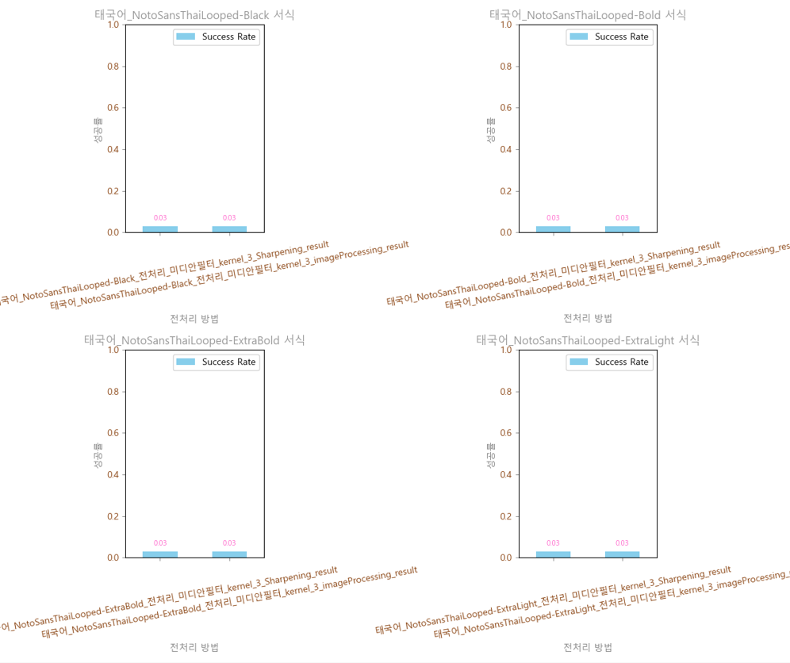

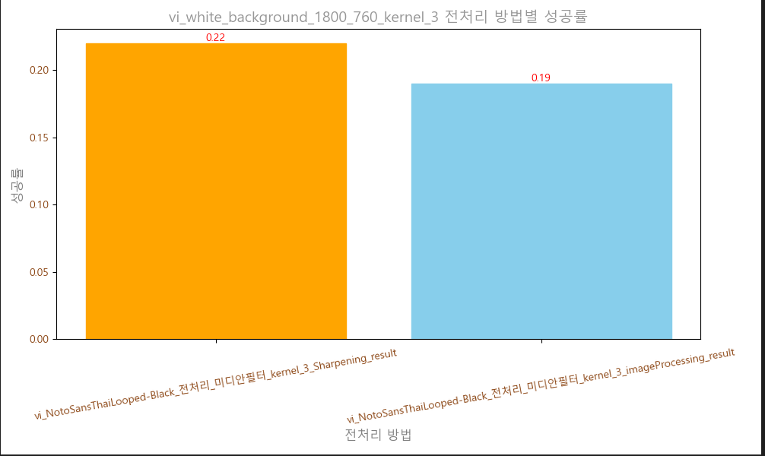

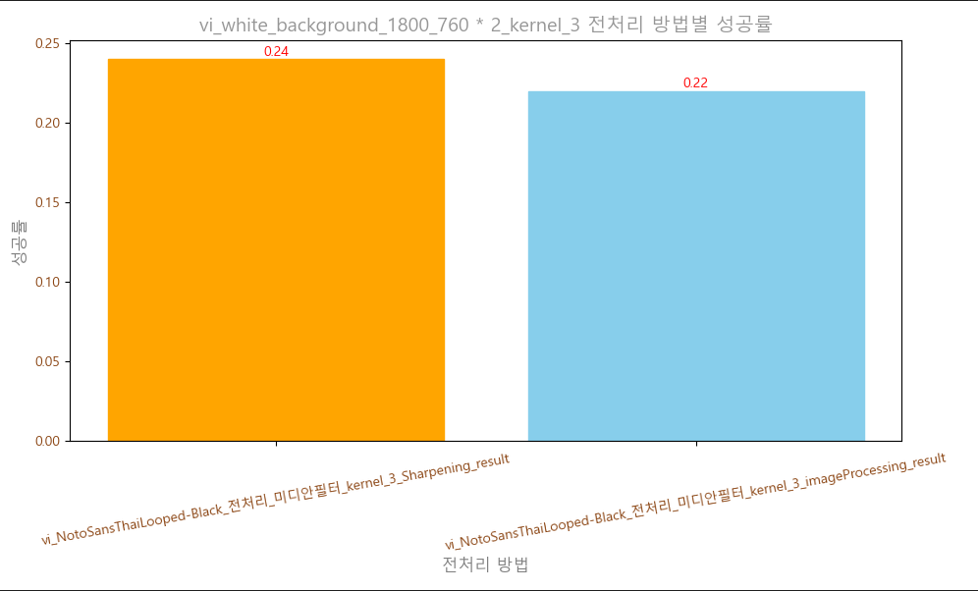



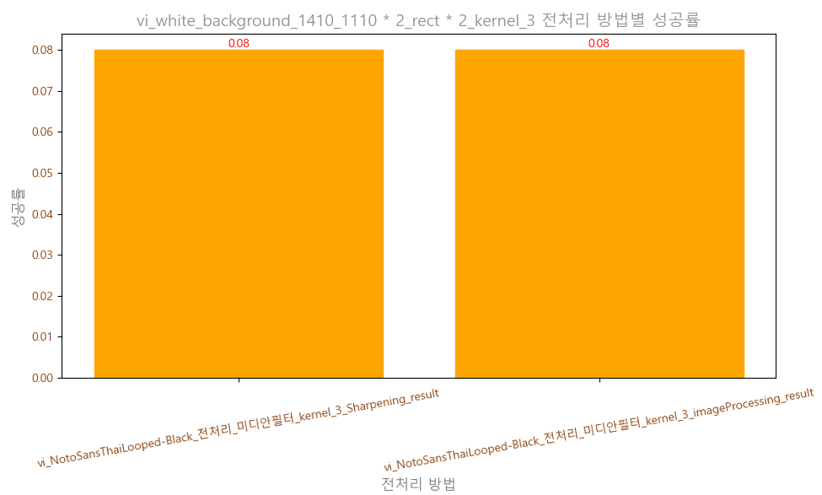

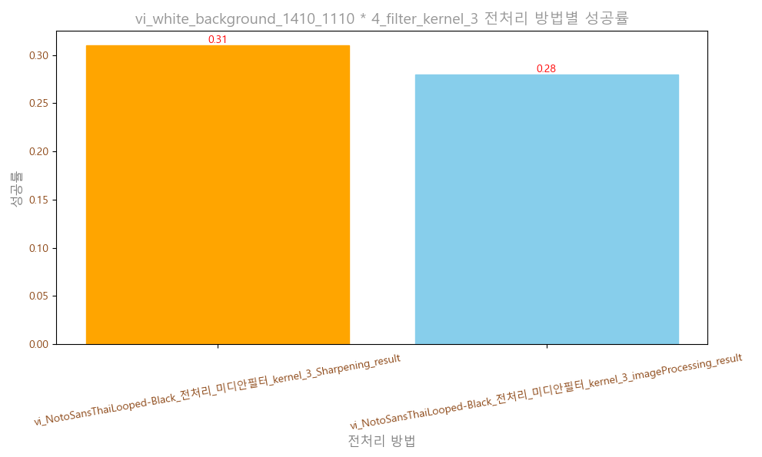

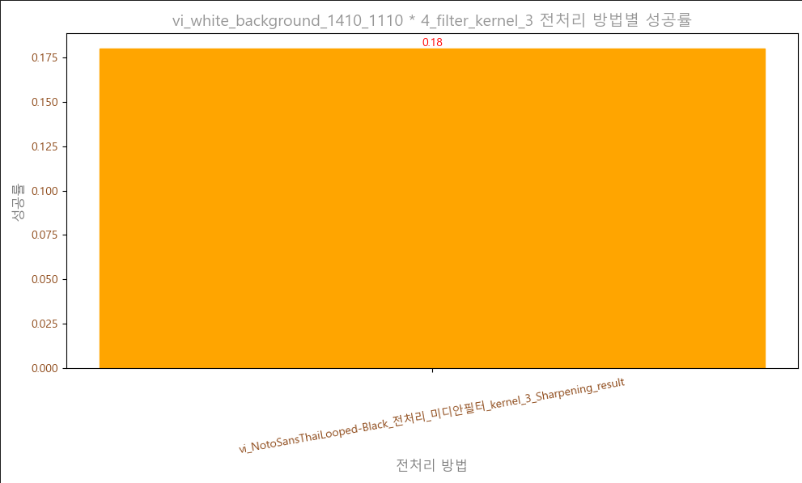

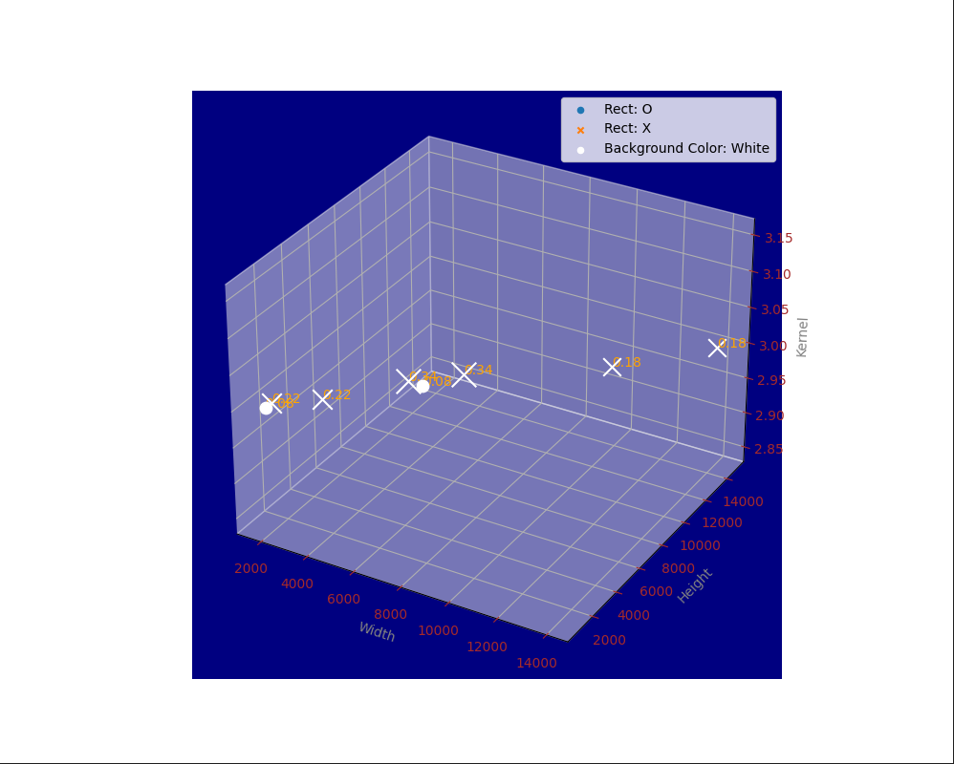

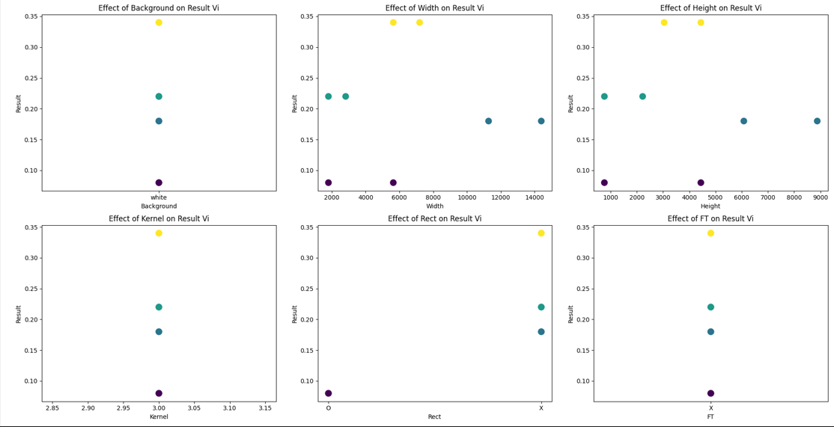

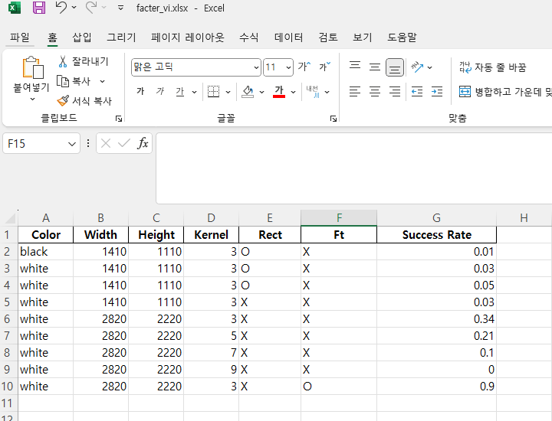

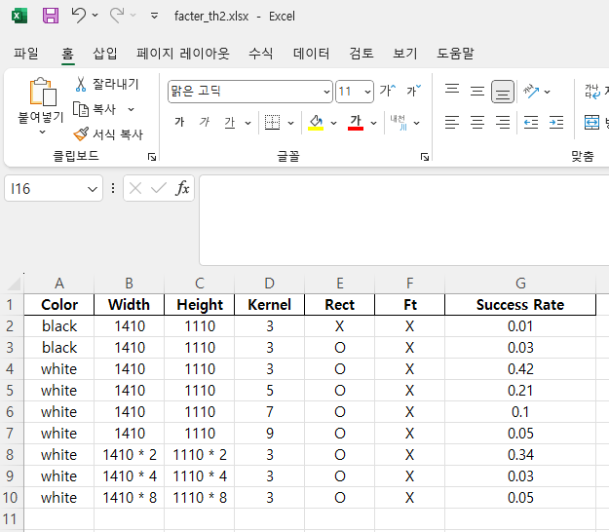

result | batch_ratio | total_data_uwage_ratio | number)of_training_images | lan_of_training_images | model
0.61 | 1 | 0.5 | 16832 | th | None-VGG-BiLSTM-CTC-Seed1111
0.52 | 1 | 0.5 | 16832 | th | TPS-ResNet-BiLSTM-Attn-Seed1111

train_loss | epoch | batch_ratio | total_data_uwage_ratio | number)of_training_images | lan_of_training_images | model
3.93 | 1000 | 0.5 | 0.5 | 767799 | th | None-VGG-BiLSTM-CTC-Seed1111
1.1 | 2000 | 0.5 | 0.5 | 767799 | th | None-VGG-BiLSTM-CTC-Seed1111
0.24 | 4000 | 0.5 | 0.5 | 767799 | th | None-VGG-BiLSTM-CTC-Seed1111

train_loss | epoch | batch_ratio | total_data_uwage_ratio | number)of_training_images | lan_of_training_images | model
1.4 | 100 | 0.5 | 0.5 | 767799 | th | None-VGG-BiLSTM-Attn-Seed1111
0.05 | 3000 | 0.5 | 0.5 | 767799 | th | None-VGG-BiLSTM-Attn-Seed1111
0.03 | 4000 | 0.5 | 0.5 | 767799 | th | None-VGG-BiLSTM-Attn-Seed1111
0.02 | 6000 | 0.5 | 0.5 | 767799 | th | None-VGG-BiLSTM-Attn-Seed1111

