Backwardpropagation Math
How Deep Neural Networks Work
https://www.youtube.com/watch?v=ILsA4nyG7I0&t=5s

Userful Book!!!
http://neuralnetworksanddeeplearning.com/

Demo1
http://colah.github.io/posts/2014-03-NN-Manifolds-Topology/
Demo2
https://distill.pub/2017/momentum/

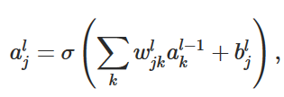

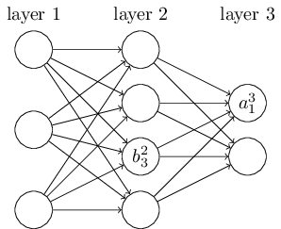
 |  |  |  | <==> |  |  |  |  | <==>

 |  |  |  |  |  | we call zl the weighted input to the neurons in layer l.
 |  |  | =

 |  |  |  |  |  | zlj is just the weighted input to the activation function for neuron j in layer l.

 | The two assumptions we need about the cost function

 | The goal of backpropagation is to compute the partial derivatives ∂C/∂w and ∂C/∂b of the cost function C with respect to any weight w or bias b in the network.

 | cost function
 |  |  | n is the total number of training examples
 |  |  | the sum is over individual training examples, x;
 |  |  | y=y(x) is the corresponding desired output
 |  |  | L denotes the number of layers in the network
 |  |  | aL=aL(x) is the vector of activations output from the network when x is input.

 | The first assumption we need is that the cost function can be written as an average C=1n∑xCx over cost functions Cx for individual training examples, x.
 | This is the case for the quadratic cost function

 | The reason we need this assumption is
 | because what backpropagation actually lets us do is compute the partial derivatives ∂Cx/∂w and ∂Cx/∂b for a single training example
 | We then recover ∂C/∂w and ∂C/∂b by averaging over training examples

 | we'll suppose the training example x has been fixed
 | and drop the x subscript, writing the cost Cx as C
 | We'll eventually put the x back in

 | The second assumption we make about the cost
 | is that it can be written as a function of the outputs from the neural network:
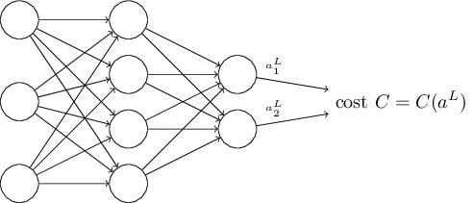

 | For example, the quadratic cost function satisfies this requirement
 |  |  | a: activation

 |  |  | Vectorized Form

 | The four fundamental equations behind backpropagation

 | Backpropagation is about understanding how changing the weights and biases in a network changes the cost function
 | Ultimately, this means computing the partial derivatives ∂C/∂wljk and ∂C/∂blj

 | we first introduce an intermediate quantity, δlj,
 | which we call the error in the jth neuron in the lth layer

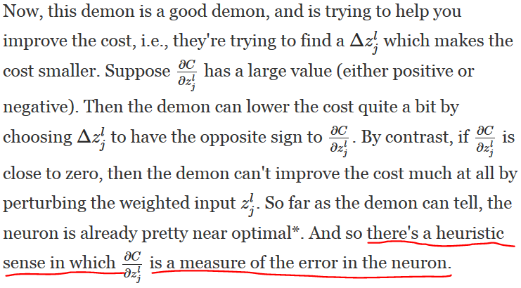

 | We expect derivitive of C is zero,
 | That means C is at the local minium

 | If derivitive of func x squared is 0, means we reach the bottom of it.

 | An equation for the error in the output layer, δLδL:

 |  |  |  | Matrix-based form

 |  |  |  |  | BP1 Proof:
 |  |  |  |  |  | (1)

 | The first term on the right, ∂C/∂aLj∂C/∂ajL, |  |  |  |  | (2)
 | just measures how fast the cost is changing as a function of the jthjthoutput activation.

 |  |  |  |  |  | (3)

 | The second term on the right, σ′(zLj)σ′(zjL), |  |  |  |  | (4)
 | measures how fast the activation function σσ is changing at zLjzjL. |  |  |  |  | (5)

 |  |  |  |  |  | (6)

 | An equation for the error δlδl in terms of the error in the next layer, δl+1δl+1:
 |  |  |  |  | BP2 Proof:
 |  |  |  |  |  | (1)

 | we can think intuitively of this as moving the error backwardthrough the network, |  |  |  |  | (2)
 | giving us some sort of measure of the error at the output of the lthlth layer.
 | By combining (BP2) with (BP1) we can compute the error δlδl for any layer in the network. |  |  |  |  | (3) |  |  |  | (42)
 |  | We start by using (BP1) to compute δLδL,
 |  | then apply Equation (BP2) to compute δL−1δL−1, |  |  |  | (4) | According to Neural Network definition,
 |  | then Equation (BP2) again to compute δL−2δL−2
 |  | and so on, all the way back through the network.
 |  |  |  |  |  | (5) | Differentiating (4) on both sides,

 |  |  |  |  |  | (6) | Subsituting back into step(3)

 | An equation for the rate of change of the cost with respect to any bias in the network:

 |  |  |  |  | BP3 Proof: | (1)

 |  |  |  |  |  | (2) | = | ∂C/∂b * ∂b/∂z

 |  |  |  |  |  | (3)

 |  |  |  |  |  | (4) | Differentiating (3) on both sides,
 |  |  |  |  |  |  | ∂Z/∂b = 1

 |  |  |  |  |  | (5) | Subsituting back into step (2),

 | An equation for the rate of change of the cost with respect to any weight in the network:

 |  |  |  |  | BP4 Proof:
 |  |  |  |  |  | (1)

 |  |  |  |  |  | (2) | = | ∂C/∂w * ∂w/∂z

 |  |  |  |  |  | (3)
 |  |  |  |  |  |  | w = z/a + b/a

 |  |  |  |  |  | (4) | Differentiating (3) on both sides,
 |  |  |  |  |  |  | ∂w/∂z = 1/a
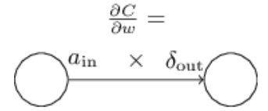
 |  |  |  |  |  | (5) | Subsituting back into step (2),

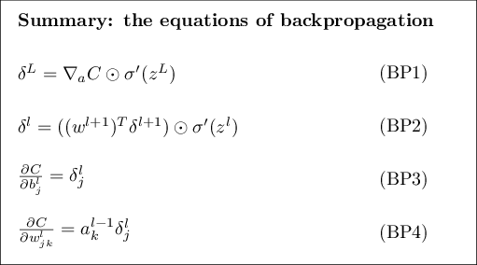
 | The backpropagation algorithm

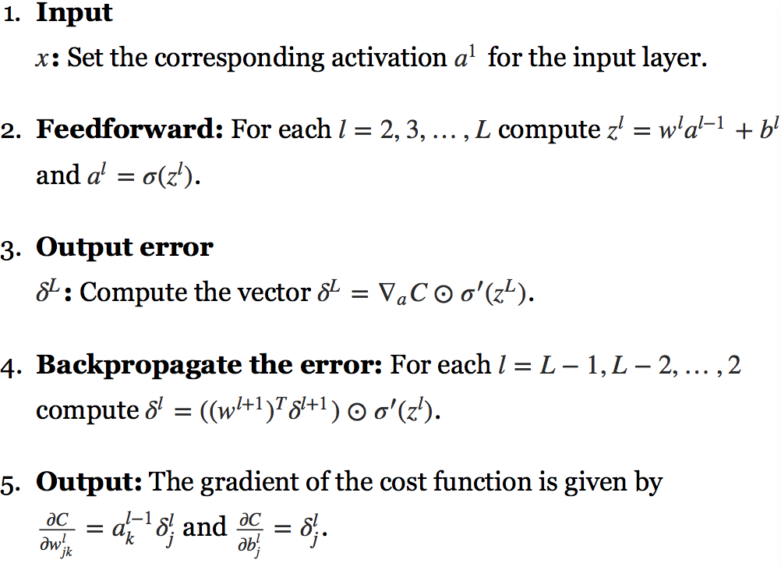

 | In what sense is backpropagation a fast algorithm?

 | What's clever about backpropagation is that it enables us to simultaneously compute all the partial derivatives ∂C/∂wj∂C/∂wj using just one forward pass through the network,
 | followed by one backward pass through the network.

 | Roughly speaking, the computational cost of the backward pass is about the same as the forward pass
 | And so the total cost of backpropagation is roughly the same as making just two forward passes through the network.

 | Compare that to the million and one forward passes we needed for the approach based on (46)!

 | That, in turn, caused a rush of people using neural networks.

Backwardpropagation Method
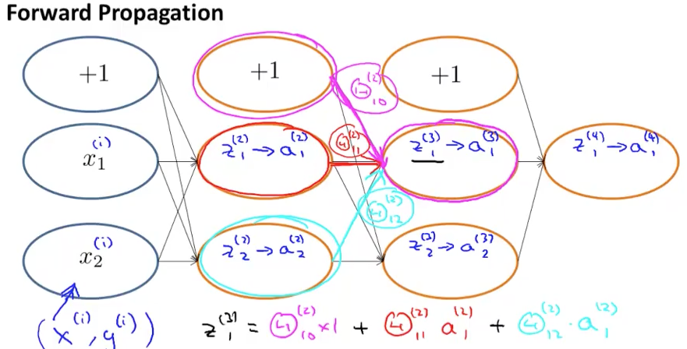
https://www.coursera.org/learn/machine-learning/supplement/pjdBA/backpropagation-algorithm

Backpropagation Algorithm

"Backpropagation" is neural-network terminology for minimizing our cost function,
just like what we were doing with gradient descent in logistic and linear regression. Our goal is to compute:

minΘ​J(Θ)

look at the equations we use to compute the partial derivative of J(Θ):

To do so, we use the following algorithm:

Intuition

