Backwardpropagation Math
How Deep Neural Networks Work
https://www.youtube.com/watch?v=ILsA4nyG7I0&t=5s

Userful Book!!!
http://neuralnetworksanddeeplearning.com/

Demo1
http://colah.github.io/posts/2014-03-NN-Manifolds-Topology/
Demo2
https://distill.pub/2017/momentum/

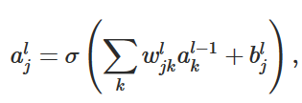

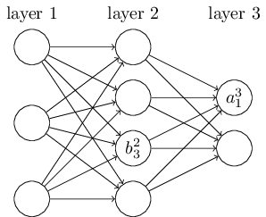
 |  |  |  | <==> |  |  |  |  | <==>

 |  |  |  |  |  | we call zl the weighted input to the neurons in layer l.
 |  |  | =

 |  |  |  |  |  | zlj is just the weighted input to the activation function for neuron j in layer l.

 | The two assumptions we need about the cost function

 | The goal of backpropagation is to compute the partial derivatives ∂C/∂w and ∂C/∂b of the cost function C with respect to any weight w or bias b in the network.

 | cost function
 |  |  | n is the total number of training examples
 |  |  | the sum is over individual training examples, x;
 |  |  | y=y(x) is the corresponding desired output
 |  |  | L denotes the number of layers in the network
 |  |  | aL=aL(x) is the vector of activations output from the network when x is input.

 | The first assumption we need is that the cost function can be written as an average C=1n∑xCx over cost functions Cx for individual training examples, x.
 | This is the case for the quadratic cost function

 | The reason we need this assumption is
 | because what backpropagation actually lets us do is compute the partial derivatives ∂Cx/∂w and ∂Cx/∂b for a single training example
 | We then recover ∂C/∂w and ∂C/∂b by averaging over training examples

 | we'll suppose the training example x has been fixed
 | and drop the x subscript, writing the cost Cx as C
 | We'll eventually put the x back in

 | The second assumption we make about the cost
 | is that it can be written as a function of the outputs from the neural network:
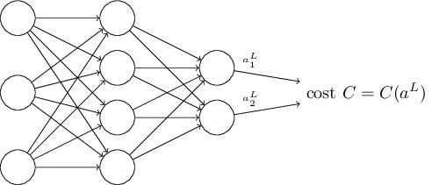

 | For example, the quadratic cost function satisfies this requirement
 |  |  | a: activation

 |  |  | Vectorized Form

 | The four fundamental equations behind backpropagation

 | Backpropagation is about understanding how changing the weights and biases in a network changes the cost function
 | Ultimately, this means computing the partial derivatives ∂C/∂wljk and ∂C/∂blj

 | we first introduce an intermediate quantity, δlj,
 | which we call the error in the jth neuron in the lth layer

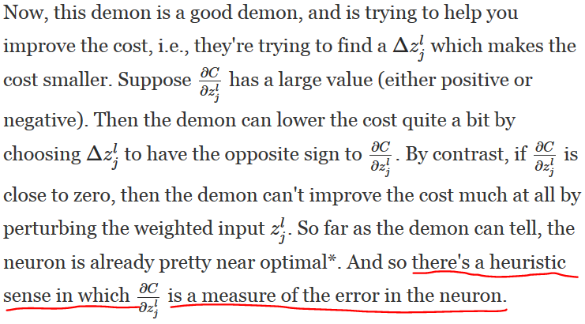

 | We expect derivitive of C is zero,
 | That means C is at the local minium

 | If derivitive of func x squared is 0, means we reach the bottom of it.

 | An equation for the error in the output layer, δLδL:

 |  |  |  | Matrix-based form

 |  |  |  |  | BP1 Proof:
 |  |  |  |  |  | (1)

 | The first term on the right, ∂C/∂aLj∂C/∂ajL, |  |  |  |  | (2)
 | just measures how fast the cost is changing as a function of the jthjthoutput activation.

 |  |  |  |  |  | (3)

 | The second term on the right, σ′(zLj)σ′(zjL), |  |  |  |  | (4)
 | measures how fast the activation function σσ is changing at zLjzjL. |  |  |  |  | (5)

 |  |  |  |  |  | (6)

 | An equation for the error δlδl in terms of the error in the next layer, δl+1δl+1:
 |  |  |  |  | BP2 Proof:
 |  |  |  |  |  | (1)

 | we can think intuitively of this as moving the error backwardthrough the network, |  |  |  |  | (2)
 | giving us some sort of measure of the error at the output of the lthlth layer.
 | By combining (BP2) with (BP1) we can compute the error δlδl for any layer in the network. |  |  |  |  | (3) |  |  |  | (42)
 |  | We start by using (BP1) to compute δLδL,
 |  | then apply Equation (BP2) to compute δL−1δL−1, |  |  |  | (4) | According to Neural Network definition,
 |  | then Equation (BP2) again to compute δL−2δL−2
 |  | and so on, all the way back through the network.
 |  |  |  |  |  | (5) | Differentiating (4) on both sides,

 |  |  |  |  |  | (6) | Subsituting back into step(3)

 | An equation for the rate of change of the cost with respect to any bias in the network:

 |  |  |  |  | BP3 Proof: | (1)

 |  |  |  |  |  | (2) | = | ∂C/∂b * ∂b/∂z

 |  |  |  |  |  | (3)

 |  |  |  |  |  | (4) | Differentiating (3) on both sides,
 |  |  |  |  |  |  | ∂Z/∂b = 1

 |  |  |  |  |  | (5) | Subsituting back into step (2),

 | An equation for the rate of change of the cost with respect to any weight in the network:

 |  |  |  |  | BP4 Proof:
 |  |  |  |  |  | (1)

 |  |  |  |  |  | (2) | = | ∂C/∂w * ∂w/∂z

 |  |  |  |  |  | (3)
 |  |  |  |  |  |  | w = z/a + b/a

 |  |  |  |  |  | (4) | Differentiating (3) on both sides,
 |  |  |  |  |  |  | ∂w/∂z = 1/a
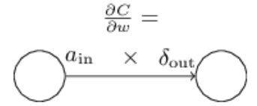
 |  |  |  |  |  | (5) | Subsituting back into step (2),

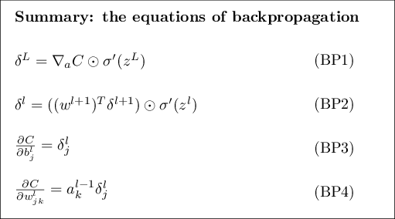
 | The backpropagation algorithm

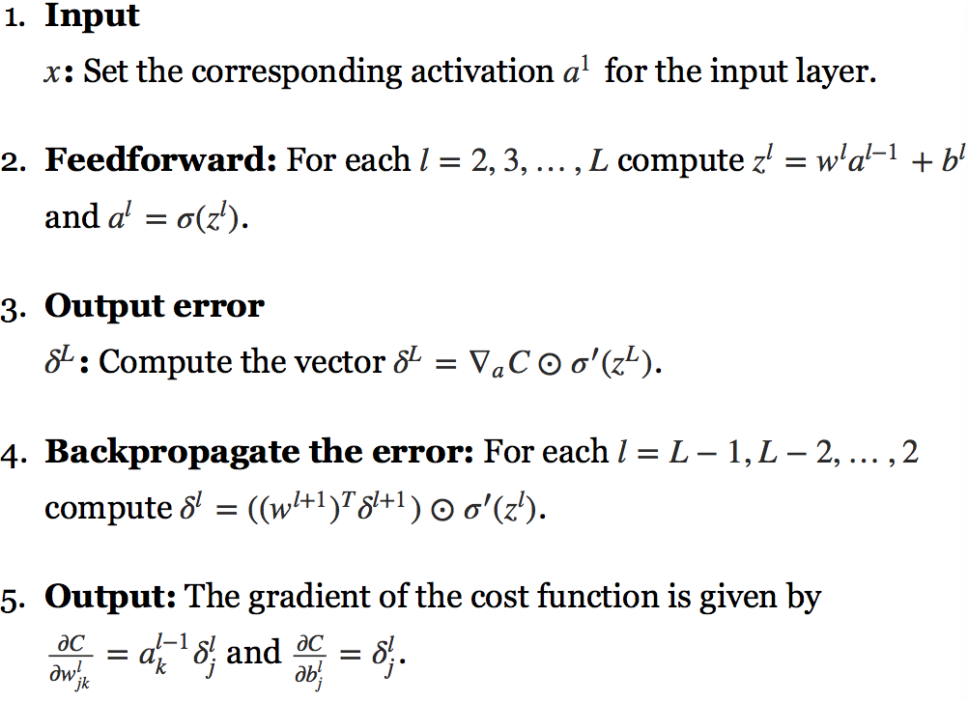

 | In what sense is backpropagation a fast algorithm?

 | What's clever about backpropagation is that it enables us to simultaneously compute all the partial derivatives ∂C/∂wj∂C/∂wj using just one forward pass through the network,
 | followed by one backward pass through the network.

 | Roughly speaking, the computational cost of the backward pass is about the same as the forward pass
 | And so the total cost of backpropagation is roughly the same as making just two forward passes through the network.

 | Compare that to the million and one forward passes we needed for the approach based on (46)!

 | That, in turn, caused a rush of people using neural networks.

Proof - derivitive of sigmoid
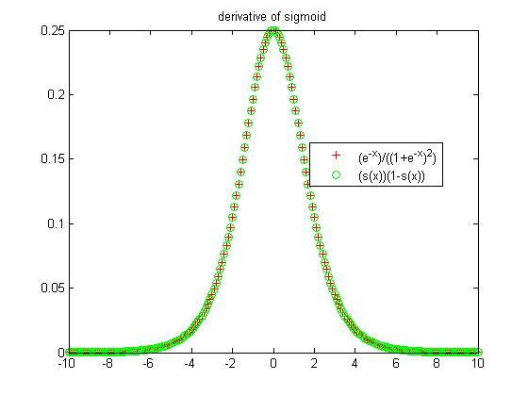
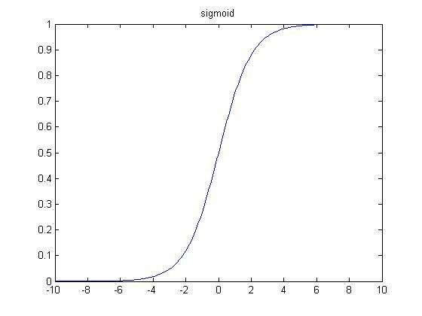
 | https://math.stackexchange.com/questions/78575/derivative-of-sigmoid-function-sigma-x-frac11e-x
More Details | http://kawahara.ca/how-to-compute-the-derivative-of-a-sigmoid-function-fully-worked-example/ | x=-10:0.1:10;
 |  | s = 1./(1+exp(-x));
 | Method A: | figure; plot(x,s); title('sigmoid');
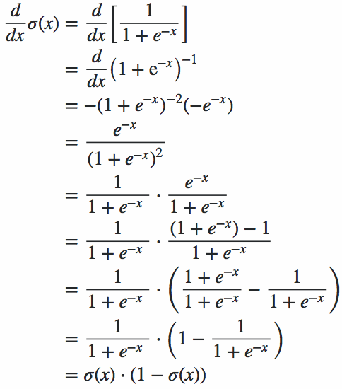

 |  | x=-10:0.1:10; % Test values.
 |  | s = 1./(1+exp(-x)); % Sigmoid.
 |  | ds = (exp(-x))./((1+exp(-x)).^2); % Derivative of sigmoid.
 |  | figure; plot(x,s,'b*'); hold on; plot(x,ds,'r+'); legend('sigmoid', 'derivative-sigmoid','location','best')

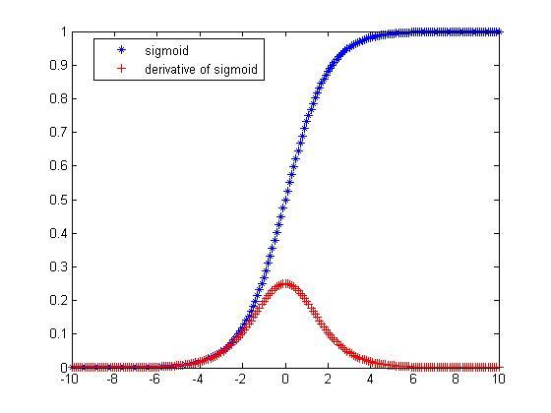

 |  |  | x=-10:0.1:10; % Test values.
 | Method B: |  | s = 1./(1+exp(-x)); % Sigmoid.
 |  |  | ds = (exp(-x))./((1+exp(-x)).^2); % Derivative of sigmoid.
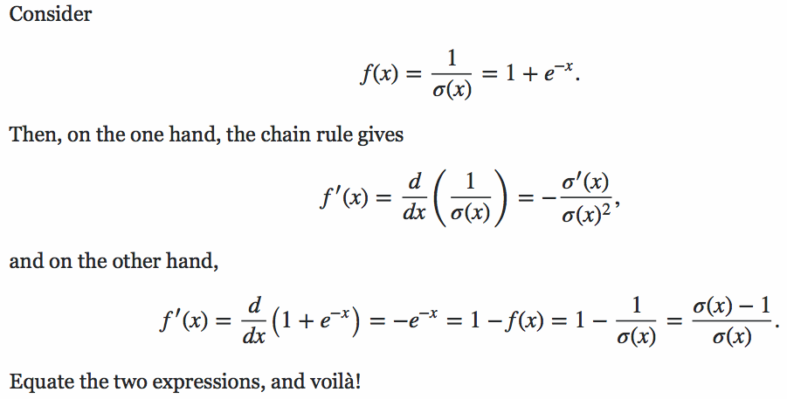
 |  |  | ds1 = s.*(1-s); % Another simpler way to compute the derivative of a sigmoid.
 |  |  | figure; plot(x,ds,'r+'); hold on; plot(x,ds1, 'go'); legend('(e^{-x})/((1+e^{-x})^2)','(s(x))(1-s(x))','location','best'); title('derivative of sigmoid')

Cross-entropy cost func
Problem of quadratic cost function

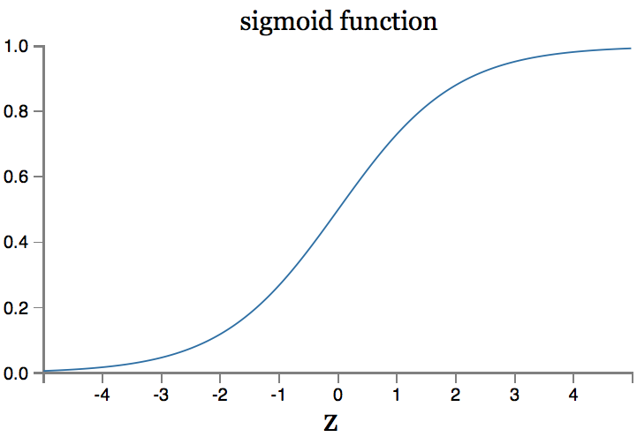

We can see from this graph that when the neuron's output is close to 11,
the curve gets very flat, and so σ′(z)σ′(z) gets very small.

the learning slowdown

Introducing the cross-entropy cost function
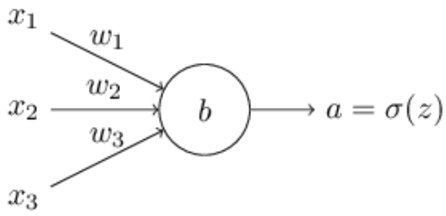

 | We substitute a=σ(z) into (57),
 | and apply the chain rule twice, obtaining:

==>

 | σ(z)=1/(1+e−z),

 | σ′(z)=σ(z)(1−σ(z))

==>

 | Similar way,

==>

 | Softmax

 | the problem of learning slowdown
 | briefly describe another approach to the problem, based on what are called softmax layers of neurons.

 | The idea of softmax is to define a new type of output layer for our neural networks.
 |  | However, we don't apply the sigmoid function to get the output.
 |  | Instead, in a softmax layer we apply the so-called softmax function to the

 | https://www.youtube.com/watch?v=LLux1SW--oM

 | You can think of softmax as a way of rescaling the zLjzjL, and then squishing them together to form a probability distribution.

Backwardpropagation Method
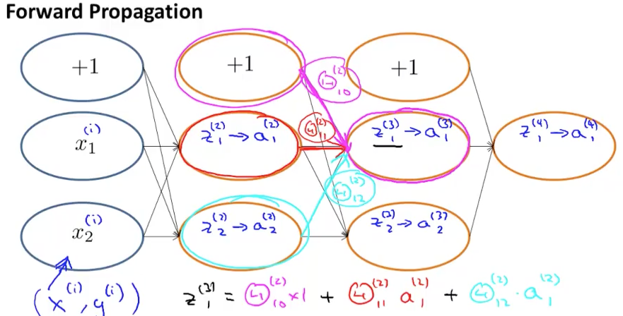
https://www.coursera.org/learn/machine-learning/supplement/pjdBA/backpropagation-algorithm

Backpropagation Algorithm

"Backpropagation" is neural-network terminology for minimizing our cost function,
just like what we were doing with gradient descent in logistic and linear regression. Our goal is to compute:

minΘ​J(Θ)

look at the equations we use to compute the partial derivative of J(Θ):

To do so, we use the following algorithm:

Intuition

