How BTC works
Bitcoin Facts
The difficulty of the problem that miners must solve is adjusted dynamically so that,
on average, someone finds a correct answer every 10 minutes regardless of how many miners (and CPUs) are working on the problem at any moment.
limits the total number of bitcoins that will be created to a fixed total of 21 million coins
The result is that the number of bitcoins in circulation closely follows an easily predictable
curve that reaches 21 million by the year 2140

Two fundamental questions for anyone accepting digital money are:
1. Can I trust the money is authentic and not counterfeit?
2. Can I be sure that no one else can claim that this money belongs to them and not me? (aka the “double-spend” problem)

Conventional Money
 | Physical Money
 |  | The same paper note cannot be in two places at once
 | Digital Money
 |  | the counterfeiting and double-spend issues are handled by clearing all electronic
 |  | transactions through central authorities that have a global view of the currency
 |  | in circulation.
 |  | cryptography provides the basis for trusting
 |  | cryptographic digital signatures enable a user to sign a digital
 |  | asset or transaction proving the ownership of that asset.

 |  | Risks of central authorities
 |  |  | Some failed in spectacular crashes when the parent company liquidated abruptly.
 |  |  | government bankrupcy
 |  |  | criminal attack

Bitcoin
 | de-centralized by design
 | free of any central authority or point of control that can be attacked or corrupted.

 | Consists of
 |  | • A de-centralized peer-to-peer network (the bitcoin protocol);
 |  | • A public transaction ledger (the blockchain);
 |  | • A de-centralized mathematical and deterministic currency issuance (distributed mining), and;
 |  | • A de-centralized transaction verification system (transaction script).

 | Bitcoin was invented in 2008 by Satoshi Nakamoto with the publication of a paper titled
 | “Bitcoin: A Peer-to-Peer Electronic Cash System”.

 | A Solution To a Distributed Computing Problem
 |  | Byzantine Generals’ Problem
 |  | Briefly, the
 |  | problem consists of trying to agree on a course of action by exchanging information
 |  | over an unreliable and potentially compromised network.

 |  | Satoshi Nakamoto’s solution
 |  | uses the concept of Proof-of-Work to achieve consensus without a central trusted
 |  | authority represents a breakthrough in distributed computing science and has wide
 |  | applicability beyond currency.
 |  | Can be used to achieve consensus on decentralized networks for provably-fair elections, lotteries, asset registries, digital notarization...

 | Reference Implementation of Bitcoin Client
 |  | Satoshi Client
 |  |  | Full Client
 |  |  |  | stores the entire history of bitcoin transactions

 |  |  | Light Client
 |  |  |  | stores the user’s wallet but relies on third-party owned servers
 |  |  |  | for access to the bitcoin transactions and network.
 |  |  |  | This is similar to a standalone email client

 |  |  | Web Client
 |  |  |  | Web-clients are accessed through a web browser and store the user’s wallet on a
 |  |  |  | server owned by a third party. This is similar to webmail in that it relies entirely on
 |  |  |  | a third party server.

Create a Bitcoin Wallet
 | Alice has created her bitcoin wallet and she is now ready to receive funds. Her wallet
 | application randomly generated a private key (described in more detail in “Private
 | Keys” on page 63) together with its corresponding bitcoin address. At this point, her
 | bitcoin address is not known to the bitcoin network or “registered” with any part of the
 | bitcoin system.
 | Her bitcoin address is simply a number that corresponds to a key that
 | she can use to control access to the funds.

 | Alice meets her friend Joe who introduced her to bitcoin at a local restaurant so they
 | can exchange some US dollars and put some bitcoins into her account. She has brought
 | a printout of her address and the QR code as displayed in her bitcoin wallet. There is
 | nothing sensitive, from a security perspective, about the bitcoin address. It can be posted
 | anywhere without risking the security of her account.

 | Alice wants to convert just $10 US dollars into bitcoin, so as not to risk too much money
 | on this new technology. She gives Joe a $10 bill and the printout of her address so that
 | Joe can send her the equivalent amount of bitcoin.

 | Next, Joe has to figure out the exchange rate
 |  | bitcoincharts.com
 |  | bitcoinaverage.com
 |  | ZeroBlock - android/ios
 |  | bitcoinwisdom

 | Transfer bitcoin to Alice
 |  | • The destination bitcoin address for the transaction
 |  | • The amount of bitcoin to send

 |  |  | 1Cdid9KFAaatwczBwBttQcwXYCpvK8h7FK

 |  | Finally, he presses “Send” to transmit the transaction. Joe’s
 |  | mobile bitcoin wallet constructs a transaction that assigns 0.10 bitcoin to the address
 |  | provided by Alice, sourcing the funds from Joe’s wallet and signing the transaction with
 |  | Joe’s private keys.
 |  | As the transaction is transmitted
 |  | via the peer-to-peer protocol, it quickly propagates across the bitcoin network. In less
 |  | than a second, most of the well-connected nodes in the network receive the transaction
 |  | and see Alice’s address for the first time.
 |  | The bitcoin ledger - a constantly growing file that records every bitcoin transaction that
 |  | has ever occurred - is public
 |  | The website will show her a page
 |  | (https://blockchain.info/address/1Cdid9KFAaatwczBwBttQcwXYCpvK8h7FK) listing
 |  | all the transactions to and from that address.

 | Confirmations
 |  | At first, Alice’s address will show the transaction from Joe as “Unconfirmed”. This means
 |  | that the transaction has been propagated to the network but has not yet been included
 |  | in the bitcoin transaction ledger, known as the blockchain.
 |  | To be included, the transaction
 |  | must be “picked up” by a miner and included in a block of transactions
 |  | Once a
 |  | new block is created, in approximately 10 minutes, the transactions within the block
 |  | will be accepted as “confirmed” by the network and can be spent. The transaction is seen
 |  | by all instantly, but it is only “trusted” by all when it is included in a newly mined block.

Chapter2 How Bitcoin Works

 | Transactions, Blocks, Mining, and the Blockchain
 |  | A blockchain explorer is a web application that operates as a bitcoin search engine, in that it allows
 |  | you to search for addresses, transactions and blocks and see the relationships and flows
 |  | between them.
 |  | Popular blockchain explorers include:
 |  | • blockchain.info
 |  | • blockexplorer.com
 |  | • insight.bitpay.com
 |  | • blockr.io

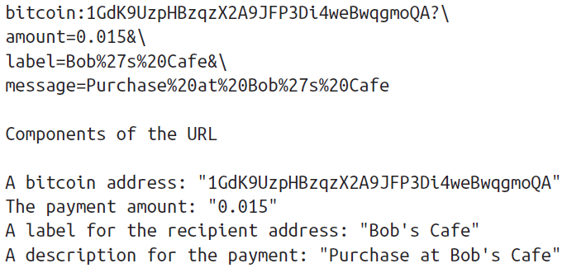

 | Bitcoin Transactions
 |  | In simple terms, a transaction tells the network that the owner of a number of bitcoins
 |  | has authorized the transfer of some of those bitcoins to another owner.
 |  | Transactions are like lines in a double-entry bookkeeping ledger

 |  | each transaction contains one or more “inputs”, which are debits against a bitcoin account.
 |  | On the other side of the transaction, there are one or more “outputs”, which are credits
 |  | added to a bitcoin account.

 |  | outputs add up to slightly less than inputs
 |  | and the difference represents an implied “transaction fee”, a small payment collected by
 |  | the miner who includes the transaction in the ledger.

 |  | The transaction also contains proof of ownership for each amount of bitcoin (inputs)
 |  | whose value is transferred, in the form of a digital signature from the owner, which can
 |  | be independently validated by anyone.

 |  | “spending” is signing a transaction
 |  | which transfers value from a previous transaction over to a new owner identified
 |  | by a bitcoin address.

 |  | Transactions move value from transaction inputs to transaction outputs. |  |  |  |  | Accounting
 |  |  |  |  |  | encumbrance | An encumbrance is a right to, interest in, or legal liability on real property that does not prohibit passing title to the property but that diminishes its value.
 |  | The destination key is called an encumbrance. It imposes a requirement for a signature for |  |  |  | 累赘；妨害物；产权负担 | In management accounting, encumbrance is a management tool used to reflect commitments in the accounting system and attempt to prevent overspending. Encumbrances allow organizations to recognize future commitments of resources prior to an actual expenditure.
 |  | the funds to be redeemed in future transactions. |  |  |  | redeem
 |  |  |  |  |  | 赎回；挽回；兑换；履行；补偿；恢复
 |  | Outputs from one transaction can be used as inputs in a new transaction, thus creating
 |  | a chain of ownership as the value is moved from address to address.

 |  | That transaction
 |  | has a number of bitcoins locked (encumbered) against Alice’s key

 |  | The transactions form a chain, where
 |  | the inputs from the latest transaction correspond to outputs from previous transactions.
 |  | Alice’s key provides the signature which unlocks those previous transaction outputs,
 |  | thereby proving to the bitcoin network that she owns the funds.

 |  | She attaches the payment
 |  | for coffee to Bob’s address, thereby “encumbering” that output with the requirement
 |  | that Bob produces a signature in order to spend that amount. This represents a
 |  | transfer of value between Alice and Bob.

 | Common Transaction Forms
 |  | The most common form of transaction is a simple payment from one address to another,
 |  | which often includes some “change” returned to the original owner. This type of transaction
 |  | has one input and two outputs and is shown below:

 |  | Another common form of transaction is a transaction that aggregates several inputs
 |  | into a single output. This represents the real-world equivalent of exchanging a pile of
 |  | coins and currency notes for a single larger note. Transactions like these are sometimes
 |  | generated by wallet applications to clean up lots of smaller amounts that were received
 |  | as change for payments.

 |  | Finally, another transaction form that is seen often on the bitcoin ledger is a transaction
 |  | that distributes one input to multiple outputs representing multiple recipients. This type
 |  | of transaction is sometimes used by commercial entities to distribute funds, such as
 |  | when processing payroll payments to multiple employees.

 | Constructing a Transaction
 |  | Importantly, a wallet application can construct transactions even if it is
 |  | completely offline. Like writing a cheque at home and later sending it to the bank in an
 |  | envelope, the transaction does not need to be constructed and signed while connected
 |  | to the bitcoin network. It only has to be sent to the network eventually for it to be
 |  | executed.

 | Getting the right inputs
 |  | Alice’s wallet application will first have to find inputs that can pay for the amount she
 |  | wants to send to Bob. Most wallet applications keep a small database of “unspent transaction
 |  | outputs” that are locked (encumbered) with the wallet’s own keys.
 |  | Alice’s wallet would contain a copy of the transaction output from Joe’s transaction
 |  | which was created in exchange for cash
 |  | A bitcoin wallet application that runs as a full-index client actually contains a copy of every
 |  | unspent output from every transaction in the blockchain. This allows a wallet to construct
 |  | transaction inputs as well as to quickly verify incoming transactions as having
 |  | correct inputs. However, since a full-index client takes up a lot of disk space, most user
 |  | wallets run “lightweight” clients that track only the user’s own unspent outputs.
 |  | A lightweight wallet app can asking a full-index node using the bitcoin JSON RPC API.

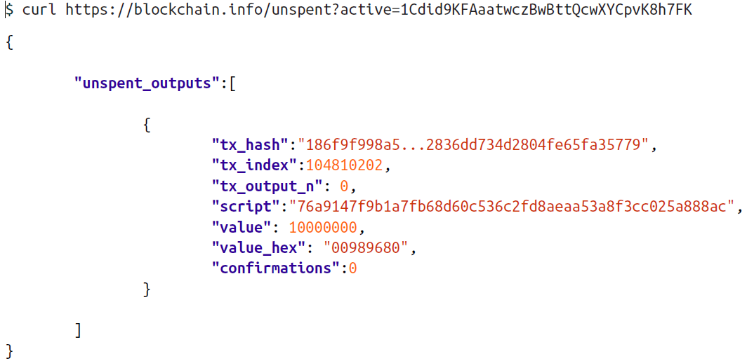
 |  | Below we see an example of a RESTful API request, constructed as an HTTP GET
 |  | command to a specific URL. This URL will return all the unspent transaction outputs
 |  | for an address, giving any application the information it needs to construct transaction
 |  | inputs for spending. We use the simple command-line HTTP client cURL to retrieve
 |  | the response:
 |  | Look up all the unspent outputs for Alice’s bitcoin address.

 |  | The response above shows that the bitcoin network knows of one unspent output (one
 |  | that has not been redeemed yet) under the ownership of Alice’s address
 |  | 1Cdid9KFAaatwczBwBttQcwXYCpvK8h7FK. The response includes the reference to the
 |  | transaction in which this unspent output is contained (the payment from Joe) and its
 |  | value in Satoshis, at 10 million, equivalent to 0.10 bitcoin. With this information, Alice’s
 |  | wallet application can construct a transaction to transfer that value to new owner addresses.

 |  | Use the following link to look up the transaction from Joe to Alice:
 |  | https://blockchain.info/tx/7957a35fe64f80d234d76d83a2a8f1a0d8149a41d81de548f0a65a8a999f6f18

 | Creating the outputs
 |  | A transaction output is created in the form of a script that creates an encumbrance on
 |  | the value and can only be redeemed by the introduction of a solution to the script. In
 |  | simpler terms, Alice’s transaction output will contain a script that says something like
 |  | “This output is payable to whoever can present a signature from the key corresponding
 |  | to Bob’s public address”.
 |  | Alice will therefore “encumber” the output value with a demand for a signature from Bob.

 |  | This transaction will also include a second output, because Alice’s funds are in the form
 |  | of a 0.10 BTC output, too much money for the 0.015 BTC cup of coffee. Alice will need
 |  | 0.085 BTC in change.
 |  | Alice’s wallet breaks her funds into two
 |  | payments: one to Bob, and one back to herself. She can then use the change output in
 |  | a subsequent transaction, thus spending it later.

 |  | Finally, for the transaction to be processed by the network in a timely fashion, Alice’s
 |  | wallet application will add a small fee.
 |  | If instead of taking 0.085 in change, Alice
 |  | creates only 0.0845 as the second output, there will be 0.0005 BTC (half a millibitcoin)
 |  | left over. The input’s 0.10 BTC is not fully spent with the two outputs, as they will add
 |  | up to less than 0.10. The resulting difference is the transaction fee which is collected by
 |  | the miner as a fee for including the transaction in a block and putting it on the blockchain
 |  | ledger.

 | Adding the transaction to the ledger
 |  | The transaction created by Alice’s wallet application is 258 bytes long and contains
 |  | everything necessary to confirm ownership of the funds and assign new owners.
 |  | the transaction must be transmitted to the bitcoin network where it will become part
 |  | of the distributed ledger, the blockchain.
 |  | Next,
 |  | 1. how it becomes part of a new block
 |  | 2. how the new block was mined
 |  | 3. how the new block was trusted in the network

 |  | Transmitting the transaction
 |  | It does not matter how or where it is transmitted to the bitcoin network.
 |  | The purpose of the bitcoin network is to propagate transactions and blocks to all participants.

 |  | How it propagates
 |  | Internet, p2p network

 |  | Bob’s view
 |  | it will reach Bob’s wallet within a few seconds.
 |  | Bob’s wallet will immediately identify Alice’s transaction as an incoming
 |  | payment because it contains outputs redeemable by Bob’s keys.
 |  | Bob’s wallet application
 |  | can also independently verify that the transaction is well-formed, uses previouslyunspent
 |  | inputs and contains sufficient transaction fees to be included in the next block
 |  | At this point Bob can assume, with little risk, that the transaction will shortly be included
 |  | in a block and confirmed.

 | Bitcoin Mining
 |  | The transaction is now propagated on the bitcoin network. It does not become part of
 |  | the shared ledger (the blockchain) until it is verified and included in a block by a process
 |  | called mining.
 |  | The bitcoin system of trust is based on computation.
 |  | Transactions are bundled into
 |  | blocks, which require an enormous amount of computation to prove, but only a small
 |  | amount of computation to verify as proven. This process is called mining and serves
 |  | two purposes in bitcoin:
 |  | • Mining creates new bitcoins in each block, almost like a central bank printing new
 |  |  | money. The amount of bitcoin created per block is fixed and diminishes with time.
 |  | • Mining creates trust by ensuring that transactions are only confirmed if enough
 |  |  | computational power was devoted to the block that contains them. More blocks
 |  |  | mean more computation which means more trust.

 |  | A good way to describe mining is like a giant competitive game of sudoku that resets
 |  | every time someone finds a solution and whose difficulty automatically adjusts so that
 |  | it takes approximately 10 minutes to find a solution.
 |  | The “puzzle” used in bitcoin is based on a cryptographic
 |  | hash and exhibits similar characteristics: it is asymmetrically hard to solve but easy to
 |  | verify, and its difficulty can be adjusted.

 | Mining transactions in blocks
 |  | A transaction transmitted across the network is not verified until it becomes part of the
 |  | global distributed ledger, the blockchain. Every ten minutes on average, miners generate
 |  | a new block that contains all the transactions since the last block.

 |  | As these new transactions
 |  | are seen by the bitcoin network nodes, they get added to a temporary “pool” of unverified
 |  | transactions maintained by each node.

 |  | As miners build a new block, they add unverified
 |  | transactions from this pool to a new block and then attempt to solve a very hard problem
 |  | (aka Proof-of-Work) to prove the validity of that new block.

 |  | Transactions are added to the new block, prioritized by the highest-fee transactions first
 |  | and a few other criteria.

 |  | Each miner starts the process of mining a new block of transactions
 |  | as soon as they receive the previous block from the network, knowing they have
 |  | lost that previous round of competition.
 |  | They
 |  | 1. create a new block,
 |  | 2. fill it with transactions and the fingerprint of the previous block and
 |  | 3. start calculating the Proof-of-Work for the new block.

 |  | Each miner includes a special transaction in their
 |  | block, one that pays their own bitcoin address a reward of newly created bitcoins (currently
 |  | 25 BTC per block).
 |  | If they find a solution that makes that block valid, they “win”
 |  | this reward because their successful block is added to the global blockchain and the
 |  | reward transaction they included becomes spendable.

 |  | Jing, who participates in a mining
 |  | pool, has set up his software to create new blocks that assign the reward to a pool address.
 |  | From there, a share of the reward is distributed to Jing and other miners in proportion
 |  | to the amount of work they contributed in the last round.
 |  | Alice’s transaction was picked up by the network and included in the pool of unverified
 |  | transactions. Since it had sufficient fees, it was included in a new block generated by
 |  | Jing’s mining pool.

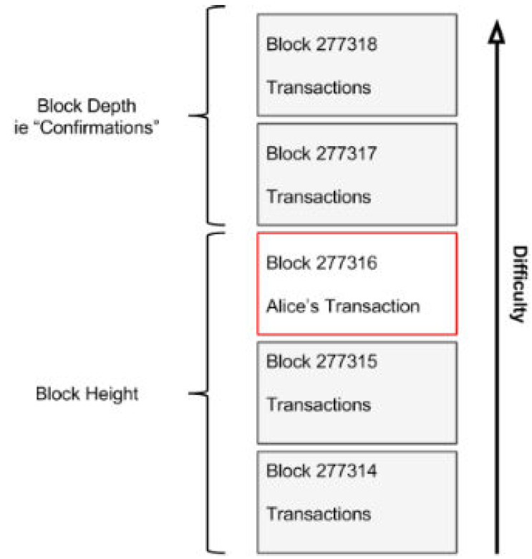
 |  | Approximately 5 minutes after the transaction was first transmitted
 |  | by Alice’s wallet, Jing’s ASIC miner found a solution for the block and published it as
 |  | block #277316, containing 419 other transactions.
 |  | Jing’s ASIC miner published the new
 |  | block on the bitcoin network, where other miners validated it and started the race to
 |  | generate the next block.

 |  | You can see the block that includes Alice’s transaction here:
 |  | https://blockchain.info/block-height/277316

 |  | A few minutes later, a new block, #277317 is mined by another miner. As this new block
 |  | is based on the previous block (#277316) that contained Alice’s transaction, it added
 |  | even more computation on top of that block, thereby strengthening the trust in those
 |  | transactions.
 |  | One block mined on top of the one containing the transaction is called
 |  | “one confirmation” for that transaction.
 |  | As the blocks pile on top of each other, it becomes
 |  | exponentially harder to reverse the transaction, thereby making it more and more
 |  | trusted by the network.

 |  | By convention, any block with more than 6 confirmations
 |  | is considered irrevocable, as it would require an immense amount of computation
 |  | to invalidate and re-calculate six blocks.

 | Spending the transaction
 |  | Now that Alice’s transaction has been embedded in the blockchain as part of a block, it
 |  | is part of the distributed ledger of bitcoin and visible to all bitcoin applications. Each
 |  | bitcoin client can independently verify the transaction as valid and spendable.
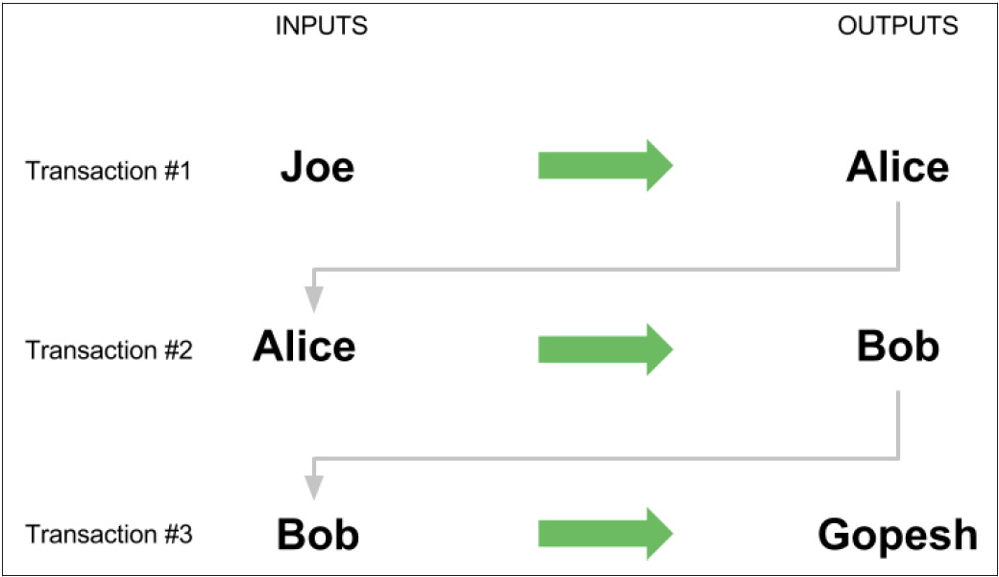
 |  | Fullindex clients can track the source of the funds from the moment the bitcoins were first
 |  | generated in a block, incrementally from transaction to transaction, until they reach
 |  | Bob’s address.
 |  | Lightweight clients can do a Simplified Payment Verification
 |  | by confirming that the transaction
 |  | is in the blockchain and has several blocks mined after it, thus providing assurance that
 |  | the network accepts it as valid.

 |  | Bob can now spend the output from this and other transactions, by creating his own
 |  | transactions that reference these outputs as their inputs and assign them new ownership.

 |  | As Bob spends the payments received from Alice and other customers, he extends the
 |  | chain of transactions which in turn are added to the global blockchain ledger for all to
 |  | see and trust. Let’s assume that Bob pays his web designer Gopesh in Bangalore for a
 |  | new web site page. Now the chain of transactions will look like this:

Chapter 4 Keys, Addresses, Wallets

 | Introduction
 |  | Ownership of bitcoin is established through digital keys, bitcoin addresses and digital signatures.
 |  | The digital keys are not actually stored in the network, but are instead created and stored by end-users in a file, or simple database, called a wallet.
 |  |  | completely independent of the bitcoin protocol
 |  |  | can be generated and managed by the user’s wallet software without reference to the blockchain or access to the Internet
 |  | Keys enable many of the interesting properties of bitcoin
 |  |  | de- centralized trust and control,
 |  |  | ownership attestation |  | 所有权证明
 |  |  | the cryptographic-proof secu‐ rity model.
 |  | Every bitcoin transaction requires a valid signature to be included in the blockchain,
 |  | which can only be generated with valid digital keys,
 |  | Keys come in pairs consisting of a private (secret) and public key.
 |  |  | Think of the public key as similar to a bank account number
 |  |  | and the private key as similar to the secret PIN number or signature on a cheque that provides control over the account.
 |  |  | they are stored inside the wallet file and managed by the bitcoin wallet software.

 |  | Bitcoin Address
 |  | In the payment portion of a bitcoin transaction, the recipient’s public key is represented by its digital fingerprint, called a bitcoin address,
 |  |  | which is used in the same way as the beneficiary name on a cheque (i.e. “Pay to the order of ”).
 |  |  | In most cases, a bitcoin address is generated from and corresponds to a public key
 |  |  | not all bitcoin addresses represent public keys; they can also represent other beneficiaries such as scripts
 |  |  |  | This way, bitcoin addresses abstract the recipient of funds, making transaction destinations flexible, similar to paper cheques:
 |  |  |  | a single payment instrument that can be used to pay into people’s accounts, company accounts, pay for bills or pay to cash.
 |  |  | is the only representation of the keys that users will routinely see, as this is the part they need to share with the world.

 |  | Public key cryptography and crypto-currency
 |  |  | Bitcoin uses elliptic curve multiplication as the basis for its public key cryptography.

 |  |  | Public Key
 |  |  |  | Receive bitcoins
 |  |  | Private Key
 |  |  |  | sign transactions to spend bitcoins

 |  |  | This signature can be validated against the public key without revealing the private key.
 |  |  | When spending bitcoins, the current bitcoin owner presents their public key and a signature
 |  |  | (different each time, but created from the same private key; see (to come)) in a transaction to spend those bitcoins.
 |  |  | Through the presentation of the public key and signature everyone in the bitcoin network can verify and accept the transaction as valid
 |  |  | confirming that the person transferring the bitcoins owned them at the time of the transfer.

 |  |  | The private key (k) is a number, usually picked at random

 |  |  | Generating a private key from a random number
 |  |  | The first and most important step in generating keys is to find a secure source of entropy, or randomness.
 |  |  | Creating a bitcoin key is essentially the same as “Pick a number between 1 and 2256“.
 |  |  | The exact method you use to pick that number does not matter as long as it is not predictable or repeatable.
 |  |  | Bitcoin software uses the underlying operating system’s random number generators to produce 256 bits of entropy (randomness).

 |  |  | Usually, the OS random number generator is initialized by a human source of randomness,
 |  |  | which is why you may be asked to wiggle your mouse around for a few seconds.

 |  |  | More accurately, the private key can be any number between 1 and n - 1, where n is a constant (n = 1.158 * 1077, slightly less than 2256)
 |  |  | defined as the order of the elliptic curve used in bitcoin (see “Elliptic Curve Cryptography Explained” on page 65).
 |  |  | To create such a key, we randomly pick a 256-bit number and check that it is less than n - 1.
 |  |  | In programming terms, this is usually achieved by feeding a larger string of random bits,
 |  |  | collected from a cryptographically-secure source of randomness, into the SHA-256 hash algorithm which will conveniently produce a 256-bit number.
 |  |  | If the result is less than n - 1, we have a suitable private key. Otherwise, we simply try again with another random number.

 |  |  | K = k * G where k is the private key, G is a constant point called the Generator Point and K is the resulting public key.
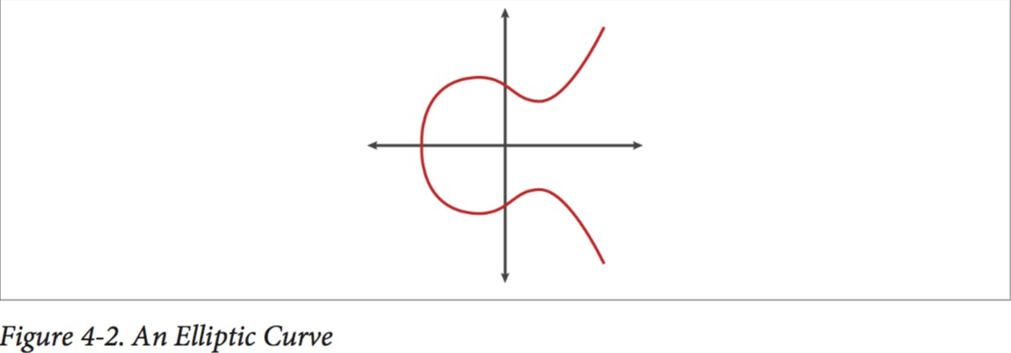

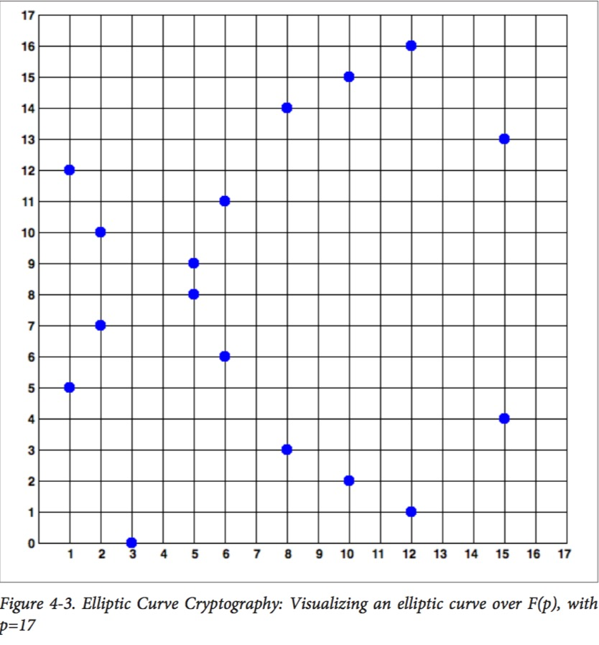

 |  |  | The secp256k1 curve is defined by the following function, which pro‐ duces an elliptic curve:
 |  |  | y2 =(x3+7)over( p)
 |  |  | or
 |  |  | y2 modp=(x3+7)modp

 |  |  | The mod p (modulo prime number p) indicates that this curve is over a finite field of prime orderp, also written as p,
 |  |  | where p = 2256 - 232 - 29 - 28 - 27 - 26 - 24 - 1, a very large prime number.

 |  |  | The secp256k1 bitcoin elliptic curve can be thought of as a much more complex pattern of dots on a unfathomably large grid.

 |  |  | Elliptic Curve Explanation
 |  |  | https://eng.paxos.com/blockchain-101-elliptic-curve-cryptography

Number Theory
Blockchain 101 - Foundational Math

Finite Fields
Think of them as a set of integers.
When you take any two numbers from this set and add them, you get another number from the set.
Same thing with subtraction, multiplication and division by anything other than 0.
It may seem strange that you can divide two integers and come up with another integer, but that’s part of the magic, especially when you have a finite set.

So let’s start with a fairly simple field:
F19 = {0, 1, 2, … 18}

As you can see, there are exactly 19 elements in this field that consists of every number between 0 and 18, inclusive.
For various mathematical reasons, it turns out fields that have a prime number of elements are the most interesting, which is why we chose 19 here.

The field of order 19 is denoted F19.
Fields of other orders are denoted with the number as the subscript.

ADDITION AND SUBTRACTION
We now have to define addition and subtraction
so that adding any two elements or subtracting any two elements results in another element in this set.
We can do this with modulo arithmetic using the order of the prime field (19).

F19
11 + 6 = 17 % 19 = 17
17 - 6 = 11 % 19 = 11
8 + 14 = 22 % 19 = 3
4 - 12 = -8 % 19 = 11

As you can see, no matter which two elements we select from F19 we will always end up with another element in F19.

MULTIPLICATION

F19
2 * 4 = 8 % 19 = 8
7 * 3 = 21 % 19 = 2
15 * 4 = 60 % 19 = 3
11 * 11 = 121 % 19 = 7

Again, we can multiply any two numbers from F19 and end up with another number in F19.

DIVISION
Division, in finite field mathematics, is simply defined as the inverse of multiplication.
F19
2 * 4 = 8 => 8 / 4 = 2
7 * 3 = 2 => 2 / 3 = 7
15 * 4 = 3 => 3 / 4 = 15
11 * 11 = 7 => 7 / 11 = 11

Problem 3 of the last exercise gives us a clue. Generalizing a bit, we have:

This is a beautiful result from number theory known as Fermat’s Little Theorem.

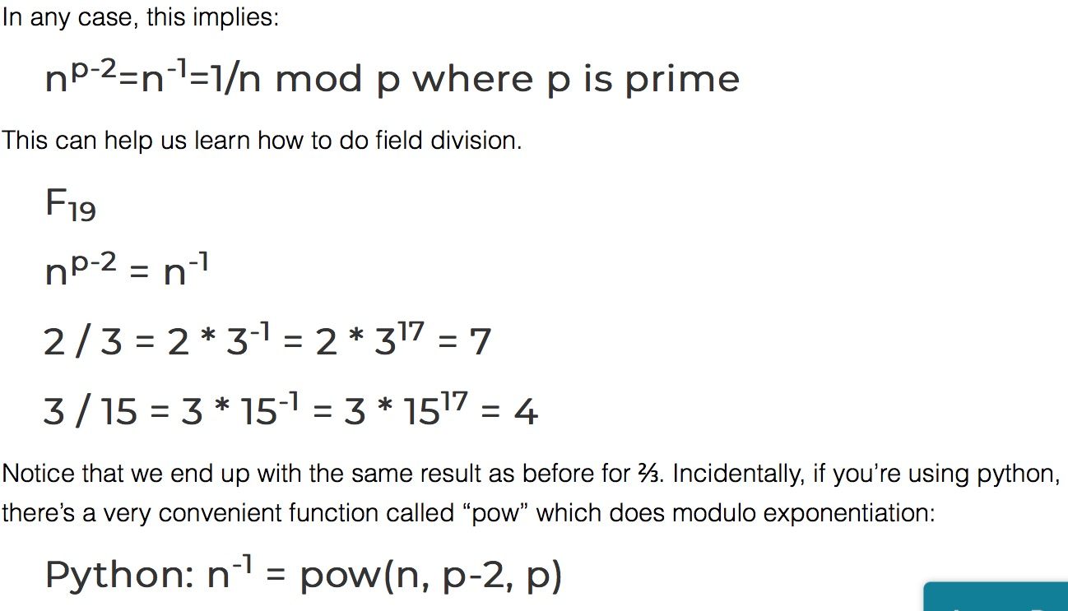

Elliptical Curves

An elliptical curve, to be quite frank, isn’t that different. The equation looks like this: y2=x3+ax+b

Bitcoin uses what’s called the secp256k1 curve, and that equation is simply y2=x3+7 and looks like this:

Now elliptical curves have an interesting property that we can define as point addition.

Point addition stems from the fact that a line defined by two points on this curve
will intersect the curve a third time.
To add P and Q, you find the third intersection point, then you reflect over the x-axis.

