Sheet1
 | USE
1 | USE sql_store; | choosing a database

 | SELECT STATEMENT
2 | SELECT customer_id, first_name | selecting that 2 columns from customers table
 | FROM customers
3 | SELECT * | selecting all | putting each clause on new line is recommended
 | FROM customers
4 | SELECT *
 | FROM customers
 | WHERE customer_id=1
5 | SELECT * | sorts based on first name
 | FROM customers
 | WHERE customer_id >1
 | ORDER BY first_name
6 | SELECT last_name, first_name | displays 2 column in the same order
 | FROM customers
7 | SELECT last_name, first_name, points+10 | third col points adds 10 with it and display
 | FROM customers
8 | SELECT
 | last_name,
 | first_name,
 | points,
 | (points+10)*0.1 AS discount | this column name will be now discount
 | FROM customers
9 | SELECT DISTINCT state | only select ditinct states …for ex: if u have states like TN,TN,AP
 | FROM customers | it selects TN only once….Unique states selcted…

 | WHERE
10 | operators used < > <= >= = (!= or <>) | not equal can be != or <>
11 | SELECT *
 | FROM customers | displays customer info who arent from VA state
 | WHERE state <>'va'
12 | SELECT *
 | FROM customers
 | WHERE birth_date > '1990-01-01'

 | AND OR NOT OPERATORS | order of operators : and > or
13 | SELECT *
 | FROM customers
 | WHERE birth_date > '1990-01-01' AND points>1000
14 | SELECT *
 | FROM customers | both 14 15 gives same op as both are negation of each other
 | WHERE NOT (birth_date > '1990-01-01' OR points>1000)
15 | SELECT *
 | FROM customers
 | WHERE birth_date <= '1990-01-01' AND points<=1000
16 | SELECT *
 | FROM order_items | can use arithmetic exp in where statement too
 | WHERE order_id = 6 AND quantity*unit_price >30

 | IN OPERATOR
17 | SELECT *
 | FROM customers | Both 17 and 18 are same
 | WHERE state= 'VA' OR state='GA' OR state='FL'
18 | SELECT *
 | FROM customers
 | WHERE state IN ('VA','FL','GA')
19 | SELECT *
 | FROM customers | Opp to 18
 | WHERE state NOT IN ('VA','FL','GA')

 | BETWEEN OPERATOR
20 | SELECT *
 | FROM customers | both 20 and 21 same
 | WHERE points >= 1000 AND points<=3000
21 | SELECT *
 | FROM customers
 | WHERE points BETWEEN 1000 AND 3000

 | LIKE OPERATOR
22 | SELECT * | here the last name should start with b
 | FROM customers | % denotes any no of char after that
 | WHERE last_name LIKE 'b%' | can be B or b..not an issue

 |  | %b% means b anywhere in the last_name
 |  | %b last char of last_name is b

23 | SELECT *
 | FROM customers | here _y means that 2nd char should be y
 | WHERE last_name LIKE '_y'
 |  | _____y means that 6th char must be y | Boagey Naseby Rumgay
 |  | 'b____y' | Boagey

 | % for any number of characters
 | _ for single char

24 | SELECT *
 | FROM customers | checking multiples
 | WHERE address LIKE '%trail%' OR address LIKE '%avenue%' | trail or avenue must be present in adress
25 | SELECT *
 | FROM customers | doesn’t end with 9
 | WHERE phone NOT LIKE '%9'

 | REGEXP OPERATOR
26 | SELECT *
 | FROM customers
 | -- WHERE last_name LIKE '%field%' | this both lines are same (commented one and the other)
 | WHERE last_name REGEXP 'field'

 |  | '^field' must start with field
 |  | field$' must end with field
27 | SELECT *
 | FROM customers | field or mac or rose should be there in the last word.. | MacCaffrey
 | WHERE last_name REGEXP 'field|mac|rose' |  | Brushfield
 |  |  | Roseburgh

28 | SELECT * | last name should start with field or
 | FROM customers | have mac or rose in it | MacCaffrey
 | WHERE last_name REGEXP '^field|mac|rose' |  | Roseburgh

29 | SELECT * | last name shd have ge or ie or me together
 | FROM customers |  | Brushfield
 | WHERE last_name REGEXP '[gim]e' |  | Boagey

 |  | e[gim]' means now eg or ei or em shd be there

30 | SELECT * |  | Boagey
 | FROM customers | a to h any one of the char in that range shd be with e | Betchley
 | WHERE last_name REGEXP '[a-h]e' |  | Twiddell

 | ^ for beginning
 | $ for ending
 | | logical or..multiple strings can be supplied
 | [abcd]e …those particular char in the sq bracket
 | [a-k]e ….range

 | NULL OPERATOR
31 | SELECT * | if the phone field is empty, then it returns that
 | FROM customers
 | WHERE phone IS NULL
32 | SELECT * | opp to 31
 | FROM customers
 | WHERE phone IS NOT NULL

 | ORDER BY CLAUSE
 | Every table has a primary key column..those uniquely identies the info… for eg customer id in customer table…2 customers cant have same id
 | by default everything is sorted based on primary key

33 | SELECT * | Sorted based on first name
 | FROM customers
 | ORDER BY first_name
34 | SELECT * | sorted based on descending order
 | FROM customers |  | 35 example
 | ORDER BY first_name DESC |  | CA Raj
35 | SELECT * | first pref is sorting by state..next is first_name | FL Amber
 | FROM customers |  | FL Thacher
 | ORDER BY state, first_name |  | GA Ravi
36 | SELECT * | first sorts state in desc order…then name in asc oder
 | FROM customers
 | ORDER BY state DESC, first_name
37 | SELECT *, quantity*unit_price AS 'total price' | sorting the total price of order id 2
 | FROM order_items
 | WHERE order_id=2
 | ORDER BY 'total price' DESC

 | LIMIT CLAUSE
38 | SELECT * | shows the first 3 rows info
 | FROM customers
 | LIMIT 3 |  | Order of clause is always imp
39 | SELECT * | skips first 6 row..then show next 3 row | SELECT
 | FROM customers |  | FROM | can skip few in bw..but folow same order
 | LIMIT 6, 3 |  | WHERE
 |  |  | ORDER BY
 | *******JOIN******* |  | LIMIT

 | INNER JOINS | JOINING MULTIPLE TABLES
40 | SELECT * | JOIN alone is enough…INNER is optional
 | FROM orders
 | INNER JOIN customers ON | it joins orders table with customers table based on customer id
 | orders.customer_id = customers.customer_id

41 | SELECT order_id, first_name, last_name | just gives 3 parameters now
 | FROM orders
 | INNER JOIN customers ON orders.customer_id = customers.customer_id

42 | SELECT order_id, customer_id, first_name, last_name
 | FROM orders | here customer_id will be ambiquous as its there in both table…
 | INNER JOIN customers ON
 | orders.customer_id = customers.customer_id

43 | SELECT order_id, orders.customer_id, first_name, last_name | here u need to prefix the customer_id with any of the table
 | FROM orders
 | INNER JOIN customers ON
 | orders.customer_id = customers.customer_id

44 | SELECT order_id, c.customer_id, first_name, last_name | orders alias o
 | FROM orders o | customers alias c
 | INNER JOIN customers c | (to avoid typing tables again and again)
 | ON o.customer_id = c.customer_id

 | JOINING ACROSS DATABASES
 | ex: joining order_items table from sql_store db with
 | products table from sql_inventory

45 | SELECT *
 | FROM order_items oi
 | JOIN sql_inventory.products p | need to prefix the query that are not part of current db..
 | ON oi.product_id = p.product_id | here the current db that we are working is sql_store…So we prefixed products table with sql_inventory

 | SELF JOINS
46 | SELECT * | joining within the table
 | FROM employees e
 | JOIN employees m
 | ON e.reports_to = m.employee_id
47 | SELECT e.employee_id, e.first_name, m.first_name AS manager_name | here fields are comman in both employee and manager table…prfixing required one is mandatory
 | FROM employees e
 | JOIN employees m
 | ON e.reports_to = m.employee_id

 | JOINING MULTIPLE TABLES(MORE THAN 2)
 | Joining orders table with customers table and order_statuses table

48 | SELECT *
 | FROM orders o
 | JOIN customers c
 | ON o.customer_id=c.customer_id
 | JOIN order_statuses os
 | ON o.status=os.order_status_id

49 | SELECT o.order_id, order_date, first_name, last_name, name AS status | getting particular parameters from 3 tables
 | FROM orders o
 | JOIN customers c
 | ON o.customer_id=c.customer_id
 | JOIN order_statuses os
 | ON o.status=os.order_status_id

 | Compound join statements
 | In some tables we cannot identify a uniquely identifyable column (primary key)
 | In such cases, we have to use combination of 2 column to achieve that.
 | ex: order_items table we use order_id and product_id as a combination | (both id's are primary key) reffered as composite primary key

 | To join these kinda tables

50 | SELECT *
 | FROM order_items oi
 | JOIN order_item_notes oin | used AND here to join these 2 columns
 | ON oi.order_id=oin.order_Id
 | AND oi.product_id=oin.product_id

 | IMPLICIT JOIN SYNTAX
51 | SELECT *
 | FROM orders
 | JOIN customers ON
 | orders.customer_id = customers.customer_id

 | writing the same in implicit syntax
52 | SELECT *
 | FROM orders o, customers c
 | WHERE o.customer_id=c.customer_id

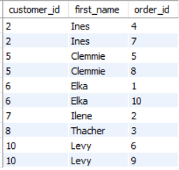
 | OUTER JOINS -- 2 types (LEFT & RIGHT)
53 | SELECT
 | c.customer_id,
 | c.first_name, | this is just a inner joint
 | o.order_id
 | FROM customers c
 | JOIN orders o | here we don’t have order for some of the customers.
 | ON c.customer_id=o.customer_id | so it doesn’t show all customer id's
 | ORDER BY c.customer_id
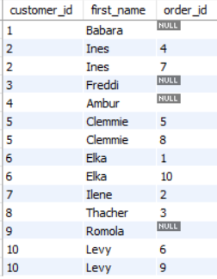
54 | LEFT JOIN

 | SELECT
 | c.customer_id,
 | c.first_name,
 | o.order_id | here u can see null if customers don’t have order
 | FROM customers c
 | LEFT JOIN orders o | All the records from left table(here customer)
 | ON c.customer_id=o.customer_id | are returned even if the condition is true or falsel
 | ORDER BY c.customer_id

55 | RIGHT JOIN

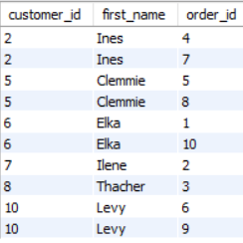
 | SELECT
 | c.customer_id,
 | c.first_name, | All the records from right table(here order)
 | o.order_id | are returned even if the condition is true or false
 | FROM customers c
 | RIGHT JOIN orders o
 | ON c.customer_id=o.customer_id
 | ORDER BY c.customer_id

 |  |  | here we get same because in the order table
 |  |  | we don’t have other customer ids

56 | if we modify the code,
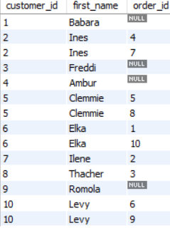
 | SELECT
 | c.customer_id,
 | c.first_name, | now left is order and right is customer…
 | o.order_id | if we join by right ..now we get all
 | FROM orders o
 | RIGHT JOIN customers c
 | ON c.customer_id=o.customer_id
 | ORDER BY c.customer_id

 | OUTER JOIN BETWEEN MULTIPLE TABLES

57 | SELECT
 | c.customer_id,
 | c.first_name,
 | o.order_id, | refer these tables
 | sh.name AS shipper
 | FROM customers c
 | LEFT JOIN orders o
 | ON c.customer_id=o.customer_id
 | LEFT JOIN shippers sh
 | ON o.shipper_id=sh.shipper_id
 | ORDER BY c.customer_id

 | SELF OUTER JOIN
58 | SELECT e.employee_id,e.first_name,m.first_name AS manager
 | FROM employees e | similar to that only
 | LEFT JOIN employees m
 | ON e.reports_to=m.employee_id

 | USING CLAUSE
59 | SELECT *
 | FROM customers c
 | JOIN orders o | here u can see both the column names are same..ie.customer_id
 | ON c.customer_id=o.customer_id

60 | SELECT *
 | FROM customers c | when the column names are same ..we can use this USING clause
 | JOIN orders o | 59 and 60 are same
 | USING(customer_id)

61 | SELECT o.order_id, | a similar technique can be used for all joins
 | c.first_name,
 | sh.name as Shipper
 | FROM customers c
 | JOIN orders o
 | USING(customer_id)
 | LEFT JOIN shippers sh
 | USING(shipper_id)

 | USING CLAUSE with composite primary key
62 | SELECT *
 | FROM order_items oi | just the prev example
 | JOIN order_item_notes oin
 | ON oi.order_id = oin.order_id
 | AND oi.product_id = oin.product_id

63 | SELECT *
 | FROM order_items oi | Using clause with comma for primary key
 | JOIN order_item_notes oin
 | USING (order_id,product_id)

 | NATURAL JOINS
 | Another simple way to join 2 tables..
64 | SELECT * | it automatically chooses the comman column in both table and joins with that..
 | FROM orders o | Its not a recommended way
 | NATURAL JOIN customers c

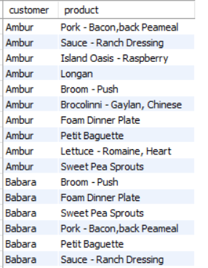
 | CROSS JOINS
 | To join every record in table 1 to every record in table2
65 | SELECT | every data in customer is joined with product
 | c.first_name AS customer,
 | p.name AS product
 | FROM customers c
 | CROSS JOIN products p
 | ORDER BY c.first_name

 | IMPLICIT syntax
66 | SELECT
 | c.first_name AS customer, | both 65 66 are same
 | p.name AS product
 | FROM customers c, products p
 | ORDER BY c.first_name

 | UNIONS

 | To combine rows | JOINS - To combine columns
 |  | UNIONS - To combine rows

67 | SELECT order_id, order_date, 'Active' AS status
 | FROM orders | selecting the current year 2019 and setting the status
 | WHERE order_date >= '2019-01-01'

68 | SELECT order_id, order_date, 'Archieve' AS status
 | FROM orders | prev years
 | WHERE order_date < '2019-01-01'

 | To combine 67 and 68 query, use union

69 | SELECT order_id, order_date, 'Active' AS status
 | FROM orders
 | WHERE order_date >= '2019-01-01' | can also use this bw diff tables
 | UNION
 | SELECT order_id, order_date, 'Archieve' AS status | (Now of column each query returns must be equal)
 | FROM orders
 | WHERE order_date < '2019-01-01'

70 | SELECT first_name
 | FROM customers | combining customer and shippers name
 | UNION
 | SELECT name | here column name is first_name..becoz that was the
 | FROM shippers | first query..

 | COLUMN ATTRIBUTES

71

 | PK-primary key
 | NN-not null (birth date and phone are optional)
 | AI - auto increment (when a new row added it automatically increments that rows column id by 1)
 | DEFALUT - when no value is entered..it automatically takes that..here NULL for birth date and phone

 | INSERTING A SINGLE ROW
72 | INSERT INTO customers
 | VALUES (DEFAULT, | mysql generates unique value for customer id..as we enabled AI
 | 'John', | -- phone is optional...so we set it to default
 | 'Smith', | -- points is set to 0 as deafult..uses that
 | '1990-01-01',
 | DEFAULT,
 | 'address',
 | 'city',
 | 'state',
 | DEFAULT)

 | or use this syntax
73 | INSERT INTO customers(
 | first_name,
 | last_name, | can only specify the column names that we are adding..
 | birth_date, | remaining it takes the default values
 | adress,
 | city,
 | state)
 | VALUES ( 'John',
 | 'Smith',
 | '1990-01-01',
 | 'address',
 | 'city',
 | 'state')
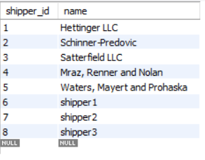
 | INSERTING MULTIPLE ROWS
74 | INSERT INTO shippers(name)
 | VALUES ('shipper1'),
 | ('shipper2'), | inserted multiple rows
 | ('shipper3')

 | INSERTING HIERARCHICAL ROWS
 | there are parent and child tables like orders and order_items
75 | INSERT INTO orders (customer_id, order_date, status) | inserted a row in orders
 | VALUES (1, '2019-01-02', 1)

 | when a order is added,we need to add a order id in order_items)

76 | INSERT INTO orders (customer_id, order_date, status)
 | VALUES (1, '2019-01-02', 1);

 | SELECT LAST_INSERT_ID() | this returns 11 …as 11 is the lastly added order id

77 | INSERT INTO orders (customer_id, order_date, status)
 | VALUES (1, '2019-01-02', 1);

 | INSERT INTO order_items | inserting that value in order items table
 | VALUES (LAST_INSERT_ID() , 1, 1, 2.95),
 | (LAST_INSERT_ID() , 2, 1, 3.95)

 | CREATING A COPY OF TABLE

78 | CREATE TABLE orders_archieve AS | created a new table which has all contents of orders
 | SELECT * FROM orders | when a copy of a table is created..it wont have column attributes like PK, AI…show during inserting there..we need to specify that

 | now trucated the table…remove all contents

79 | INSERT INTO orders_archieve

 | SELECT *
 | FROM orders | now contents from orders is inserted in orders_archieve with order date condition
 | WHERE order_date < '2019-01-01'

80 | CREATE TABLE invoice_archieve

 | SELECT i.invoice_id, i.number, c.name AS client, i.invoice_total, i.payment_total, i.invoice_date, i.payment_date, i.due_date |  | used all to create a new table
 | FROM invoices i
 | JOIN clients c
 | USING(client_id)
 | WHERE payment_date IS NOT NULL

 | UPDATING A SINGLE ROW
81 | UPDATE invoices | updating the invoice id 1 by setting the values
 | SET payment_total = 10, payment_date ='2019-03-01'
 | WHERE invoice_id=1

82 | UPDATE invoices
 | SET payment_total = invoice_total*0.5,
 | payment_date= due_date
 | WHERE invoice_id=3

 | UPDATING MULTIPLE ROWS
83 | UPDATE customers
 | SET points=points+50 | just modify the where clause accordingly
 | WHERE birth_date < '1990-01-01'

 | USING SUBQUERIES IN UPDATES
84 | UPDATE invoices
 | SET
 | payment_total=invoice_total*0.5, | we also can use a sub query in where clause here
 | payment_date=due_date | use = in where clause only if that subquery returns only one value
 | WHERE client_id=
 | (SELECT client_id
 | FROM clients
 | WHERE name='Myworks')

85 | UPDATE invoices
 | SET
 | payment_total=invoice_total*0.5, | used IN as the sub query returns multiple values
 | payment_date=due_date
 | WHERE client_id IN
 | (SELECT client_id
 | FROM clients
 | WHERE state IN ('ny','ca'))

 | DELETING ROWS
86 | DELETE FROM invoices | deletes all records in the table invoices

87 | DELETE FROM invoices | deletes that particular row
 | WHERE invoice_id = 1

88 | DELETE FROM invoices
 | WHERE cliend_id = | can also use subqueries
 | (SELECT *
 | FROM clients
 | WHERE name='Myworks')

 | GROUP BY
89 | SELECT order_id FROM order_items GROUP BY order_id | group by syntax
90 | SELECT COUNT(order_id), order_id | counts the no of occurance of each order id
 | FROM order_items
 | GROUP BY order_id | similarly there are other fns like SUM()

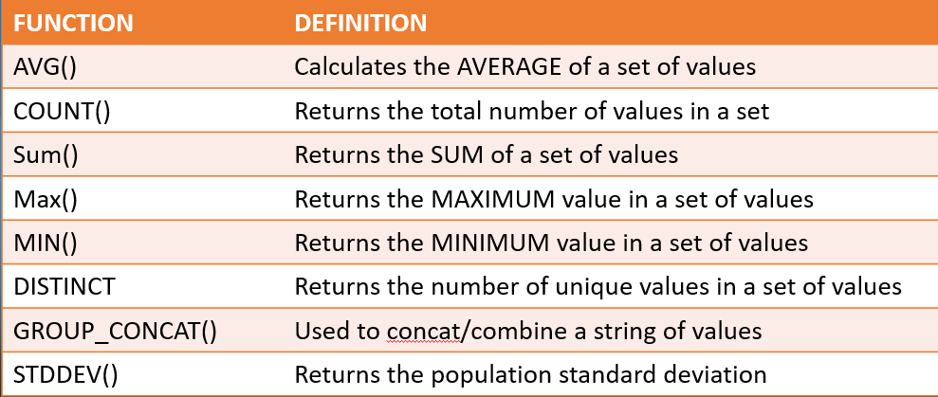

 | HAVING CLAUSE
 | To filter after grouping..we use HAVING clause not the WHERE

91 | SELECT category, SUM(units_in_stock)
 | FROM sometable | groups based on category from that filters out the sum of stock that are more than 300
 | GROUP BY category
 | HAVING SUM(units_in_stock) >300

