Sheet1
 | commands
 | docker run --name <setname> <image>
1 | docker run <name> | run a container from the image
 | ex: docker run nginx
2 | docker ps | list all running container and some info about that container
3 | docker ps -a | lists all containers that are running or not
4 | docker stop <name/container id> | to stop a running container
5 | docker rm <name> | to remove the contaimer permanantly

6 | docker images | lists of available image and their size
7 | docker rmi <image name> | to remove a image
 |  | (b4 removing a image make sure that no containers of that image are running)
8 | docker pull <image-name> | pulls an image

 | containers are not meant to host OS (like ubuntu)
9 | docker run ubuntu | here it stops immediately
10 | docker run ubuntu sleep 5 | container runs and goes to sleep in 5sec
11 | docker exec <name> cat/etc/hosts | to see the content of the file inside this container |  | exec - execute a command
 |  | (display content of etc host file)
 | docker run -it <name> bash | used to access the container
 | attach and detach
12 | docker run -d kodekloud/simple-webapp | running the docker container in detached mode |  | a043d40f….. Be the id of the container
 |  | (runs the container in the background)
 | docker attach a043
 | giving first few char of the id is sufficient
13 | docker run -it centos bash | it : automatically logs into the docker container |  | root@7cfd8ee82e5e |  | logged into centos containeer whose id is 7cfg8..

 | after logging in
 | cat /etc/*release* | it automatically shows the content of the file without exec comment
14 | docker run -d --name webapp nginx:1.14-alpine
 |  | naming the container manually to webapp

15 | docker run redis:4.0 | tag..to run a specific version |  |  | run-tag
16 | docker run -i <name> | provides ip..interactive mode |  |  | run-stdin
17 | docker run -it <name> | psudo terminal..
18 | docker run -p 80:5000 <name> | refer notes |  |  | run-port mapping
19 | docker run -v datadir : dataofcontainerdir <name> | refer notes |  |  | run-volume mapping
 | ex: docker run -v /opt/datadir:/var/lib/mysql mysql
20 | docker inspect <name/id> | to get additional info abt container |  |  | inspect container
21 | docker logs <name/id> |  |  |  | container logs

 | docker run -p 8080:8080 -v /my-jenkins-data:/var/jenkins_home -u root jenkins/jenkins |  |  | maps jenkins data to local dir…use this command again to
 |  |  |  | retrieve back
 | CREATING IMAGES
22 | docker built . -f Dockerfile -t vengatesh/myapp | creating a image for the Dockerfile
 | docker build . -t <name for the image> | run this command in the file dir
23 | docker push vengatesh/myapp | pushing in docker repo
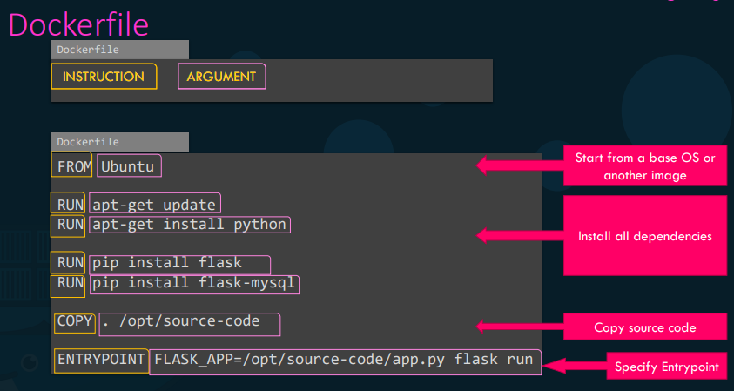
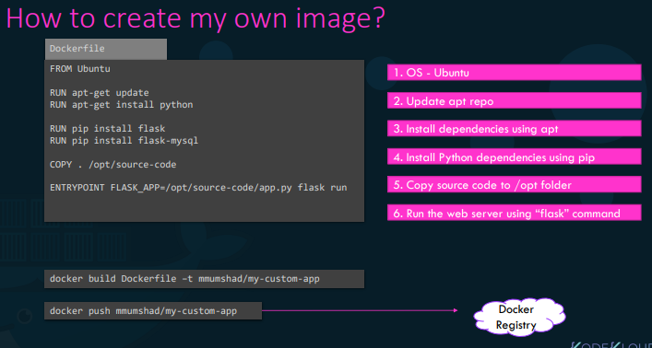

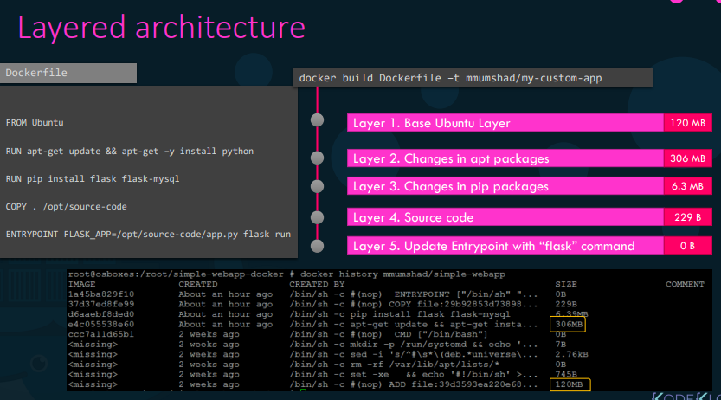

24 | docker history <name> | gives details abt docker file

25 | docker login | to log in into docker hub
26 | docker push <imagename> | ensure you are logged in b4 pushing

 | DOCKER env variables
27 | docker run -e APP_COLOR=blue simple-web-app | we can set the env variable in source code and give the ip here

28 | docker run -e APP_COLOR=black -p 50500:8080 | using all commands in a single line
 | --name black-app kodekloud/simple-web-app

 | CMD , entrypoints
 |  | cmd-command
 | every Dockerfileof a image has a CMD ….
 | for ubuntu Dockerfile CMD is bash (since it’s a os) | this is the reason why ubuntu exits after running
 | will be diff for other apps like nginx,mysql

 | To specify a diff CMD to start a container,
29 | docker run ubuntu [COMMAND]
 | ex: docker run ubuntu sleep 5

 | To make this changes permanently, create another docker file and create the image
30 | FROM ubuntu
 | CMD sleep 5 | or CMD ["sleep","5"] | docker run ubuntu-sleeper

 | docker build . -t ubuntu-sleeper

 | for user to fix no of secs
31 | FROM ubuntu
 | ENTRYPOINT ["sleep"] |  | docker run ubuntu-sleeper 10

 | docker build . -t ubuntu-sleeper

 |  |  | here if 10 isnt specified then we get a error..to overcome use both

32 | FROM ubuntu
 | ENTRYPOINT ["sleep"]
 | CMD ["5"]

 | docker build . -t ubuntu-sleeper

 | To modify the entrypoint during run-time
33 | docker run --entrypoint sleep2.0 ubuntu-sleeper 10 | now the entryponit becomes sleep2.0 from sleep

 | DOCKER COMPOSE
34 | docker compose up | bring up entire app stack
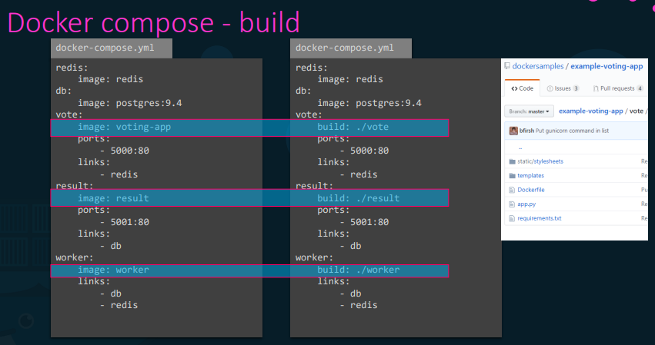
 |  | docker run --links (links different services)

 | DOCKER compose build
35 | refer notes

 | DOCKER COMPOSE version
36 | * version1 | older and have limitations
 | *version2
 | in version 2 it automatically creates a bridge n/w for this app and attaches all containers to that link |  |  | refer notes also
 | *version3
 | latest one (discuss later)

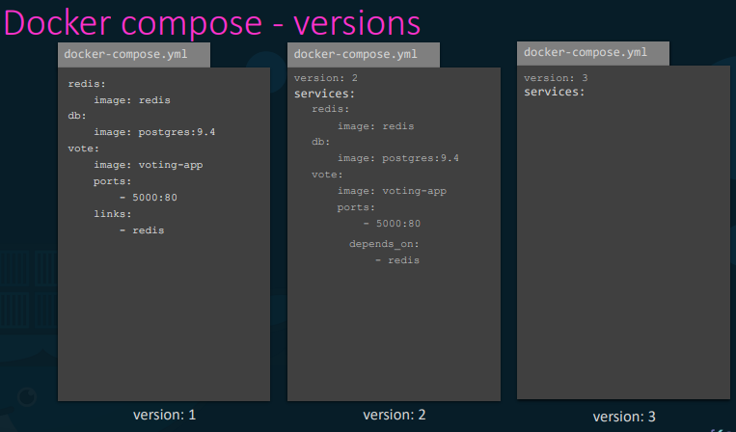

 | using networks, to maintain the traffic

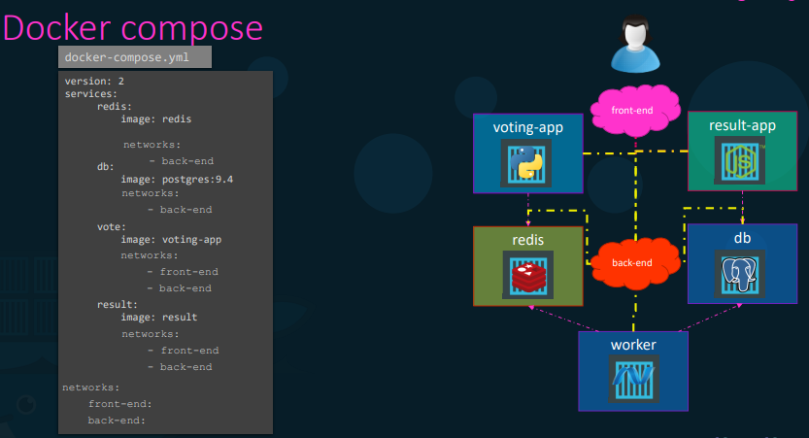

 | Docker registry
37 | from where image is pulled (docker hub)
 | we can simply pull a image by
 | docker pull nginx | here image: docker.io/nginx/nginx
 |  | registry/ user / image

 |  | but simply denote nginx…it automatically takes other 2 paramters

38 | private registory - not accessible by all
 | to run these, first we need to login to that personal reg

 | docker login private-registory.io
 | docker run private-registory.io/apps/internal-app

39 | deploy private registory
 | registory itself a image in docker hub

 | docker run -d -p 5000:5000 --name registry registry:2

40 | docker run -d --restart=always -p 5000:5000 --name=my-registry registry:2 | restart policy set to always.
41 | docker image tag my-image localhost:5000/my-image | tagging image with private registry
42 | docker push localhost:5000/my-image | pushing that image in that private registry
43 | docker pull localhost:5000/my-image | to pull that private image
 | (or) docker pull 192.168.59.1:5000/my-image

44 | docker image prune -a | removes all image locally

 | DOCKER ENGINE
45 | docker -H=remote-docker-engine-address:port | another system can still work with remote docker engine
 | ex:docker -H=10.123.2.1:2375 run nginx
46 | docker run --cpus=.5 ubuntu | the containers doesn’t take more than 50% of the host cpu at any time
47 | docker run --memory=100m ubuntu | limits the amount of memory taken by the container to 100mb

48 | docker exec <container id/name> ps -eaf | lists all the processes runing in that container

 | DOCKER IMAGES

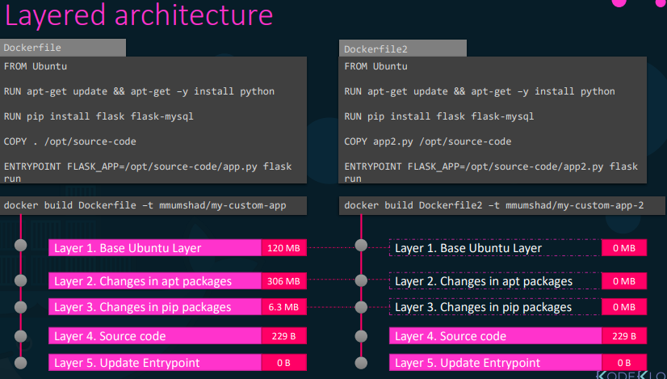

 | in the dockerfile2..it uses the cache of layer1 2 3 in the first file as both are same…saves the disk space

49 | docker volume create data_volume | create a data volume folder under volumes
 | (to run that)
 | docker run -v data_volume:/var/lib/mysql mysql | container data mounted onto the data_volume folder |  |  | this is volume mounting

 | docker run -v /opt/datadir:/var/lib/mysql mysql | bind mounting….mounts container data to any dir in the host

 | above both methods are old style….the new one is

50 | docker run \ --mount type=bind,source=/opt/datadir,target=/var/lib/mysql mysql | source -loc at host…target-loc at container
51 | docker info | gives more info abt the docker

52 | docker system df | disk usage of docker

53 | docker system df -v | shows each of these 4 in detail

 | Networking

52 | docker network create --driver bridge --subnet 182.18.0.0/16 custom-isolated-network | creating our own n/w |  | docker network create --driver bridge --subnet 182.18.0.1/24 --gateway 182.18.0.1 wp-mysql-network
53 | docker network ls | lists all the available n/w
54 | docker network inspect bridge | more details abt that nw type

