Sheet1
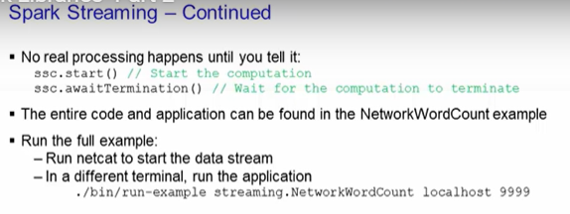
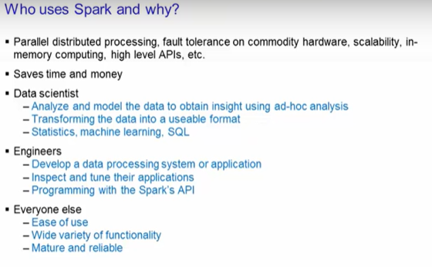
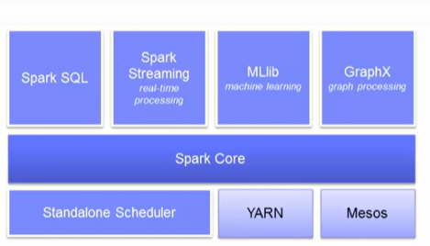
Map Reduce
it takes more time compared to spark
Only specoific programing language

Apache Spark
Faster
Like MapReduce, Spark provides parallel distributed processing, fault tolerance on commodity hardware,
few lines code
The Spark core is a
general-purpose system providing scheduling, distributing, and monitoring of the applications
across a cluster.

 |  | Spark SQL is designed to work with the Spark via SQL and HiveQL (a Hive variant of SQL). | Spark SQL allows developers to intermix SQL with Spark's programming language supported by Python, Scala, and Java |  |  |  | Machine learning, MLlib is the machine learning library that provides multiple types of machine learning algorithms. |  | GraphX is a graph processing library with APIs to manipulate graphs and performing graph-parallel computations. |  | schedule yarn mesos are running env
 |  |  |  | Spark Streaming provides processing of live streams of data
 |  |  | .

Spark's
primary core abstraction is called Resilient Distributed Dataset or RDD. Essentially it
is just a distributed collection of elements that is parallelized across the cluster. You |  |  | transformation-do not return value (lazy evaluation)
can have two types of RDD operations. Transformations and Actions.
 |  |  | Actions are when the transformations get evaluted along with the action that is called for that | action returns value
 |  |  | RDD.

spark uses scala,python,java

Scala

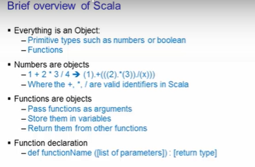

import findspark()
findspark init()
import pyspark |  |  |  | all this is similar to the spark course in udemy

sc=pyspark.SparkContext.getOrCreate() |  |  | RDD

readme = sc.textFile("LabData/README.md") |  |  | reading a text file
readme.count() |  |  | no of items in the RDD
readme.first() |  |  | first item in the rdd
lineswithspark=readme.filter(lambda line:"Spark" in line) |  |  | filter transformation to return a new RDD |  |  |  | .. It contains only the lines with Spark
readme.filter(lambda line: "Spark" in line).count() |  |  | chain together transformations and actions. To find out how many lines contains the word “Spark”
linesWithSpark.collect() |  |  | prints everything in that rdd
readme.map(lambda line: len(line.split())).reduce(lambda a, b: a if (a > b) else b) |  |  |  |  | prints the maximum length of a line

 |  |  |  | .reduce() |  | rdd.reduce(somefunct) |  |  | this type is used here

 |  |  |  |  |  |  | reducceByKey
 |  |  |  |  |  | rdd=[(1,2),(3,4),(3,6)]
map filter reduce |  |  |  |  |  | rdd.reduceByKey(lambda a,b :a+b) op:[(1,2),(3,10)] unique key remains |  |  |  |  |  | values altered acc to func

in map and fiter (in lambda exp pass a single elem from a object(like list) |  |  |  |  |  |  | groupByKey
in reduce (in lambda exp we pass 2 elem from a object) |  |  |  |  |  | rdd=[(1,'a'),(2,'c'),(1,'b')]
 |  |  |  |  |  | rdd.groupByKey() [(1,['a','b']) , (2,'c')] |  |  |  |  | unique key with values combined to a list

readme.flatMap(lambda lines: lines.split()).map(lambda words: (words,1)) |  |  |  |  |  |  | flatmap
.reduceByKey(lambda a,b: a+b) |  |  |  |  |  | rdd.flatmap(<transformation function)
 |  |  |  |  |  | rdd=happy birthday guys |  |  | rdd.flatmap(lambda line:line.split()) --> this splits into lines
(prints count of all words in the file) |  |  |  |  |  | how are you |  |  |  | happy birthday guys
 |  |  |  |  |  | bye bye
readme.flatMap(lambda line: line.split()).map(lambda word: (word, 1)) |  |  |  |  |  |  |  |  |  | how are you
.reduceByKey(lambda a, b: a+b).reduce(lambda p,q: p if p[1] >q[1] else q)
(print the word which occurred most and its count) |  |  |  |  |  |  |  |  |  | bye bye

spark caching

Spark caching
is useful to access repeated data much quicker. Both Python and Scala use the same commands

from timeit import Timer
def count():
return linesWithSpark.count()
t = Timer(lambda: count())

print(t.timeit(number=50)) |  | op: 6.949383280007169

linesWithSpark.cache()
print(t.timeit(number=50)) |  | op: 6.7923067410010844

 |  |  |  | RDD

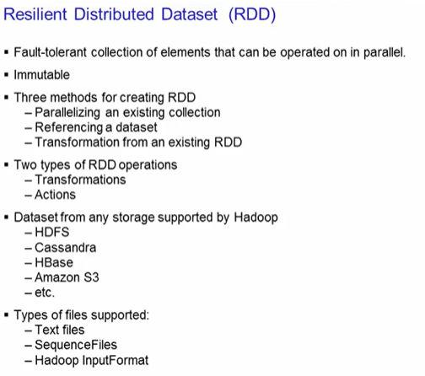
Resilient Distributed Dataset (RDD) is Spark's primary abstraction. RDD is a fault tolerant
collection of elements that can be parallelized. In other words, they can be made to be operated
on in parallel. They are also immutable

When RDDs are created, a direct acyclic graph (DAG) is created. This type of operation is
called transformations. Transformations makes updates to that graph, but nothing actually
happens until some action is called. Actions are another type of operations

Launch the spark shell

val data = 1 to 10000 | samprdd.collect().foreach(println) |  |  |  | printing the rdd samprdd
val distData=sc.parallelize(data)
val readmeFile = sc.textFile('filename')

Applying transformation
lets load a file val lines = sc.textFile('somefile')
val lineLengths=lines.map(s => s.length) |  |  | THIS IS IN SCALA LANGUAGE

Invoking Action |  |  |  |  | its similar to lambda exp in python
totalLength=lineLengths.reduce((a,b) => a+b)


DAG - Direct Acyclic Graph
When RDDs are created, a direct acyclic graph (DAG) is created. This is transformation

To vie wthe RDD, use
linesLength.toDebugString

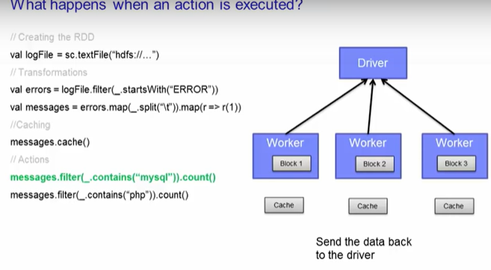 |  |  |  |  |  | A cache is created. After the first action completes, the results are sent back to the driver. |  | To process the second action, Spark will use the data on the cache -- it doesn't need to
 |  |  |  |  |  |  |  | go to the HDFS data again. It just reads it from the cache and processes the data from there.

Some Transformations |  |  |  |  | Some Actions

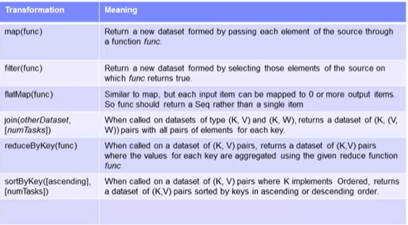
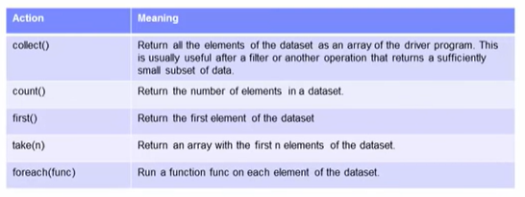

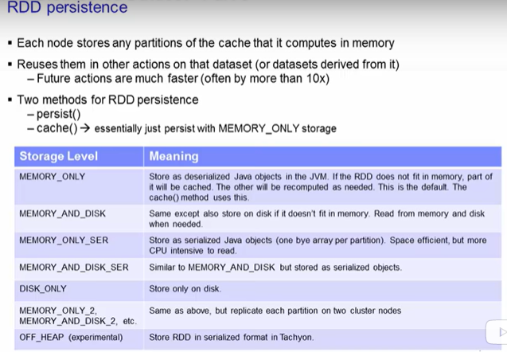
RDD Persistence

That is the
cache function. The cache function is actually the default of the persist function with the
MEMORY_ONLY storage.
One of the key capability of Spark is its speed through persisting or caching.

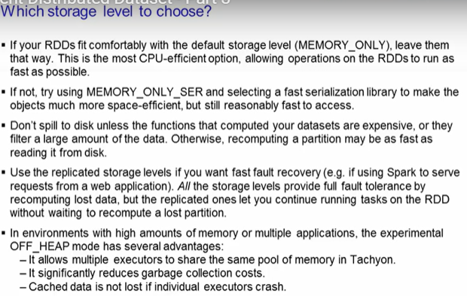
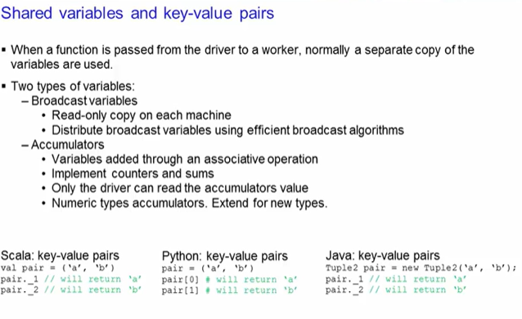

Creating a broadcast var
broadcastvar=sc.broadcast([1,2,3])
broadcastvar.value | op: [1,2,3]

creating a accumulator var
accum=sc.accumulator(0) |  | Create the accumulator variable.

rdd = sc.parallelize([1,2,3,4])
def f(x): |  | Next parallelize an array of four integers and run it through a loop to add each integer value to the accumulator variable
global accum
accum += x

rdd.foreach(f) |  | Next, iterate through each element of the rdd and apply the function f on it
acc.value |  | gives the current acc value

Some Scala syntax

val readme = sc.textFile("LabData/README.md") |  | val shd be declared b4 variable readme |  |  |  |  | scala for loop:
val lineswithspark=readme.filter(line => line.contains('spark')) similar to lambda exp |  |  |  |  |  |  | for(w <- range){ //code }

readme.map(line => line.split(" ").size). |  | compare with python and learn syntax
reduce((a, b) => if (a > b) a else b)

samething u can do like
import java.lang.Math
readme.map(line =>line.split(" ").size).reduce((a,b) => Math.max(a,b))

val wordCounts = readme.flatMap(line => line.split(" ")).
map(word => (word, 1)).
reduceByKey((a,b) => a + b)

readmeFile.
flatMap(line => line.split(" ")). |  | we can simply use _+_ instead of using variables in scala like (a,b) => a+b
map(word => (word, 1)).
reduceByKey(_ + _)

joining :
rdd1.join(rdd2) |  | The join function combines the two datasets (K,V) and (K,W) together and get (K, (V,W)).
joined = readmeCount.join(pomCount) |  | ex: | (file,(1,3))
joinedSum = joined.map(k => (k._1, (k._2)._1 + (k._2)._2)) |  |  | (file,4)

val broadcastVar = sc.broadcast(Array(1,2,3))
broadcastVar.value |  |  | Array(1, 2, 3)

val accum = sc.accumulator(0)
sc.parallelize(Array(1,2,3,4)).foreach(x => accum += x)
accum.value |  |  | 10

A Sample

val taxi = sc.textFile("LabData/nyctaxi.csv") |  |  | loading a csv file
val taxiParse = taxi.map(line=>line.split(" ")) |  |  | splitting the rows
val taxiMedKey = taxiParse.map(vals=>(vals(6), 1)) |  |  | Now create the key-value pairs where the key is the medallion number and the value is 1.
val taxiMedCounts = taxiMedKey.reduceByKey((v1,v2)=>v1+v2)

doing all this in one line

val taxiMedCountsOneLine = taxi.map(line=>line.split(',')).map(vals=>(vals(6),1)).reduceByKey(_ + _)
taxiMedCountsOneLine.take(5) |  |  |  | op | Array(("A9907052C8BBDED5079252EFE6177ECF",195), ("26DE3DC2FCBB37A233BE231BA6F7364E",173), ("BA60553FAA4FE1A36BBF77B4C10D3003",171), ("67DD83EA2A67933B2724269121BF45BB",196), ("AD57F6329C387766186E1B3838A9CEDD",214))

for (pair <-taxiMedCountsOneLine..map(_.swap).top(10)) println("Taxi Medallion %s had %s Trips".format(pair._2, pair._1))

her .map(_.swap) swaps med,count to count,med
("A9907052C8BBDED5079252EFE6177ECF",195) becomes (195, "A9907052C8BBDED5079252EFE6177ECF") for the entire data
.top(10) gives top 10 med counts
 |  | op: | Taxi Medallion "FE4C521F3C1AC6F2598DEF00DDD43029" had 415 Trips
 |  |  | Taxi Medallion "F5BB809E7858A669C9A1E8A12A3CCF81" had 411 Trips
 |  |  | Taxi Medallion "8CE240F0796D072D5DCFE06A364FB5A0" had 406 Trips
 |  |  | Taxi Medallion "0310297769C8B049C0EA8E87C697F755" had 402 Trips
 |  |  | Taxi Medallion "B6585890F68EE02702F32DECDEABC2A8" had 399 Trips
 |  |  | Taxi Medallion "33955A2FCAF62C6E91A11AE97D96C99A" had 395 Trips
 |  |  | Taxi Medallion "4F7C132D3130970CFA892CC858F5ECB5" had 391 Trips
 |  |  | Taxi Medallion "78833E177D45E4BC520222FFBBAC5B77" had 383 Trips
 |  |  | Taxi Medallion "E097412FE23295A691BEEE56F28FB9E2" had 380 Trips
 |  |  | Taxi Medallion "C14289566BAAD9AEDD0751E5E9C73FBD" had 377 Trips

DataFrames
Refer Pyspark notes

Running SQL Queries from Spark DataFrames :

# Register this DataFrame as a table.
sdf.registerTempTable("cars")

# SQL statements can be run by using the sql method
highgearcars = sqlContext.sql("SELECT gear FROM cars WHERE cyl >= 4 AND cyl <= 9")
highgearcars.show(6)

Spark Fundamentals (Aplication Programming)
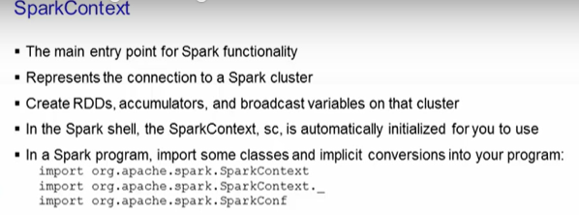
import org.apache.spark.SparkContext
import org.apache.spark.SparkContext._
import org.apache.spark.SparkConf
( use this when running explicitly by not using shell)

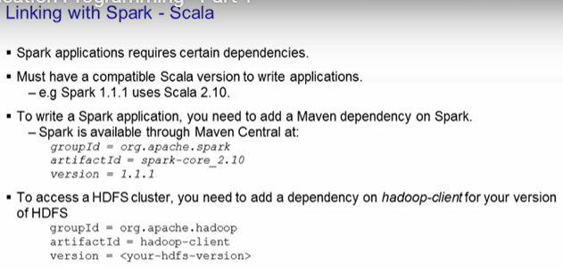
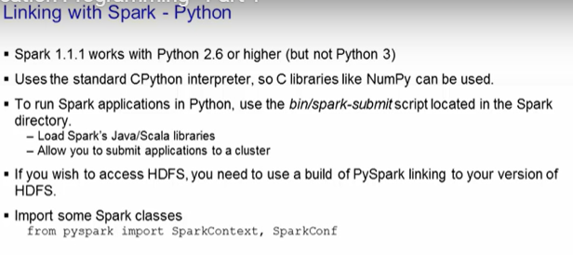

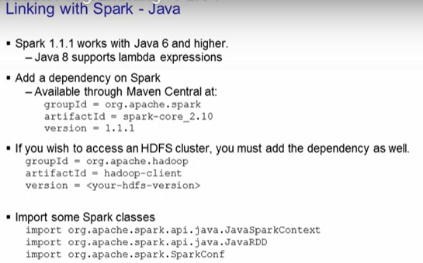

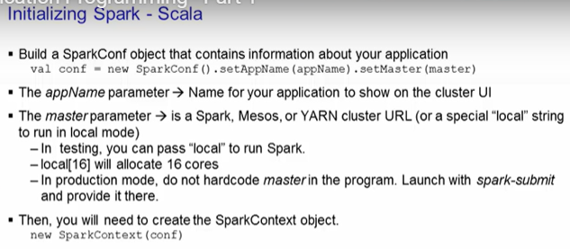
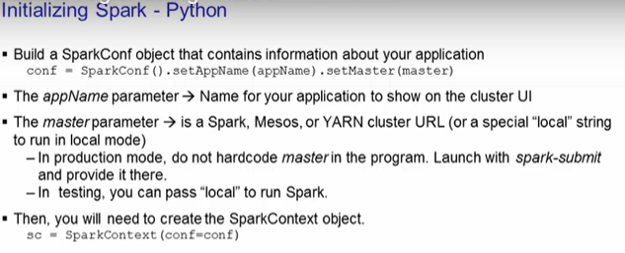

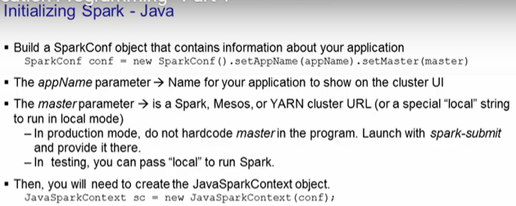

1.create sparkconf
2.create sparkcontext

Passing functions :

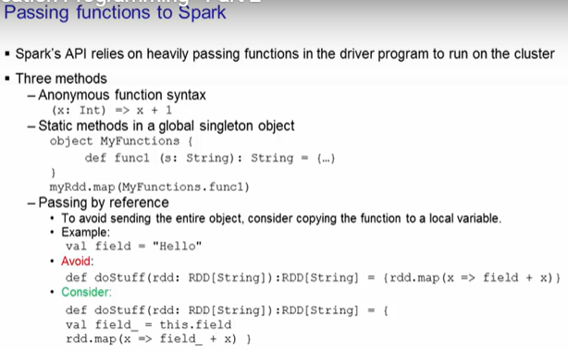

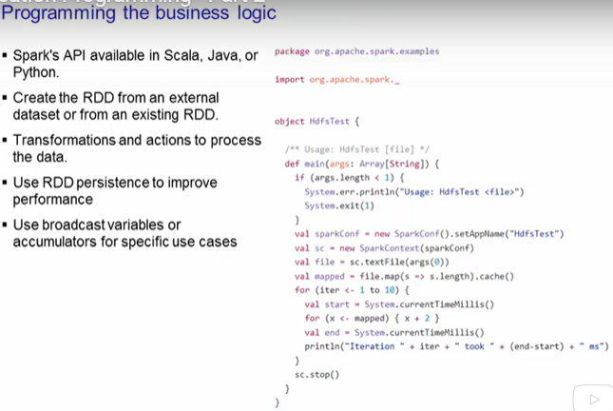

 |  |  |  |  |  | here u can see sparkconf followed by sparkcontext

 |  |  |  |  |  |  | The several lines of code after is creating the RDD from a text
 |  |  |  |  |  |  | file and then performing the Hdfs test on it to see how long the iteration through the
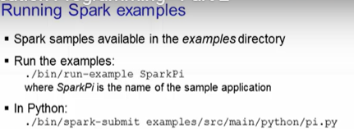 |  |  |  |  |  |  | file takes. Finally, at the end, you stop the SparkContext by calling the stop() function.

first one is for java and scala…for python its mentioned below
these are just paths and app name

Creating Stand alone applications

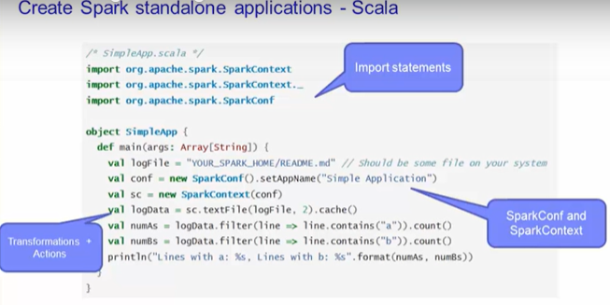
 |  |  |  |  | The application shown here counts the number of lines with 'a' and the number of lines with 'b'. You will need to replace the YOUR_SPARK_HOME with the directory where Spark is installed, if you wish to code this application.

 |  |  |  |  | Unlike the Spark shell, you have to initialize the SparkContext in a program. First you must
 |  |  |  |  | create a SparkConf to set up your application's name. Then you create the SparkContext by
 |  |  |  |  | passing in the SparkConf object. Next, you create the RDD by loading in the textFile,
 |  |  |  |  | and then caching the RDD.

 |  |  |  |  | Since we will be applying a couple of transformations on it,
 |  |  |  |  | caching will help speed up the process, especially if the logData RDD is large. Finally, you
 |  |  |  |  | get the values of the RDD by executing the count action on it. End the program by printing
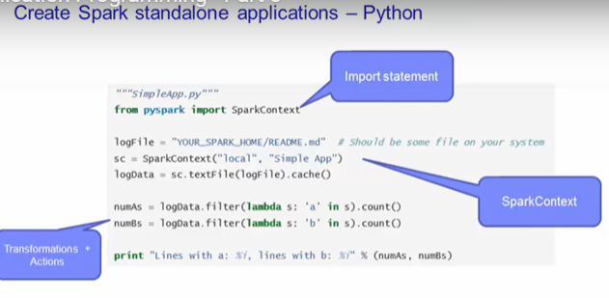
 |  |  |  |  | it out onto the console.

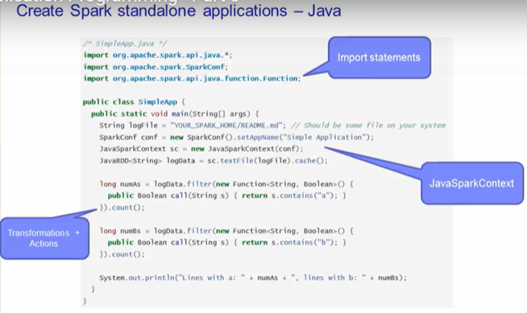

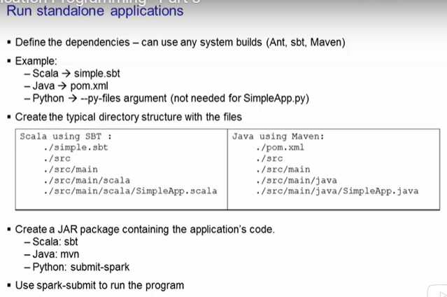
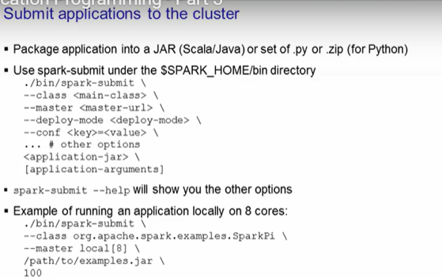

 |  |  |  |  | The class option is the main entry point to your class. If it is under a package name,
 |  |  |  |  | you must provide the fully qualified name. The master URL is where your cluster is located. |  | explanation of above image
 |  |  |  |  | Remember that it is recommended approach to provide the master URL here, instead of hardcoding
 |  |  |  |  | it in your application code.
 |  |  |  |  | The deploy-mode is whether you want to deploy your driver on the worker nodes (cluster)
 |  |  |  |  | or locally as an external client (client). The default deploy-mode is client.
 |  |  |  |  | The conf option is any configuration property you wish to set in key=value format.
 |  |  |  |  | The application jar is the file that you packaged up using one of the build tools.
 |  |  |  |  | Finally, if the application has any arguments, you would supply it after the jar file.

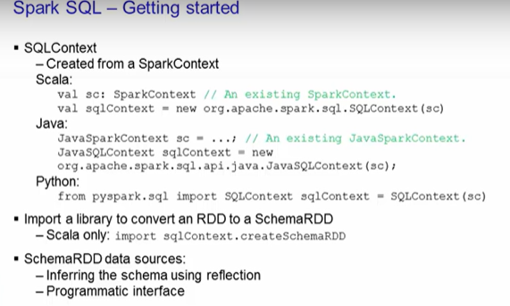
Spark Libraries
These are SparkSQL, Spark Streaming, Mllib, GraphX
SparkSQL

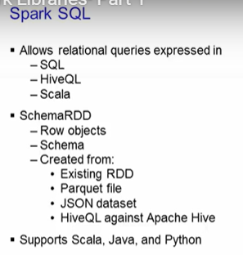

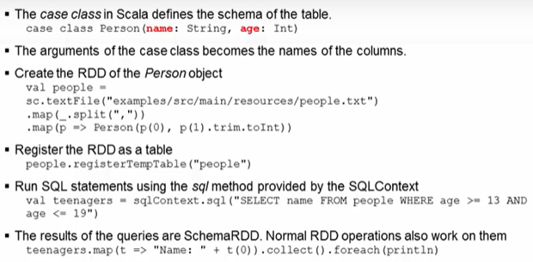

Method -1 |  |  |  |  | Method-2

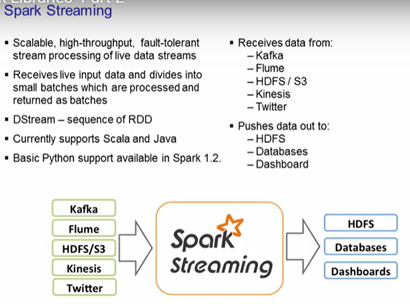
Spark Streaming
Spark streaming gives you the capability to process live streaming data in small batches.
You write Stream programs with DStreams, which is a sequence of RDDs from a stream of data.

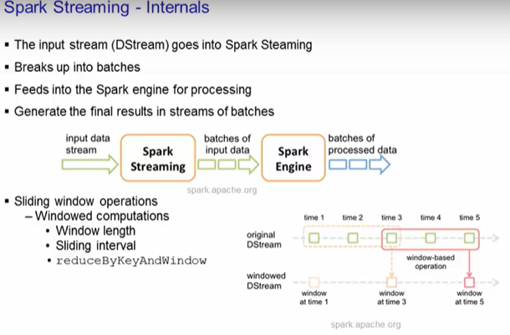

 |  |  |  |  | here window length=3, sliding interval=2

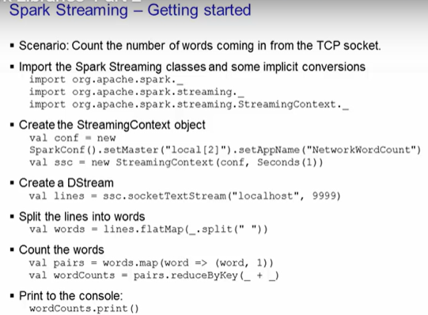
 |  |  |  |  | First and foremost, you must import the appropriate libraries. Then, you would
 |  |  |  |  | create the StreamingContext object. In it, you specify to use two threads with the batch
 |  |  |  |  | interval of 1 second. Next, you create the DStream, which is a sequence of RDDs, that
 |  |  |  |  | listens to the TCP socket on the given hostname and port. Each record of the DStream is a
 |  |  |  |  | line of text. You split up the lines into individual words using the flatMap function.
 |  |  |  |  | The flatMap function is a one-to-many DStream operation that takes one line and creates
 |  |  |  |  | a new DStream by generating multiple records (in our case, that would be the words on the
 |  |  |  |  | line). Finally, with the words DStream, you can count the words using the map and reduce
 |  |  |  |  | model. Then you print out the results to the console.

