ReferenceArch
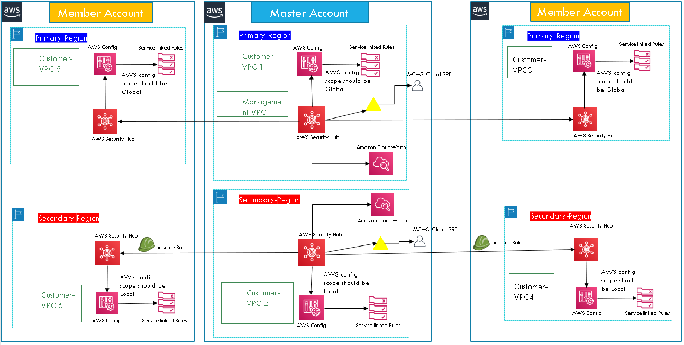
Master Account
Member Account
Member Account
Master Account
Member Account

