Expectations-Explanation
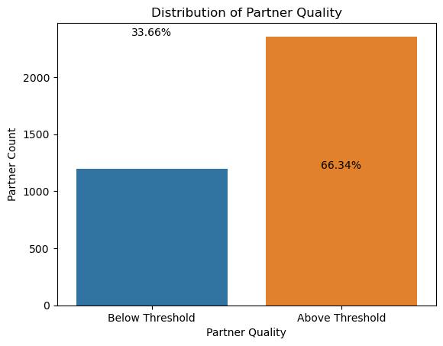
Partner_Quality_Score
Assigning weights to each metric according to indvidual importance to each metric
Acceptance rate= 0.1
Cancellation rate= 0.1
Tasks not delivered= 0.2*
Partner cancellation = 0.1
Task time= 0.2*
Interaction rate = 0.05
Contact rate= 0.05
Rating = 0.2*

Note: (*) denotes primary metric

Threshold limit
Avg Precision Quality score = 22
Threshold limit= less than avg. precision Quality= 20

Plan of action if partner falls in the retraining bucket more than once.
Conduct Performance review
Assign mentor
Continous monitor
Additional Training

 | Below Threshold = less than 20- requires training.

