Sheet1
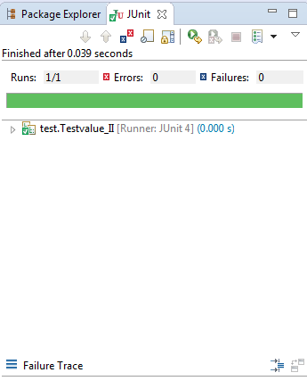
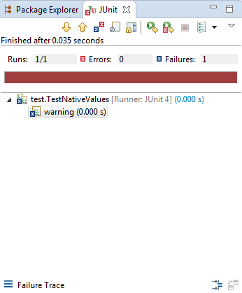
Test-Case | Project - Conversion |  | validations being tested
 | JIRA NUMBER - Version - Build Type- |  | Tested with Negative values | Tested with Zero value | Tested for minimum data | test for above max 3000 | tested for correct Values
 | Test Summary | validation |  |  |  |  |  | Results | Comments
1 | Roman values Convertert into Arabic numerals | II = 2 |  |  |  |  | X | Pass
2 | Roman values Convertert into Arabic numerals | IV = 4 |  |  |  |  | X | Pass
3 | Roman values Convertert into Arabic numerals | IX = 9 |  |  |  |  | X | Pass
4 | Roman values Convertert into Arabic numerals | XIII = 13 |  |  |  |  | X | Pass
5 | Roman values Convertert into Arabic numerals | XL = 40 |  |  |  |  | X | Pass
6 | Roman values Convertert into Arabic numerals | XC = 90 |  |  |  |  | X | Pass
7 | Roman values Convertert into Arabic numerals | CCVII = 207 |  |  |  |  | X | Pass
8 | Roman values Convertert into Arabic numerals | CD = 400 |  |  |  |  | X | Pass
9 | Roman values Convertert into Arabic numerals | CM = 900 |  |  |  |  | X | Pass
10 | Roman values Convertert into Arabic numerals | MLXVI = 1066 |  |  |  |  | X | Pass
11 | When negative numbers are entered, they return in an error message that the number is not a valid number. | value = -1 (negative value) | x |  |  |  |  | Fail | Value should be positive Message displayed
12 | When zero is entered, it results in an error message that it is not a valid number. | less than 1 (Value = 0) |  | x |  |  |  | Fail | Value should be minmum 1 Error Message displayed
13 | When numbers greater than 3000, they result in an error message that the number is greater than the calculator can handle. | value = 3001 (min 1 - max 3000) |  |  |  | x |  | Fail | the number is greater than 3000 the calculator can handle Erro Message displayed
14 | All other values return the appropriate Roman numeral. | value=1,3000 ( Min 1 - Max 3000 ) |  |  | x |  | x | Pass

 | Test case Pass Junit Screenshot | Test case Fail Junit Screenshot

