Binomial to Normal
n | 200
p | 0.5

Number of Heads | Probabailty
0 | 6.2230152779E-61
1 | 1.2446030556E-58
2 | 1.2383800403E-56
3 | 8.1733082659E-55
4 | 4.025354321E-53
5 | 1.5779388938E-51
6 | 5.1283014049E-50
7 | 1.4212721037E-48
8 | 3.4288189501E-47
9 | 7.3148137601E-46
10 | 1.3971294282E-44
11 | 2.4132235578E-43
12 | 3.8008271035E-42
13 | 5.4965807343E-41
14 | 7.3418614094E-40
15 | 9.1039081476E-39
16 | 1.0526393796E-37
17 | 1.1393273285E-36
18 | 1.1583161173E-35
19 | 1.1095449123E-34
20 | 1.0041381457E-33
21 | 8.6068983914E-33
22 | 7.0028855094E-32
23 | 5.4196244377E-31
24 | 3.9969730228E-30
25 | 2.8138690081E-29
26 | 1.8939502939E-28
27 | 1.2205457449E-27
28 | 7.541229067E-27
29 | 4.4727289639E-26
30 | 2.5494555094E-25
31 | 1.3980885052E-24
32 | 7.3836549179E-24
33 | 3.7589515946E-23
34 | 1.8463085773E-22
35 | 8.7567778239E-22
36 | 4.0135231693E-21
37 | 1.7789670264E-20
38 | 7.6308322448E-20
39 | 3.1697303171E-19
40 | 1.2758164526E-18
41 | 4.9787959126E-18
42 | 1.8848298812E-17
43 | 6.9256539821E-17
44 | 2.4711992618E-16
45 | 8.5668241076E-16
46 | 2.8866472536E-15
47 | 9.4583761077E-15
48 | 3.0148573843E-14
49 | 9.3522106616E-14
50 | 2.8243676198E-13
51 | 8.3069635877E-13
52 | 2.3802645665E-12
53 | 6.6467765252E-12
54 | 1.8094002763E-11
55 | 4.8031352789E-11
56 | 1.2436689562E-10
57 | 3.1419005208E-10
58 | 7.7464099047E-10
59 | 1.8643901805E-09
60 | 4.3813169241E-09
61 | 1.0055481465E-08
62 | 2.2543740704E-08
63 | 4.9381527256E-08
64 | 1.0570733178E-07
65 | 2.2117226342E-07
66 | 4.5239781155E-07
67 | 9.047956231E-07
68 | 1.7696737922E-06
69 | 3.3854629069E-06
70 | 6.3356520115E-06
71 | 1.1600489598E-05
72 | 2.0784210531E-05
73 | 3.6443547232E-05
74 | 6.2545006735E-05
75 | 0.00010507561132
76 | 0.00017282172914
77 | 0.00027831031705
78 | 0.0004388739615
79 | 0.00067775472536
80 | 0.0010251040221
81 | 0.0015186726253
82 | 0.0022039273465
83 | 0.0031332942999
84 | 0.0043642313463
85 | 0.0059558921902
86 | 0.0079642744404
87 | 0.010435945818
88 | 0.013400703153
89 | 0.016863806215
90 | 0.020798694332
91 | 0.025141278863
92 | 0.029786949958
93 | 0.034591296725
94 | 0.039375199463
95 | 0.043934433085
96 | 0.048053286187
97 | 0.051521049108
98 | 0.054149674062
99 | 0.055790573276
100 | 0.056348479009
101 | 0.055790573276
102 | 0.054149674062
103 | 0.051521049108
104 | 0.048053286187
105 | 0.043934433085
106 | 0.039375199463
107 | 0.034591296725
108 | 0.029786949958
109 | 0.025141278863
110 | 0.020798694332
111 | 0.016863806215
112 | 0.013400703153
113 | 0.010435945818
114 | 0.0079642744404
115 | 0.0059558921902
116 | 0.0043642313463
117 | 0.0031332942999
118 | 0.0022039273465
119 | 0.0015186726253
120 | 0.0010251040221
121 | 0.00067775472536
122 | 0.0004388739615
123 | 0.00027831031705
124 | 0.00017282172914
125 | 0.00010507561132
126 | 6.2545006735E-05
127 | 3.6443547232E-05
128 | 2.0784210531E-05
129 | 1.1600489598E-05
130 | 6.3356520115E-06
131 | 3.3854629069E-06
132 | 1.7696737922E-06
133 | 9.047956231E-07
134 | 4.5239781155E-07
135 | 2.2117226342E-07
136 | 1.0570733178E-07
137 | 4.9381527256E-08
138 | 2.2543740704E-08
139 | 1.0055481465E-08
140 | 4.3813169241E-09
141 | 1.8643901805E-09
142 | 7.7464099047E-10
143 | 3.1419005208E-10
144 | 1.2436689562E-10
145 | 4.8031352789E-11
146 | 1.8094002763E-11
147 | 6.6467765252E-12
148 | 2.3802645665E-12
149 | 8.3069635877E-13
150 | 2.8243676198E-13
151 | 9.3522106616E-14
152 | 3.0148573843E-14
153 | 9.4583761077E-15
154 | 2.8866472536E-15
155 | 8.5668241076E-16
156 | 2.4711992618E-16
157 | 6.9256539821E-17
158 | 1.8848298812E-17
159 | 4.9787959126E-18
160 | 1.2758164526E-18
161 | 3.1697303171E-19
162 | 7.6308322448E-20
163 | 1.7789670264E-20
164 | 4.0135231693E-21
165 | 8.7567778239E-22
166 | 1.8463085773E-22
167 | 3.7589515946E-23
168 | 7.3836549179E-24
169 | 1.3980885052E-24
170 | 2.5494555094E-25
171 | 4.4727289639E-26
172 | 7.541229067E-27
173 | 1.2205457449E-27
174 | 1.8939502939E-28
175 | 2.8138690081E-29
176 | 3.9969730228E-30
177 | 5.4196244377E-31
178 | 7.0028855094E-32
179 | 8.6068983914E-33
180 | 1.0041381457E-33
181 | 1.1095449123E-34
182 | 1.1583161173E-35
183 | 1.1393273285E-36
184 | 1.0526393796E-37
185 | 9.1039081476E-39
186 | 7.3418614094E-40
187 | 5.4965807343E-41
188 | 3.8008271035E-42
189 | 2.4132235578E-43
190 | 1.3971294282E-44
191 | 7.3148137601E-46
192 | 3.4288189501E-47
193 | 1.4212721037E-48
194 | 5.1283014049E-50
195 | 1.5779388938E-51
196 | 4.025354321E-53
197 | 8.1733082659E-55
198 | 1.2383800403E-56
199 | 1.2446030556E-58
200 | 6.2230152779E-61

Normal_dist1
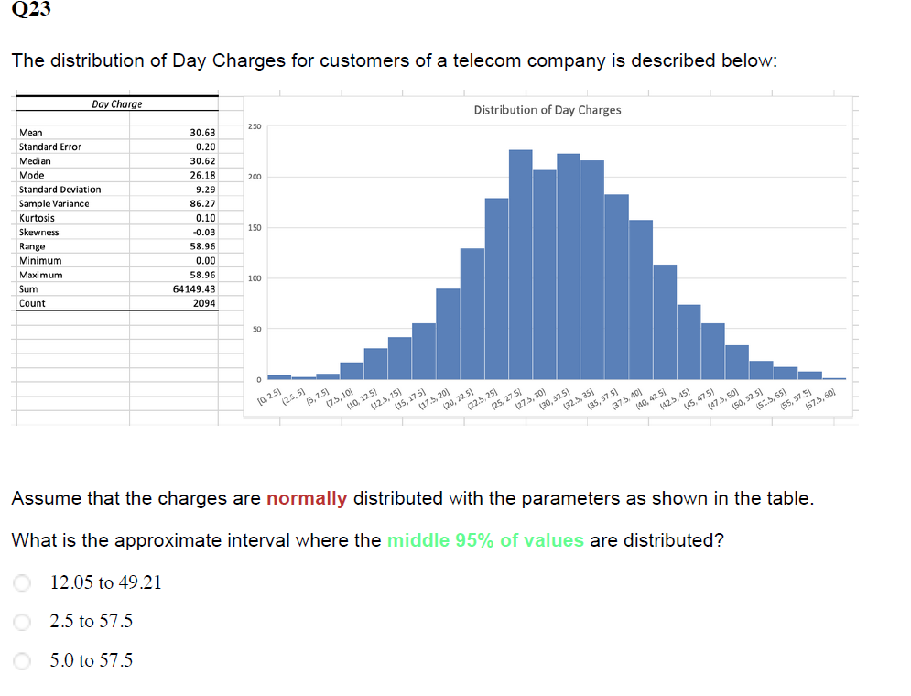

Mean | 30.63
SD | 9.29

Mean-(2*SD) | 12.05
Mean+(2*SD) | 49.21

Normal_Dist2
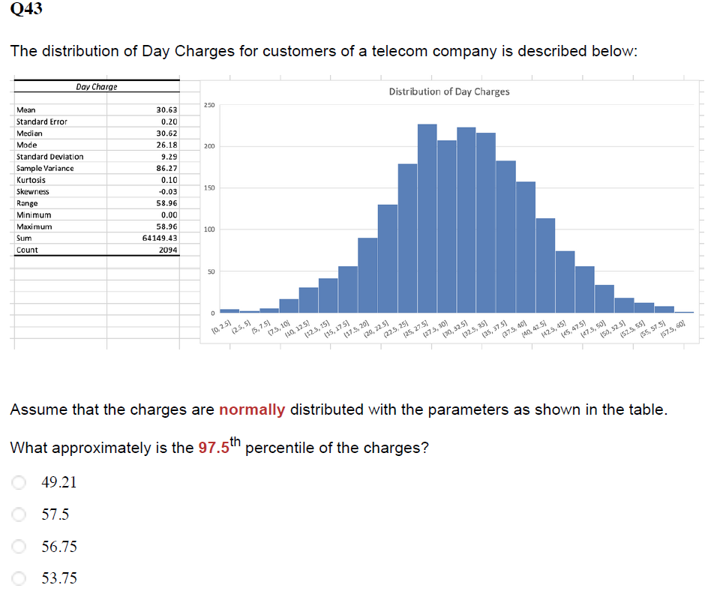

Mean | 30.63
SD | 9.29

Mean+(2*SD) | 49.21

Expecte_value2
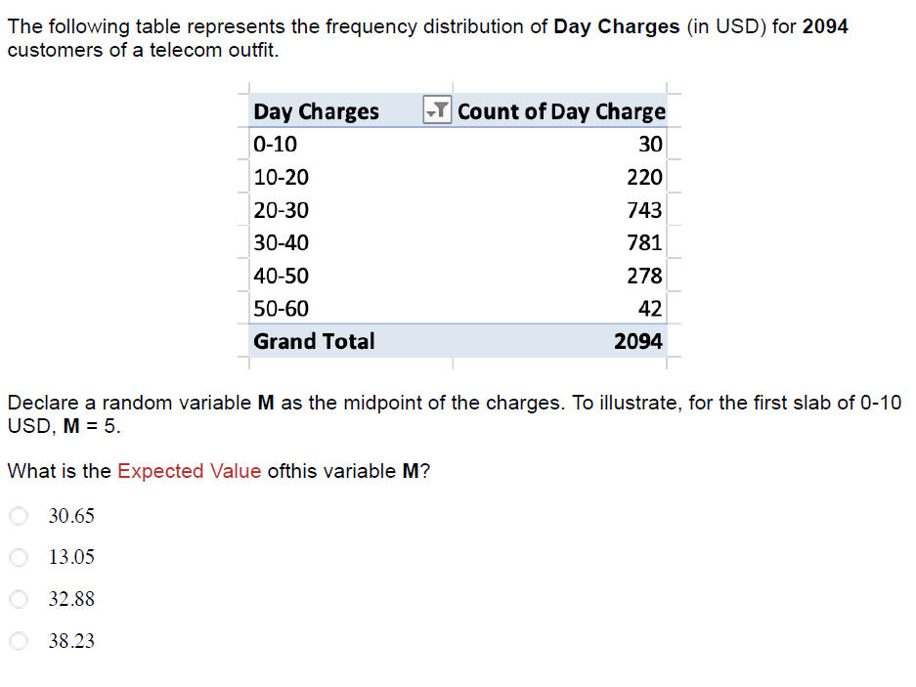

Day Charges | Mid Point(x) | Count(n) | Probability P(X) | x*p(x)
0-10 | 5 | 30 | 1% | 0.1
10-20 | 15 | 220 | 11% | 1.6
20-30 | 25 | 743 | 35% | 8.9
30-40 | 35 | 781 | 37% | 13.1
40-50 | 45 | 278 | 13% | 6.0
50-60 | 55 | 42 | 2% | 1.1
 |  | 2094 |  | 30.65

SD2
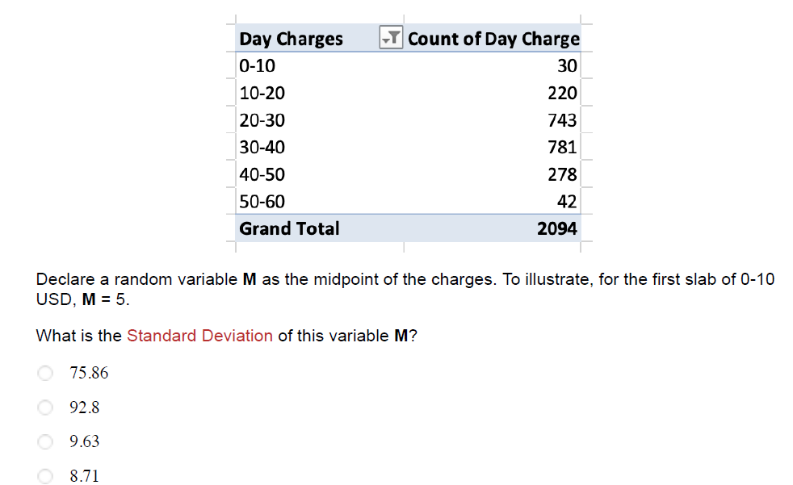

Day Charges | Mid Point(x) | Count(n) | Probability P(X) | x*p(x) | (X−μ)^2 | P(X)⋅(X−μ)^2
0-10 | 5 | 30 | 1% | 0.1 | 657.90 | 9.4
10-20 | 15 | 220 | 11% | 1.6 | 244.91 | 25.7
20-30 | 25 | 743 | 35% | 8.9 | 31.92 | 11.3
30-40 | 35 | 781 | 37% | 13.1 | 18.93 | 7.1
40-50 | 45 | 278 | 13% | 6.0 | 205.94 | 27.3
50-60 | 55 | 42 | 2% | 1.1 | 592.95 | 11.9
 |  | 2094 |  | 30.65 | Var | 92.8
 |  |  |  |  | SD | 9.63

Confidence_Interval
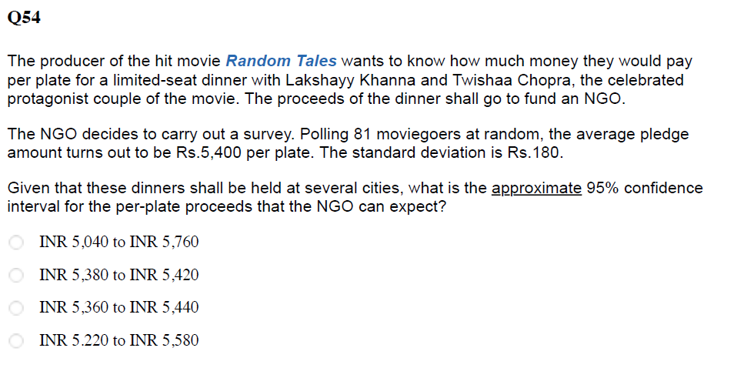

Mean | 5400
SD | 180
Sample size | 81
Z value | 1.96

Lower Bound | 5360.8
Upper Bound | 5439.2

