QUES_2
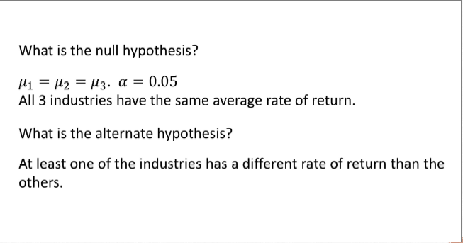
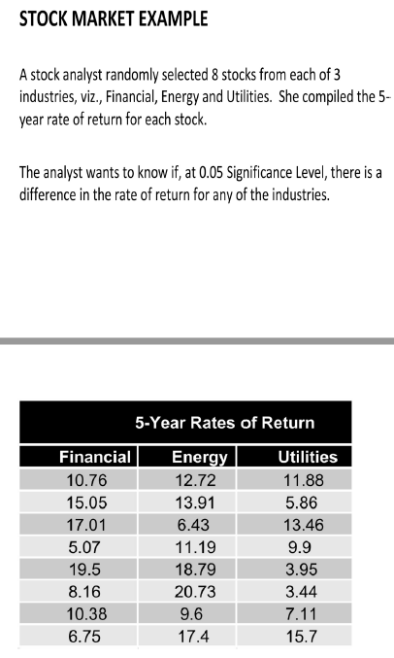
 | Financial | Energy | Utilities
 | 10.76 | 12.72 | 11.88
 | 15.05 | 13.91 | 5.86
 | 17.01 | 6.43 | 13.46
 | 5.07 | 11.19 | 9.9
 | 19.5 | 18.79 | 3.95
 | 8.16 | 20.73 | 3.44
 | 10.38 | 9.6 | 7.11
 | 6.75 | 17.4 | 15.7

Mean | 11.585 | 13.84625 | 8.9125 |  |  | ANOVA
Group mean | 11.447916667

Variance between groups | 0.018791840278 | 5.7520027778 | 6.4283376736 | 12.199132292 | 8 | Sum of Square | 97.593058333 | 48.796529167
n -1 | 2 |  |  |  |  | df | 2

Variance within groups | 0.680625 | 1.2684390625 | 8.80605625
 | 12.006225 | 0.0040640625 | 9.31775625
 | 29.430625 | 55.000764062 | 20.67975625
 | 42.445225 | 7.0556640625 | 0.97515625
 | 62.647225 | 24.440664063 | 24.62640625
 | 11.730625 | 47.386014063 | 29.94825625
 | 1.452025 | 18.030639062 | 3.24900625
 | 23.377225 | 12.629139063 | 46.07015625

 | 183.7698 | 165.8153875 | 143.67255 |  |  | Sum of Square | 493.2577375 | 23.48846369
n-1 | (8 - 1) * 3 |  |  |  |  | df | 21

 |  |  |  |  |  |  | F - ratio | 2.0774678927

Alpha | df1 | df2 | Fvalue
0.05 | 2 | 21 | 3.4668001116

2.077468 < 3.4668
F-ratio < F- critical vlaue | Fail to reject Null Hypothesis , (all 3 industries have same average rate of return)

QUES_3
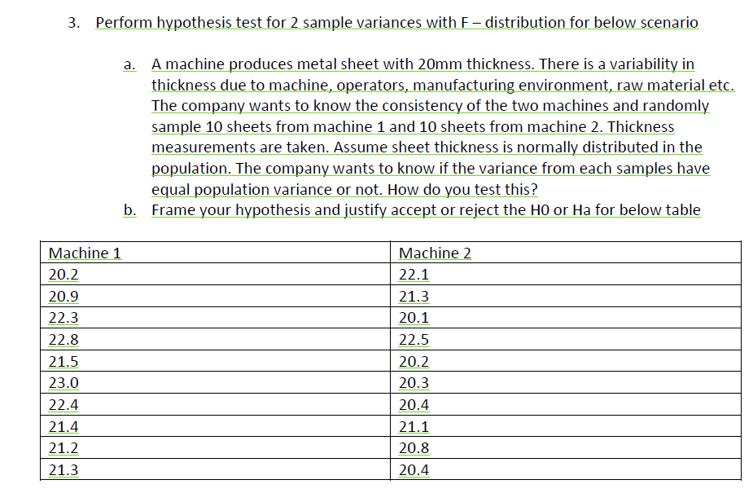
 | Machine1 | Machine2 | Hypothesis
 | 20.2 | 22.1 | H0 | population variances are equal
 | 20.9 | 21.3 | HA | population variances are not equal
 | 22.3 | 20.1
 | 22.8 | 22.5
 | 21.5 | 20.2
 | 23 | 20.3
 | 22.4 | 20.4
 | 21.4 | 21.1
 | 21.2 | 20.8
 | 21.3 | 20.4

variance | 0.79777777778 | 0.68844444444
ratio of sample variance | 1.1588121369
df (n-1) | 9
alpha

F (0.025) (9,9) | 4.026
F(0.975) (9,9) | 0.24838549429
F - Observed | 1.1588121369

F - obseved values are within the accepted range , hence failed to reject null hypothesis (population variances are equal)

QUES_5
 | Hypothesis
 | H0 | no change in sales - enhancement didn’t work
 | Ha | enhancement worked

 | x-bar | 125
 | population mean | 105
 | stdev | 14
 | n | 25

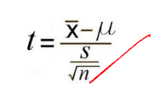

t-value | 7.1428571429 | (125-105)/(14/sqrt(25))

df | 24
alpha | 0.05
one tail critical t-value | 1.71
calculated t-value doesnot falls under range , reject null hypothesis , enhancement worked

QUES_6
 | population mean | 15
 | population stdev | 14
 | n | 169
 | sample mean | 16
 | alpha | 0.1

 | Hypothesis
 | H0 | mu = 15
 | HA | mu != 15

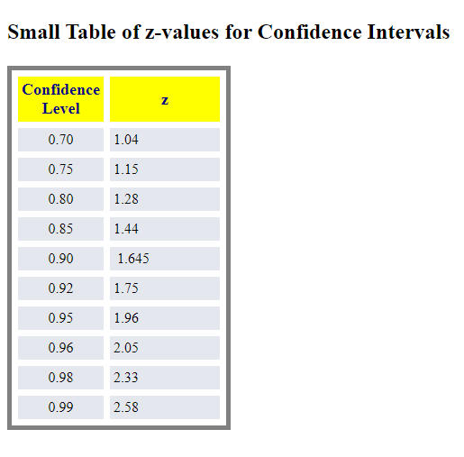

Z-value | (16-15)/(14/SQRT(13)) | 0.92857142857

 | 1.645 > 0.9285 | (fail to reject null hypothesis)

 | National average describes the mean commuting distance for all workers in NY area

