Rules and Chart
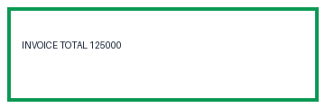
Monthly Revenue
Month | Revenue | Status
Jan | 100 | Open
Feb | 150 | Closed

