plantfeeding
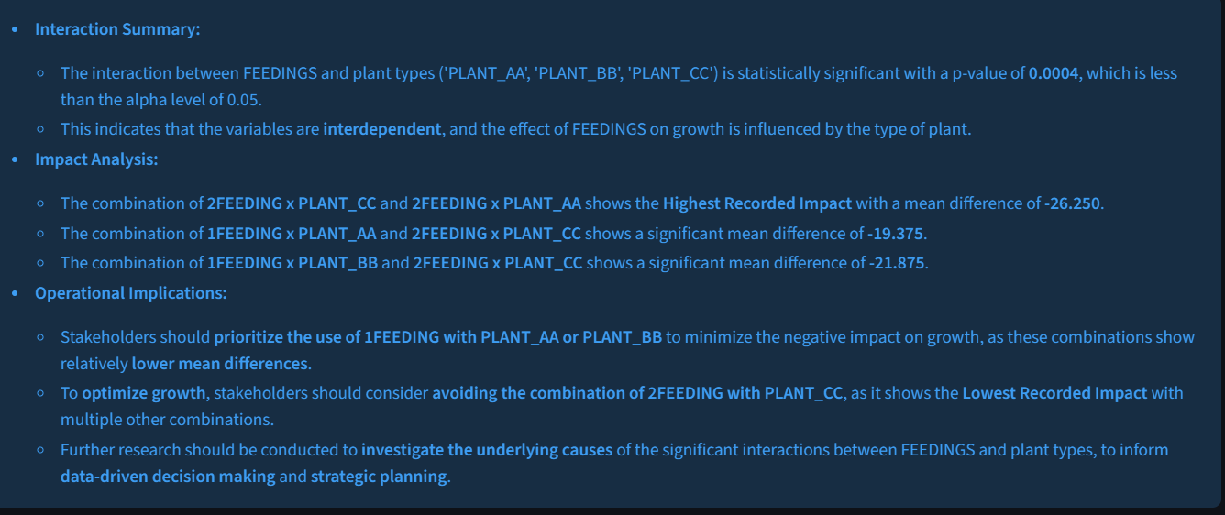
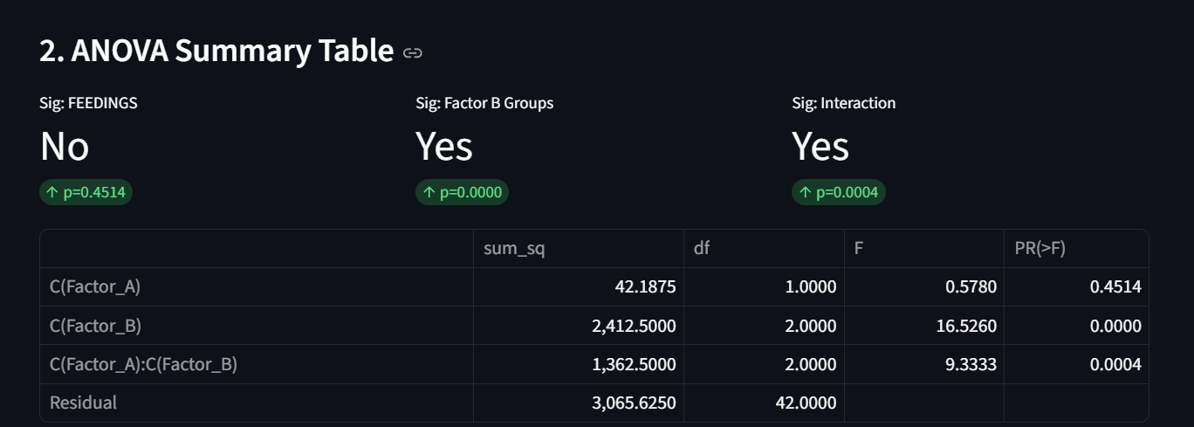
FEEDINGS | PLANT_AA | PLANT_BB | PLANT_CC
1FEEDING | 65 | 70 | 55
1FEEDING | 70 | 65 | 65
1FEEDING | 60 | 60 | 70
1FEEDING | 60 | 70 | 55
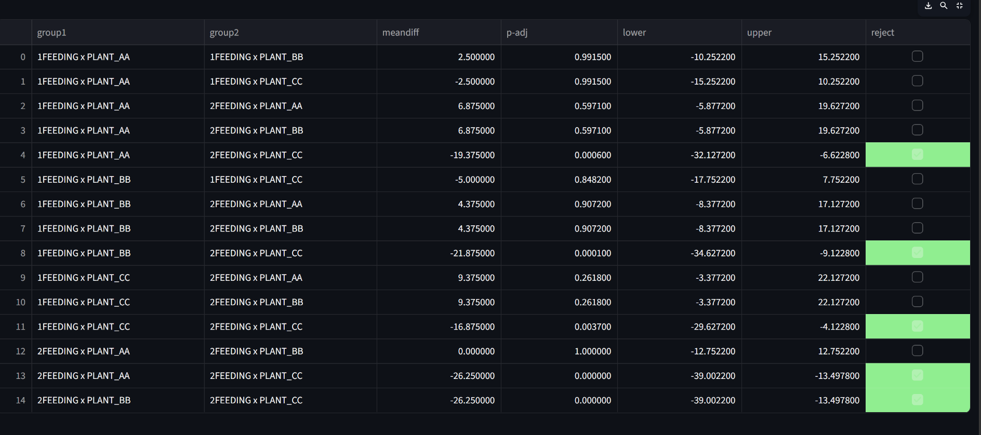
1FEEDING | 60 | 65 | 55
1FEEDING | 55 | 60 | 60
1FEEDING | 60 | 60 | 50
1FEEDING | 50 | 50 | 50
2FEEDING | 50 | 45 | 35
2FEEDING | 55 | 60 | 40
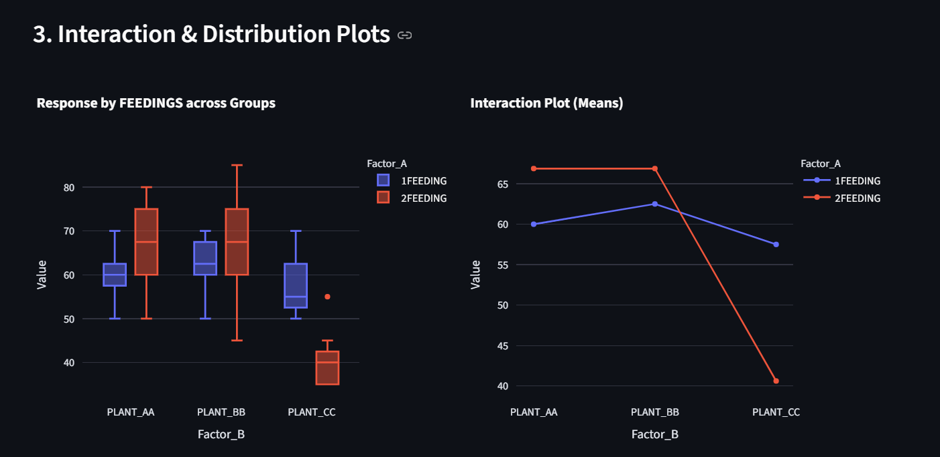
2FEEDING | 80 | 85 | 35
2FEEDING | 65 | 65 | 55
2FEEDING | 70 | 70 | 35
2FEEDING | 75 | 70 | 40
2FEEDING | 75 | 80 | 45
2FEEDING | 65 | 60 | 40

lubricant
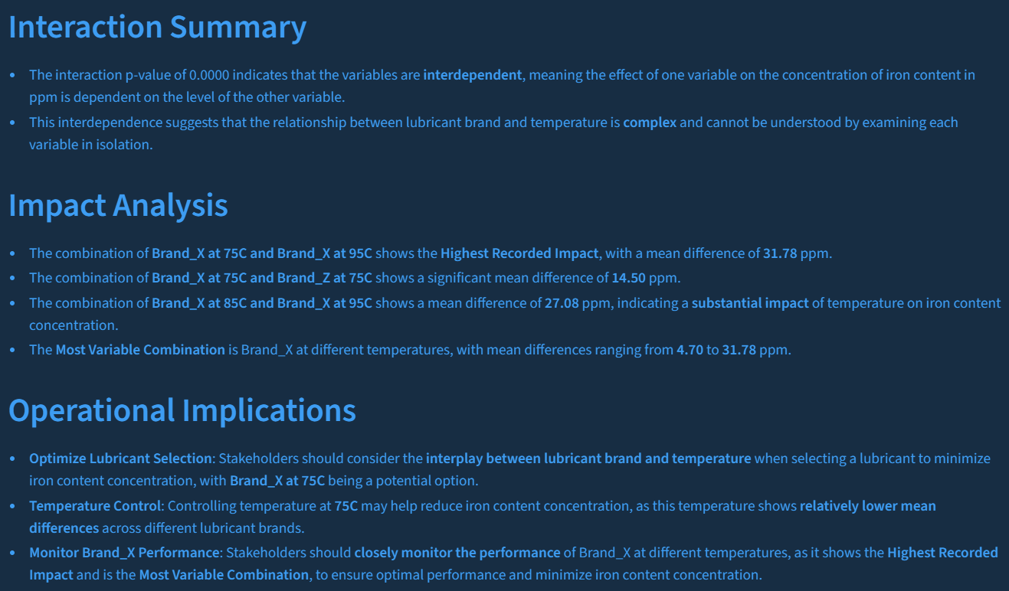
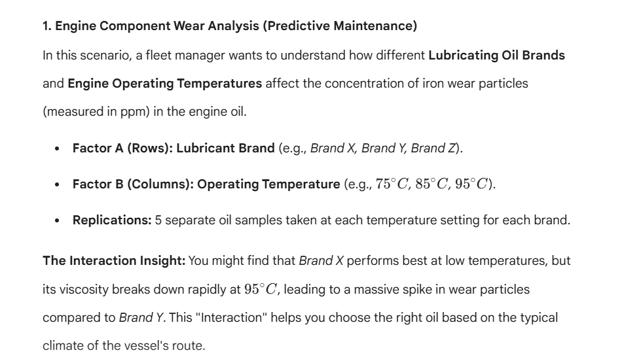
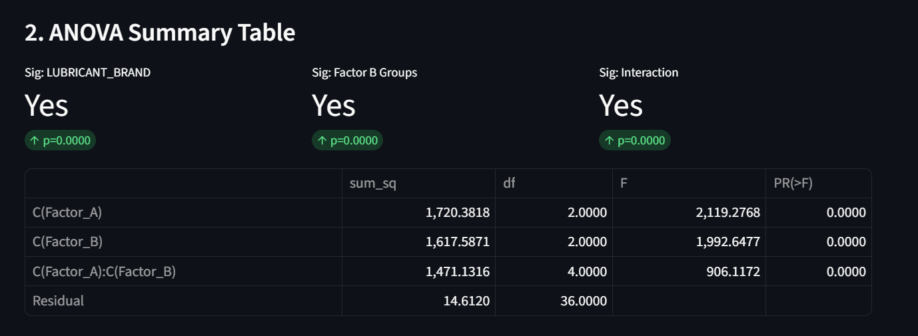
LUBRICANT_BRAND | TEMP_75C | TEMP_85C | TEMP_95C
Brand_X | 10.2 | 15.1 | 42.5
Brand_X | 11.5 | 14.8 | 40.1
Brand_X | 9.8 | 16.2 | 44.3
Brand_X | 10.5 | 15.5 | 41.8
Brand_X | 11 | 14.9 | 43.2
Brand_Y | 12.1 | 13.2 | 15.1
Brand_Y | 11.8 | 12.9 | 14.8
Brand_Y | 12.5 | 13.5 | 15.5
Brand_Y | 12.2 | 13 | 15.2
Brand_Y | 11.9 | 13.1 | 14.9
Brand_Z | 25.1 | 28.2 | 32.1
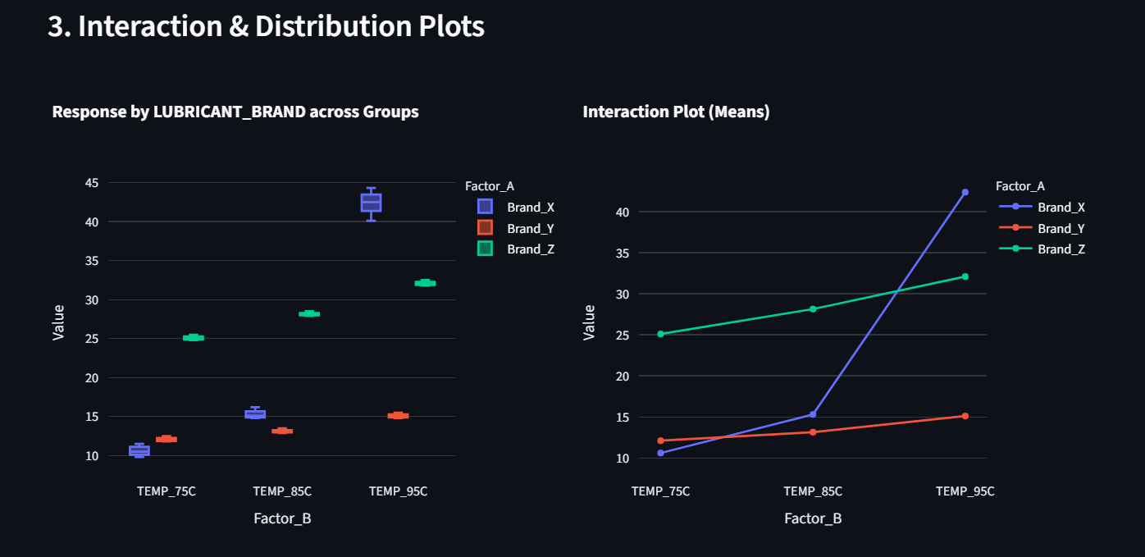
Brand_Z | 24.8 | 27.9 | 31.8
Brand_Z | 25.5 | 28.5 | 32.5
Brand_Z | 25.2 | 28 | 32.2
Brand_Z | 24.9 | 28.1 | 31.9

