Sheet1
1) Need to make it "Local Settings" for moneyscanner, Means If the user open the website in UK so based on that in Transfercomparison page Send make it as a GBP automatically. Like as remaning also.

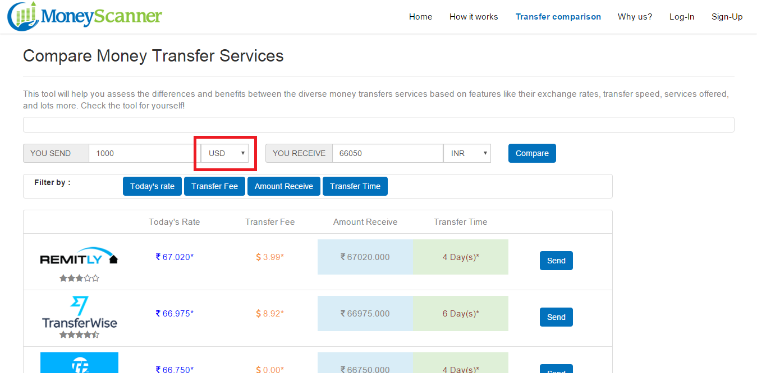

2) Our website not meets to "ULAW's" . Need to show Pop-up for cookie policy and "Click Here" to cookie policy, When user open the website.

3) In Transfer comparison page, Need to add a one new line as "Transfer rates displayed here is based on the 1000 GBP/USD/INR".
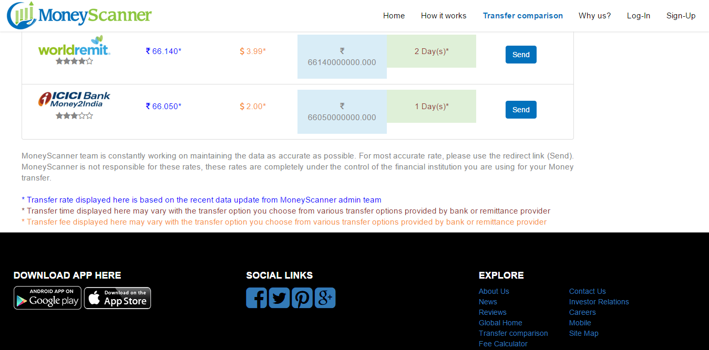

4) In Transfer comparison page, Providing the Last Updated time and date fields to the user.

5) we are not showing any copy rights banner in moneyscanner website.

6) Till now we are not providing to download the app for Android and IOS.so, please make a banner on icon "Coming Soon"

7) Need to change into "Sort by" instead of "Filter by".
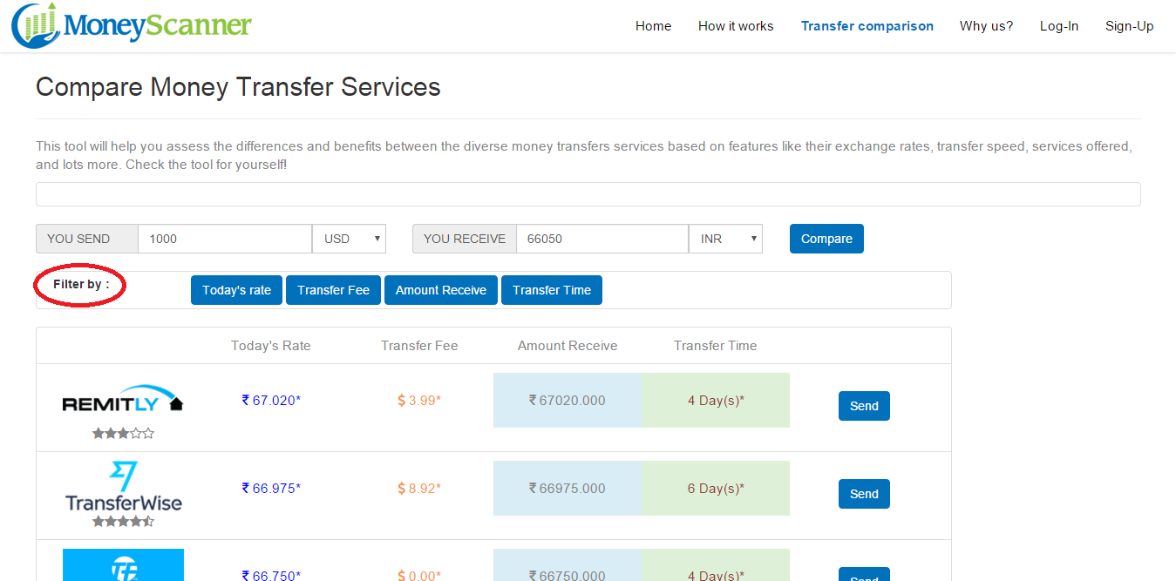

8) Need to show a max value from providers in "You Recevie" field
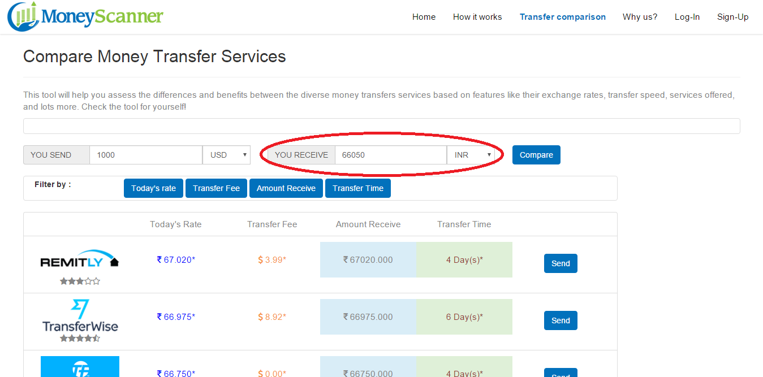

9) Need to remove the un-used links from the bottom of the website in "Explore" section. Like News, Investor relations, Reviews , Careers, Mobile, Site map and Fee calculator

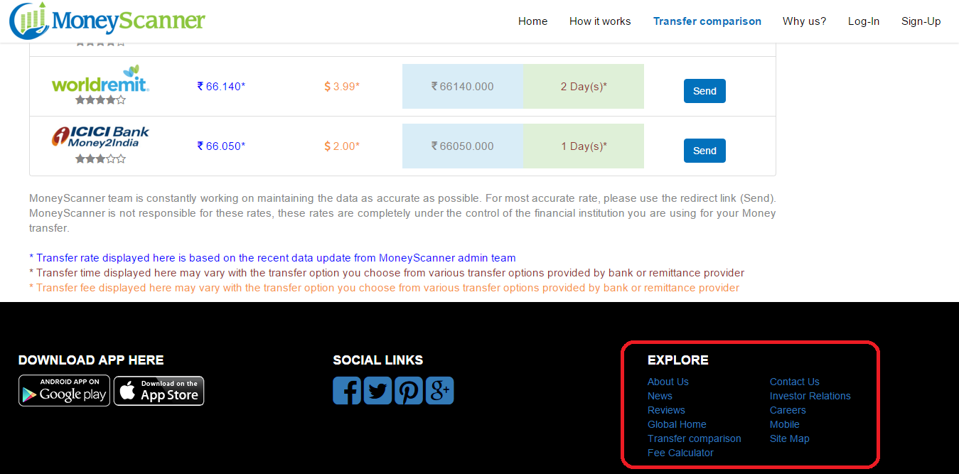

10) Need to remove the box from the website in transfer comparison page. Actually, right now we are not looking for ADS.so, remove it that.

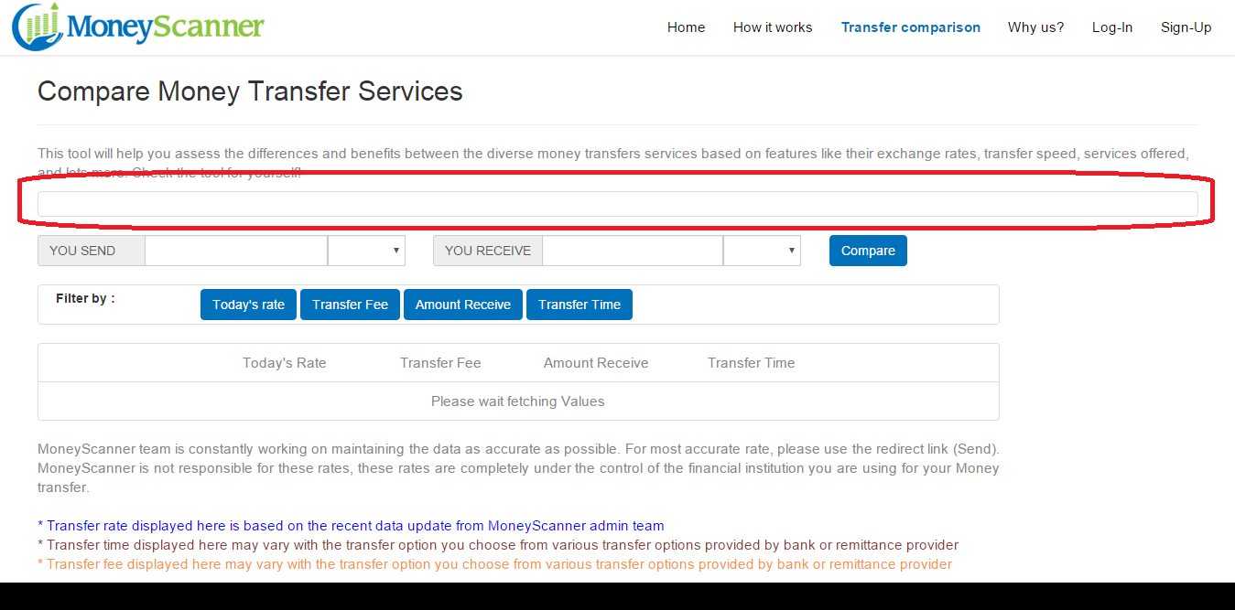

11) In Transfer comparison page, Even in web site and mob app also same problem. Amount receive column looks not good. I am sharing a pics below for website and app.

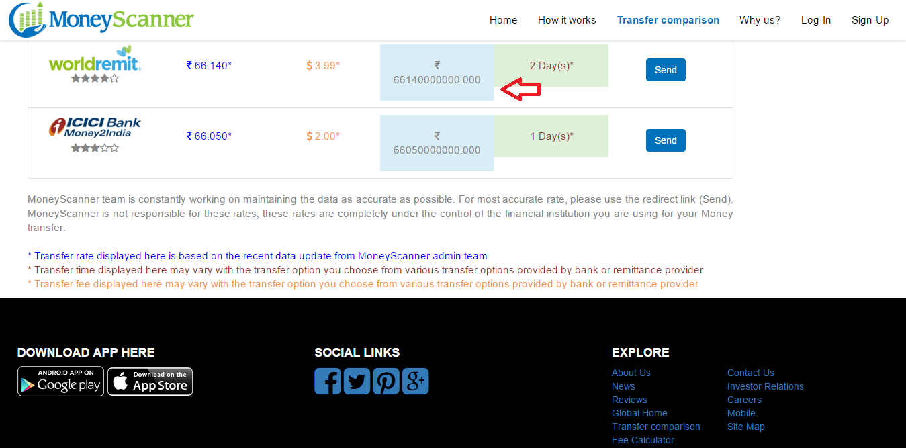

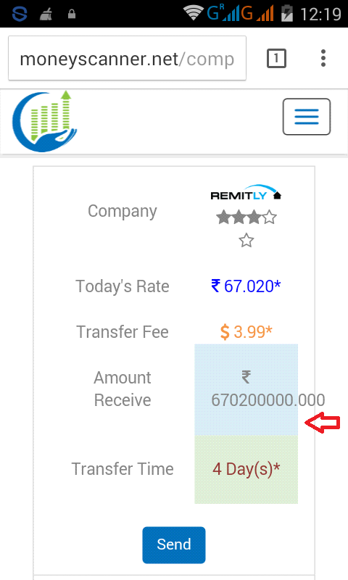

12) Need to calculate the today's rate and transfer fee then show the exact money how much recevier will get.

13) If receiver wants to 1,50,000 so based on that how much want to transfer from GBP/USD. Means, How much value user will type on the "Amount recevie" based on that we show the GBP/USD/INR values

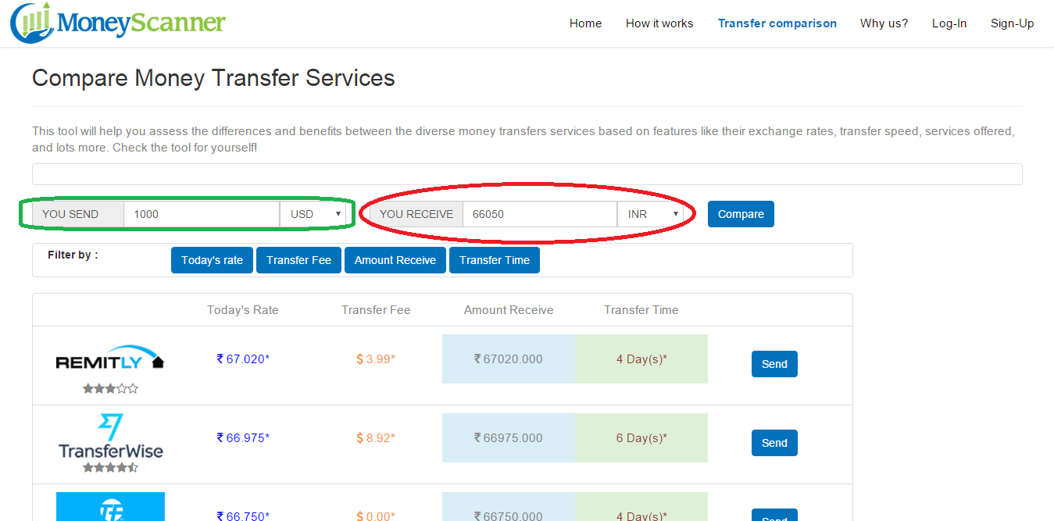

14) In Why us page, After sending a message to moneyscanner website.we are not getting any alert message regarding the message.

15) In Transfer comparison page, Could you make it a single column instead of multiplecolumn(Todays rate,Amount Receive,Transfer time,Transfer fee) sorting.

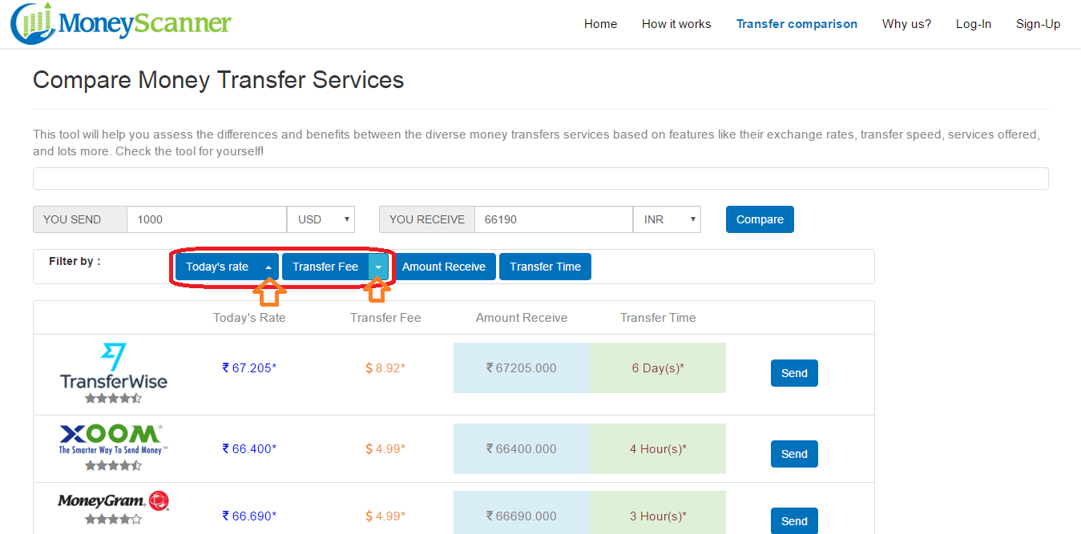

16) In Why us page, without type any text in fields I just simply click on the submit button it show success message.please check the validations.

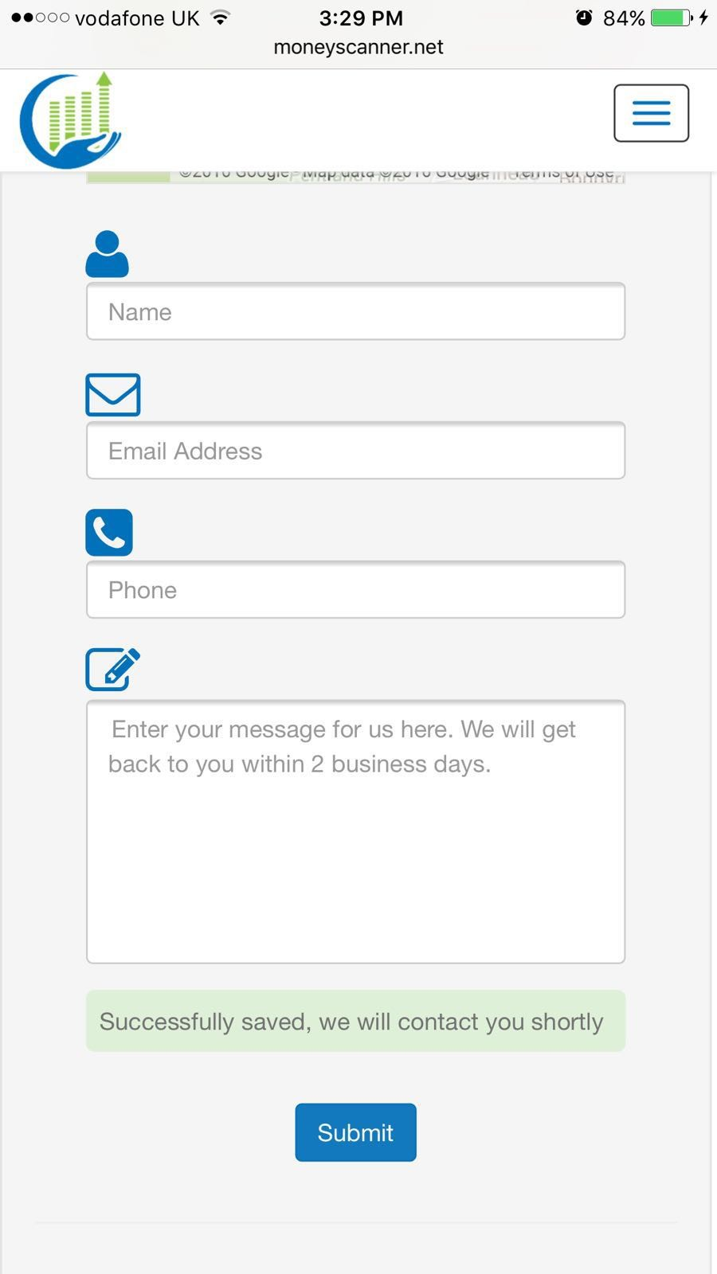

17) If it possible need to change the look and feel of transfer comparision page.
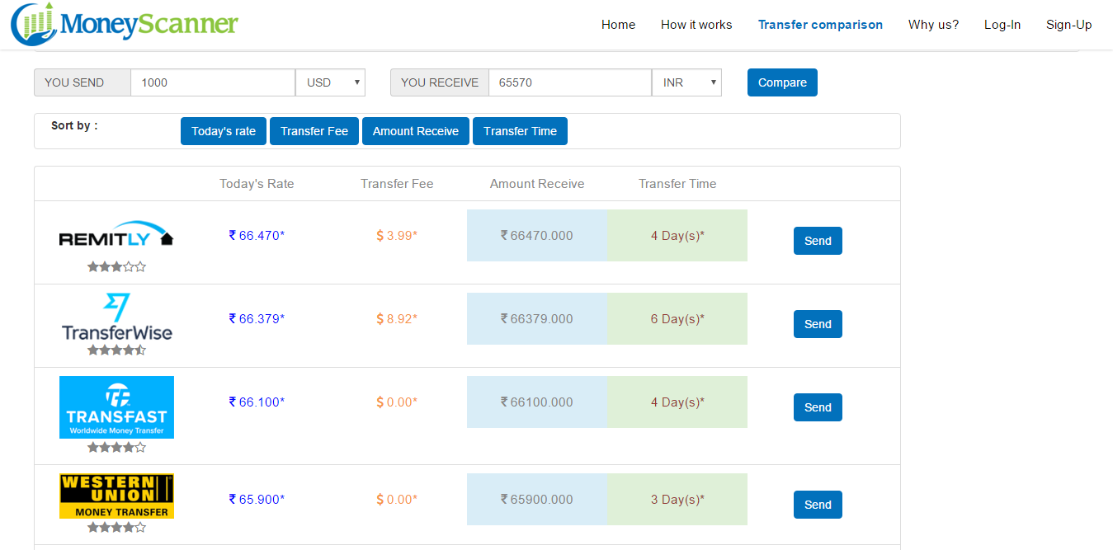

18) Scraping the data like exchange rates,transfer fees from providers website.

19) Need to add the script code to web pages for find the viewers.

