Sheet1
Excel Katex File
Quick Idea By V Karthik | Generated with Google Gemini

LaTeX Math for Excel (100% Offline Equation Typesetting)
 | 💡 The equation editor taskpane opens automatically on the right. If not, click LaTeX Math in the top ribbon.

1 | Steps to Use

 | 1 | Open the Addon
 | 2 | Open latex Math in Ribbon Bar
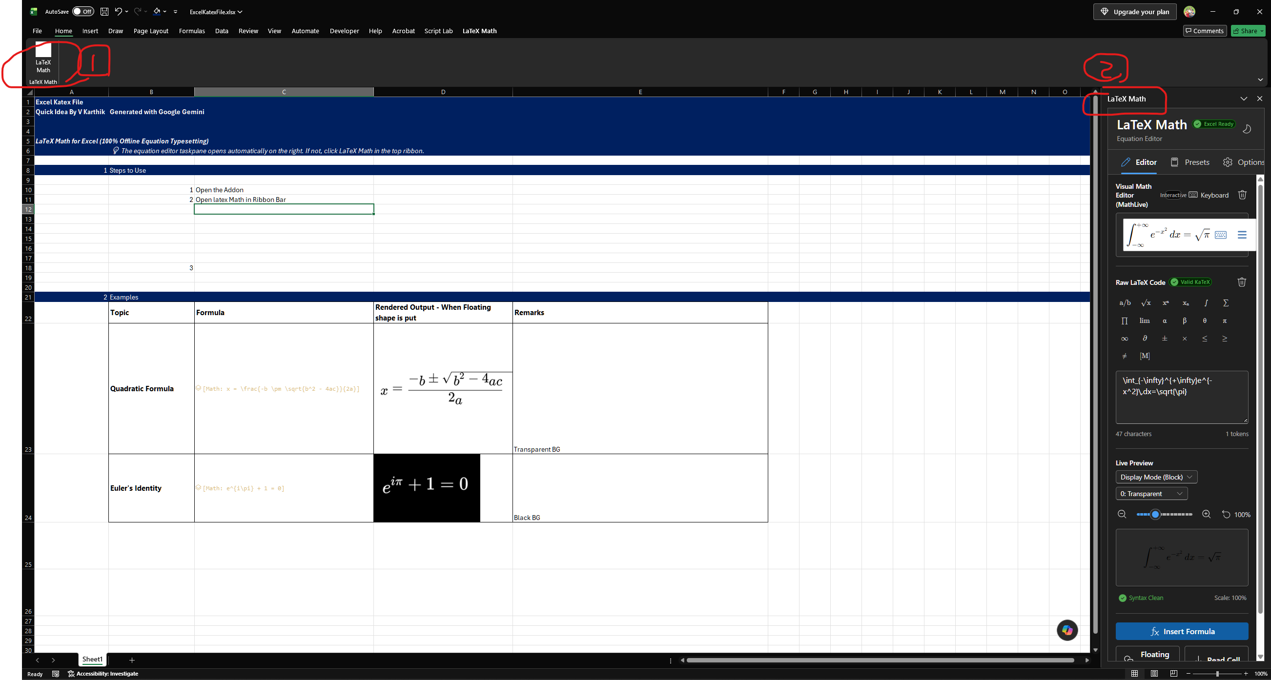

 | 3 | Type the equation using Either Visual Editor or Raw Latex Code and preview the output'
 | 4 | Select the cell to paste the image
 | 5 | a | Click Floating shape to directly get image into it
 |  | b | Click insert formula if data type itself is needed | Data Type card gives the SVG which can be later used anywhere

2 | Examples
 | Topic | Formula | Rendered Output - When Floating shape is put | Remarks
 | Quadratic Formula |  |  | Transparent BG
 | Euler's Identity |  |  | Black BG

