pivot and chart
4. DEPT ANALYSIS (WHOLE DATA)

Row Labels | Count of Department
Finance Department | 288
General Management | 172
Human Resource Department | 97
Marketing Department | 325
Operations Department | 2771
Production Department | 380
Purchase Department | 333
Sales Department | 746
Service Department | 2055
Grand Total | 7167

pos tier analysis
Row Labels | Count of Post Name
- | 1
b9 | 463
c-10 | 232
c5 | 1747
c8 | 320
c9 | 1792
i1 | 222
i4 | 88
i5 | 787
i6 | 527
i7 | 981
m6 | 3
m7 | 1
n10 | 1
n6 | 1
n9 | 1
Grand Total | 7167

Pivot &chart(outlier removed)
 | 4. DEPT ANALYSIS OUTLIER REMOVED

Row Labels | Count of Department
Finance Department | 288
General Management | 170
Human Resource Department | 97
Marketing Department | 325
Operations Department | 2771
Production Department | 380
Purchase Department | 333
Sales Department | 746
Service Department | 2054
Grand Total | 7164

post tier analysis outlier remv
Row Labels | Count of Post Name
- | 1
b9 | 462
c-10 | 232
c5 | 1747
c8 | 320
c9 | 1792
i1 | 222
i4 | 87
i5 | 787
i6 | 527
i7 | 980
m6 | 3
m7 | 1
n10 | 1
n6 | 1
n9 | 1
Grand Total | 7164

charts salary distribution
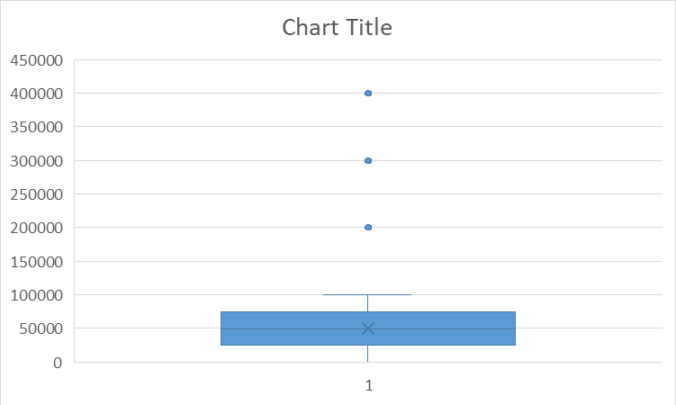
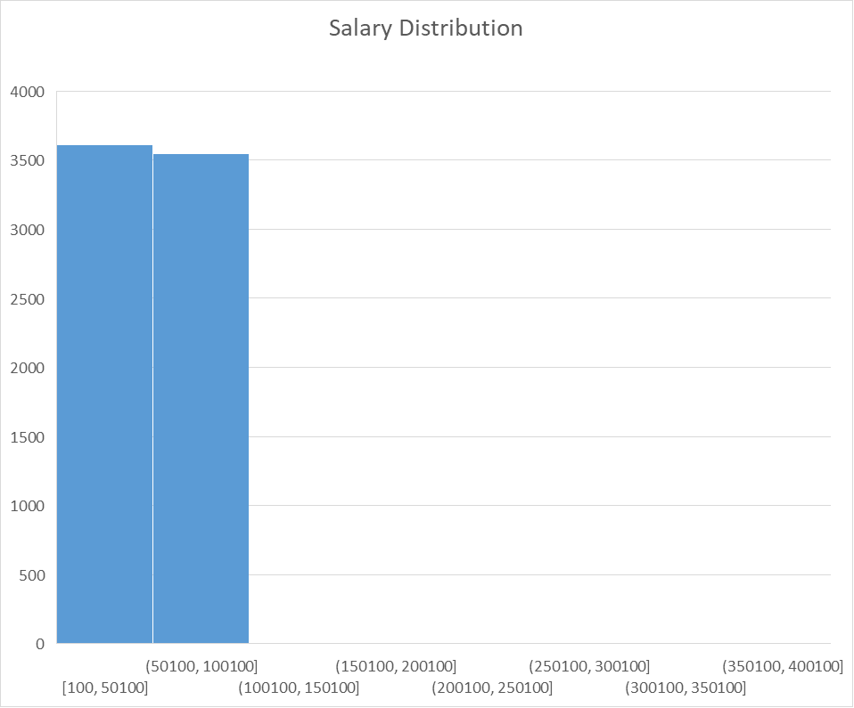
box whisker plot to find outlier points | 3. salary distribution answer | (outlier included)

