Cover
Excel Basics 4: Create Summary Reports with PivotTables and SUMIFS Function (Intro Excel #4)

Topics: |  |  |  |  |  |  |  |  | Office 2016 Video #16
1 | What Excel can do: 1) Calculations, Data Analysis
 |  |  |  |  |  | Goal in video: Create Summary Reports with PivotTables and SUMIFS Function
2 | What is Data Analysis?

3 | Proper Data Set

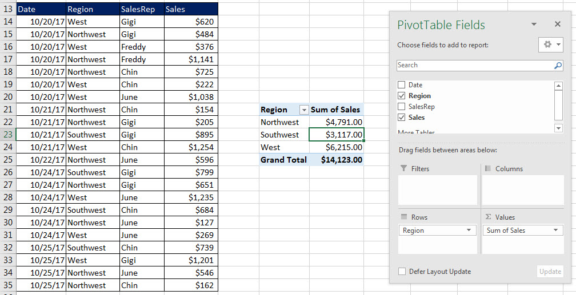
4 | SUMIFS for Regional Report

5 | PivotTable for Regional Report

6 | Format PivotTable with Tabular Layout

7 | Add Number Formatting to Values area


8 | Summary: create PivotTable for Video 04

9 | Compare SUMIFS and PivotTable

Date | Region | SalesRep | Sales | Region | Total Sales |  | Date | Total
10/20/17 | West | Gigi | $620 | NorthWest |  |  | 10/20/17
10/20/17 | Northwest | Gigi | $484 | Southwest |  |  | 10/21/17
10/20/17 | West | Freddy | $376 | West |  |  | 10/22/17
10/20/17 | Northwest | Freddy | $1,141 |  |  |  | 10/23/17
10/20/17 | Northwest | Chin | $725 |  |  |  | 10/24/17
10/20/17 | West | Chin | $222 |  |  |  | 10/24/17
10/20/17 | West | June | $1,038
10/21/17 | Northwest | Chin | $154
10/21/17 | Northwest | Gigi | $205
10/21/17 | Southwest | Gigi | $895
10/21/17 | West | Chin | $1,254
10/22/17 | Northwest | June | $596
10/24/17 | Southwest | Gigi | $799
10/24/17 | Northwest | Gigi | $651
10/24/17 | West | June | $1,235
10/24/17 | Southwest | Chin | $684
10/24/17 | Northwest | June | $127
10/24/17 | West | June | $269
10/25/17 | Southwest | Chin | $739
10/25/17 | West | Gigi | $1,201
10/25/17 | Northwest | June | $546
10/25/17 | Northwest | Chin | $162

Data Analysis
Date | Region | SalesRep | Sales
10/20/17 | West | Gigi | $620
10/20/17 | Northwest | Gigi | $484
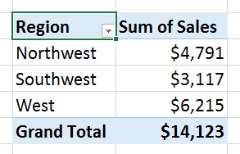
10/20/17 | West | Freddy | $376
Raw Data
10/20/17 | Northwest | Freddy | $1,141
10/20/17 | Northwest | Chin | $725
10/20/17 | West | Chin | $222
10/20/17 | West | June | $1,038
10/21/17 | Northwest | Chin | $154
Into
10/21/17 | Northwest | Gigi | $205
Useful Information
10/21/17 | Southwest | Gigi | $895
10/21/17 | West | Chin | $1,254
10/22/17 | Northwest | June | $596
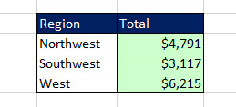
10/24/17 | Southwest | Gigi | $799
10/24/17 | Northwest | Gigi | $651
10/24/17 | West | June | $1,235
10/24/17 | Southwest | Chin | $684
10/24/17 | Northwest | June | $127
10/24/17 | West | June | $269
10/25/17 | Southwest | Chin | $739
10/25/17 | West | Gigi | $1,201
10/25/17 | Northwest | June | $546
10/25/17 | Northwest | Chin | $162

Proper Data Set
“Column Headers” / “Field Names”) in first row
Date | Region | SalesRep | Sales
10/20/17 | West | Gigi | $620
10/20/17 | Northwest | Gigi | $484
Records in each row
10/20/17 | West | Freddy | $376
Records in each row
10/20/17 | Northwest | Freddy | $1,141
10/20/17 | Northwest | Chin | $725
Records in each row
10/20/17 | West | Chin | $222
10/20/17 | West | June | $1,038
10/21/17 | Northwest | Chin | $154
10/21/17 | Northwest | Gigi | $205 | Define:
10/21/17 | Southwest | Gigi | $895 | Proper Data Set
10/21/17 | West | Chin | $1,254 | 1) “Column Headers” (also known as “Field Names”) in first row
10/22/17 | Northwest | June | $596 | Field Names tell the user what data goes into the column: Date? Sales? And so on…
10/24/17 | Southwest | Gigi | $799 | 2) Each row must have a transaction or record (for our example it is one sale in each row)
10/24/17 | Northwest | Gigi | $651 | 3) Must have empty cells or row/column headers all around data set.
10/24/17 | West | June | $1,235
10/24/17 | Southwest | Chin | $684
10/24/17 | Northwest | June | $127
10/24/17 | West | June | $269
10/25/17 | Southwest | Chin | $739
empty cells or row/column headers all around data set
10/25/17 | West | Gigi | $1,201
10/25/17 | Northwest | June | $546
10/25/17 | Northwest | Chin | $162

