Cover
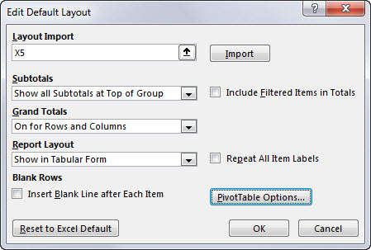

Excel Basics 22: Set Default PivotTable Layout & Options in Excel 2016 Office 365 or Later

 | Office 2016 Video #34

