Cover
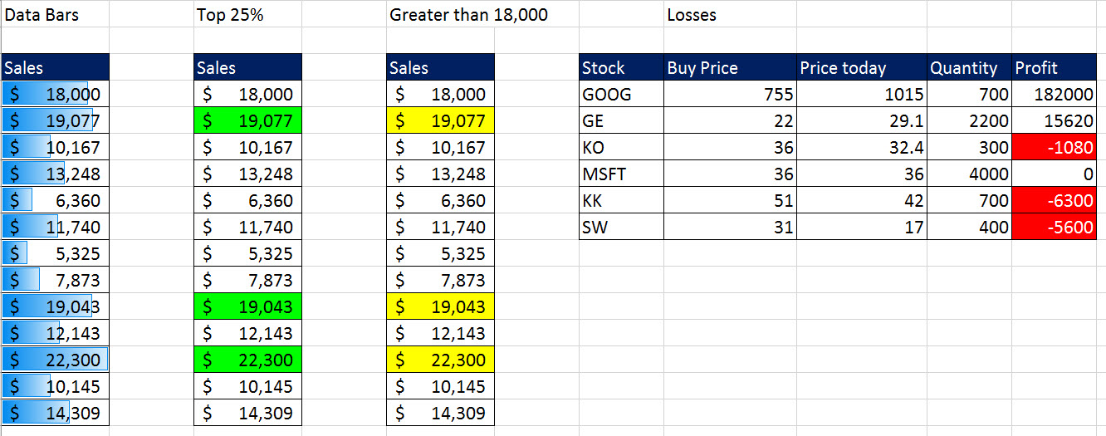

Excel Basics 17: Style Formatting: By Hand, Cell, Table & Conditional Formatting

 |  | Examples: | Office 2016 Video #29
 | 1 | Example 1: Accounting Style Formatting
 | 2 | Example 2: Accounting Borders
 | 3 | Example 3: Column widths!!
 | 4 | Example 4: Wrap Text in Cell: Multiple Lines in a Cell
 | 5 | Example 5: Table Format button (Converts to Excel table)
 | 6 | Example 6: Cell Styles
 | 7 | Example 7: Built-in Conditional Formatting to Visualize Data

