Cover

Excel Basics 16: Mixed Cell References in Formulas & Functions to Save Time

 |  | Office 2016 Video #28
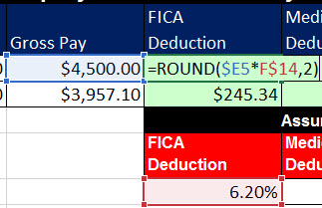

 | Examples:
1 | Example 1: Mixed Cell References in Multiplication Table
2 | Example 2: Mixed Cell References & Assumption Tables.
3 | Example 3: Mixed Cell References for Budget with Income Statement Accounts
4 | Example 4: Mixed Cell References for Retirement Savings Table
5 | Example 5: Mixed Cell References & Correct Assumption Table for Dynamic Payroll Table

