Cover
Excel Basics 13: IF Function Made Easy! IS Functions Too! 14 Epic Examples!!

 |  |  |  | Office 2016 Video #25

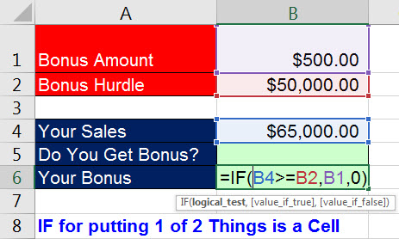
 |  | Examples:
 | 1 | Your Bonus | =IF(C6>=C11,C10,0) |  | IF Example #01: Your Bonus: =IF(C6 Greater Than =C11,C10,0) |  | IF Example #01: Your Bonus: =IF(C6 Greater Than =C11,C10,0)
 | 2 | In Balance? | =IF(B22=C22,"In Balance","NOT In Balance") |  | IF Example #02: In Balance?: =IF(B22=C22,"In Balance","NOT In Balance") |  | IF Example #02: In Balance?: =IF(B22=C22,"In Balance","NOT In Balance")
 | 3 | Bonus? TRUE or FALSE? | =C4>=$F$4 |  | IF Example #03: Bonus? TRUE or FALSE?: =C4 Greater Than =$F$4 |  | IF Example #03: Bonus? TRUE or FALSE?: =C4 Greater Than =$F$4
 | 4 | Bonus? "Bonus" or "No Bonus" | =IF(C11>=$F$11,"Bonus","No Bonus") |  | IF Example #04: Bonus? "Bonus" or "No Bonus": =IF(C11 Greater Than =$F$11,"Bonus","No Bonus") |  | IF Example #04: Bonus? "Bonus" or "No Bonus": =IF(C11 Greater Than =$F$11,"Bonus","No Bonus")
 | 5 | Bonus? 0 or $750 | =IF(C18>=$F$18,$G$18,0) |  | IF Example #05: Bonus? 0 or $750: =IF(C18 Greater Than =$F$18,$G$18,0) |  | IF Example #05: Bonus? 0 or $750: =IF(C18 Greater Than =$F$18,$G$18,0)
 | 6 | Bonus Commission? 5% or 1% | =IF(C25>$F$25,$G$25,$H$25) |  | IF Example #06: Bonus Commission? 5% or 1%: =IF(C25 Greater Than $F$25,$G$25,$H$25) |  | IF Example #06: Bonus Commission? 5% or 1%: =IF(C25 Greater Than $F$25,$G$25,$H$25)
 | 7 | Calculate Commission Paid | =IF(C32>$F$32,$G$32,$H$32)*C32 |  | IF Example #07: Calculate Commission Paid: =IF(C32 Greater Than $F$32,$G$32,$H$32)*C32 |  | IF Example #07: Calculate Commission Paid: =IF(C32 Greater Than $F$32,$G$32,$H$32)*C32
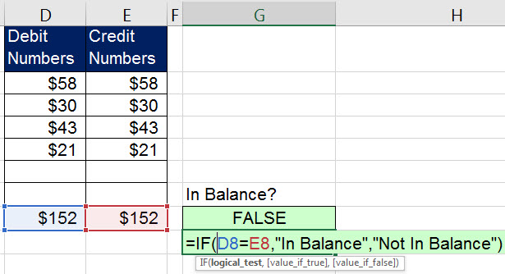
 | 8 | "Under" or "Over" | =IF(C39<$F$39,$H$39,$G$39) |  | IF Example #08: "Under" or "Over": =IF(C39 Less Than $F$39,$H$39,$G$39) |  | IF Example #08: "Under" or "Over": =IF(C39 Less Than $F$39,$H$39,$G$39)
 | 9 | "No Balance" or Show Nothing | =IF(C46=0,$H$46,"") |  | IF Example #09: "No Balance" or Show Nothing: =IF(C46=0,$H$46,"") |  | IF Example #09: "No Balance" or Show Nothing: =IF(C46=0,$H$46,"")

 | 10 | Is it a Number? | =ISNUMBER(C7) |  | IF Example #10: Is it a Number?: =ISNUMBER(C7) |  | IF Example #10: Is it a Number?: =ISNUMBER(C7)
 | 11 | Is cell empty? | =ISBLANK(C7) |  | IF Example #11: Is cell empty?: =ISBLANK(C7) |  | IF Example #11: Is cell empty?: =ISBLANK(C7)
 | 12 | Is it Text? | =ISTEXT(C7) |  | IF Example #12: Is it Text?: =ISTEXT(C7) |  | IF Example #12: Is it Text?: =ISTEXT(C7)
 | 13 | Checkbook Balance | =IF(ISBLANK(B5),"",G4-F5+E5) |  | IF Example #13: Checkbook Balance: =IF(ISBLANK(B5),"",G4-F5+E5) |  | IF Example #13: Checkbook Balance: =IF(ISBLANK(B5),"",G4-F5+E5)
 | 14 | Sales Category | =IF(L7>$O$7,"Large","Small") |  | IF Example #14: Sales Category: =IF(L7 Greater Than $O$7,"Large","Small") |  | IF Example #14: Sales Category: =IF(L7 Greater Than $O$7,"Large","Small")

 |  |  |  |  | > | Greater Than
 |  |  |  |  | < | Less Than

