Instructions
 | What To do | Instructions
Data Cleaning/Transformation | Create new helper column Performance status | use if condition, if sales greater than target, sales achieved else not achieved
 | Create another column Sales category | if sales greater than 50000, then high else normal
 | Create new region column and Clean region values | Convert region to proper case and remove extra spaces
 | Sales value consists of negative values as well convert those to positve value (use Ctl+H-> replace "-" with "") See the image for reference just place your cursor in replace
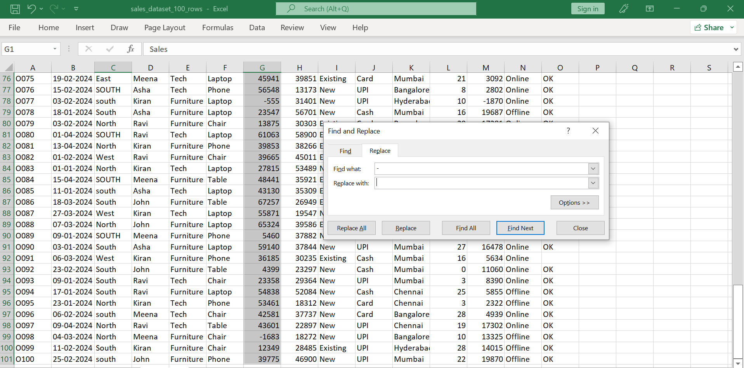

Create Report Sheet (new Sheet) | create KPIs | Total Sales, Total Target, Total Orders, Achievement% = totalsales/totaltarget
 | Region wise Report | Region, Total_sales, Total_target, Orders, achievement% = totalsals/totaltarget
 |  | Create data validation for region
 | Category wise Sales Report | Category, total_sales
 |  | Create data validation for category column
 | Customer Type Report | Customer type, sales, orders
 |  | create data validation for customer type
 | Performance Summary | Achieved Sales: '=SUMIFS(F:F, I:I, "Achieved")
 |  | Not Achieved Sales: '=SUMIFS(F:F, I:I, "Not Achieved")

