Part B
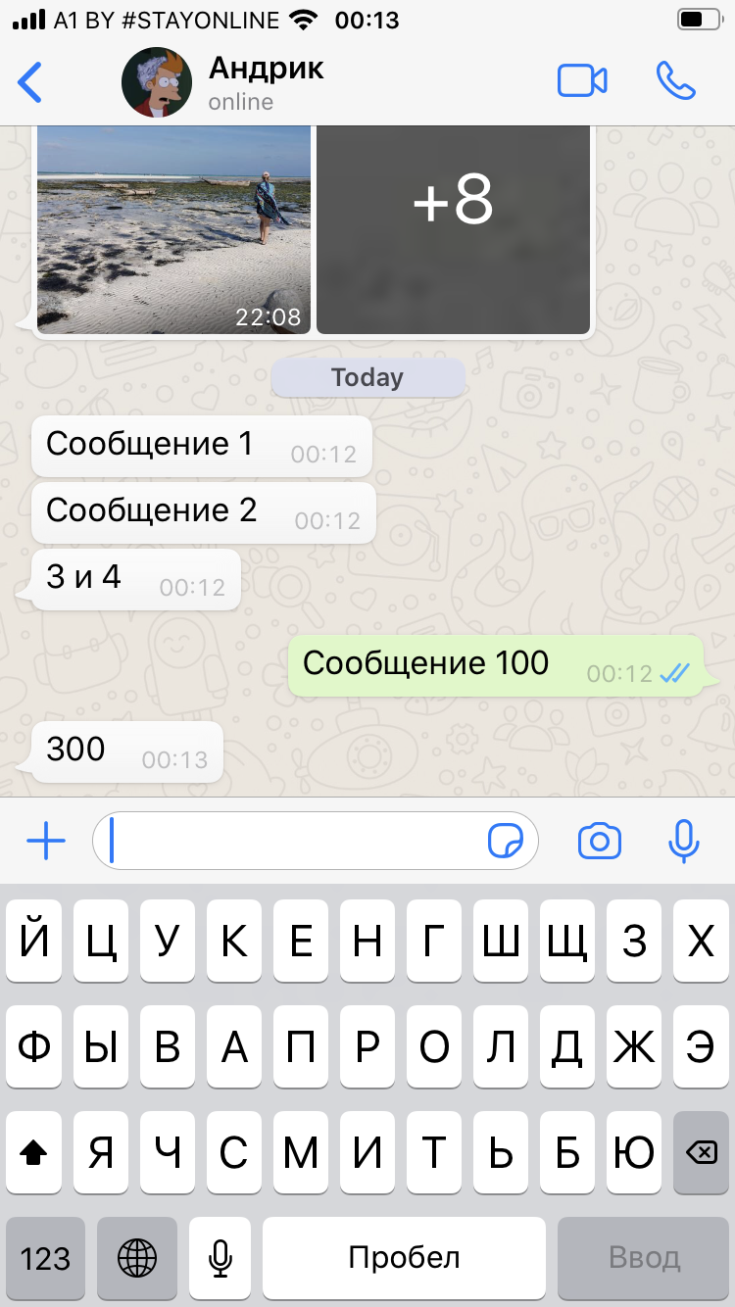
# | Checks | Status
Smoke
1 | Ability of typing
2 | Ability of text messages sending
3 | Ability of text messages receiving
4 | Ability of sending files
5 | Ability of receiving files
Critical path
6 | Ability of messages deleting
7 | Vidio call
8 | Ability of video call interrupting
9 | Regular call
10 | Ability of regular call interrupting
11 | Creation of messanger rooms
12 | Ability of documents sending
13 | Ability of current location sending
14 | Ability of contacts sharing
15 | Ability of voice message sending
16 | Ability of own and opponent's message replying
17 | Ability of own and opponent's message forwarding
18 | Ability of own and opponent's message copying
19 | Ability of getting your message status info
20 | Ability to get a contact info
21 | Ability to enlarge a contacts' profile picture
22 | Ability of sending GIFs
23 | Ability of sending stickers
Extended
24 | Different colors between received and sended messages
25 | Message sending date
26 | Message sending time
27 | Presence of signs "✓" / "✓✓" indicating of the message status
28 | Indication of the opponents' "online/last seen" status

