Black 1976 Calculator
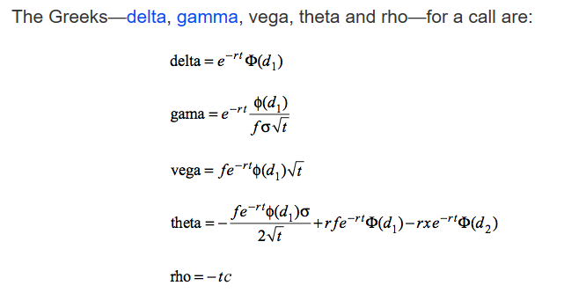
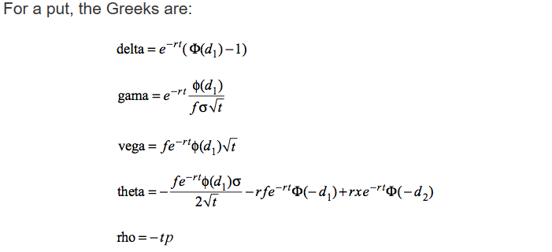
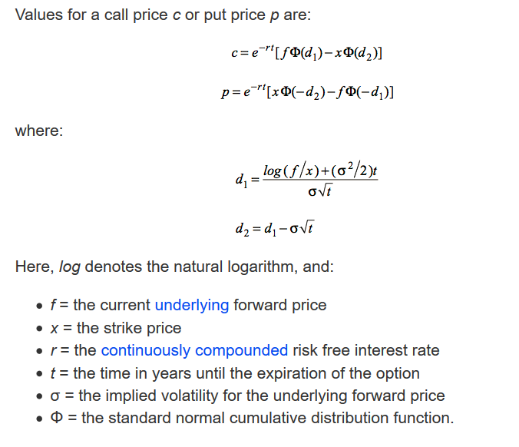
Black (1976) Option Pricing Model
Parameters |  | https://www.glynholton.com/notes/black_1976/
r | 0.0196
t | 0.280
sigma (σ) | 0.300
f | 3.95
X | 4.1

Variables
d_1 | -0.1554
d_2 | -0.3142

C (call price) | 0.186
P (put price) | 0.3348

The $σ$ (sigma) parameter is the standard deviation of $\ln\left(P_{t}\right)− \ln\left(P_{t−1}\right)$multiplied by an annualization factor. If price is measured on a daily basis then the annualization factor is the square root of 252 (there are approximately 252 trading days in a year).

