1. Title Page
Project Name: Instacart Grocery Basket Analysis
Date: January 7th, 2022
Analyst Name: Verena Diersch

Contents:
Population Flow
Consistency checks
Wrangling steps
Column derivations
Visualizations
Recommendations

Objective:
Instacart is an online grocery store that operates through an app. It already has good sales, but they want to uncover more information about their sales patterns.
My task as an analyst is to perform an initial data an exploratory analysis of some of their data in order to derive insights and suggest strategies for better
segmentation based on the provided criteria.

Context:
The Instacart stakeholders are most interested in the variety of customers in their database along with their purchasing behaviors. They assume they can't target
everyone using the same methods, and they're considering a targeted marketing strategy.
They want to target different customers with application marketing campagins to see whether they have an effect on the sale of their product.

Key Questions:
1. The sales team needs to know the busiest days of the week and hours of the day (i.e., the days and times with the most orders) in order to schedule ads at times when tere are fewer orders.
2. The sales team also wants to know whether there are particular times of the day when people spend the most money, as this might inform the type of products they advertise at these times.
3. Instacart has a lot of products with different price tags. Marketing and sales want to use simpler price range groupings to help direct their efforts.
4. Are there certain types of products that are more popular than others? The marketing and sales teams want to know which departments have the highest frequency of product orders.
5. Are there differences in ordering habits based on a customer's region and loyalty status?
6. Is there a connection between age and family status in terms of ordering habits?
7. What different classifications does the demographic information suggest?
8. What differences can you find in ordering habits of different customer profiles?

Data:
"The Instacart Online Grocery Shopping Dataset 2017", Accessed from: https://www.instacart.com/datasets/grocery-shopping-2017 on 10-26-2021.

2. Population Flow
 | Title page

Population flow

Exclusion flag
Condition: max_order < 5
Obervations to be removed: 1026350
Final total count of order_products_all: 30356128

Orders_products_combined
Orders_products_merged
Orders_products_final

Total: 30356128
Total:
Total: 29329778
30356421

1.) The grey boxes in the first row of the population flow represent the original data sets as they were when you downloaded them. In the Total fields you need to add the count of the rows when you imported the data set into Jupyter.
2.) The second row of boxes (coloured) represents the data sets after you manipulated them, e.g., removed missing values and duplicates. In the Total fields you need to add the count of the rows after conducting these operations. This offers a visual oveview of how the data flows throughout the data consistency checks.
3.) The third row, where also the arrows are coloured, represents the merges you performed between the datasets. In the Total fields you need to add the count of the rows in the merged datasets, so that you end up with the final dataset (in the red box). Keep in mind the final dataset should be without exclusions (based on the exclusion flag).

3. Consistency checks
 |  |  |  | Title page
Consistency checks

Dataset | Column | Type (Missing values or duplicates) | Comment
orders | product_name | Missing values | 16 missing values were identified and deleted.
products | product_name | Duplicates | 5 duplicates were identified and deleted.
orders_products_prior | days_since_prior_order | Missing values | 206209 missing values were identified and deleted.
customers | first_name | Missing values | 11259 missing values were identified and deleted.

4. Wrangling steps
 |  |  |  | Title page
Wrangling steps

Dataset | Columns | Type (Changed, Renamed, Removed) | Comment/Reason
orders | eval_set | Removed | Irrelevant data
orders | order_id | Changed | Changed to string to optimize calculations
orders | user_id | order_id | Changed to string to optimize calculations
customers | first_name, surname, gender, state | Renamed | Renamed for standardization
orders_products_final | first_name, surname | Removed | Deleted for privacy reasons (PII)

5. Column derivations
 |  |  |  | Title page

Column derivations and aggregations

In this tab you should add tables below that the frequences of flags/label variables that you produced after deriving them. NB: don't do this for continuous variables, only for flags.
Dataset | New column | Column/s it was derived from | Conditions
orders_products_merged | _merge | None | New column created to indicate that the record has been merged.
orders_products_merged | price_range_loc | prices | New column created to group the range of products prince in 3 categories, which are "Mid-range, Low-range and High-range" product.
orders_products_merged | busiest day | order_dow | New column created to group the "busiest, least busy and regular busy" day of the week.
orders_products_merged | busiest_period_of_day | order_hour_of_day | New column created to group the periods of the day when there are the "Most, Average and Fewest" orders along the way.
orders_products_merged | max_order | user_id, prices | New colums created to calculate the maximum orders per user_id.
orders_products_merged | loyalty_flag | max_order | New column created to identify types of customers as regular, loyal and new customer according to the number of orders they placed: Loyal customer = max_order > 40, regular customer = max_order <= 40, new customer = max_order <= 10
orders_products_merged | spenders_flag | user_id, prices | New column created to identify customers who are high and low spenders according to the average price they paid: Low spender = average price < 10 and High Spender = average price >= 10.
orders_products_merged | frequency_flag | user_id, days_since_prior_order | New column created to identify how frequently the customers ordered: Non-frequent customer = orders > 20 and regular customer = orders > 10 and <= 20
orders_products_final | region | state | New column derived from states according to the official U.S. regions South, West, Midwest and Northeast
orders_products_final | exclusion_flag | max_order | New column created to identify customers who don't generate much revenue: Low activity customer = max_order < 5 and non-low-activity-customer = max_order >= 5
orders_products_final | department | department_id | New column created to show the name of each department
orders_products_final | age_group | age | New column created to group age ranges: 18-29, 30-49, 50-64 and 65+
orders_products_final | income_range | income | New column created to group income ranges: 25000-50000, 100000-1500000, 1500000-200000 and 2000000+
orders_products_final | day_of_week | order_dow | New column created from the following codes to show the day of the week: 0 = Saturday, 1 = Sunday, 2 = Monday, 3 = Tuesday, 4 = Wednesday, 5 = Thursday, 6 = Friday

6. Visualizations
 |  |  |  |  |  |  |  |  |  |  |  |  | Title page

Visualisations

In this tab you should include all the visualtions from Exercises 4.9 and 4.10, alongside the questions from the project brief that they answer. Include any commentary on the relationship between different variables.

1. | Busiest day of the week |  |  |  |  |  |  | 2. Busiest hour of the day
 | To provide the best service possible, it is important for Instacart to know about the busiest day of the week and the busiest hour of the day.
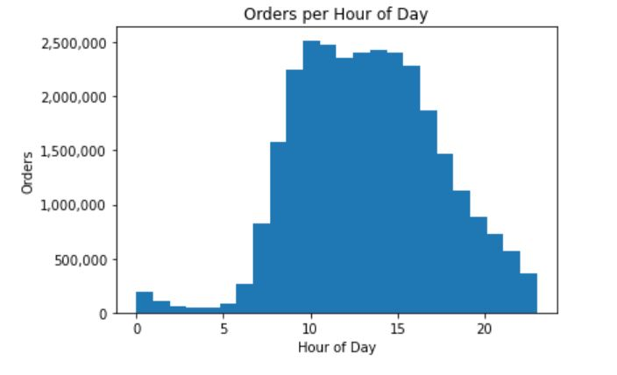
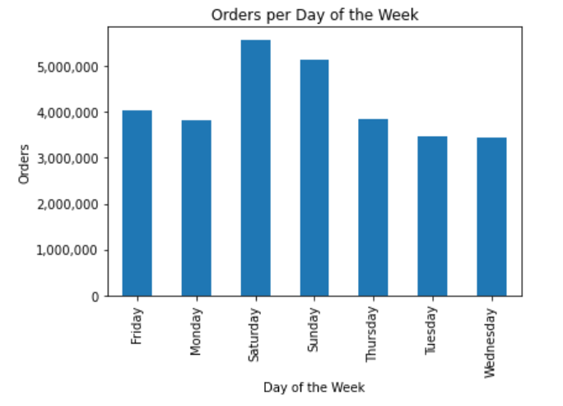

 |  |  |  |  |  |  |  | The busiest hours of the day are between 10 am and 3 (15) pm. The least busy hours are
 | The busiest day of the week is Saturday, followed by Sunday. |  |  |  |  |  |  | between 0 and 5 am.

 | 3. Day of the week when customers spent the most money * |  |  |  |  |  |  | 4. Hour of the day when customers spend the most money *
 | To understand when to make the most valuable offers, it is essential for Instacart to know the day of the week and the hour of the day when customers spend the most money.
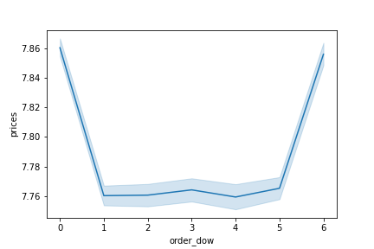
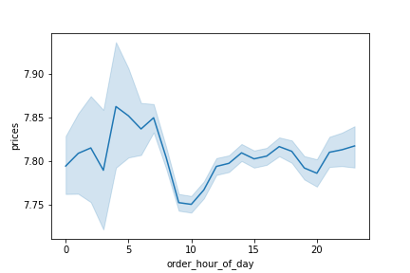

 |  |  |  |  |  | Friday and Saturday are the days of the week when products with higher prices are sold.

 |  |  |  |  |  |  | Although the hours between 0 and 5 am are least busy, customers spend the most money in them.

 | This graph shows the prices customers pay per day of the week. |  |  |  |  |  |  | This graph shows the prices customers pay per hour of the day.
 | 0 = 'Saturday' 1 = 'Sunday' 2 = 'Monday' 3 = 'Tuesday' 4 = 'Wednesday' 5 = 'Thurday' 6 = 'Friday' |  |  |  |  |  |  | Although the hours between 0 and 5 am are least busy, customers spend the most
 | Friday and Saturday are the days of the week when products with higher prices are sold. |  |  |  |  |  |  | money in them.

 | 5. Frequency of orders compared to price range |  |  |  |  |  |  | 6. Price statistics compared to customer frequency
 | In order to know if Instacart offers the best prices, it is important to gain insights into the frequency of orders compared to price range and price statistics for different customer loyalties.

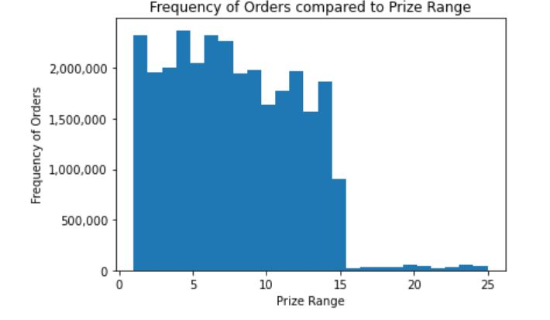
 |  |  |  |  |  |  |  | Prices | Min | Mean |  | Max
 |  |  |  |  |  |  |  | Loyalty flag
 |  |  |  |  |  |  |  | Loyal customer | 10.40 | 1.00 |  | 25.00

 |  |  |  |  |  |  |  | New customer | 13.39 | 1.00 |  | 25.00

 |  |  |  |  |  |  |  | Regular customer | 12.54 | 1.00 |  | 25.00

 |  |  |  |  |  |  |  | New customers buy products with higher prices (mean is 13,39 US-$) compared to loyal (10,40 US-$)
 |  |  |  |  |  |  |  | and regular customers (12,54 US-$).

 | The prices of the most orders are in a range between 1 US-$ and 15 US-$.

 | 7. Customer loyalty in general |  |  |  |  |  |  | 8. Orders per department in general *
 | To provide the best products it is essential for Instacart to know who are the most loyal customers and which are the most ordered products.

 | 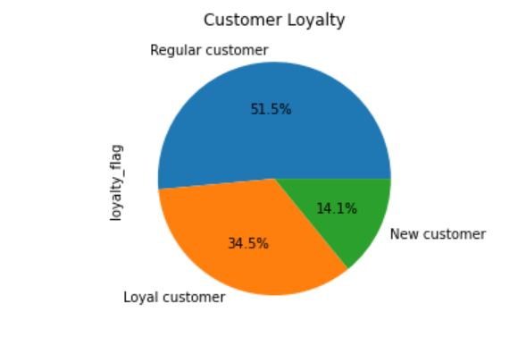 |  |  |  |  | Regular customers (49,7 %) are most loyal and make above 10 and up to 40 orders. Loyal customers represent the middle group with 33,3 % of all orders and make above 40 orders. New customers are the smallest group with 17 % of all orders and they place 10 orders or less. |  | 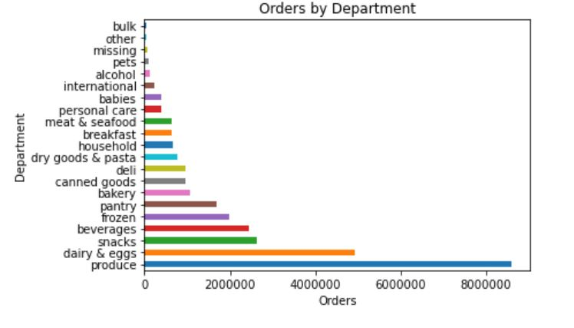

 | Regular customers (51.5 %) are most loyal and make above 10 and up to 40 orders.
 | Loyal customers represent the middle group with 34.5 % of all orders and make above 40 orders.
 | New customers are the smallest group with 14.1 % of all orders and they place 10 orders or less.
 |  |  |  |  |  |  |  | The produce department has the most orders, followed by diary and eggs, snacks,
 |  |  |  |  |  |  |  | beverages and frozen. The least orders are in pets, alcohol, international, babies
 |  |  |  |  |  |  |  | and personal care.

 | 9. Regional differences - percentage of customers |  |  |  |  |  |  | 10. Regional differences - orders and customer loyalty
 | Because Instacart provides products in different regions it is important to understand the regional frequency of orders and the regional differences in orders and customer loyalty.
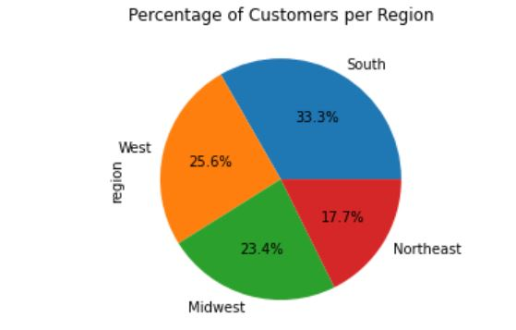
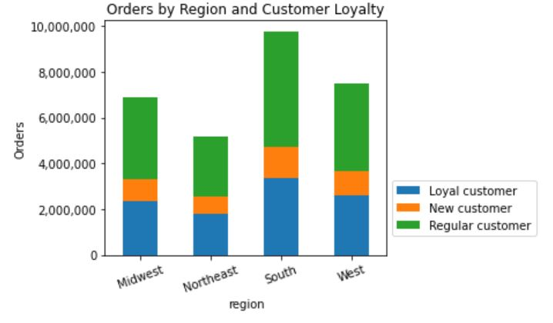
 |  |  |  |  |  | The South (33,3 %) is the region with the highest frequency of orders, followed by the West (25,6 %) and the Midwest (23,4%).

 | The South (33,3 %) is the region with the highest frequency of orders, followed by the West (25,6 %) and the Midwest (23,4%). |  |  |  |  |  |  | The most frequent customers are regular customers from the South and the West.

 | 10. Ordering habits based on customer's region
 | To provide the best marketing and products it is mandatory for Instacart to understand which departments are the most important for customers in different regions.

 | 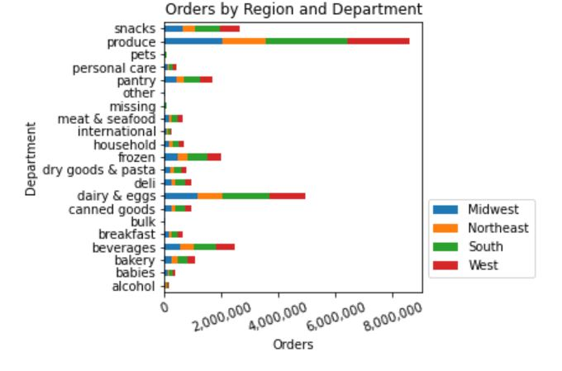 |  |  |  |  | Produce, dairy & eggs, and beverages are the products with the highest number of orders. South and West are the regions where the highest number of orders are placed.

 | Produce, dairy & eggs, and beverages are the products with the highest number of orders. South and West are the regions where the highest number of orders are placed.

 | 11. Orders by age and family status |  |  |  |  |  |  | 12. Customers' age and number of dependants *
 | It is important for Instacart to know if there is a connection between age, family status and ordering habits and to know their customers' age and family conditions to provide products which fit their life circumstances.
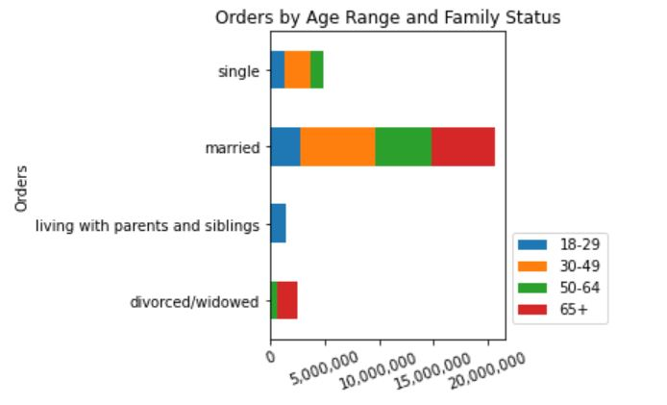
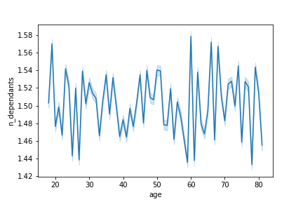

 |  |  |  |  |  | Married customers between 30 and 49 place the most orders, followed by married customers above 65 and married customers between 50 and 64.

 |  |  |  |  |  |  | This could be the case because customers between 30 and 45 and above 60 have most dependants.

 | Married customers between 30 and 49 place the most orders, followed by married customers
 | above 65 and married customers between 50 and 64. |  |  |  |  |  |  | This graph shows the number of dependents per customer age.
 |  |  |  |  |  |  |  | Customers between 30 and 45 and above 60 have the most dependants.

 | 13. Customers' living conditions and prize statistics
 | Instacart needs to know the price statistics for different customer segments: region, family status, age range and income range

 | Prices | Min | Mean | Max | The highest prices are paid |  |  | Prices | Min | Mean | Max
 |  |  |  |  | in the south.
 | Region |  |  |  |  |  |  | Family status
 | Midwest | 1.00 | 7.796 | 25.00 |  |  |  | divorced/widowed | 1.00 | 7.807 | 25.00
 | Northeast | 1.00 | 7.786 | 25.00 |  |  |  | liv. w. prts & sblgs | 1.00 | 7.806 | 25.00
 | South | 1.00 | 7.800 | 25.00 |  | Divorced and widowed customers buy |  | married | 1.00 | 7.795 | 25.00
 | West | 1.00 | 7.795 | 25.00 |  | products with the highest prices. |  | single | 1.00 | 7.789 | 25.00

 | The highest prices are paid in the south. |  |  |  |  |  |  | Divorced and widowed customers buy products with the highest prices.

 | Prices | Min | Mean | Max |  |  |  | Prices | Min | Mean | Max

 | Age group |  |  |  |  |  |  | Income range
 | 18-29 | 1.00 | 7.788 | 25.00 |  |  |  | 25.000-50.000 | 1.00 | 6.712 | 25.00
 | 30-49 | 1.00 | 7.798 | 25.00 |  |  |  | 50.000-100.000 | 1.00 | 7.894 | 25.00
 | 50-64 | 1.00 | 7.792 | 25.00 | The highest prices are paid | Customers with an income range between |  | 100.000-150.000 | 1.00 | 7.962 | 25.00
 | 65+ | 1.00 | 7.802 | 25.00 | by customers over 65. | 100.000 US-$ and 150.000 US-$ buy products |  | 150.000-200.000 | 1.00 | 7.956 | 25.00
 |  |  |  |  |  | with the highest prices. |  | 200.000+ | 1.00 | 7.782 | 25.00
 | The highest prices are paid by customers over 65.
 |  |  |  |  |  |  |  | Customers with an income range between 100.000 US-$ and 150.000 US-$ buy products
 |  |  |  |  |  |  |  | with the highest prices.

 | 14. Spending habits and age * |  |  |  |  |  |  | 15. Spending power and age *
 | It is essential for Instacart to know which income range makes the most orders and how the spending power is correlated to customers' age.

 | 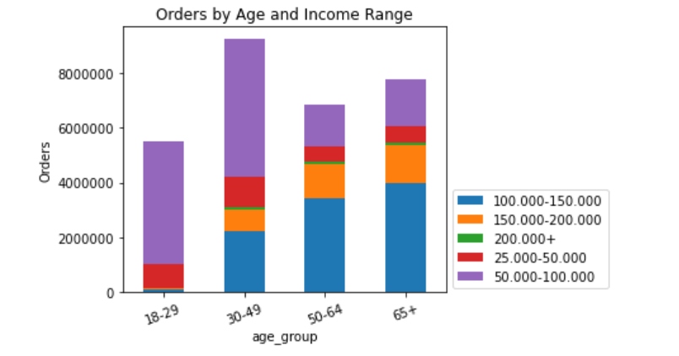 |  |  |  |  | Most orders are placed by customers in the income range between 50.000 US-$ and 100.000 US-$. The least orders are placed by customers with an income over 200.000 US_$. |  | 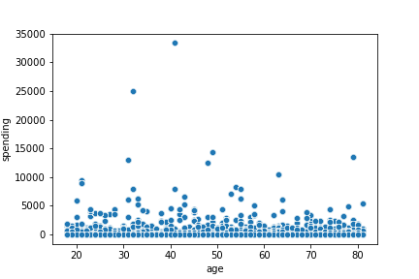

 | Most orders are placed by customers in the income range between 50.000 US-$ and 100.000 US-$. |  |  |  |  |  |  | This graph shows how much customers spend in correlation to their age.
 | The least orders are placed by customers with an income over 200.000 US-$. |  |  |  |  |  |  | Customers between 30 and 40 are the highest spenders.

 |  |  |  |  | Some of the visualizations in this project report are not perfect. They miss a title or a thousand's separator.
 |  |  |  |  | I made corrections for most of the charts (see script 22) but couldn't make them for the highlighted (*) ones,
 |  |  |  |  | because I kept running out of memory with my 8 GB RAM. I decided to leave it that way as a reminder that
 |  |  |  |  | progress is more important than perfection and that the limit of computing power is a thing in data analytics.

7. Recommendations
 |  |  |  |  |  |  |  |  |  |  |  | Title page

Recommendations

In this tab you should include any recommendations you would made to Instcart in terms of their marketing strategy based on the questions posed in the brief. Every key question has been covered in the Tasks of the Exercises - here you need to add an item - a visualisation or table/crosstable that is showing the answer in the data, acompanied by a comment from you. Please, list the questions below and add the answer underneath.

1. | The sales team needs to know the busiest days of the week and hours of the day (i.e., the days and times with the most orders) in order to schedule ads at times when tere are fewer orders.
 | The analysis has provided the following data:


 |  |  |  |  |  | The busiest day of the week is Saturday, followed by Sunday.

 |  |  |  |  |  |  | The busiest hours of the day are between 10 am and 3 pm. The least busy hours are between 0 and 5 am

 |  |  |  |  |  |  |  | The busiest hours of the day are between 10 am and 3 (15) pm.
 |  |  |  |  |  |  |  | The least busy hours are between 0 and 5 am.

 | The busiest day of the week is Saturday, followed by Sunday.

 | Recommendation:
 | Ads should be placed in the least busy hours between 0 and 5 am and at the least busy days (Wednesday and Tuesday, followed by Monday, Thursday and Friday).

 | 2. The sales team also wants to know whether there are particular times of the day when people spend the most money, as this might inform the type of products they advertise at these times.
 | The analysis has shown the following data:*

 |  |  |  |  |  | Friday and Saturday are the days of the week when products with higher prices are sold.

 |  |  |  |  |  |  | Although the hours between 0 and 5 am are least busy, customers spend the most money in them.

 | This graph shows the prices customers pay per day of the week.
 | 0 = 'Saturday' 1 = 'Sunday' 2 = 'Monday' 3 = 'Tuesday' 4 = 'Wednesday' 5 = 'Thurday' 6 = 'Friday' |  |  |  |  |  |  | This graph shows the prices customers pay per hour of the day.
 | Friday and Saturday are the days of the week when products with higher prices are sold. |  |  |  |  |  |  | Although the hours between 0 and 5 am are least busy, customers spend the most
 |  |  |  |  |  |  |  | money in them.

 | Recommendation:
 | Products with higher prices should be advertised on Friday and Saturday and in the hours between 0 and 5 am.

 | 3. Instacart has a lot of products with different price tags. Marketing and sales want to use simpler price range groupings to help direct their efforts.
 | The analysis has provided the following data:

 |  |  |  |  |  |  | Prices | Min | Mean |  | Max
 |  |  |  |  |  |  | Loyalty flag
 |  |  |  |  |  | The prices of the most orders are in a range between 1 and 15 US-$. | Loyal customer | 10.40 | 1.00 |  | 25.00

 |  |  |  |  |  |  | New customer | 13.39 | 1.00 |  | 25.00

 |  |  |  |  |  |  | Regular customer | 12.54 | 1.00 |  | 25.00

 |  |  |  |  |  |  | New customers buy products with higher prices (mean is 13,39 US-$) compared to loyal (10,40 US-$)
 |  |  |  |  |  |  | and regular customers (12,54 US-$).

 | The prices of the most orders are in a range between 1 and 15 US-$.

 | Recommendation:
 | Prizing for most products should not be higher than 15 US-$. New customers buy products with higher prices so marketing could concentrate more on this customer segment.

 | 4. Are there certain types of products that are more popular than others? The marketing and sales teams want to know which departments have the highest frequency of product orders.
 | The analysis has provided the following information:

 |  |  |  |  |  | Regular customers (49,7 %) are most loyal and make above 10 and up to 40 orders. Loyal customers represent the middle group with 33,3 % of all orders and make above 40 orders. New customers are the smallest group with 17 % of all orders and they place 10 orders or less.

 | Regular customers (51.5 %) are most loyal and make above 10 and up to 40 orders.
 | Loyal customers represent the middle group with 34.5 % of all orders and make above 40 orders.
 | New customers are the smallest group with 14.1 % of all orders and they place 10 orders or less.
 |  |  |  |  |  |  |  | The produce department has the most orders, followed by diary and eggs, snacks,
 |  |  |  |  |  |  |  | beverages and frozen. The least orders are in pets, alcohol, international, babies
 |  |  |  |  |  |  |  | and personal care.
 | Recommendation:
 | The produce, diary & eggs, snacks, beverages and frozen departments have the most orders. These should be marketed particularly among regular customers.

 | 5. Are there differences in ordering habits based on a customer's region and loyalty status?
 | The analysis has provided the following information:

 |  |  |  |  |  | The South (33,3 %) is the region with the highest frequency of orders, followed by the West (25,6 %) and the Midwest (23,4%).

 | The South (33,3 %) is the region with the highest frequency of orders, followed by the West (25,6 %) and the Midwest (23,4%). |  |  |  |  |  |  | The most frequent customers are regular customers from the South and the West.

 |  |  |  |  |  | Produce, dairy & eggs, and beverages are the products with the highest number of orders. South and West are the regions where the highest number of orders are placed.

 | Produce, dairy & eggs, and beverages are the products with the highest number of orders. South and West are the regions where the highest number of orders are placed.

 | Recommendation:
 | Marketing and sales should concentrate on regular customers in the South and West, because those are the customers with the most orders. As in general, the most successful departments are produce, dairy & eggs, beverages and
 | snacks.

 | 6. Is there a connection between age and family status in terms of ordering habits?
 | The analysis has provided the following information:

 |  |  |  |  |  | Married customers between 30 and 49 place the most orders, followed by married customers above 65 and married customers between 50 and 64.

 |  |  |  |  |  |  | This could be the case because customers between 30 and 45 and above 60 have most dependants.

 | Married customers between 30 and 49 place the most orders, followed by married customers above 65 |  |  |  |  |  |  | This graph (*) shows the number of dependents per customer age.
 | and married customers between 50 and 64. |  |  |  |  |  |  | Customers between 30 and 45 and above 60 have the most dependants.

 | Recommendation:
 | The most important customer segments are married customers between 30 and 45 and from 50 onwards. They provide for the most dependants and such place the most orders.

 | 7. What different classifications does the demographic information suggest?
 | The analysis has provided the following information:

 | Prices | Min | Mean | Max | The highest prices are paid |  |  | Prices | Min | Mean | Max
 |  |  |  |  | in the south.
 | Region |  |  |  |  |  |  | Family status
 | Midwest | 1.00 | 7.796 | 25.00 |  |  |  | divorced/widowed | 1.00 | 7.807 | 25.00
 | Northeast | 1.00 | 7.786 | 25.00 |  |  |  | liv. w. prts & sblgs | 1.00 | 7.806 | 25.00
 | South | 1.00 | 7.800 | 25.00 |  | Divorced and widowed customers buy |  | married | 1.00 | 7.795 | 25.00
 | West | 1.00 | 7.795 | 25.00 |  | products with the highest prices. |  | single | 1.00 | 7.789 | 25.00

 | The highest prices are paid in the south. |  |  |  |  |  |  | Divorced and widowed customers buy products with the highest prices.

 | Prices | Min | Mean | Max |  |  |  | Prices | Min | Mean | Max

 | Age group |  |  |  |  |  |  | Income range
 | 18-29 | 1.00 | 7.788 | 25.00 |  |  |  | 25.000-50.000 | 1.00 | 6.712 | 25.00
 | 30-49 | 1.00 | 7.798 | 25.00 |  |  |  | 50.000-100.000 | 1.00 | 7.894 | 25.00
 | 50-64 | 1.00 | 7.792 | 25.00 | The highest prices are paid | Customers with an income range between |  | 100.000-150.000 | 1.00 | 7.962 | 25.00
 | 65+ | 1.00 | 7.802 | 25.00 | by customers over 65. | 100.000 US-$ and 150.000 US-$ buy products |  | 150.000-200.000 | 1.00 | 7.956 | 25.00
 |  |  |  |  |  | with the highest prices. |  | 200.000+ | 1.00 | 7.782 | 25.00
 | The highest prices are paid by customers over 65.
 |  |  |  |  |  |  |  | Customers with an income range between 100.000 US-$ and 150.000 US-$ buy products
 |  |  |  |  |  |  |  | with the highest prices.

 | Recommendation:
 | For products with higher prices the customer segment of divorced and widowed customers is particularly important. Additionally, ustomers who pay the highest prices are in the income range beween 100.000 US-$
 | and 150.000 US-$ and they are over 65 years old. These could be interesting customer segments to advertise products with higher prices to.

 | 8. What differences can you find in ordering habits of different customer profiles?
 | The analysis has provided the following information: *

 |  |  |  |  |  | Most orders are placed by customers in the income range between 50.000 US-$ and 100.000 US-$. The least orders are placed by customers with an income over 200.000 US_$.

 |  |  |  |  |  |  |  | This graph shows how much customers spend in correlation to their age.
 |  |  |  |  |  |  |  | Customers between 30 and 40 are the highest spenders.
 | Most orders are placed by customers in the income range between 50.000 US-$ and 100.000 US-$.
 | The least orders are placed by customers with an income over 200.000 US-$.

 | Recommendation:
 | Marketing should also concentrate on customers between 50.000 US-$ and 100.000 US-$, because they place the most orders. Furthermore, it should concentrate on customers between 30 and 40.

 |  |  |  |  | Some of the visualizations in this project report are not perfect. They miss a title or a thousand's separator.
 |  |  |  |  | I made corrections for most of the charts (see script 22) but couldn't make them for the highlighted (*) ones,
 |  |  |  |  | because I kept running out of memory with my 8 GB RAM. I decided to leave it that way as a reminder that
 |  |  |  |  | progress is more important than perfection and that the limit of computing power is a thing in data analytics.

