Sheet1
Number of Bicycle Accidents by Month for each Year
Number of Bicycle Accidents by Month for each Year
 | 2019 | 2020 | 2021 | 2022
January | 47 | 42 | 19 | 47 | 155
February | 54 | 36 | 23 | 46 | 159
March | 40 | 40 | 29 | 59 | 168
April | 57 | 37 | 43 | 50 | 187
May | 86 | 47 | 46 | 78 | 257
June | 85 | 59 | 99 | 54 | 297
July | 88 | 38 | 48 | 47 | 221
August | 63 | 61 | 45 | 72 | 241
September | 54 | 70 | 65 | 63 | 252
October | 63 | 57 | 70 | 67 | 257
November | 82 | 54 | 64 | 70 | 270
December | 57 | 43 | 53 | 38 | 191

Sheet8
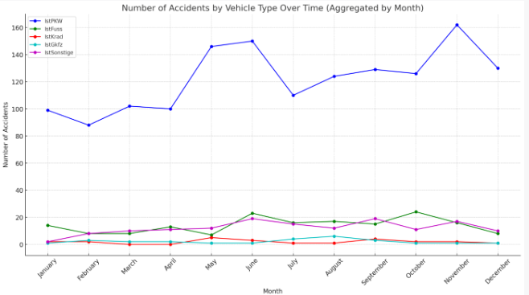

Sheet2
Number of Accidents per Year
2019 | 776
2020 | 580
2021 | 604
2022 | 691

Sheet3
Number of Accidents per Month
January | 155
February | 159
March | 168
April | 187
May | 257
June | 297
July | 221
August | 241
September | 252
October | 257
November | 270
December | 191

Sheet5
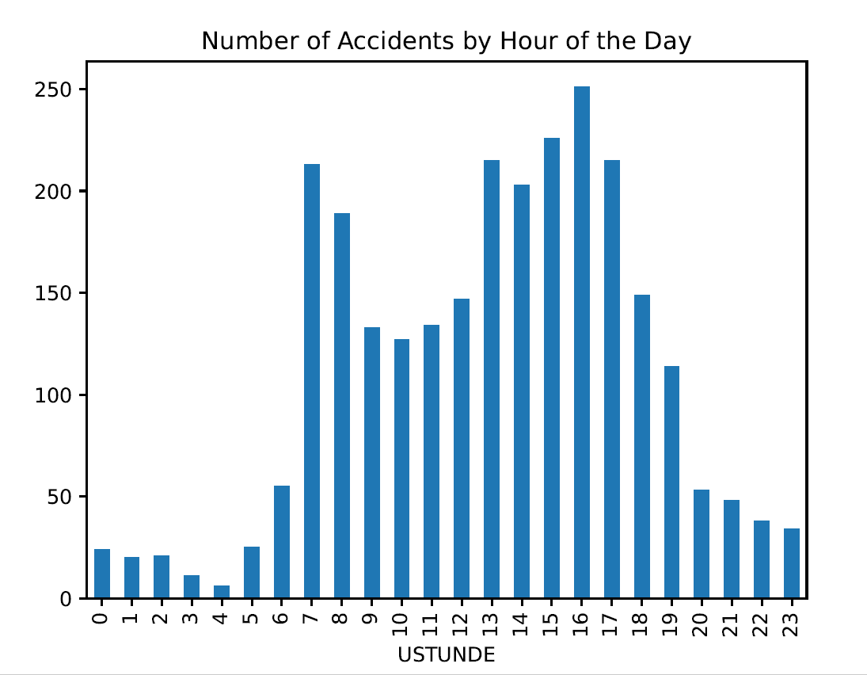

Sheet6
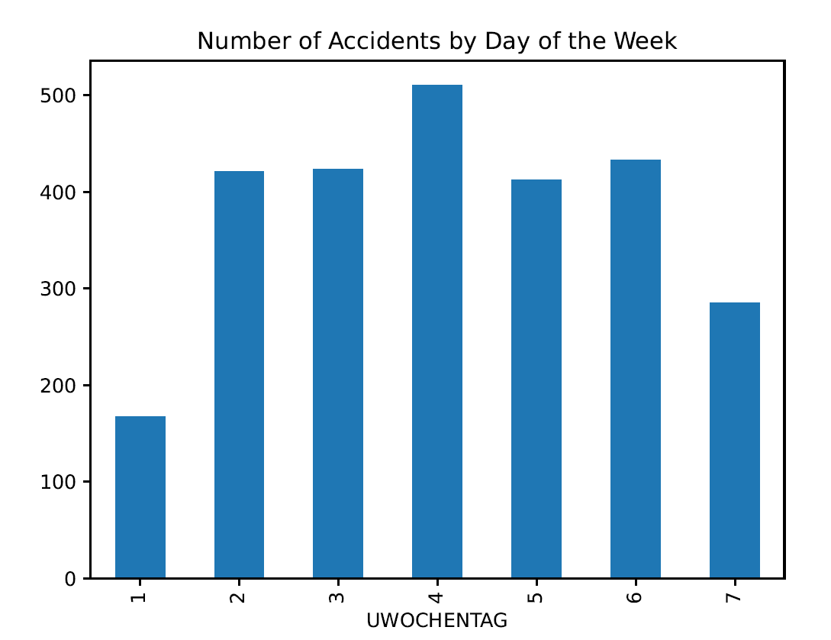

Sheet7
Distribution of Collision between Bicycle and X

IstPKW | IstFuss | IstKrad | IstGkfz
1457 | 169 | 24 | 26

Distribution of Collision between Bicycle and X

