Sheet1
 |  |  | REQUEST FOR VALVE QUOTATION

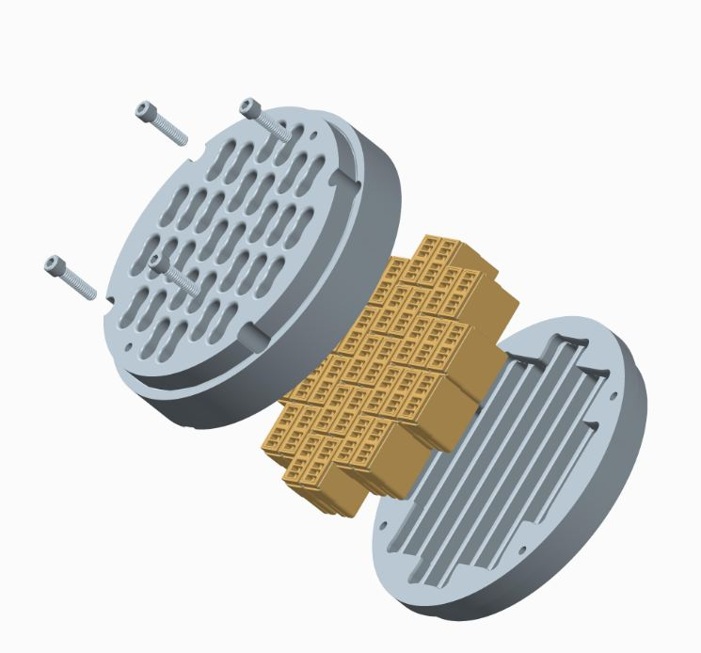
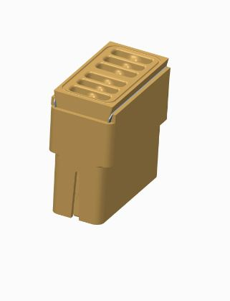

8615-A Jackrabbit Road
Houston, TX 77095
+1 (713) 554-2678
sales@zahroofvalves.com
version 2.0

Please be advised that this document, submitted through e-mail, will be held and treated as a legal and binding
document. Submitter agrees that all information provided within this document is accurate, true and complete and will
be liable for valves manufactured by ZVI based on this information

 | Prepared by: |  | Ken Newton |  |  |  | Company: |  | Kinder Morgan
 | Phone #: |  | 307-349-6279 |  |  |  | E-Mail: |  | Kenneth_Newton@kindermorgan.com

 | Customer Information |  |  |  |  |  | Manufacturer Data
 | Customer Name |  | Ken Newton |  |  |  | Compressor Model |  | mh-62
 | Location Name |  | Baxter Station |  |  |  | Compressor SN |  | 332240
 | Address |  | 1951 yellowstone |  |  |  | Driver Model |  | 2406G
 | City |  | Rock Springs |  |  |  | Driver SN |  | 332249
 | State, Zip |  | Wyoming 82901 |  |  |  | Rated HP |  | 900
 | Contact Phone No. |  | 307-349-6279 |  |  |  | Stroke (in) |  | 6
 | Contact Name |  | Ken Newton |  |  |  | RPM |  | 1150
 | Contact E-mail |  | Kenneth_Newton@kindermorgan.com |  |  |  | Conn. Rod Length |  | 14.5
 | Atmos. Press.(psia) |  | 11.2

 | Objective(s): Enter number in order of priority with 1 being the most important objective

 |  | PRIORITY NUMBER | OBJECTIVE |  |  |  | COMMENTS
 |  | 1 | Improve Reliability/Life
 |  | 2 | Improve Efficiency
 |  | 4 | Increase Throughput
 |  | 3 | Reduce Service/ Inventory cost

 |  | Frequency of valve failure
 |  | Reason for valve failure

 |  | Application: |  | Gas Gathering
 |  |  |  | Transmission
 |  |  |  | Storage
 |  |  |  | Co2 Sequestration
 |  |  |  | Other |  |  | If Other, Enter here

 | Objects and tables followed by "*" are optional

Operating Data |  |  | Stage 1 |  | Stage 2 |  | Stage 3 |  | Stage 4 |  | Stage 5 |  | Stage 6
Throw # |  |  | 1 and 2
Compressor Cylinder Data
Cylinder Model |  |  | MH-62
Cylinder SN |  |  | 322241/322242
Cylinder Bore Dia (in) |  |  | 7.5
HE Fixed Clearance (%) |  |  | 18.5
CE Fixed Clearance (%) |  |  | 17.4
Piston Rod Dia(in) |  |  | 7.4
2Rated Rod Load(lbf)* |  |  | 42000
2,3Reciprocating Mass(lbs)* |  |  | 247
Valve Data/Cylinder
Head End
Number of Suction Valves |  |  | 4
Number of Discharge Valves |  |  | 4
Number of Valve Unloaders |  |  | 0
Crank End
Number of Suction Valves |  |  | 4
Number of Discharge Valves |  |  | 4
Number of Valve Unloaders |  |  | 0

 |  | 1. Attach gas analysis |  |  |  |  |  | 2. Required for load compliance
 |  | 3. Mass of piston and rod assembly, crosshead pin

Operating Data |  |  | Stage 1 |  | Stage 2 |  | Stage 3 |  | Stage 4 |  | Stage 5 |  | Stage 6
CASE 1 (DESIGN) | 1Gas Description
 | Suction Pressure (PSIG) |  | 780
 | Suction Temp. (oF) |  | 60
 | Discharge Pressure(PSIG) |  | 1000
 | Discharge Temp(oF)* |  | 94
 | 4Clearance Volume, HE(in3) |  | 69.1
 | 4Clearance Volume, CE(in3) |  | 61.2
 | Flow(MMSCFD)* |  | 7
CASE 2 (MAX)* | 1Gas Description
 | Suction Pressure (PSIG)
 | Suction Temp. (oF)
 | Discharge Pressure(PSIG)
 | Discharge Temp(oF)*
 | 4Clearance Volume, HE(in3)
 | 4Clearance Volume, CE(in3)
 | Flow(MMSCFD)*
CASE 3 (MIN)* | 1Gas Description
 | Suction Pressure (PSIG)
 | Suction Temp. (oF)
 | Discharge Pressure(PSIG)
 | Discharge Temp(oF)*
 | 4Clearance Volume, HE(in3)
 | 4Clearance Volume, CE(in3)
 | Flow(MMSCFD)*
 |  | 1. Attach gas analysis |  |  |  |  | 4. Added Clearance due to VVP, volume pockets, etc.
Attach valve assembly drawings with dimensions. Enter the value of dimensions shown in
the figure below, in the table. Dimensions are in inches and should include tolerances.
Add any features critical to installation of valve in compressor, that is not included in
figure below in a separate sheet (eg: cage holes dimensions and location for IR compressors).

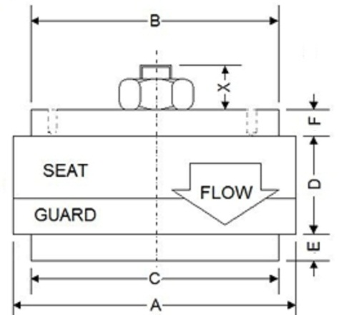
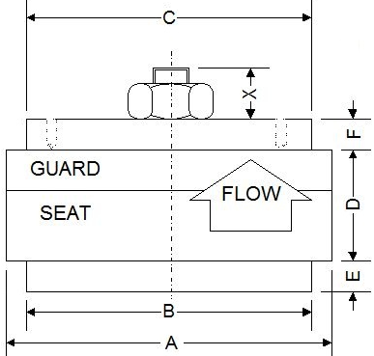
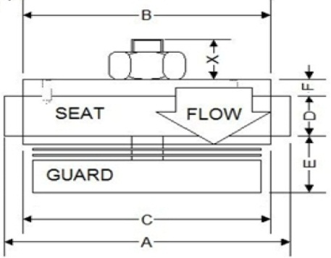
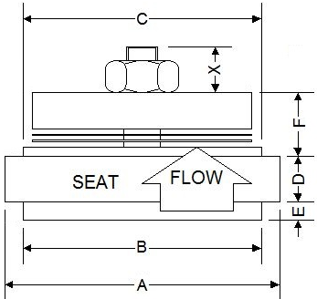

 | (i). Conventional Suction Valve |  |  | (ii). Conventional Discharge Valve |  |  |  | (iii). Hanging Suction Valve |  |  | (iv). Hanging Discharge Valve

 | Dimensions |  | TYPE |  | PART # |  | A | B | C | D | E | F
 | Stage 1, Suction
 | Stage 1, Discharge
 | Stage 2, Suction
 | Stage 2, Discharge
 | Stage 3, Suction
 | Stage 3, Discharge
 | Stage 4, Suction
 | Stage 4, Discharge
 | Stage 5, Suction
 | Stage 5, Discharge
 | Stage 6, Suction
 | Stage 6, Discharge

 | Past issues or observed problems (eg. Short life, liquid in flow stream, dirty gas, etc.

 | Valve History*: Enter information about the valve that will be replaced

 |  |  | Stage 1 |  | Stage 2 |  | Stage 3 |  | Stage 4 |  | Stage 5 |  | Stage 6
Valve Type |  |  | Choose |  | Choose |  | Choose |  | Choose |  | Choose |  | Choose
Head End
Suction
Lift (in)
Lift Area (in2)
Equivalent Area (in2)
Clearance Volume(in3)
Discharge
Lift (in)
Lift Area (in2)
Equivalent Area (in2)
Clearance Volume(in3)
Crank End
Suction
Lift (in)
Lift Area (in2)
Equivalent Area (in2)
Clearance Volume(in3)
Discharge
Lift (in)
Lift Area (in2)
Equivalent Area (in2)
Clearance Volume(in3)

Valve cage information*: Enter the valve cage dimensions to the 3rd decimal in inches with tolerance

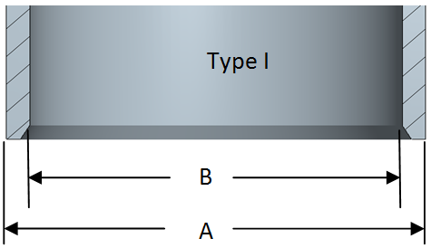
 |  | Dimensions |  | A |  | B |  | C
 |  | Throw 1, Suction
 |  | Throw 1, Discharge
 |  | Throw 2, Suction
 |  | Throw 2, Discharge
 |  | Throw 3, Suction
 |  | Throw 3, Discharge
 |  | Throw 4, Suction
 |  | Throw 4, Discharge
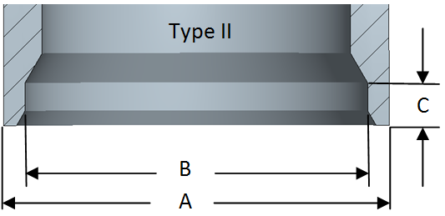
 |  | Throw 5, Suction
 |  | Throw 5, Discharge
 |  | Throw 6, Suction
 |  | Throw 6, Discharge

