Sheet1
 |  |  | REQUEST FOR VALVE QUOTATION

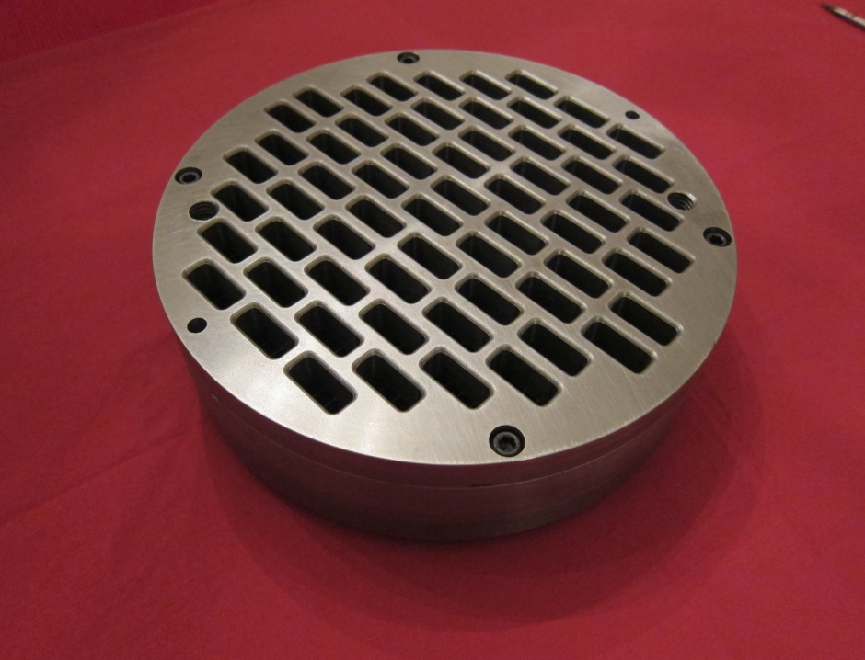
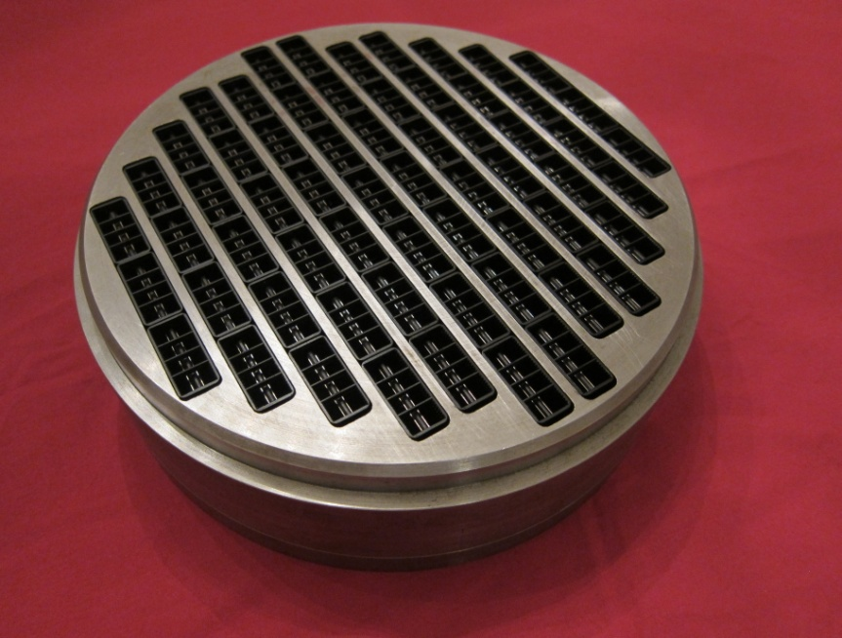

8515 Jackrabbit Road, Ste R
Houston, TX 77095
+1 (713) 554-2678
sales@zahroofvalves.com
version 1.5

Please be advised that this document, submitted through e-mail, will be held and treated as a legal and binding
document. Submitter agrees that all information provided within this document is accurate, true and complete and will
be liable for valves manufactured by ZVI based on this information

 | Prepared by: |  |  |  |  |  | Company:
 | Phone #: |  |  |  |  |  | E-Mail:

 | Customer Information |  |  |  |  |  | Manufacturer Data
 | Customer Name |  |  |  |  |  | Compressor Model
 | Location Name |  |  |  |  |  | Compressor SN
 | Address |  |  |  |  |  | Driver Model
 | City |  |  |  |  |  | Driver SN
 | State, Zip |  |  |  |  |  | Rated HP
 | Contact Phone No. |  |  |  |  |  | Stroke (in)
 | Contact Name |  |  |  |  |  | RPM
 | Contact E-mail |  |  |  |  |  | Conn. Rod Length
 | Atmos. Press.(psia)

 | Objective(s): Enter objectives in order of priority

 |  | 1 | Choose |  |  |  | 3 | Choose
 |  | 2 | Choose |  |  |  | 4 | Choose

 | Objects and tables followed by "*" are optional

Operating Data |  |  | 1st Stage |  | 2nd Stage |  | 3rd Stage |  | 4th Stage |  | 5th Stage |  | 6th Stage
Throw #
1Gas Description
Suction Pressure (PSIG)
Suction Temp. (oF)
Discharge Pressure(PSIG)
Discharge Temp(oF)*
Flow(MMSCFD)*
Compressor Cylinder Data
Cylinder Model
Cylinder SN
Cylinder Bore Dia (in)
HE Fixed Clearance (%)
CE Fixed Clearance (%)
Piston Rod Dia(in)
2Rated Rod Load(lbf)*
2,3Reciprocating Mass(lbs)*
Valve Data/Cylinder
Head End
Number of Suction Valves
Number of Discharge Valves
Number of Valve Unloaders
4Added Clearance Volume(in3)
Crank End
Number of Suction Valves
Number of Discharge Valves
Number of Valve Unloaders
4Added Clearance Volume(in3)

 |  | 1. Attach gas analysis |  |  |  |  |  | 2. Required for load compliance
 |  | 3. Mass of piston and rod assembly, crosshead pin |  |  |  |  |  | 4.Clearance due to volume pockets, etc.

 |  | Application: |  | Choose |  |  | If Other, Enter here
Attach valve assembly drawings with dimensions. Enter the value of dimensions shown in
the figure below, in the table. Dimensions are in inches and should include tolerances.
Add any features critical to installation of valve in compressor, that is not included in
figure below in a separate sheet (eg: cage holes dimensions and location for IR compressors).

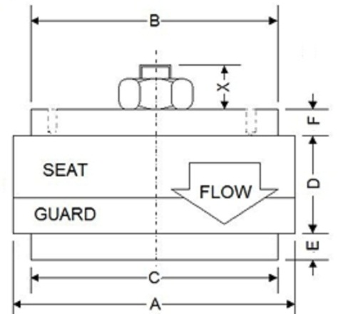
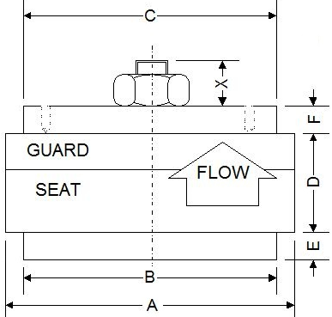
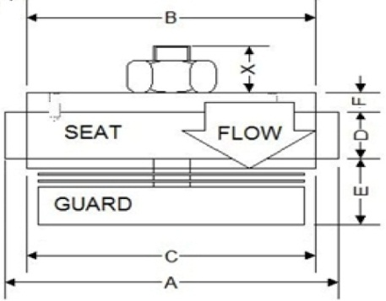
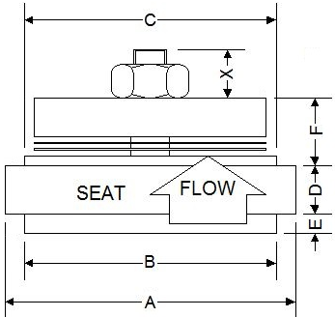

 | (i). Conventional Suction Valve |  |  | (ii). Conventional Discharge Valve |  |  |  | (iii). Hanging Suction Valve |  |  | (iv). Hanging Discharge Valve

 | Dimensions |  | TYPE |  | PART # |  | A | B | C | D | E | F
 | Stage 1, Suction
 | Stage 1, Discharge
 | Stage 2, Suction
 | Stage 2, Discharge
 | Stage 3, Suction
 | Stage 3, Discharge
 | Stage 4, Suction
 | Stage 4, Discharge
 | Stage 5, Suction
 | Stage 5, Discharge
 | Stage 6, Suction
 | Stage 6, Discharge

 | Valve History*: Enter information about the valve that will be replaced

 |  |  | Stage 1 |  | Stage 2 |  | Stage 3 |  | Stage 4 |  | Stage 5 |  | Stage 6
Valve Type |  |  | Choose |  | Choose |  | Choose |  | Choose |  | Choose |  | Choose
Head End
Suction
Lift (in)
Lift Area (in2)
Equivalent Area (in2)
Clearance Volume(in3)
Discharge
Lift (in)
Lift Area (in2)
Equivalent Area (in2)
Clearance Volume(in3)
Crank End
Suction
Lift (in)
Lift Area (in2)
Equivalent Area (in2)
Clearance Volume(in3)
Discharge
Lift (in)
Lift Area (in2)
Equivalent Area (in2)
Clearance Volume(in3)

 | Past issues or observed problems (eg. Short life, liquid in flow stream, dirty gas, etc.

Valve cage information*: Enter the valve cage dimensions to the 3rd decimal in inches with tolerance

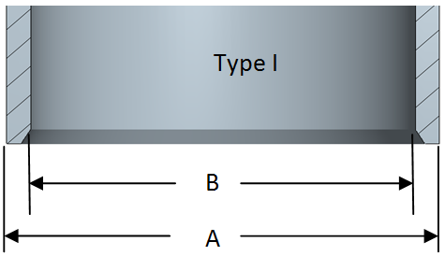
 |  | Dimensions |  | A |  | B |  | C
 |  | Throw 1, Suction
 |  | Throw 1, Discharge
 |  | Throw 2, Suction
 |  | Throw 2, Discharge
 |  | Throw 3, Suction
 |  | Throw 3, Discharge
 |  | Throw 4, Suction
 |  | Throw 4, Discharge
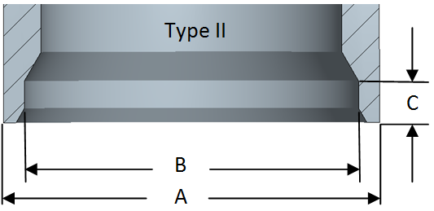
 |  | Throw 5, Suction
 |  | Throw 5, Discharge
 |  | Throw 6, Suction
 |  | Throw 6, Discharge

