Sheet1
 |  |  | REQUEST FOR VALVE QUOTATION

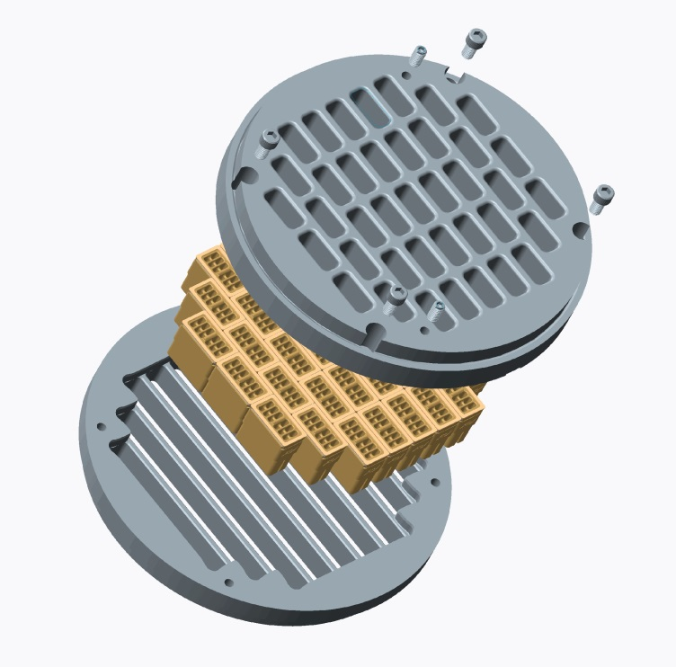

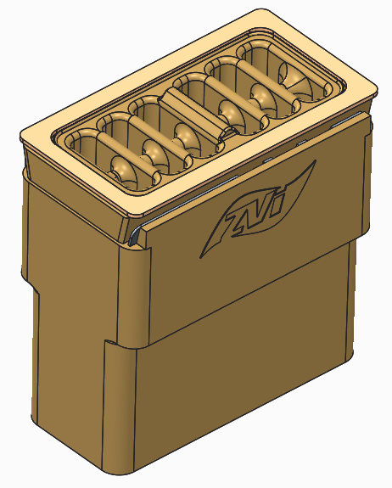

8615-A Jackrabbit Road
Houston, TX 77095
+1 (713) 554-2678
sales@zahroofvalves.com
version 2.4

Please be advised that this document, submitted through e-mail, will be held and treated as a legal and binding
document. Submitter agrees that all information provided within this document is accurate, true and complete and will
be liable for valves manufactured by ZVI based on this information

 | Sales Representative:
 | Prepared by: |  |  |  |  |  | Company:
 | Phone #: |  |  |  |  |  | E-Mail:

 | Customer Information |  |  |  |  |  | Manufacturer Data
 | Customer Name |  |  |  |  |  | Compressor Model
 | Location Name |  |  |  |  |  | Compressor SN
 | Address |  |  |  |  |  | Compressor Rated HP
 | City |  |  |  |  |  | Driver Model
 | State, Zip |  |  |  |  |  | Driver SN
 | Contact Phone No. |  |  |  |  |  | Driver Rated HP
 | Contact Name |  |  |  |  |  | Stroke (in)
 | Contact E-mail |  |  |  |  |  | Speed, RPM
 | Atmos. Press.(psia) |  |  |  |  |  | Conn. Rod Length

 |  | Objective(s): Enter number in order of priority with 1 being the most important objective

 |  | PRIORITY NUMBER | OBJECTIVE |  |  |  | COMMENTS
 |  |  | Improve Reliability/Life
 |  |  | Improve Efficiency
 |  |  | Increase Throughput
 |  |  | Reduce Service/ Inventory cost

 |  | Frequency of valve failure
 |  | Reason for valve failure

 |  | Application: |  | Gas Gathering
 |  |  |  | Transmission
 |  |  |  | Storage
 |  |  |  | Co2 Sequestration
 |  |  |  | Other |  |  | If Other, Enter here

 | Objects and tables followed by "*" are optional

Operating Data |  |  | Stage 1 |  | Stage 2 |  | Stage 3 |  | Stage 4 |  | Stage 5 |  | Stage 6
Throw #
Compressor Cylinder Data
Cylinder Model
Cylinder SN
Cylinder Bore Dia (in)
HE Fixed Clearance % (in3)
CE Fixed Clearance % (in3)
Piston Rod Dia (in)
2Rated Rod Load (lbf)*
2,3Reciprocating Mass (lbs)*
Valve Data/Cylinder
Head End
Number of Suction Valves
Number of Discharge Valves
Number of Valve Unloaders
Crank End
Number of Suction Valves
Number of Discharge Valves
Number of Valve Unloaders

 |  | 1. Attach gas analysis |  |  |  |  |  | 2. Required for load compliance
 |  | 3. Mass of piston and rod assembly, crosshead pin

Operating Data |  |  | Stage 1 |  | Stage 2 |  | Stage 3 |  | Stage 4 |  | Stage 5 |  | Stage 6
CASE 1 (DESIGN) | 1Gas Description
 | Suction Pressure (PSIG)
 | Suction Temp. (oF)
 | Discharge Pressure(PSIG)
 | Discharge Temp(0F)*
 | ⁴Total Clearance, HE % (in3)
 | ⁴Total Clearance, CE % (in3)
 | Flow(MMSCFD)*
 | RPM
CASE 2 (MAX)* | 1Gas Description
 | Suction Pressure (PSIG)
 | Suction Temp. (oF)
 | Discharge Pressure(PSIG)
 | Discharge Temp(0F)*
 | ⁴Total Clearance, HE % (in3)
 | ⁴Total Clearance, CE % (in3)
 | Flow(MMSCFD)*
 | RPM
CASE 3 (MIN)* | 1Gas Description
 | Suction Pressure (PSIG)
 | Suction Temp. (oF)
 | Discharge Pressure(PSIG)
 | Discharge Temp(0F)*
 | ⁴Total Clearance, HE % (in3)
 | ⁴Total Clearance, CE % (in3)
 | Flow(MMSCFD)*
 | RPM
 |  | 1. Attach gas analysis
 |  | 4. Running Clearance including Valve clearance, fixed cylinder clearance and Added clearance.
Attach valve assembly drawings with dimensions. Enter the value of dimensions shown in
the figure below, in the table. Dimensions are in inches and should include tolerances.
Add any features critical to installation of valve in compressor, that is not included in
figure below in a separate sheet (eg: cage holes dimensions and location for IR compressors).

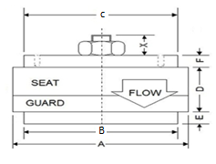
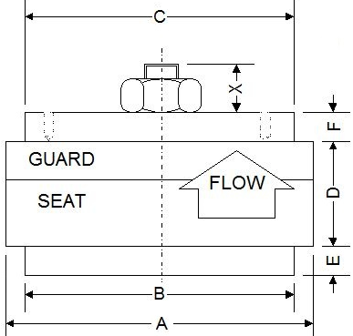
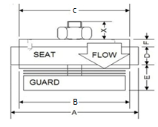
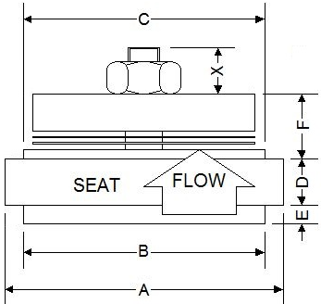

 | (i). Conventional Suction Valve |  | (ii). Conventional Discharge Valve |  |  |  |  | (iii). Hanging Suction Valve |  |  | (iv). Hanging Discharge Valve

 |  |  |  |  |  |  |  |  |  |  | Gasket Information |  | O-ring Information
Dimensions |  | TYPE | PART # |  | A | B | C | D | E | F | PART # | ID/OD/T | PART # | ID/CS
Stage 1, Suction
Stage 1, Discharge
Stage 2, Suction
Stage 2, Discharge
Stage 3, Suction
Stage 3, Discharge
Stage 4, Suction
Stage 4, Discharge
Stage 5, Suction
Stage 5, Discharge
Stage 6, Suction
Stage 6, Discharge
 |  | ID-Inner diameter | OD-Outer diameter |  | T-Gasket thickness |  | CS - Cross section of O-ring
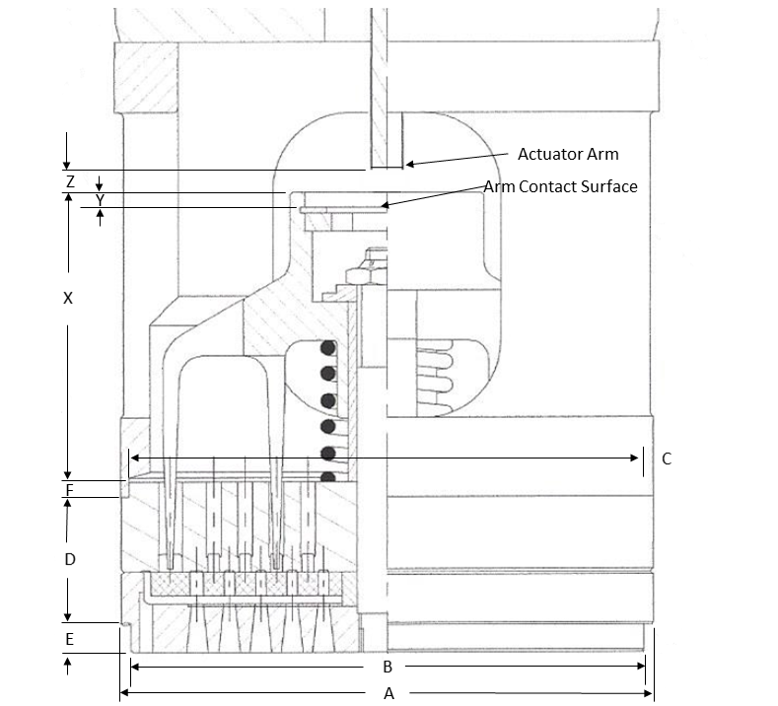

 | Dimensions |  | PART # |  | A | B | C | D | E | F | X | Y | Z
 | Stage 1, Suction Unloader
 | Stage 2, Suction Unloader
 | Stage 3, Suction Unloader

Valve cage information*: Enter the cage dimensions if total valve thickness is less than 1.500 inch (or) For integral valve-cage. Enter the valve cage dimensions to the 3rd decimal in inches with tolerance. List all critical features of cage that is not included in the figure below in a separate sheet

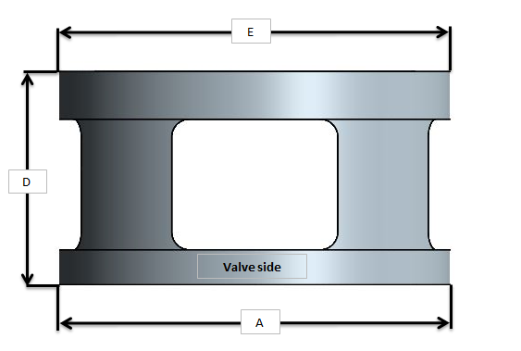
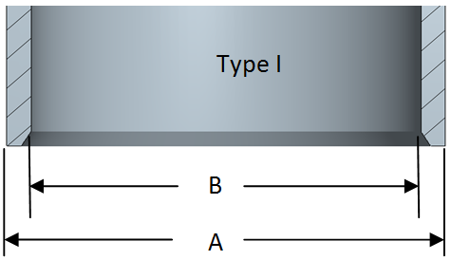

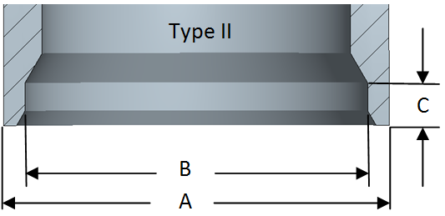

 |  |  |  | CAGE INFORMATION |  |  |  |  |  |  | VALVE CAP INFO
 |  | Dimensions |  | A | B | C | D | E | F |  | # of bolts | Bolt Size | Torque
 |  | Throw 1, Suction
 |  | Throw 1, Discharge
 |  | Throw 2, Suction
 |  | Throw 2, Discharge
 |  | Throw 3, Suction
 |  | Throw 3, Discharge
 |  | Throw 4, Suction
 |  | Throw 4, Discharge
 |  | Throw 5, Suction
 |  | Throw 5, Discharge
 |  | Throw 6, Suction
 |  | Throw 6, Discharge

 | Past issues or observed problems (eg. Short life, liquid in flow stream, dirty gas, etc.)

 | Gas Component (Mol%) |  | Case 1 | Case 2 | Case 3
 | Methane, CH4
 | Ethane, C2H6
 | Propane, C3H8
 | Butane, C4H10
 | Pentane, C5H12
 | Hexanes +, C6+
 | Nitrogen, N2
 | Carbon Dioxide, CO2
 | Water, H2O
 | Hydrogen Sulfide, H2S

 | Molecular Weight

 | Valve History*: Enter information about the valve that will be replaced

 |  |  | Stage 1 |  | Stage 2 |  | Stage 3 |  | Stage 4 |  | Stage 5 |  | Stage 6
Valve Type |  |  | Choose |  | Choose |  | Choose |  | Choose |  | Choose |  | Choose
Head End
Suction
Lift (in)
Lift Area (in2)
Equivalent Area (in2)
Clearance Volume(in3)
Discharge
Lift (in)
Lift Area (in2)
Equivalent Area (in2)
Clearance Volume(in3)
Crank End
Suction
Lift (in)
Lift Area (in2)
Equivalent Area (in2)
Clearance Volume(in3)
Discharge
Lift (in)
Lift Area (in2)
Equivalent Area (in2)
Clearance Volume(in3)

